Dashboard
Cu Removal from Recycled Steel — CALPHAD Screening Workbook
MSE 4381 Capstone | Honda R&D Americas | TCOX14 Database | Spring 2026

PROJECT SUMMARY
Recycled steel contains 0.25-0.3% Cu from wiring and motors, causing hot shortness above 0.1%.
This workbook screens 17 ceramic oxides for Cu removal via ternary compound formation (Cu + MOx + O2 -> CuMOy).
All 16 modeled ternary reactions are thermodynamically favorable (negative dG). Top candidates: CuFe2O4 (-112 kJ), Cu3V2O8 (-109 kJ), CuMn2O4 (-64 kJ).
At steelmaking temperatures (1800K), Cu capture occurs via dissolution into oxide slag, not crystalline compound formation.

HOW TO USE THIS WORKBOOK
Tabs are color-coded. Click any formula cell in a blue tab to trace it back to source data.

Tab | Color | Purpose | Key Contents
Dashboard | BLUE | Analysis | This tab. Project overview, navigation, key figures.
Screening_Summary | BLUE | Analysis | One row per oxide: binary verdict, ternary verdict, tier rank.
CuFe2O4_DeepDive | BLUE | Analysis | Decompose CuFe2O4 reaction into Cu-capture vs Fe-oxidation.
Activity_and_Slag | BLUE | Analysis | Dilute Cu penalty, gamma sensitivity, slag basicity effects.
Normalization | BLUE | Analysis | Full stoichiometry (17 binary + 18 ternary) + 2 worked examples.
Screening_Table | GREEN | Results | Binary oxide dG at 3 temperatures + physical properties.
Ternary_Verdicts | GREEN | Results | Ternary product dG at 3 temperatures + phase data.
Activity_Corrected | GREEN | Results | Activity-corrected dG for all products across temperature.
OX_Gibbs | GRAY | Raw Data | Oxide Gibbs energies (18 oxides, 500-2000K, TCOX14).
Ternary_Rxns | GRAY | Raw Data | Ternary reaction energies (16 systems x 23 temps).
dG_Top6 | GRAY | Raw Data | Fine-resolution dG vs T for top 6 candidates (25K steps).
CuFe2O4_Raw | GRAY | Raw Data | CuFe2O4 formation: Cu-capture vs Fe-oxidation components.
Cu_Activity | GRAY | Raw Data | Cu activity sweep at 1800K (4 ternary systems).
Slag_Effects | GRAY | Raw Data | Slag basicity effects on a_Cu (2 quaternary systems).
Phase_Map | GRAY | Raw Data | 20x20 ternary composition grid phase mapping at 1800K.

DATA PROVENANCE
Source Tab | Source CSV | Database | Date | Generating Script
OX_Gibbs | oxide_gibbs_energies.csv | TCOX14+SSUB3 | Mar 12 | extract_oxide_gibbs.py
Ternary_Rxns | ternary_reaction_energies.csv | TCOX14 | Mar 13 | extract_ternary_reactions.py
dG_Top6 | dG_vs_T_top6.csv | TCOX14 | Mar 13 | dG_vs_T_top6.py
CuFe2O4_Raw | cufe2o4_alternative_reaction.csv | TCOX14 | Mar 13 | cufe2o4_alternative_reaction.py
Cu_Activity | cu_activity_vs_oxide.csv | TCOX14 | Mar 13 | cu_activity_vs_oxide.py
Slag_Effects | slag_composition_effects.csv | TCOX14 | Mar 13 | slag_composition_effects.py
Phase_Map | ternary_phase_map_1800K.csv | TCOX14 | Mar 13 | ternary_phase_map_1800K.py
Activity_Corrected | activity_corrected_dG.csv | (derived) | Mar 13 | compute_activity_corrected_dG.py
Screening_Table | screening_table.csv | (derived) | Mar 13 | build_combined_screening.py
Ternary_Verdicts | ternary_screening_results.csv | (derived) | Mar 13 | compute_ternary_dG.py

KEY FIGURES
Figure 1. Reaction driving force vs temperature for top 6 ternary Cu-capture candidates (25K resolution, TCOX14). Data: dG_Top6 tab.
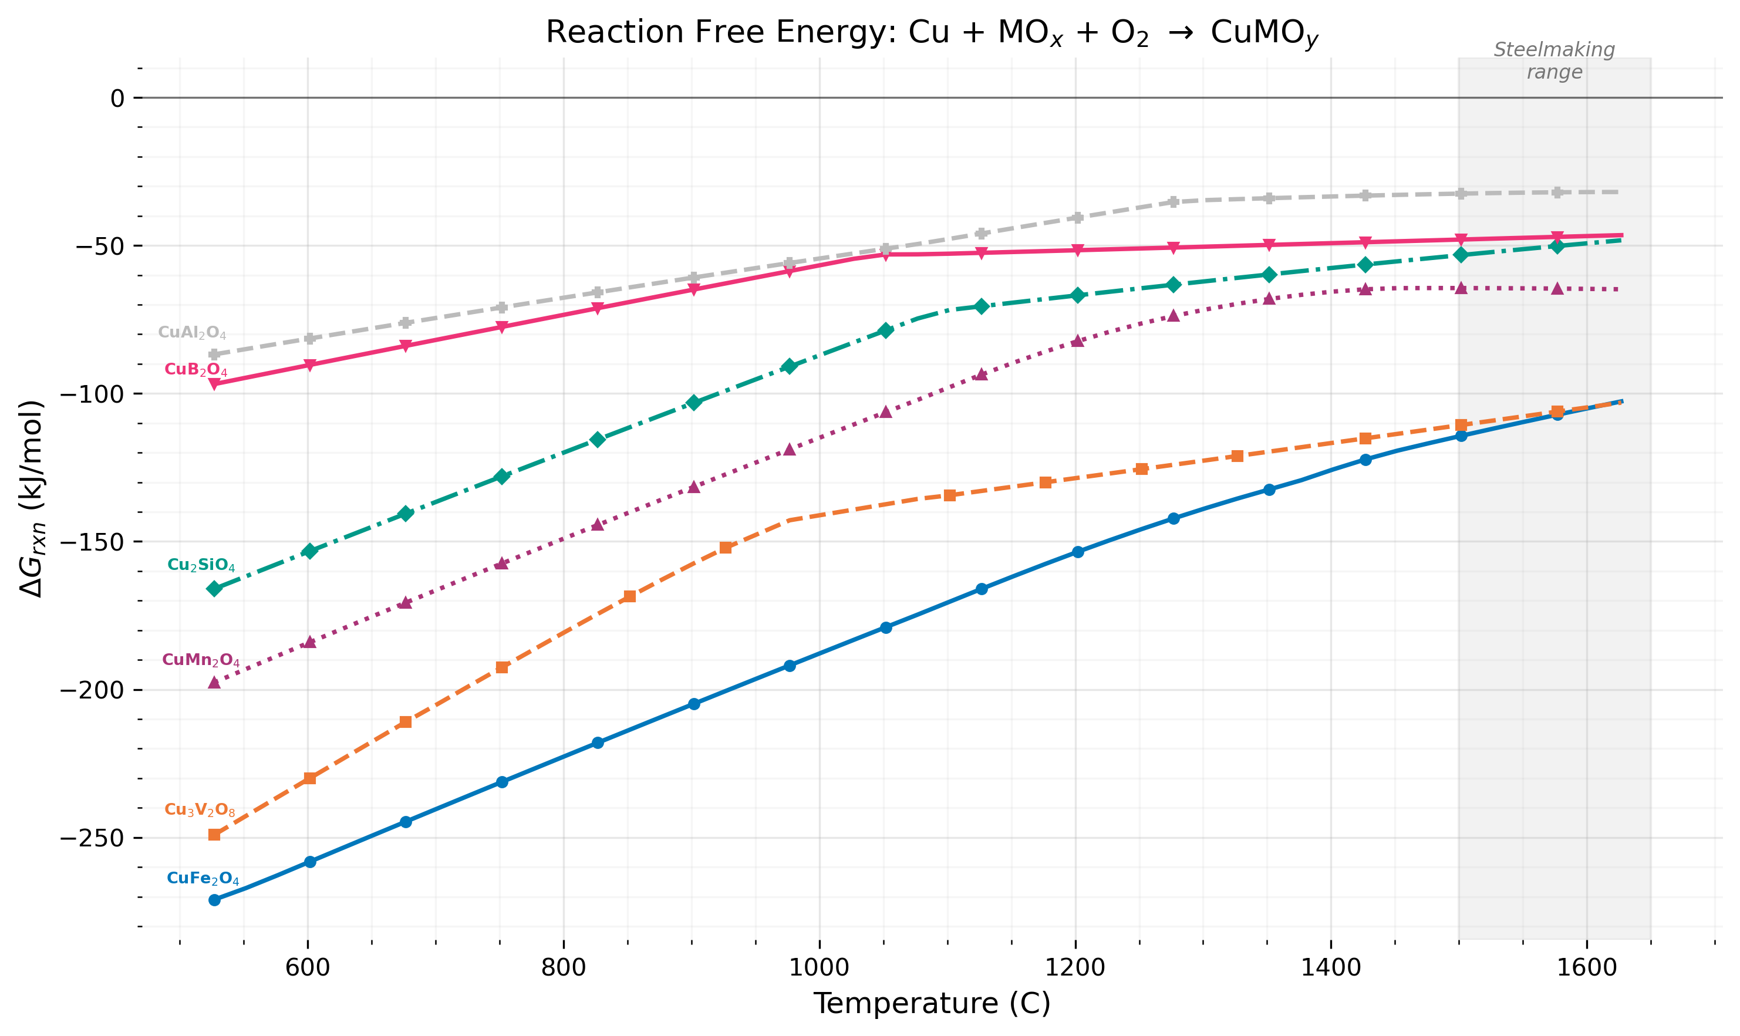

Figure 2. Activity-corrected dG comparison: pure reference vs dilute Cu (X_Cu=0.003, gamma=8.5). Data: Activity_and_Slag tab.
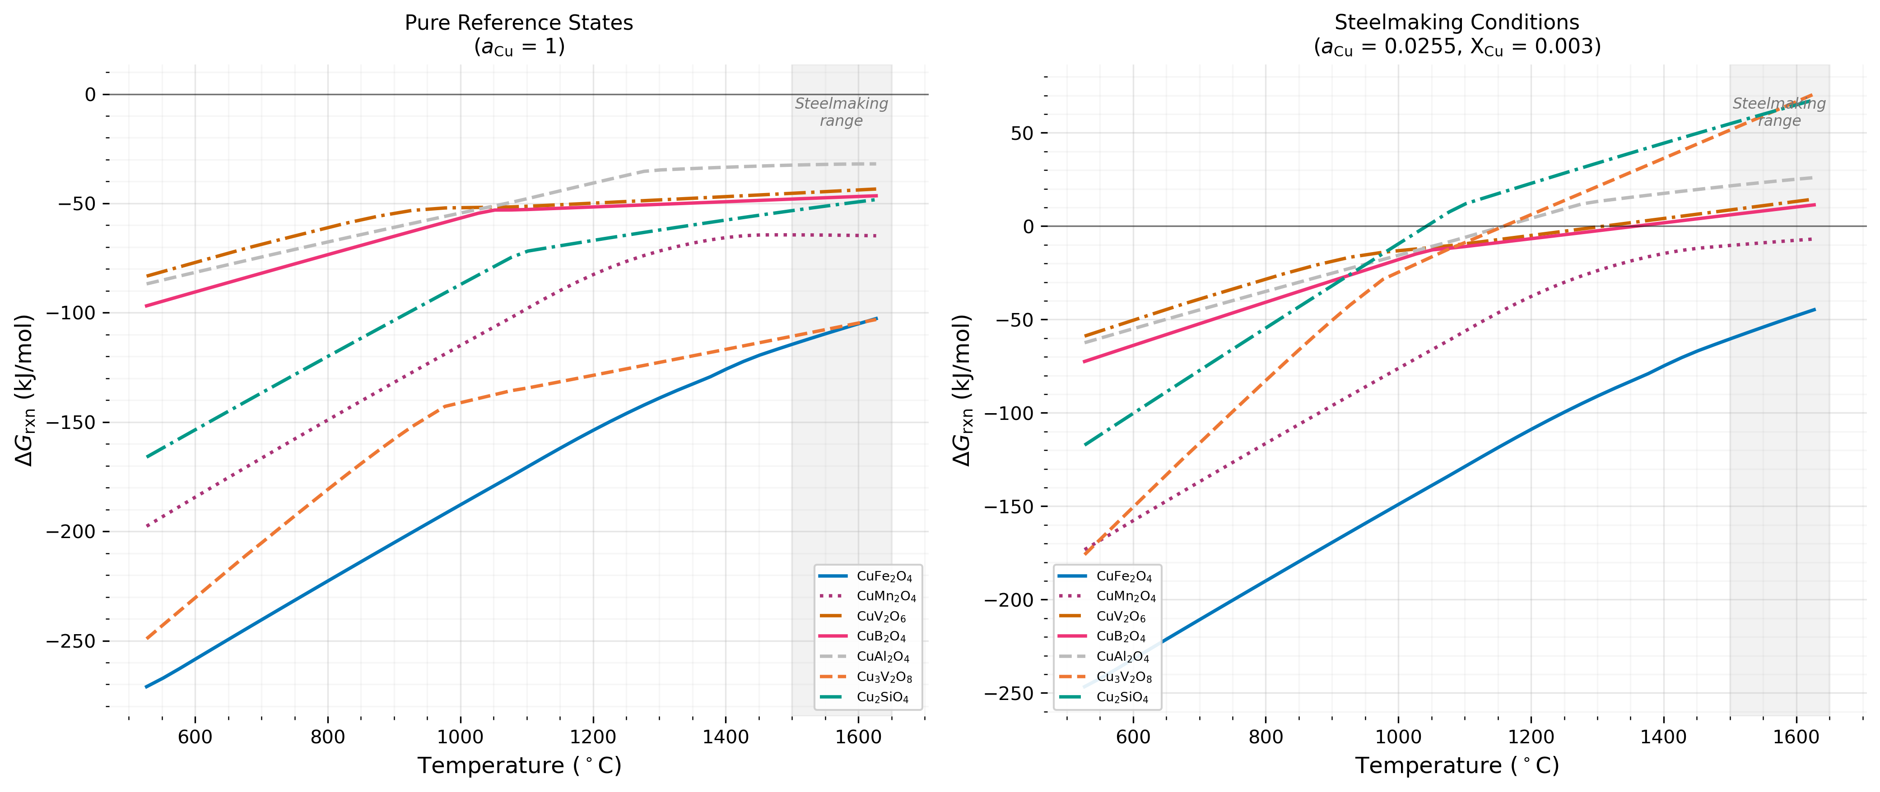

Figure 3. CuFe2O4 reaction decomposition: total dG split into Cu-capture and Fe-oxidation contributions. Data: CuFe2O4_DeepDive tab.
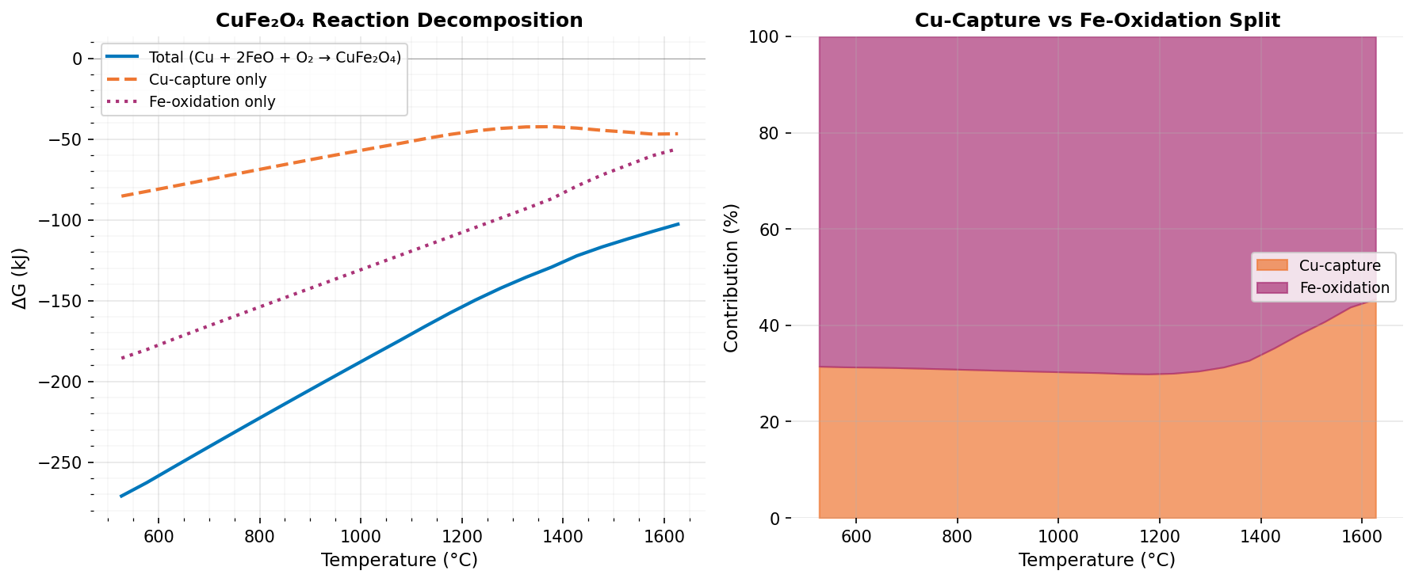

Figure 4. Effect of slag basicity on Cu activity: MnO:SiO2 and Al2O3:SiO2 ratios at 1800K. Data: Slag_Effects tab.
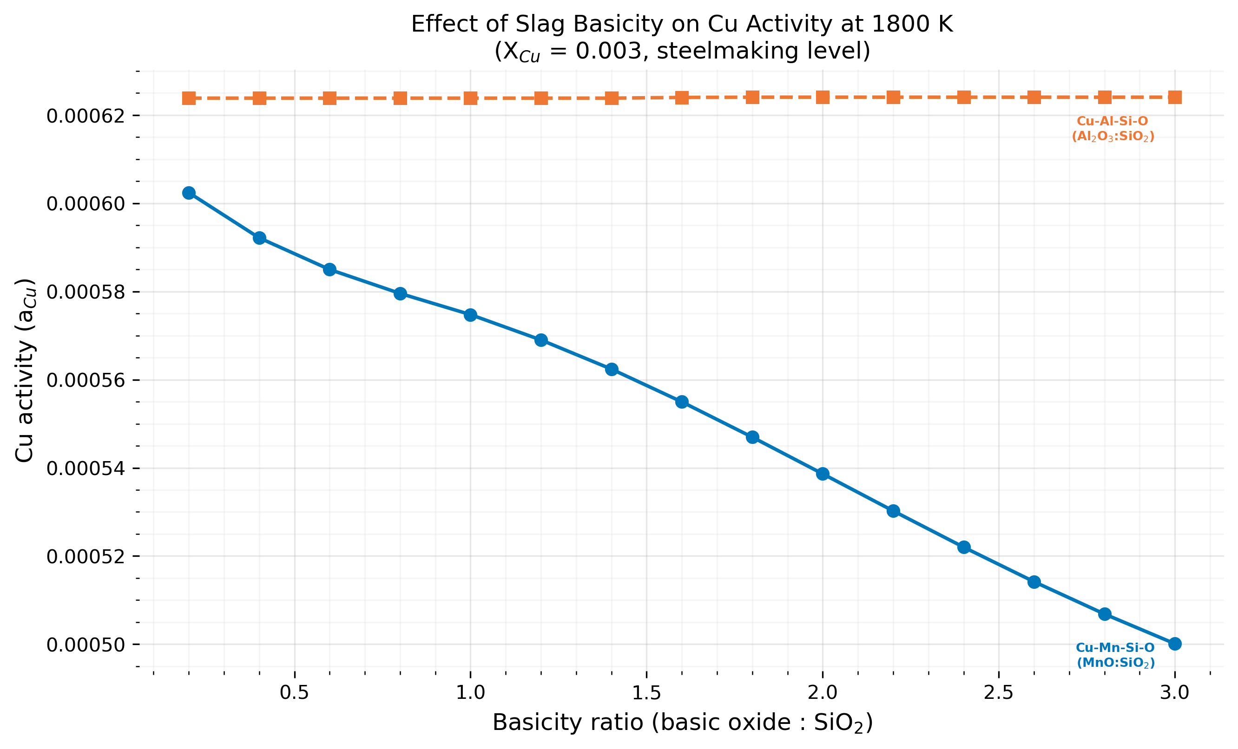

Generated by build_unified_xlsx.py | All plots: matplotlib (colorblind-friendly palette per CLAUDE.md)

CuFe2O4_DeepDive
CuFe2O4 DEEP DIVE — Decomposing the strongest candidate into Cu-capture vs Fe-oxidation
The total CuFe2O4 formation reaction (Cu + 2FeO + O2) is split into two contributions. Columns E-G are formulas referencing the CuFe2O4_Raw tab.
T (K) | T (°C) | dG_original (kJ) | dG_alternative (kJ) | dG_Fe_oxidation (kJ) | Cu-capture (%) | Fe-oxidation (%)
800 | 526.85 | -271.03 | -85.34 | -185.69 | 31.5 | 68.5
850 | 576.85 | -262.71 | -82.38 | -180.34 | 31.4 | 68.6
900 | 626.85 | -253.64 | -79.38 | -174.25 | 31.3 | 68.7
950 | 676.85 | -244.63 | -76.34 | -168.30 | 31.2 | 68.8
1000 | 726.85 | -235.69 | -73.25 | -162.44 | 31.1 | 68.9
1050 | 776.85 | -226.81 | -70.18 | -156.63 | 30.9 | 69.1
1100 | 826.85 | -217.99 | -67.14 | -150.85 | 30.8 | 69.2
1150 | 876.85 | -209.22 | -64.15 | -145.07 | 30.7 | 69.3
1200 | 926.85 | -200.51 | -61.21 | -139.31 | 30.5 | 69.5
1250 | 976.85 | -191.86 | -58.31 | -133.54 | 30.4 | 69.6
1300 | 1026.85 | -183.26 | -55.48 | -127.78 | 30.3 | 69.7
1350 | 1076.85 | -174.72 | -52.70 | -122.01 | 30.2 | 69.8
1400 | 1126.85 | -166.01 | -49.77 | -116.24 | 30.0 | 70.0
1450 | 1176.85 | -157.56 | -47.10 | -110.46 | 29.9 | 70.1
1500 | 1226.85 | -149.61 | -44.94 | -104.67 | 30.0 | 70.0
1550 | 1276.85 | -142.23 | -43.37 | -98.86 | 30.5 | 69.5
1600 | 1326.85 | -135.51 | -42.46 | -93.04 | 31.3 | 68.7
1650 | 1376.85 | -129.29 | -42.31 | -86.98 | 32.7 | 67.3
1700 | 1426.85 | -122.29 | -43.19 | -79.10 | 35.3 | 64.7
1750 | 1476.85 | -116.78 | -44.59 | -72.18 | 38.2 | 61.8
1800 | 1526.85 | -111.88 | -45.67 | -66.21 | 40.8 | 59.2
1850 | 1576.85 | -107.18 | -46.93 | -60.25 | 43.8 | 56.2
1900 | 1626.85 | -102.69 | -46.72 | -55.98 | 45.5 | 54.5
AVERAGE |  | -178.83 | -57.52 | -121.31 | 33.0 | 67.0

CuFe₂O₄ Reaction Decomposition

Activity_and_Slag
ACTIVITY AND SLAG EFFECTS — What happens under real steelmaking conditions?
Section 1: Dilute Cu penalty (editable X_Cu and gamma_Cu). Section 2: Gamma sensitivity sweep. Section 3: Slag basicity effects from Slag_Effects tab.

Parameter | Symbol | Value | Unit / Note
Cu mole fraction in steel | X_Cu | 0.0030 | ~0.3 wt% Cu (EDITABLE)
Raoultian activity coefficient | γ_Cu | 8.5 | Literature range: 5-13 (EDITABLE)
Cu activity in liquid Fe | a_Cu | 0.0255 | X_Cu × γ_Cu (formula in C7)
Temperature | T | 1800 | K (steelmaking)
Gas constant | R | 8.314 | J/(mol·K)
Penalty per Cu atom consumed | -RT·ln(a_Cu) | +54.9 | kJ/mol (positive = less favorable)

ACTIVITY-CORRECTED ΔG AT 1800 K
Product | Parent Oxide | n_Cu | ΔG° (kJ) | Cu Penalty (kJ) | ΔG_eff (kJ) | Verdict | ΔG per Cu (kJ)
CuFe2O4 | FeO | 1 | -111.9 | +54.9 | -57.0 | ROBUST | -111.9
CuMn2O4 | MnO | 1 | -64.4 | +54.9 | -9.5 | MARGINAL | -64.4
CuB2O4 | B2O3 | 1 | -47.7 | +54.9 | +7.2 | UNCERTAIN | -47.7
CuV2O6 | V2O5 | 1 | -45.0 | +54.9 | +9.9 | UNCERTAIN | -45.0
CuAl2O4 | Al2O3 | 1 | -32.3 | +54.9 | +22.6 | UNFAVORABLE | -32.3
Cu3V2O8 | V2O5 | 3 | -109.2 | +164.7 | +55.6 | UNFAVORABLE | -36.4
Cu2SiO4 | SiO2 | 2 | -52.2 | +109.8 | +57.6 | UNFAVORABLE | -26.1

γ_Cu SENSITIVITY ANALYSIS
Change γ_Cu in cell C6 above to see all corrections update automatically.
γ_Cu | a_Cu | Penalty/Cu (kJ) | ΔG_eff CuFe2O4 | ΔG_eff CuMn2O4 | ΔG_eff CuB2O4 | ΔG_eff CuV2O6 | ΔG_eff CuAl2O4 | ΔG_eff Cu3V2O8 | ΔG_eff Cu2SiO4
3.0 | 0.0090 | +70.5 | -41.4 | +6.1 | +22.8 | +25.5 | +38.2 | +102.3 | +88.8
4.0 | 0.0120 | +66.2 | -45.7 | +1.7 | +18.5 | +21.2 | +33.9 | +89.4 | +80.2
5.0 | 0.0150 | +62.8 | -49.0 | -1.6 | +15.1 | +17.9 | +30.5 | +79.4 | +73.5
6.0 | 0.0180 | +60.1 | -51.8 | -4.3 | +12.4 | +15.1 | +27.8 | +71.2 | +68.0
7.0 | 0.0210 | +57.8 | -54.1 | -6.6 | +10.1 | +12.8 | +25.5 | +64.3 | +63.4
8.0 | 0.0240 | +55.8 | -56.1 | -8.6 | +8.1 | +10.8 | +23.5 | +58.3 | +59.4
8.5 | 0.0255 | +54.9 | -57.0 | -9.5 | +7.2 | +9.9 | +22.6 | +55.6 | +57.6
9.0 | 0.0270 | +54.1 | -57.8 | -10.4 | +6.3 | +9.1 | +21.7 | +53.0 | +55.9
10.0 | 0.0300 | +52.5 | -59.4 | -12.0 | +4.8 | +7.5 | +20.2 | +48.3 | +52.7
11.0 | 0.0330 | +51.1 | -60.8 | -13.4 | +3.3 | +6.1 | +18.7 | +44.0 | +49.9
12.0 | 0.0360 | +49.7 | -62.1 | -14.7 | +2.0 | +4.8 | +17.4 | +40.1 | +47.3
13.0 | 0.0390 | +48.6 | -63.3 | -15.9 | +0.8 | +3.6 | +16.2 | +36.5 | +44.9
15.0 | 0.0450 | +46.4 | -65.5 | -18.0 | -1.3 | +1.4 | +14.1 | +30.1 | +40.6

ΔG_eff vs γ_Cu at 1800 K (X_Cu = 0.003)

SLAG COMPOSITION EFFECTS ON Cu ACTIVITY
System | Ratio Label | Ratio Value | a_Cu | % Change from Baseline
Cu-Mn-Si-O | MnO:SiO2 | 0.2 | 6.0243E-04 | 0.00
Cu-Mn-Si-O | MnO:SiO2 | 0.4 | 5.9216E-04 | -1.70
Cu-Mn-Si-O | MnO:SiO2 | 0.6 | 5.8499E-04 | -2.90
Cu-Mn-Si-O | MnO:SiO2 | 0.8 | 5.7956E-04 | -3.80
Cu-Mn-Si-O | MnO:SiO2 | 1.0 | 5.7475E-04 | -4.59
Cu-Mn-Si-O | MnO:SiO2 | 1.2 | 5.6901E-04 | -5.55
Cu-Mn-Si-O | MnO:SiO2 | 1.4 | 5.6240E-04 | -6.64
Cu-Mn-Si-O | MnO:SiO2 | 1.6 | 5.5496E-04 | -7.88
Cu-Mn-Si-O | MnO:SiO2 | 1.8 | 5.4696E-04 | -9.21
Cu-Mn-Si-O | MnO:SiO2 | 2.0 | 5.3864E-04 | -10.59
Cu-Mn-Si-O | MnO:SiO2 | 2.2 | 5.3024E-04 | -11.98
Cu-Mn-Si-O | MnO:SiO2 | 2.4 | 5.2202E-04 | -13.35
Cu-Mn-Si-O | MnO:SiO2 | 2.6 | 5.1417E-04 | -14.65
Cu-Mn-Si-O | MnO:SiO2 | 2.8 | 5.0684E-04 | -15.87
Cu-Mn-Si-O | MnO:SiO2 | 3.0 | 5.0010E-04 | -16.99
Cu-Al-Si-O | Al2O3:SiO2 | 0.2 | 6.2386E-04 | 0.00
Cu-Al-Si-O | Al2O3:SiO2 | 0.4 | 6.2386E-04 | 0.00
Cu-Al-Si-O | Al2O3:SiO2 | 0.6 | 6.2386E-04 | +0.00
Cu-Al-Si-O | Al2O3:SiO2 | 0.8 | 6.2386E-04 | +0.00
Cu-Al-Si-O | Al2O3:SiO2 | 1.0 | 6.2386E-04 | +0.00
Cu-Al-Si-O | Al2O3:SiO2 | 1.2 | 6.2386E-04 | +0.00
Cu-Al-Si-O | Al2O3:SiO2 | 1.4 | 6.2386E-04 | +0.00
Cu-Al-Si-O | Al2O3:SiO2 | 1.6 | 6.2401E-04 | +0.02
Cu-Al-Si-O | Al2O3:SiO2 | 1.8 | 6.2408E-04 | +0.03
Cu-Al-Si-O | Al2O3:SiO2 | 2.0 | 6.2408E-04 | +0.03
Cu-Al-Si-O | Al2O3:SiO2 | 2.2 | 6.2408E-04 | +0.03
Cu-Al-Si-O | Al2O3:SiO2 | 2.4 | 6.2408E-04 | +0.03
Cu-Al-Si-O | Al2O3:SiO2 | 2.6 | 6.2408E-04 | +0.03
Cu-Al-Si-O | Al2O3:SiO2 | 2.8 | 6.2408E-04 | +0.03
Cu-Al-Si-O | Al2O3:SiO2 | 3.0 | 6.2408E-04 | +0.03

Normalization
ΔG° per mol O₂ at 1800 K
NORMALIZATION — How TC-Python GM values become ΔGᶠ (kJ/mol O₂)
Section 1: Binary oxide stoichiometry (17 oxides). Section 2: Ternary product stoichiometry (18 products). Sections 3-4: Worked examples with traceable formulas.

SECTION 1: BINARY OXIDE NORMALIZATION
TC-Python reports GM = Gibbs energy per mole of ATOMS. Pipeline: GM × atoms/formula → G(oxide); then ΔGᶠ = G(oxide) − G(metals) − G(O₂); finally ΔGᶠ / n_O₂ → kJ/mol O₂ for Ellingham comparison.

Oxide | Atoms/Formula | Balanced Reaction | oxide/O₂ | GM @ 1800 K (J/mol-at) | ΔG per mol O₂ (kJ)
Cu2O | 3 | 4Cu + O2 -> 2Cu2O | 2.000 | -159,014 | -87.5
Al2O3 | 5 | 4/3 Al + O2 -> 2/3 Al2O3 | 0.667 | -391,060 | -732.3
MgO | 2 | 2Mg + O2 -> 2MgO | 2.000 | -365,092 | -730.3
SiO2 | 3 | Si + O2 -> SiO2 | 1.000 | -364,560 | -590.2
TiO2 | 3 | Ti + O2 -> TiO2 | 1.000 | -383,763 | -618.8
FeO | 2 | 2Fe + O2 -> 2FeO | 2.000 | -235,132 | -301.3
CaO | 2 | 2Ca + O2 -> 2CaO | 2.000 | -394,797 | -878.8
ZrO2 | 3 | Zr + O2 -> ZrO2 | 1.000 | -437,022 | -763.2
Cr2O3 | 5 | 4/3 Cr + O2 -> 2/3 Cr2O3 | 0.667 | -296,471 | -442.3
MnO | 2 | 2Mn + O2 -> 2MnO | 2.000 | -289,976 | -496.4
V2O5 | 7 | 4/5 V + O2 -> 2/5 V2O5 | 0.400 | -305,109 | -346.9
B2O3 | 5 | 4/3 B + O2 -> 2/3 B2O3 | 0.667 | -315,910 | -568.6
La2O3 | 5 | 4/3 La + O2 -> 2/3 La2O3 | 0.667 | -447,181 | -853.7
CeO2 | 3 | Ce + O2 -> CeO2 | 1.000 | 0 | -1,328.2
NiO | 2 | 2Ni + O2 -> 2NiO | 2.000 | -200,869 | -163.5
CoO | 2 | 2Co + O2 -> 2CoO | 2.000 | -214,125 | -214.1
PbO | 2 | 2Pb + O2 -> 2PbO | 2.000 | 0 | -223.6

SECTION 2: TERNARY PRODUCT STOICHIOMETRY
Ternary reaction: Cu + MOₓ + O₂ → CuMOᵧ. If ΔG < 0 the oxide captures copper into a ternary compound (or slag dissolution at steelmaking T).

Product | Name | Reaction | Parent Oxide | n_Cu | n_oxide | n_O₂ | Product Atoms | Category
CuAl2O4 | Cu aluminate spinel | Cu + Al2O3 + 0.5O2 -> CuAl2O4 | Al2O3 | 1 | 1 | 0.5 | 7 | Spinel
CuAlO2 | Delafossite | Cu + 0.5Al2O3 + 0.25O2 -> CuAlO2 | Al2O3 | 1 | 0.5 | 0.25 | 4 | Delafossite
CuCr2O4 | Cu chromite spinel | Cu + Cr2O3 + 0.5O2 -> CuCr2O4 | Cr2O3 | 1 | 1 | 0.5 | 7 | Spinel
CuMn2O4 | Cu manganite spinel | Cu + 2MnO + O2 -> CuMn2O4 | MnO | 1 | 2 | 1 | 7 | Spinel
CuFe2O4 | Cu ferrite spinel | Cu + 2FeO + O2 -> CuFe2O4 | FeO | 1 | 2 | 1 | 7 | Spinel
CuCo2O4 | Cu cobaltite spinel | Cu + 2CoO + O2 -> CuCo2O4 | CoO | 1 | 2 | 1 | 7 | Spinel
CuV2O6 | Copper vanadate | Cu + V2O5 + 0.5O2 -> CuV2O6 | V2O5 | 1 | 1 | 0.5 | 9 | Vanadate
Cu3V2O8 | Cu orthovanadate | 3Cu + V2O5 + 1.5O2 -> Cu3V2O8 | V2O5 | 3 | 1 | 1.5 | 13 | Vanadate
CuTiO3 | Copper titanate | Cu + TiO2 + 0.5O2 -> CuTiO3 | TiO2 | 1 | 1 | 0.5 | 5 | Titanate
CuSiO3 | Cu metasilicate | Cu + SiO2 + 0.5O2 -> CuSiO3 | SiO2 | 1 | 1 | 0.5 | 5 | Silicate
Cu2SiO4 | Cu orthosilicate | 2Cu + SiO2 + O2 -> Cu2SiO4 | SiO2 | 2 | 1 | 1 | 7 | Silicate
CuMgO2 | Cu magnesioxide (hyp) | Cu + MgO + 0.5O2 -> CuMgO2 | MgO | 1 | 1 | 0.5 | 4 | Hypothetical
CuCaO2 | Cu calcioxide (hyp) | Cu + CaO + 0.5O2 -> CuCaO2 | CaO | 1 | 1 | 0.5 | 4 | Hypothetical
CuZrO3 | Cu zirconate (hyp) | Cu + ZrO2 + 0.5O2 -> CuZrO3 | ZrO2 | 1 | 1 | 0.5 | 5 | Hypothetical
CuNiO2 | Copper nickelate | Cu + NiO + 0.5O2 -> CuNiO2 | NiO | 1 | 1 | 0.5 | 4 | Compound
CuLaO2 | Cu lanthanum oxide | Cu + 0.5La2O3 + 0.25O2 -> CuLaO2 | La2O3 | 1 | 0.5 | 0.25 | 4 | Compound
CuCeO3 | Cu cerate (hyp) | Cu + CeO2 + 0.5O2 -> CuCeO3 | CeO2 | 1 | 1 | 0.5 | 5 | Hypothetical
CuB2O4 | Copper borate | Cu + B2O3 + 0.5O2 -> CuB2O4 | B2O3 | 1 | 1 | 0.5 | 7 | Borate

SECTION 3: WORKED EXAMPLE — Al₂O₃ (corundum)
2Al + 1.5 O₂ → Al₂O₃. Every cell traces to OX_Gibbs or CuFe2O4_Raw.

Step | Description | Value | Unit
1 | GM per atom from TC-Python | -391,060.1 | J/mol-atoms
2 | Atoms per formula unit (Al₂O₃ = 5) | 5 | atoms
3 | G per formula unit = GM × atoms/formula | -1,955,300.5 | J/mol
4 | G of pure Al metal reference | -109,852.9 | J/mol
5 | G of O₂ gas reference (from CuFe2O4_Raw) | -424,772.1 | J/mol
6 | ΔGᶠ = G(oxide) − 2·G(metal) − 1.5·G(O₂) | -1,098,436.6 | J/mol
7 | ΔGᶠ per mol O₂ = ΔGᶠ / 1.5 / 1000 | -732.3 | kJ/mol O₂
8 | TC-Python pre-computed (verification) | -732.3 | kJ/mol O₂

SECTION 4: WORKED EXAMPLE — Cu₂O (cuprite)
4Cu + O₂ → 2Cu₂O. This is the reference oxide — all screening compares against Cu₂O.

Step | Description | Value | Unit
1 | GM per atom from TC-Python | -159,013.9 | J/mol-atoms
2 | Atoms per formula unit (Cu₂O = 3) | 3 | atoms
3 | G per formula unit = GM × atoms/formula | -477,041.7 | J/mol
4 | G of pure Cu metal reference | -110,460.6 | J/mol
5 | G of O₂ gas reference (from CuFe2O4_Raw) | -424,772.1 | J/mol
6 | ΔGᶠ = G(oxide) − 2·G(metal) − 0.5·G(O₂) | -43,734.4 | J/mol
7 | ΔGᶠ per mol O₂ = ΔGᶠ / 0.5 / 1000 | -87.5 | kJ/mol O₂
8 | TC-Python pre-computed (verification) | -87.5 | kJ/mol O₂

