Throughput Takt Time
Inter-Departure Time (IDT) Histogram
 |  |  |  | Fig.1 |  | Fig.2
 | Project start | 2011-06-14
 | Done date | Count of done | IDT | In Parallel | IDT | Work Items
1 | 2011-06-16 | 1 | 2 | 0 | 1 | 43
2 | 2011-06-20 | 1 | 4 | 0 | 2 | 11
3 | 2011-06-21 | 1 | 1 | 0 | 3 | 10
4 | 2011-06-22 | 1 | 1 | 0 | 4 | 8
5 | 2011-07-13 | 1 | 21 | 0 | 5 | 2
6 | 2011-07-19 | 1 | 6 | 0 | 6 | 1
7 | 2011-07-20 | 4 | 1 | 3 | 16 | 1
8 | 2011-07-21 | 3 | 1 | 2 | 19 | 1
9 | 2011-07-22 | 1 | 1 | 0 | 21 | 1
10 | 2011-07-24 | 1 | 2 | 0
11 | 2011-07-25 | 1 | 1 | 0 |  | Fig.3
12 | 2011-07-27 | 1 | 2 | 0 | IDT | Work Items | Project Length
13 | 2011-08-12 | 2 | 16 | 1 | 0 | 160 | 0
14 | 2011-08-31 | 1 | 19 | 0 | 1 | 43 | 43
15 | 2011-09-05 | 1 | 5 | 0 | 2 | 11 | 22
16 | 2011-09-06 | 1 | 1 | 0 | 3 | 10 | 30
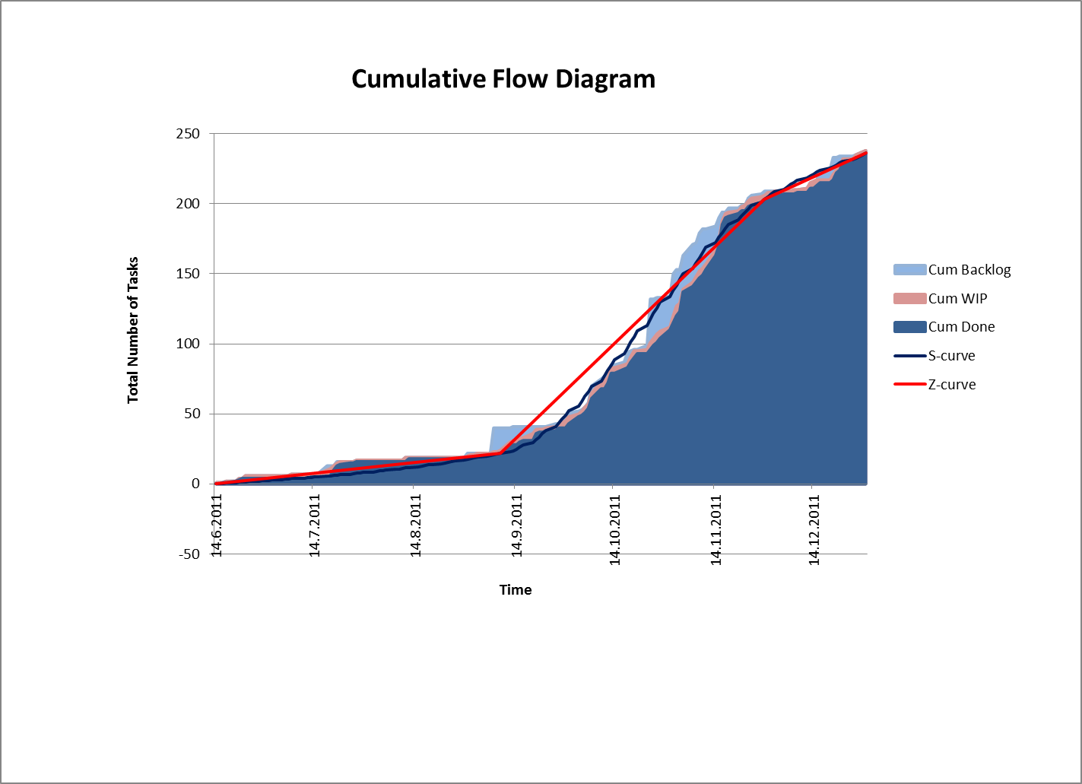
17 | 2011-09-09 | 1 | 3 | 0 | 4 | 8 | 32
18 | 2011-09-12 | 4 | 3 | 3 | 5 | 2 | 10
19 | 2011-09-13 | 2 | 1 | 1 | 6 | 1 | 6
20 | 2011-09-15 | 2 | 2 | 1 | 16 | 1 | 16
21 | 2011-09-16 | 1 | 1 | 0 | 19 | 1 | 19
22 | 2011-09-18 | 1 | 2 | 0 | 21 | 1 | 21
23 | 2011-09-20 | 5 | 2 | 4 | 77 | 238 | 199
24 | 2011-09-21 | 1 | 1 | 0
25 | 2011-09-23 | 1 | 2 | 0
26 | 2011-09-27 | 2 | 4 | 1
27 | 2011-09-30 | 3 | 3 | 2 | Project length | 199
28 | 2011-10-03 | 5 | 3 | 4 | Avg TH | 1.1959798995
29 | 2011-10-04 | 1 | 1 | 0 | Avg 1/TH | 0.83613445378
30 | 2011-10-05 | 2 | 1 | 1 | TT | 0.83613445378
31 | 2011-10-06 | 3 | 1 | 2 | TT 2nd leg Z-curve | 0.36645962733
32 | 2011-10-07 | 7 | 1 | 6 | TT 1st leg Z-curve | 2.4523809524
33 | 2011-10-10 | 7 | 3 | 6
34 | 2011-10-12 | 4 | 2 | 3
35 | 2011-10-13 | 7 | 1 | 6
36 | 2011-10-17 | 3 | 4 | 2
37 | 2011-10-18 | 1 | 1 | 0
38 | 2011-10-19 | 4 | 1 | 3
39 | 2011-10-20 | 3 | 1 | 2
40 | 2011-10-21 | 3 | 1 | 2
41 | 2011-10-25 | 3 | 4 | 2
42 | 2011-10-26 | 3 | 1 | 2
43 | 2011-10-27 | 2 | 1 | 1
44 | 2011-10-28 | 3 | 1 | 2
45 | 2011-10-31 | 6 | 3 | 5
46 | 2011-11-01 | 5 | 1 | 4
47 | 2011-11-02 | 5 | 1 | 4
48 | 2011-11-03 | 3 | 1 | 2
49 | 2011-11-04 | 14 | 1 | 13
50 | 2011-11-07 | 4 | 3 | 3
51 | 2011-11-08 | 3 | 1 | 2
52 | 2011-11-09 | 3 | 1 | 2
53 | 2011-11-10 | 2 | 1 | 1
54 | 2011-11-11 | 4 | 1 | 3
55 | 2011-11-14 | 10 | 3 | 9
56 | 2011-11-15 | 7 | 1 | 6
57 | 2011-11-16 | 15 | 1 | 14
58 | 2011-11-17 | 5 | 1 | 4
59 | 2011-11-18 | 1 | 1 | 0
60 | 2011-11-21 | 2 | 3 | 1
61 | 2011-11-22 | 2 | 1 | 1
62 | 2011-11-24 | 3 | 2 | 2
63 | 2011-11-25 | 1 | 1 | 0
64 | 2011-11-28 | 2 | 3 | 1
65 | 2011-11-29 | 2 | 1 | 1
66 | 2011-11-30 | 2 | 1 | 1
67 | 2011-12-05 | 2 | 5 | 1
68 | 2011-12-09 | 1 | 4 | 0
69 | 2011-12-13 | 3 | 4 | 2
70 | 2011-12-15 | 2 | 2 | 1
71 | 2011-12-16 | 2 | 1 | 1
72 | 2011-12-20 | 2 | 4 | 1
73 | 2011-12-21 | 5 | 1 | 4
74 | 2011-12-22 | 2 | 1 | 1
75 | 2011-12-23 | 5 | 1 | 4
76 | 2011-12-27 | 4 | 4 | 3
77 | 2011-12-29 | 2 | 2 | 1
78 | 2011-12-30 | 1 | 1 | 0
 |  | 238 | 199 | 160

Z-curve 1st leg Time simulation
 | Takt Time (days/work item) | Resampling | Scope (N) (work items) | Delivery time (T) (days) | Average Takt Time (TT) (days)
1 | 2 | 5 | 42 | 105 | 2.5
2 | 4 | 5
3 | 1 | 3
4 | 1 | 0 | # | Delivery time (T) | Average Takt Time (TT) | Delivery time (T) | Freq | PDF | CDF
5 | 21 | 0 |  | 102 |  | 34 | 1 | 0.10% | 0.10%
6 | 6 | 2 | 1 | 102 | 2.4285714286 | 53.9 | 38 | 3.80% | 3.90%
7 | 1 | 1 | 2 | 71 | 1.6904761905 | 73.8 | 125 | 12.50% | 16.40%
8 | 1 | 0 | 3 | 152 | 3.619047619 | 93.7 | 223 | 22.30% | 38.70%
9 | 1 | 0 | 4 | 147 | 3.5 | 113.6 | 223 | 22.30% | 61.00%
10 | 2 | 0 | 5 | 110 | 2.619047619 | 133.5 | 177 | 17.70% | 78.70%
11 | 1 | 0 | 6 | 81 | 1.9285714286 | 153.4 | 131 | 13.10% | 91.80%
12 | 2 | 2 | 7 | 76 | 1.8095238095 | 173.3 | 59 | 5.90% | 97.70%
13 | 16 | 0 | 8 | 63 | 1.5 | 193.2 | 18 | 1.80% | 99.50%
14 | 19 | 2 | 9 | 84 | 2 | 213.1 | 2 | 0.20% | 99.70%
15 | 5 | 0 | 10 | 44 | 1.0476190476 | 233 | 3 | 0.30% | 100.00%
16 | 1 | 2 | 11 | 52 | 1.2380952381
17 | 3 | 0 | 12 | 83 | 1.9761904762 | Median | 102.5
18 | 3 | 0 | 13 | 97 | 2.3095238095 | STD | 32.745110414
19 | 1 | 16 | 14 | 43 | 1.0238095238 | Average T | 105.912
20 | 2 | 2 | 15 | 156 | 3.7142857143 | 85 Perc | 141
21 | 1 | 1 | 16 | 129 | 3.0714285714 | 95 Perc | 160.95
22 | 2 | 0 | 17 | 78 | 1.8571428571 | Mode(s) | 88 | 96 | #N/A
23 | 2 | 0 | 18 | 94 | 2.2380952381 | SIP size | 1000
TT SIP for 1st leg
24 | 1 | 0 | 19 | 117 | 2.7857142857
25 | 2 | 1 | 20 | 70 | 1.6666666667
26 | 4 | 0 | 21 | 113 | 2.6904761905 | Average Takt Time (TT) | Freq | PDF | CDF
27 | 0 | 0 | 22 | 107 | 2.5476190476 | 0.81 | 1 | 0.10% | 0.10%
28 | 0 | 21 | 23 | 103 | 2.4523809524 | 1.28 | 38 | 3.80% | 3.90%
29 | 0 | 0 | 24 | 118 | 2.8095238095 | 1.76 | 125 | 12.50% | 16.40%
30 | 0 | 6 | 25 | 102 | 2.4285714286 | 2.23 | 223 | 22.30% | 38.70%
31 | 0 | 0 | 26 | 113 | 2.6904761905 | 2.70 | 223 | 22.30% | 61.00%
32 | 0 | 1 | 27 | 85 | 2.0238095238 | 3.18 | 177 | 17.70% | 78.70%
33 | 0 | 16 | 28 | 135 | 3.2142857143 | 3.65 | 131 | 13.10% | 91.80%
34 | 0 | 4 | 29 | 145 | 3.4523809524 | 4.13 | 59 | 5.90% | 97.70%
35 | 0 | 0 | 30 | 117 | 2.7857142857 | 4.60 | 18 | 1.80% | 99.50%
36 | 0 | 0 | 31 | 88 | 2.0952380952 | 5.07 | 2 | 0.20% | 99.70%
37 | 0 | 2 | 32 | 85 | 2.0238095238 | 5.55 | 3 | 0.30% | 100.00%
38 | 0 | 2 | 33 | 100 | 2.380952381
39 | 0 | 0 | 34 | 81 | 1.9285714286 | Median | 2.4404761905
40 | 0 | 4 | 35 | 81 | 1.9285714286 | STD | 0.77964548604
41 | 0 | 3 | 36 | 149 | 3.5476190476 | Average TT | 2.5217142857
42 | 0 | 1 | 37 | 60 | 1.4285714286 | 85 Perc | 3.3571428571
 | 105 |  | 38 | 86 | 2.0476190476 | 95 Perc | 3.8321428571
 |  |  | 39 | 76 | 1.8095238095 | Mode(s) | 2.0952380952 | 2.2857142857 | #N/A | #N/A
 |  |  | 40 | 90 | 2.1428571429 | SIP size | 1000
 |  |  | 41 | 144 | 3.4285714286
 |  |  | 42 | 173 | 4.119047619
 |  |  | 43 | 104 | 2.4761904762
 |  |  | 44 | 73 | 1.7380952381
 |  |  | 45 | 80 | 1.9047619048
 |  |  | 46 | 156 | 3.7142857143
 |  |  | 47 | 149 | 3.5476190476
 |  |  | 48 | 136 | 3.2380952381
 |  |  | 49 | 120 | 2.8571428571
 |  |  | 50 | 104 | 2.4761904762
 |  |  | 51 | 112 | 2.6666666667
 |  |  | 52 | 60 | 1.4285714286
 |  |  | 53 | 101 | 2.4047619048
 |  |  | 54 | 77 | 1.8333333333
 |  |  | 55 | 155 | 3.6904761905
 |  |  | 56 | 73 | 1.7380952381
 |  |  | 57 | 107 | 2.5476190476
 |  |  | 58 | 54 | 1.2857142857
 |  |  | 59 | 117 | 2.7857142857
 |  |  | 60 | 110 | 2.619047619
 |  |  | 61 | 169 | 4.0238095238
 |  |  | 62 | 82 | 1.9523809524
 |  |  | 63 | 64 | 1.5238095238
 |  |  | 64 | 64 | 1.5238095238
 |  |  | 65 | 91 | 2.1666666667
 |  |  | 66 | 124 | 2.9523809524
 |  |  | 67 | 91 | 2.1666666667
 |  |  | 68 | 97 | 2.3095238095
 |  |  | 69 | 105 | 2.5
 |  |  | 70 | 77 | 1.8333333333
 |  |  | 71 | 91 | 2.1666666667
 |  |  | 72 | 66 | 1.5714285714
 |  |  | 73 | 122 | 2.9047619048
 |  |  | 74 | 121 | 2.880952381
 |  |  | 75 | 162 | 3.8571428571
 |  |  | 76 | 100 | 2.380952381
 |  |  | 77 | 72 | 1.7142857143
 |  |  | 78 | 130 | 3.0952380952
 |  |  | 79 | 109 | 2.5952380952
 |  |  | 80 | 127 | 3.0238095238
 |  |  | 81 | 113 | 2.6904761905
 |  |  | 82 | 96 | 2.2857142857
 |  |  | 83 | 209 | 4.9761904762
 |  |  | 84 | 73 | 1.7380952381
 |  |  | 85 | 158 | 3.7619047619
 |  |  | 86 | 111 | 2.6428571429
 |  |  | 87 | 86 | 2.0476190476
 |  |  | 88 | 88 | 2.0952380952
 |  |  | 89 | 92 | 2.1904761905
 |  |  | 90 | 122 | 2.9047619048
 |  |  | 91 | 128 | 3.0476190476
 |  |  | 92 | 118 | 2.8095238095
 |  |  | 93 | 44 | 1.0476190476
 |  |  | 94 | 76 | 1.8095238095
 |  |  | 95 | 85 | 2.0238095238
 |  |  | 96 | 56 | 1.3333333333
 |  |  | 97 | 96 | 2.2857142857
 |  |  | 98 | 121 | 2.880952381
 |  |  | 99 | 83 | 1.9761904762
 |  |  | 100 | 122 | 2.9047619048
 |  |  | 101 | 95 | 2.2619047619
 |  |  | 102 | 137 | 3.2619047619
 |  |  | 103 | 109 | 2.5952380952
 |  |  | 104 | 101 | 2.4047619048
 |  |  | 105 | 139 | 3.3095238095
 |  |  | 106 | 59 | 1.4047619048
 |  |  | 107 | 101 | 2.4047619048
 |  |  | 108 | 115 | 2.7380952381
 |  |  | 109 | 78 | 1.8571428571
 |  |  | 110 | 138 | 3.2857142857
 |  |  | 111 | 61 | 1.4523809524
 |  |  | 112 | 111 | 2.6428571429
 |  |  | 113 | 49 | 1.1666666667
 |  |  | 114 | 149 | 3.5476190476
 |  |  | 115 | 150 | 3.5714285714
 |  |  | 116 | 80 | 1.9047619048
 |  |  | 117 | 137 | 3.2619047619
 |  |  | 118 | 51 | 1.2142857143
 |  |  | 119 | 136 | 3.2380952381
 |  |  | 120 | 96 | 2.2857142857
 |  |  | 121 | 121 | 2.880952381
 |  |  | 122 | 69 | 1.6428571429
 |  |  | 123 | 122 | 2.9047619048
 |  |  | 124 | 134 | 3.1904761905
 |  |  | 125 | 102 | 2.4285714286
 |  |  | 126 | 65 | 1.5476190476
 |  |  | 127 | 70 | 1.6666666667
...

Z-curve 2nd leg Time simulation
...
Delivery time (T) | Freq | PDF | CDF
29 | 1 | 0.10% | 0.10%
36.1 | 4 | 0.40% | 0.50%
43.2 | 22 | 2.20% | 2.70%
50.3 | 111 | 11.10% | 13.80%
57.4 | 215 | 21.50% | 35.30%
64.5 | 273 | 27.30% | 62.60%
71.6 | 203 | 20.30% | 82.90%
78.7 | 109 | 10.90% | 93.80%
85.8 | 48 | 4.80% | 98.60%
92.9 | 13 | 1.30% | 99.90%
100 | 1 | 0.10% | 100.00%
...
Median | 61
STD | 10.414243323
Average T | 61.744
85 Perc | 73
95 Perc | 80
Mode(s) | 62
SIP size | 1000
...
Average Takt Time (TT) | Freq | PDF | CDF
0.18 | 1 | 0.10% | 0.10%
0.22 | 4 | 0.40% | 0.50%
0.27 | 22 | 2.20% | 2.70%
0.31 | 111 | 11.10% | 13.80%
0.36 | 215 | 21.50% | 35.30%
0.40 | 273 | 27.30% | 62.60%
0.44 | 203 | 20.30% | 82.90%
0.49 | 109 | 10.90% | 93.80%
0.53 | 48 | 4.80% | 98.60%
0.58 | 13 | 1.30% | 99.90%
0.62 | 1 | 0.10% | 100.00%
...
Median | 0.37888198758
STD | 0.064684741139
Average TT | 0.38350310559
85 Perc | 0.45341614907
95 Perc | 0.49689440994
Mode(s) | 0.3850931677
SIP size | 1000
...

Z-curve 3rd leg Time simulation
...
Delivery time (T) | Freq | PDF | CDF
9 | 3 | 0.30% | 0.30%
14.6 | 19 | 1.90% | 2.20%
20.2 | 81 | 8.10% | 10.30%
25.8 | 152 | 15.20% | 25.50%
31.4 | 268 | 26.80% | 52.30%
37 | 241 | 24.10% | 76.40%
42.6 | 124 | 12.40% | 88.80%
48.2 | 80 | 8.00% | 96.80%
53.8 | 24 | 2.40% | 99.20%
59.4 | 6 | 0.60% | 99.80%
65 | 2 | 0.20% | 100.00%
...
Median | 31
STD | 8.8622922543
Average T | 31.424
85 Perc | 40
95 Perc | 46.95
Mode(s) | 30 | 30 | 30
SIP size | 1000
...
Average Takt Time (TT) | Freq | PDF | CDF
0.26 | 3 | 0.30% | 0.30%
0.42 | 19 | 1.90% | 2.20%
0.58 | 81 | 8.10% | 10.30%
0.74 | 152 | 15.20% | 25.50%
0.90 | 268 | 26.80% | 52.30%
1.06 | 241 | 24.10% | 76.40%
1.22 | 124 | 12.40% | 88.80%
1.38 | 80 | 8.00% | 96.80%
1.54 | 24 | 2.40% | 99.20%
1.70 | 6 | 0.60% | 99.80%
1.86 | 2 | 0.20% | 100.00%
...
Median | 0.88571428571
STD | 0.25320835012
Average TT | 0.89782857143
85 Perc | 1.1428571429
95 Perc | 1.3414285714
Mode(s) | 0.85714285714 | 0.85714285714 | 0.85714285714 | 0.85714285714
SIP size | 1000
...

