connections
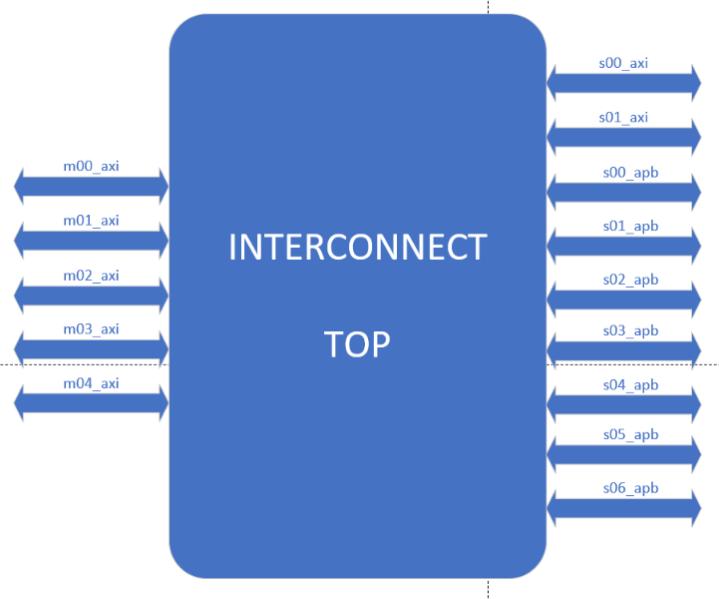
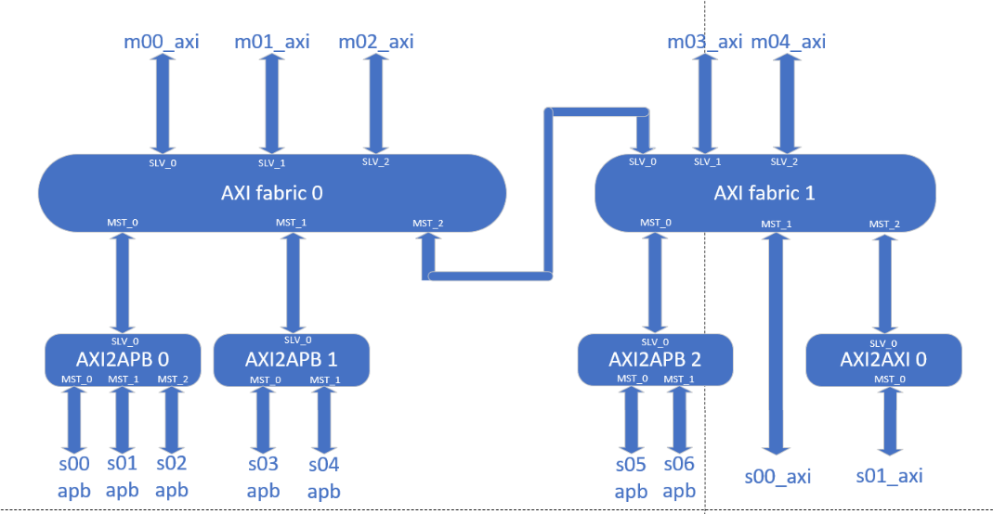
NOC list | Master | Slave | Master | Slave | Master | Slave
AXI_fabric_0 | m00_axi | axi0_to_apb0 | axi0_to_apb0 | s00_apb | axi0_to_apb1 | s05_apb
axi2apb_0 | m01_axi | axi0_to_apb1 | m03_axi | s01_apb |  | s06_apb
axi2apb_1 | m02_axi |  | m04_axi | s02_apb |  | s07_apb
 |  |  |  | s03_apb |  | s08_apb
 |  |  |  | s04_apb |  | s09_apb

