connections
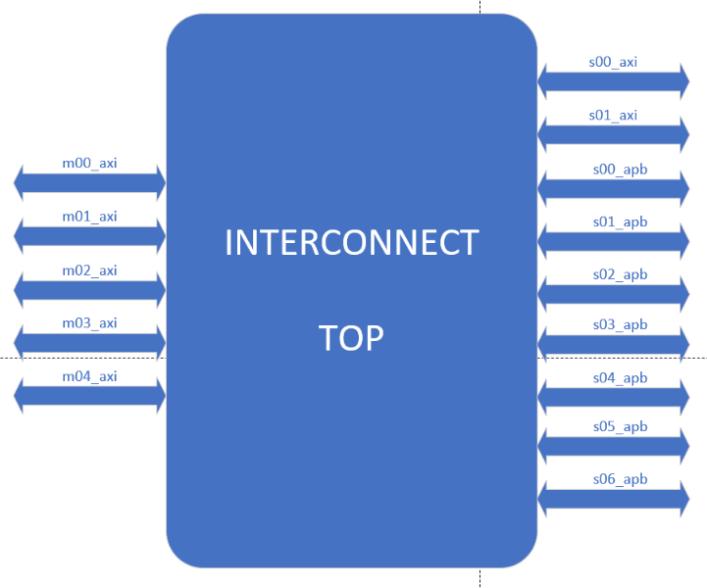
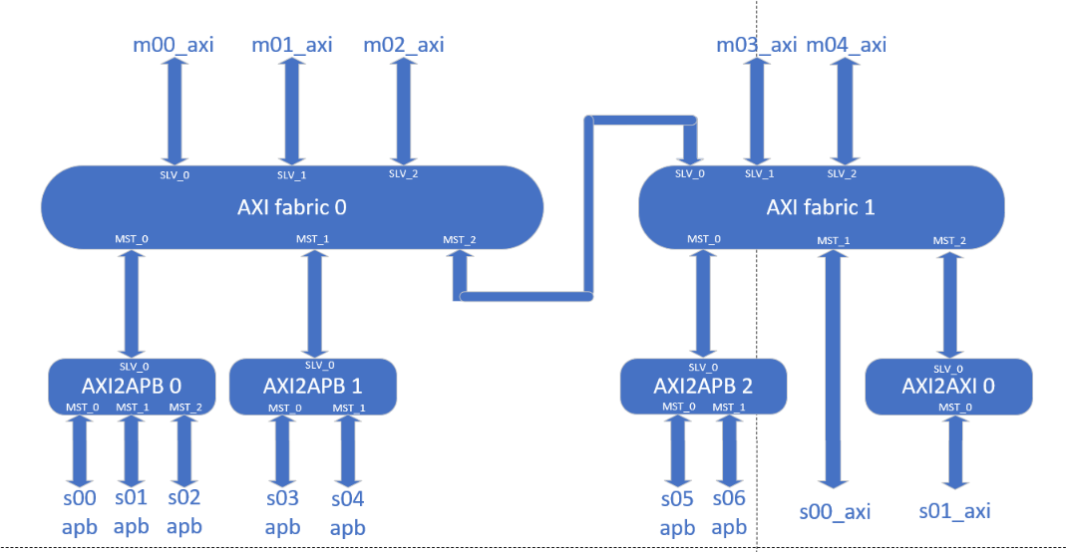
NOC list | Master | Slave | Master | Slave | Master | Slave | Master | Slave | Master | Slave | Master | Slave | Master | Slave
AXI_fabric_0 | m00_axi | axi0_to_apb0 | axi0_to_axi1 | axi1_to_abp2 | axi0_to_apb0 | s00_apb | axi0_to_apb1 | s03_apb | axi1_to_abp2 | s05_apb | axi1_to_axi2axi_0 | s01_axi | axi1_to_axi2axi_lite_0 | s00_axi_lite
AXI_fabric_1 | m01_axi | axi0_to_apb1 | m03_axi | axi1_to_axi2axi_lite_0 |  | s01_apb |  | s04_apb |  | s06_apb
axi2apb_0 |  | axi0_to_axi1 | m04_axi | axi1_to_axi2axi_0 |  | s02_apb
axi2apb_1
axi2apb_2
axi2axi_0
axi2axi_lite_0

