Weather Condition
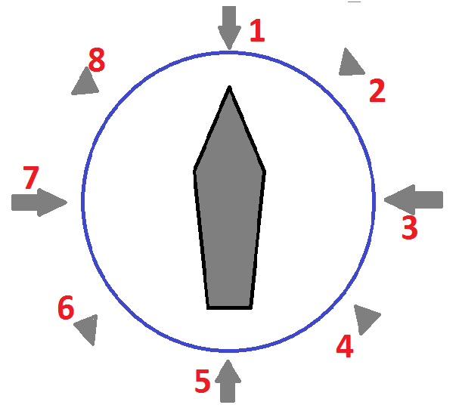
← Definition of Relative Direction (*) | WIND |  |  | CURRENT |  |  | WAVE caused by wind |  |  | SWELL |  |  | GWD
Date | Bft scale | Direction | Relative Dir (*) | Speed (kn) | Direction | Relative Dir (*) | Height (m) | Direction | Relative Dir (*) | Height (m) | Direction | Relative Dir (*) | Yes / No | Remarks
2015-08-03 |  |  |  |  |  |  |  |  |  |  |  |  |  | Departure Report
2015-08-04 | 6 | SSE | 4 | 0.5 | N | 1 | 3 | SSE | 4 | 2 | SSE | 4
2015-08-05 | 4 | NE | 2 | 0.5 | NE | 2 | 1 | NE | 2 | 1 | SW | 6 |  | GALE
2015-08-06 | 6 | E | 3 | 0.5 | NE | 2 | 3 | E | 3 | 2 | SE | 4 |  | GALE
2015-08-07 | 7 | ESE | 3 | 0.5 | NNE | 2 | 4 | ESE | 3 | 3.5 | SE | 4 |  | Vsl Rolling-Pitching
2015-08-08 | 6 | ESE | 3 | 0.5 | NW | 8 | 3 | ESE | 3 | 3.5 | SE | 4 |  | Vsl Rolling-Pitching
2015-08-09 | 6 | SE | 4 | 0.5 | SE | 4 | 3 | SE | 4 | 4 | SW | 6 |  | Vsl Rolling-Pitching
2015-08-10 | 5 | SE | 4 | 1 | WNW | 8 | 2 | SE | 8 | 2 | SW | 6
2015-08-11 | 5 | S | 5 | 1 | N | 1 | 2 | S | 5 | 2.5 | S | 5

