Weather Condition
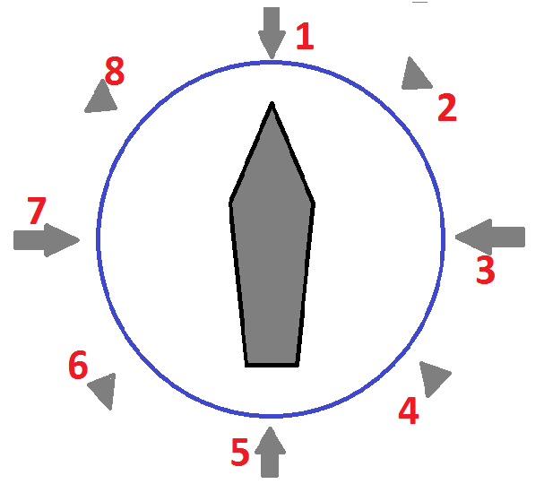
← Definition of Relative Direction (*) |  | WIND |  |  | CURRENT |  |  | WAVE caused by wind |  |  | SWELL |  |  | GWD
Date | Time | Bft scale | Direction | Relative Dir (*) | Speed (kn) | Direction | Relative Dir (*) | Height (m) | Direction | Relative Dir (*) | Height (m) | Direction | Relative Dir (*) | Yes / No | Remarks
2015-11-17 | 4:30:00 |  |  |  |  |  |  |  |  |  |  |  |  |  | Departure Report
2015-11-17 | 12:00:00 | 4 | SW | 7 | 1 | SE | 1 | 1 | SW | 7 | 1.25 | SW | 7
2015-11-18 | 12:00:00 | 4 | NE | 3 | 0.5 | N | 5 | 1 | NE | 3 | 1.5 | NE | 3
2015-11-19 | 12:00:00 | 4 | NE | 3 | 0.5 | N | 5 | 1 | NE | 3 | 0.75 | NE | 3 | Yes
2015-11-20 | 12:00:00 | 5 | NE | 3 | 0.5 | N | 5 | 2 | NE | 3 | 1.25 | NE | 3
2015-11-21 | 12:00:00 | 5 | NNE | 1 | 0.5 | SSW | 1 | 1 | NNE | 1 | 0.75 | NNE | 1
2015-11-21 | 13:30:00 | 5 | NNE | 1 | 0.5 | SSW | 1 | 1 | NNE | 1 | 0.75 | NNE | 1
2015-11-21 | 16:00:00
2015-11-22 | 12:00:00
2015-11-23 | 12:00:00
2015-11-24 | 12:00:00
2015-11-25 | 8:30:00
2015-11-25 | 12:00:00
2015-11-25 | 13:30:00
2015-11-26 | 12:00:00
2015-11-27 | 12:00:00
2015-11-28 | 12:00:00
2015-11-29 | 12:00:00
2015-11-30 | 12:00:00
2015-12-01 | 12:00:00
2015-12-02 | 12:00:00

 |  | 1 | 1 | 1 | 1 | 1 | 1 | 1 | 1 | 1 | 1 | 1 | 1 | 1 | 1

