Weather Condition
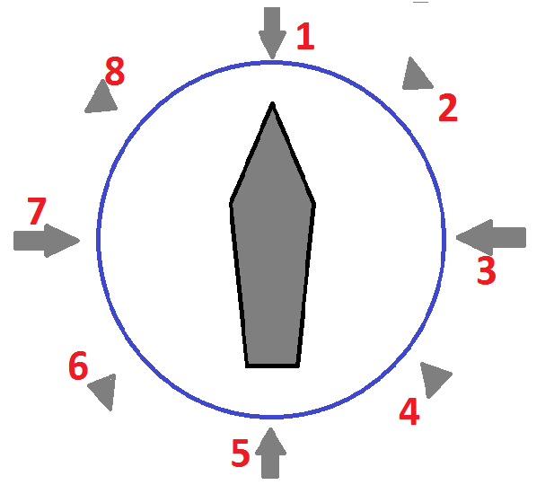
← Definition of Relative Direction (*) |  | WIND |  |  | CURRENT |  |  | WAVE caused by wind |  |  | SWELL |  |  | GWD
Local Date | Local Time | Bft scale | Direction | Relative Dir (*) | Speed (kn) | Direction | Relative Dir (*) | Height (m) | Direction | Relative Dir (*) | Height (m) | Direction | Relative Dir (*) | Yes / No | Remarks
2015-12-24 | 18:30:00 |  |  |  |  |  |  |  |  |  |  |  |  |  | Departure Report
2015-12-25 | 12:00:00 | 4 | NW | 8 | 0 |  |  | 1 | NW | 8 | 0 |  |  | Yes
2015-12-26 | 12:00:00 | 5 | NNE | 2 | 0.5 | SE | 8 | 2 | NNE | 2 | 2 | NE | 2
2015-12-27 | 12:00:00 | 5 | NE | 1 | 0.5 | NE | 5 | 2 | NE | 1 | 2 | ENE | 2
2015-12-28 | 12:00:00 | 6 | NE | 2 | 0.5 | W | 3 | 2 | NE | 2 | 3 | N | 8
2015-12-29 | 12:00:00 | 7 | NE | 1 | 0.5 | W | 3 | 3 | NE | 1 | 3 | NNE | 8

 |  | 1 | 1 | 1 | 1 | 1 | 1 | 1 | 1 | 1 | 1 | 1 | 1 | 1 | 1

