LTO
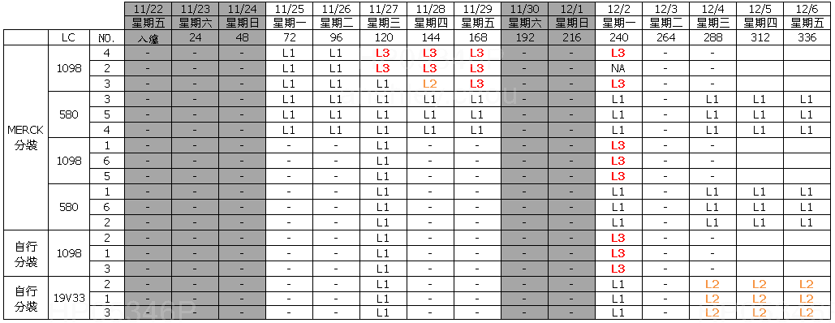
項目 | LC | PI | Sealant | LTO result (有黑屏: NG) | Measure condition (Bulk/Test Cell) | Measure condition (SLV%, Fresh=100%) | Measure condition (Jar test add on Sealant) | Measure condition (℃) | Vender | File source
LTO | SLC19V33 | N.A. | N.A. | N.A. | Bulk | 100% | 723K1M | -20 | Slichem | 6512_19V33_LTS-40_20200902.xlsx
LTO | SLC19V33 | N.A. | N.A. | N.A. | Bulk | 100% | 723K1M | -30 | Slichem | 6512_19V33_LTS-40_20200902.xlsx
LTO | SLC19V33 | N.A. | N.A. | N.A. | Bulk | 100% | 723K1M | -40 | Slichem | 6512_19V33_LTS-40_20200902.xlsx
LTO | SLC19V33 | SE-7492 | XN-5490H | Pass | Test Cell | 100% | 723K1M | -30 | Slichem | 6512_19V33_LTS-40_20200902.xlsx
LTO | SLC19V33 | SE-7492 | XN-5490H | Pass | Test Cell | 100% | 723K1M | -40 | Slichem | 6512_19V33_LTS-40_20200902.xlsx
LTO | SLC19V33 | SE-7492 | XN-5490H | Pass | Test Cell | 100% | 723K1M | -50 | Slichem | 6512_19V33_LTS-40_20200902.xlsx
LTO | LCT-15-1098 | N.A. | N.A. | N.A. | Bulk | 100% | 723K1M | -20 | Slichem | 6512_19V33_LTS-40_20200902.xlsx
LTO | LCT-15-1098 | N.A. | N.A. | N.A. | Bulk | 100% | 723K1M | -30 | Slichem | 6512_19V33_LTS-40_20200902.xlsx
LTO | LCT-15-1098 | N.A. | N.A. | N.A. | Bulk | 100% | 723K1M | -40 | Slichem | 6512_19V33_LTS-40_20200902.xlsx
LTO | LCT-15-1098 | SE-7492 | XN-5490H | N.A. | Test Cell | 100% | 723K1M | -30 | Slichem | 6512_19V33_LTS-40_20200902.xlsx
LTO | LCT-15-1098 | SE-7492 | XN-5490H | N.A. | Test Cell | 100% | 723K1M | -40 | Slichem | 6512_19V33_LTS-40_20200902.xlsx
LTO | LCT-15-1098 | SE-7492 | XN-5490H | N.A. | Test Cell | 100% | 723K1M | -50 | Slichem | 6512_19V33_LTS-40_20200902.xlsx
LTO | SLC19V33 | N.A. | N.A. | N.A. | Bulk | 95% | N.A. | -20 | Slichem | 6512_19V33_LTS-40_20200902.xlsx
LTO | SLC19V33 | N.A. | N.A. | N.A. | Bulk | 95% | N.A. | -30 | Slichem | 6512_19V33_LTS-40_20200902.xlsx
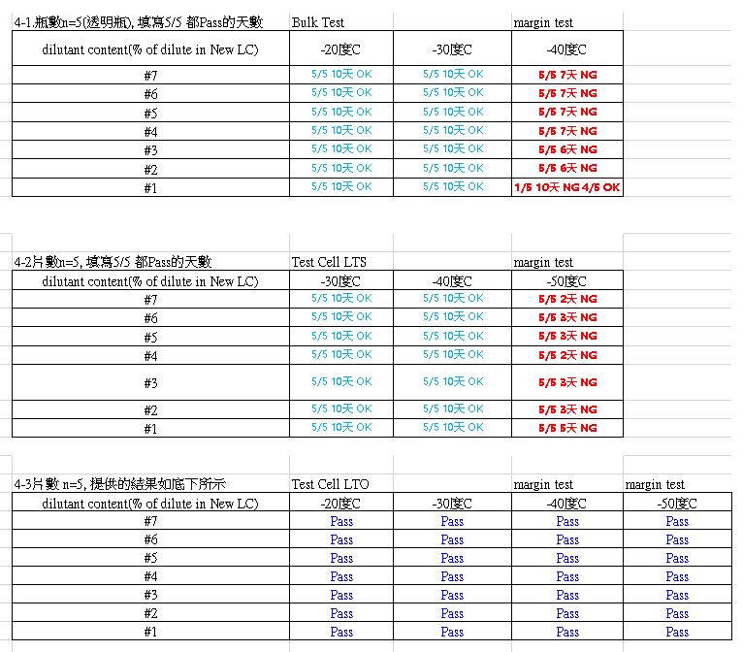
LTO | SLC19V33 | N.A. | N.A. | N.A. | Bulk | 95% | N.A. | -40 | Slichem | 6512_19V33_LTS-40_20200902.xlsx
LTO | SLC19V33 | SE-7492 | XN-5490H | Pass | Test Cell | 95% | N.A. | -30 | Slichem | 6512_19V33_LTS-40_20200902.xlsx
LTO | SLC19V33 | SE-7492 | XN-5490H | Pass | Test Cell | 95% | N.A. | -40 | Slichem | 6512_19V33_LTS-40_20200902.xlsx
LTO | SLC19V33 | SE-7492 | XN-5490H | Pass | Test Cell | 95% | N.A. | -50 | Slichem | 6512_19V33_LTS-40_20200902.xlsx
LTO | SLC19V33 | N.A. | N.A. | N.A. | Bulk | 90% | N.A. | -20 | Slichem | 6512_19V33_LTS-40_20200902.xlsx
LTO | SLC19V33 | N.A. | N.A. | N.A. | Bulk | 90% | N.A. | -30 | Slichem | 6512_19V33_LTS-40_20200902.xlsx
LTO | SLC19V33 | N.A. | N.A. | N.A. | Bulk | 90% | N.A. | -40 | Slichem | 6512_19V33_LTS-40_20200902.xlsx
LTO | SLC19V33 | SE-7492 | XN-5490H | Pass | Test Cell | 90% | N.A. | -30 | Slichem | 6512_19V33_LTS-40_20200902.xlsx
LTO | SLC19V33 | SE-7492 | XN-5490H | Pass | Test Cell | 90% | N.A. | -40 | Slichem | 6512_19V33_LTS-40_20200902.xlsx
LTO | SLC19V33 | SE-7492 | XN-5490H | Pass | Test Cell | 90% | N.A. | -50 | Slichem | 6512_19V33_LTS-40_20200902.xlsx
LTO | SLC19V33 | N.A. | N.A. | N.A. | Bulk | 85% | N.A. | -20 | Slichem | 6512_19V33_LTS-40_20200902.xlsx
LTO | SLC19V33 | N.A. | N.A. | N.A. | Bulk | 85% | N.A. | -30 | Slichem | 6512_19V33_LTS-40_20200902.xlsx
LTO | SLC19V33 | N.A. | N.A. | N.A. | Bulk | 85% | N.A. | -40 | Slichem | 6512_19V33_LTS-40_20200902.xlsx
LTO | SLC19V33 | SE-7492 | XN-5490H | Pass | Test Cell | 85% | N.A. | -30 | Slichem | 6512_19V33_LTS-40_20200902.xlsx
LTO | SLC19V33 | SE-7492 | XN-5490H | Pass | Test Cell | 85% | N.A. | -40 | Slichem | 6512_19V33_LTS-40_20200902.xlsx
LTO | SLC19V33 | SE-7492 | XN-5490H | Pass | Test Cell | 85% | N.A. | -50 | Slichem | 6512_19V33_LTS-40_20200902.xlsx
LTO | LCT-15-1098 | N.A. | N.A. | N.A. | Bulk | 100% | N.A. | -30 | INX | Bulk LTS.xlsx
LTO | LCT-19-580 | N.A. | N.A. | N.A. | Bulk | 100% | N.A. | -30 | INX | Bulk LTS.xlsx
LTO | SLC19V33 | N.A. | N.A. | N.A. | Bulk | 100% | N.A. | -30 | INX | Bulk LTS.xlsx

