Adhesion
項目 | LC | PI | Seal | Y軸數值 | Unit | Measure condition: Adhesion介面(T/C) | Measure condition: 測試手法 | Remark:Peeling介面(T/C) | Vender | File source | Batch
Adhesion | N.A. | RB005 | 723K1M | 0.8 | kgw | PI/PI | 十字法5mm/min 雙PI--積水STD | Seal/Seal & PI/Seal peeling | 積水 | 210319_INX_TR1 (S-NP07)_No.22,23 PCT Peeling mode追記_SNP07, K1M, 7142T, 005, 109U, 205.1 | Test
Adhesion | N.A. | RB005 | 7142T | 3.4 | kgw | PI/PI | 十字法5mm/min 雙PI--積水STD | Seal/Seal & PI/Seal peeling | 積水 | 210319_INX_TR1 (S-NP07)_No.22,23 PCT Peeling mode追記_SNP07, K1M, 7142T, 005, 109U, 205.1 | Test
Adhesion | N.A. | RB205 | 723K1M | 0.6 | kgw | PI/PI | 十字法5mm/min 雙PI--積水STD | PI/Seal peeling | 積水 | 210319_INX_TR1 (S-NP07)_No.22,23 PCT Peeling mode追記_SNP07, K1M, 7142T, 005, 109U, 205.1 | Test
Adhesion | N.A. | RB205 | 7142T | 1.1 | kgw | PI/PI | 十字法5mm/min 雙PI--積水STD | PI/Seal peeling | 積水 | 210319_INX_TR1 (S-NP07)_No.22,23 PCT Peeling mode追記_SNP07, K1M, 7142T, 005, 109U, 205.1 | Test
Adhesion | N.A. | RB005 | 723K1M | 15.8 | kgw | PI/PI | 協立法 雙PI --協立STD | PI/Seal peeling | 協立 | 200427_ODF_INL北_723K1M、7142T_新PI接著方式(中文) | Test
Adhesion | N.A. | RB005 | 7142T | 19.6 | kgw | PI/PI | 協立法 雙PI --協立STD | Seal/Seal peeling | 協立 | 200427_ODF_INL北_723K1M、7142T_新PI接著方式(中文) | Test
Adhesion | N.A. | RB205 | 723K1M | 3.6 | kgw | PI/PI | 協立法 雙PI --協立STD | PI/Seal peeling | 協立 | 200427_ODF_INL北_723K1M、7142T_新PI接著方式(中文) | Test
Adhesion | N.A. | RB205 | 7142T | 4.2 | kgw | PI/PI | 協立法 雙PI --協立STD | PI/Seal peeling | 協立 | 200427_ODF_INL北_723K1M、7142T_新PI接著方式(中文) | Test
Adhesion | N.A. | RB005 | 723K1M | 1.51 | kgw | PI/PI | 十字法5mm/min--三井STD | T.B.D | 三井 | 200421_Adheisve Strenght to PI | Test
Adhesion | N.A. | RB005 | 7142T | 2.01 | kgw | PI/PI | 十字法5mm/min--三井STD | T.B.D | 三井 | 200421_Adheisve Strenght to PI | Test
Adhesion | N.A. | RB005 | V386 | 2.51 | kgw | PI/PI | 十字法5mm/min--三井STD | T.B.D | 三井 | 200421_Adheisve Strenght to PI | Test
Adhesion | N.A. | RB205 | 723K1M | 0.59 | kgw | PI/PI | 十字法5mm/min--三井STD | T.B.D | 三井 | 200421_Adheisve Strenght to PI | Test
Adhesion | N.A. | RB205 | 7142T | 1.23 | kgw | PI/PI | 十字法5mm/min--三井STD | T.B.D | 三井 | 200421_Adheisve Strenght to PI | Test
Adhesion | N.A. | RB205 | V386 | 1.82 | kgw | PI/PI | 十字法5mm/min--三井STD | T.B.D | 三井 | 200421_Adheisve Strenght to PI | Test
Adhesion | N.A. | RB005 | V386 | 8 | kgw | PI/PI | 十字法-雙PI-日產 | Seal/Seal peeling | Nissan | 210416 | Test
Adhesion | N.A. | RB205 | V386 | 5.9 | kgw | PI/PI | 十字法-雙PI-日產 | PI/Seal peeling | Nissan | 210416 | Test
Adhesion | N.A. | RB005 | 723K1M | 7.7 | kgw | PI/PI | 十字法-雙PI-日產 | Seal/Seal peeling | Nissan | 210416 | Test
Adhesion | N.A. | RB205 | 723K1M | 1.2 | kgw | PI/PI | 十字法-雙PI-日產 | PI/Seal peeling | Nissan | 210416 | Test
Adhesion | N.A. | RB005 | 7142T | 7.6 | kgw | PI/PI | 十字法-雙PI-日產 | Seal/Seal peeling | Nissan | 210416 | Test
Adhesion | N.A. | RB205 | 7142T | 6.3 | kgw | PI/PI | 十字法-雙PI-日產 | PI/Seal peeling | Nissan | 210416 | Test
Adhesion | N.A. | RB005 | S-NP07 | 7.4 | kgw | PI/PI | 十字法-雙PI-日產 | Seal/Seal peeling | Nissan | 210416 | Test
Adhesion | N.A. | RB205 | S-NP07 | 7.8 | kgw | PI/PI | 十字法-雙PI-日產 | PI/Seal peeling | Nissan | 210416 | Test
Adhesion | N.A. | RB005 | 723K1M | 0.93 | kgw | PI/PI | 十字法-雙PI-CMC | PI/Glass peeling | CMC | 20201208 | Test
Adhesion | N.A. | RB205 | 723K1M | 0.71 | kgw | PI/PI | 十字法-雙PI-CMC | PI/Seal peeling | CMC | 20201208 | Test
Adhesion | N.A. | RB005 | V386 | 1.2 | kgw | PI/PI | 十字法-雙PI-CMC | Seal/Seal peeling | CMC | 20201208 | Test
Adhesion | N.A. | RB205 | V386 | 0.91 | kgw | PI/PI | 十字法-雙PI-CMC | PI/Seal peeling | CMC | 20201208 | Test
Adhesion | N.A. | RB005 | 723K1M | 28.33 | kgw | PI/PI | 2211, 膠寬 1000um | Seal/Seal peeling | INX | SNP07 TR1&TR2 Report | Test
Adhesion | N.A. | RB005 | S-NP07 | 29.67 | kgw | PI/PI | 2211, 膠寬 1000um | Seal/Seal peeling | INX | SNP07 TR1&TR2 Report | Test
Adhesion | N.A. | RB005 | 7142T | 32.75 | kgw | PI/PI | 2211, 膠寬 1000um | Seal/Seal peeling | INX | SNP07 TR1&TR2 Report | Test
規格 : >28.33
Adhesion | N.A. | RB005 | V386 | 27.58 | kgw | PI/PI | 2211, 膠寬 1000um | Seal/Seal peeling | INX | SNP07 TR1&TR2 Report | Test
Adhesion | N.A. | RB205 | 723K1M | 7.81 | kgw | PI/PI | 2211, 膠寬 1000um | PI/Seal peeling | INX | SNP07 TR1&TR2 Report | Test
Adhesion | N.A. | RB205 | S-NP07 | 18.76 | kgw | PI/PI | 2211, 膠寬 1000um | PI/Seal peeling | INX | SNP07 TR1&TR2 Report | Test
Adhesion | N.A. | RB205 | V386 | 13.23 | kgw | PI/PI | 2211, 膠寬 1000um | PI/Seal peeling | INX | SNP07 TR1&TR2 Report | Test
Adhesion | N.A. | RB005 | 7142T | 27.59 | kgw | PI/PI | 九宮格, 膠寬 1000um | PI/Seal peeling | INX | SUR-747 TR1&TR2 Report | Test
Adhesion | N.A. | RB005 | SUR-747(UV) | 19.88 | kgw | PI/PI | 九宮格, 膠寬 1000um | PI/Seal peeling | INX | SUR-747 TR1&TR2 Report | Test
Adhesion | N.A. | RB005 | SUR-747 | 21.78 | kgw | PI/PI | 九宮格, 膠寬 1000um | PI/Seal peeling | INX | SUR-747 TR1&TR2 Report | Test
Adhesion | N.A. | RB005 | SUR-748 | 21.94 | kgw | PI/PI | 九宮格, 膠寬 1000um | PI/Seal peeling | INX | SUR-747 TR1&TR2 Report | Test

LTO
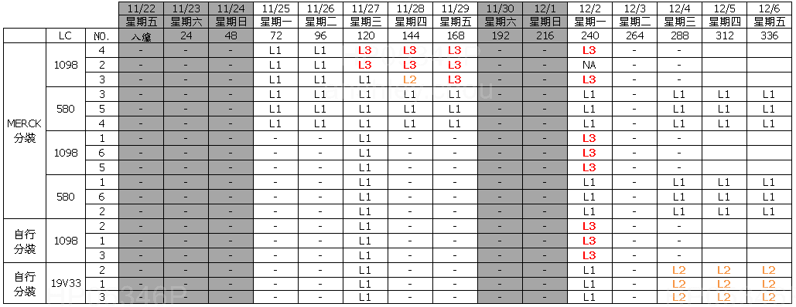

項目 | LC | PI | Sealant | LTO result (有黑屏: NG) | Measure condition (Bulk/Test Cell) | Measure condition (SLV%, Fresh=100%) | Measure condition (Jar test add on Sealant) | Measure condition (℃) | Vender | File source | Batch
LTO | SLC19V33 | N.A. | N.A. | N.A. | Bulk | 100% | 723K1M | -20 | Slichem | 6512_19V33_LTS-40_20200902.xlsx | Test
LTO | SLC19V33 | N.A. | N.A. | N.A. | Bulk | 100% | 723K1M | -30 | Slichem | 6512_19V33_LTS-40_20200902.xlsx | Test
LTO | SLC19V33 | N.A. | N.A. | N.A. | Bulk | 100% | 723K1M | -40 | Slichem | 6512_19V33_LTS-40_20200902.xlsx | Test
LTO | SLC19V33 | SE-7492 | XN-5490H | Pass | Test Cell | 100% | 723K1M | -30 | Slichem | 6512_19V33_LTS-40_20200902.xlsx | Test
LTO | SLC19V33 | SE-7492 | XN-5490H | Pass | Test Cell | 100% | 723K1M | -40 | Slichem | 6512_19V33_LTS-40_20200902.xlsx | Test
LTO | SLC19V33 | SE-7492 | XN-5490H | Pass | Test Cell | 100% | 723K1M | -50 | Slichem | 6512_19V33_LTS-40_20200902.xlsx | Test
LTO | LCT-15-1098 | N.A. | N.A. | N.A. | Bulk | 100% | 723K1M | -20 | Slichem | 6512_19V33_LTS-40_20200902.xlsx | Test
LTO | LCT-15-1098 | N.A. | N.A. | N.A. | Bulk | 100% | 723K1M | -30 | Slichem | 6512_19V33_LTS-40_20200902.xlsx | Test
LTO | LCT-15-1098 | N.A. | N.A. | N.A. | Bulk | 100% | 723K1M | -40 | Slichem | 6512_19V33_LTS-40_20200902.xlsx | Test
LTO | LCT-15-1098 | SE-7492 | XN-5490H | N.A. | Test Cell | 100% | 723K1M | -30 | Slichem | 6512_19V33_LTS-40_20200902.xlsx | Test
LTO | LCT-15-1098 | SE-7492 | XN-5490H | N.A. | Test Cell | 100% | 723K1M | -40 | Slichem | 6512_19V33_LTS-40_20200902.xlsx | Test
LTO | LCT-15-1098 | SE-7492 | XN-5490H | N.A. | Test Cell | 100% | 723K1M | -50 | Slichem | 6512_19V33_LTS-40_20200902.xlsx | Test
LTO | SLC19V33 | N.A. | N.A. | N.A. | Bulk | 95% | N.A. | -20 | Slichem | 6512_19V33_LTS-40_20200902.xlsx | Test
LTO | SLC19V33 | N.A. | N.A. | N.A. | Bulk | 95% | N.A. | -30 | Slichem | 6512_19V33_LTS-40_20200902.xlsx | Test
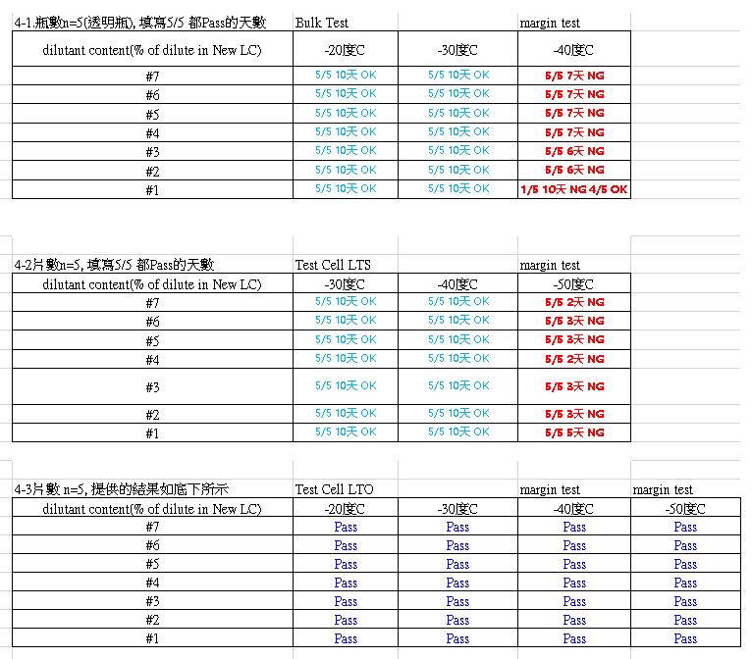
LTO | SLC19V33 | N.A. | N.A. | N.A. | Bulk | 95% | N.A. | -40 | Slichem | 6512_19V33_LTS-40_20200902.xlsx | Test
LTO | SLC19V33 | SE-7492 | XN-5490H | Pass | Test Cell | 95% | N.A. | -30 | Slichem | 6512_19V33_LTS-40_20200902.xlsx | Test
LTO | SLC19V33 | SE-7492 | XN-5490H | Pass | Test Cell | 95% | N.A. | -40 | Slichem | 6512_19V33_LTS-40_20200902.xlsx | Test
LTO | SLC19V33 | SE-7492 | XN-5490H | Pass | Test Cell | 95% | N.A. | -50 | Slichem | 6512_19V33_LTS-40_20200902.xlsx | Test
LTO | SLC19V33 | N.A. | N.A. | N.A. | Bulk | 90% | N.A. | -20 | Slichem | 6512_19V33_LTS-40_20200902.xlsx | Test
LTO | SLC19V33 | N.A. | N.A. | N.A. | Bulk | 90% | N.A. | -30 | Slichem | 6512_19V33_LTS-40_20200902.xlsx | Test
LTO | SLC19V33 | N.A. | N.A. | N.A. | Bulk | 90% | N.A. | -40 | Slichem | 6512_19V33_LTS-40_20200902.xlsx | Test
LTO | SLC19V33 | SE-7492 | XN-5490H | Pass | Test Cell | 90% | N.A. | -30 | Slichem | 6512_19V33_LTS-40_20200902.xlsx | Test
LTO | SLC19V33 | SE-7492 | XN-5490H | Pass | Test Cell | 90% | N.A. | -40 | Slichem | 6512_19V33_LTS-40_20200902.xlsx | Test
LTO | SLC19V33 | SE-7492 | XN-5490H | Pass | Test Cell | 90% | N.A. | -50 | Slichem | 6512_19V33_LTS-40_20200902.xlsx | Test
LTO | SLC19V33 | N.A. | N.A. | N.A. | Bulk | 85% | N.A. | -20 | Slichem | 6512_19V33_LTS-40_20200902.xlsx | Test
LTO | SLC19V33 | N.A. | N.A. | N.A. | Bulk | 85% | N.A. | -30 | Slichem | 6512_19V33_LTS-40_20200902.xlsx | Test
LTO | SLC19V33 | N.A. | N.A. | N.A. | Bulk | 85% | N.A. | -40 | Slichem | 6512_19V33_LTS-40_20200902.xlsx | Test
LTO | SLC19V33 | SE-7492 | XN-5490H | Pass | Test Cell | 85% | N.A. | -30 | Slichem | 6512_19V33_LTS-40_20200902.xlsx | Test
LTO | SLC19V33 | SE-7492 | XN-5490H | Pass | Test Cell | 85% | N.A. | -40 | Slichem | 6512_19V33_LTS-40_20200902.xlsx | Test
LTO | SLC19V33 | SE-7492 | XN-5490H | Pass | Test Cell | 85% | N.A. | -50 | Slichem | 6512_19V33_LTS-40_20200902.xlsx | Test
LTO | LCT-15-1098 | N.A. | N.A. | N.A. | Bulk | 100% | N.A. | -30 | INX | Bulk LTS.xlsx | Test
LTO | LCT-19-580 | N.A. | N.A. | N.A. | Bulk | 100% | N.A. | -30 | INX | Bulk LTS.xlsx | Test
LTO | SLC19V33 | N.A. | N.A. | N.A. | Bulk | 100% | N.A. | -30 | INX | Bulk LTS.xlsx | Test

PCT
規格 : ≧18h
項目 | LC | PI | Seal | Y軸數值 (Bubble 5% hours) | Measure condition 測試條件 | Measure condition: test vehicle | Vender | File source | Batch
PCT | LCT-15-1098 | RB205 | 7142T | 18 | 2atm, 121℃, 100% RH | 九宮格 test cell | INX | SNP07 TR1&TR2 Report | Test
PCT | LCT-15-1098 | RB205 | S-NP07 | 12 | 2atm, 121℃, 100% RH | 九宮格 test cell | INX | SNP07 TR1&TR2 Report | Test
PCT | LCT-15-1098 | RB205 | V386 | 18 | 2atm, 121℃, 100% RH | 九宮格 test cell | INX | SNP07 TR1&TR2 Report | Test
PCT | LCT-15-1098 | RB005 | 7142T | 36 | 2atm, 121℃, 100% RH | 九宮格 test cell | INX | SNP07 TR1&TR2 Report | Test
PCT | LCT-15-1098 | RB005 | SUR-747(UV) | 12 | 2atm, 121℃, 100% RH | 九宮格 test cell | INX | SNP07 TR1&TR2 Report | Test
PCT | LCT-15-1098 | RB005 | SUR-747 | 12 | 2atm, 121℃, 100% RH | 九宮格 test cell | INX | SNP07 TR1&TR2 Report | Test
PCT | LCT-15-1098 | RB005 | SUR-748 | 6 | 2atm, 121℃, 100% RH | 九宮格 test cell | INX | SNP07 TR1&TR2 Report | Test

Seal WVTR
規格 : < 69.2
Y軸項目 | LC | PI | Seal | Y軸數值 | Unit | Time | 溫度(°C) | 濕度(%) | 膜厚(um) | Vender | File source | Batch
WVTR | N.A. | N.A. | 723K1M | 69.2 | % | 24 | 80 | 90 | 300 | 協立 | 200131_ODF_INL北_723K1M,7142T_貴社指定条件透湿度(実測)_80℃90％,65℃95％_中文版 | Test
WVTR | N.A. | N.A. | 7142T | 87.1 | % | 24 | 80 | 90 | 300 | 協立 | 200131_ODF_INL北_723K1M,7142T_貴社指定条件透湿度(実測)_80℃90％,65℃95％_中文版 | Test
WVTR | N.A. | N.A. | 723K1M | 197 | % | 24 | 80 | 90 | 300 | 三井 | 200302_Data of Seal H (INX竹南).1_V386, K1M, 7142T,SWH25 | Test
規格 : < 177
WVTR | N.A. | N.A. | 7142T | 250 | % | 24 | 80 | 90 | 300 | 三井 | 200302_Data of Seal H (INX竹南).1_V386, K1M, 7142T,SWH25 | Test
WVTR | N.A. | N.A. | V386 | 177 | % | 24 | 80 | 90 | 300 | 三井 | 200302_Data of Seal H (INX竹南).1_V386, K1M, 7142T,SWH25 | Test
WVTR | N.A. | N.A. | SWH25 | 281 | % | 24 | 80 | 90 | 300 | 三井 | 200302_Data of Seal H (INX竹南).1_V386, K1M, 7142T,SWH25 | Test
WVTR | N.A. | N.A. | 723K1M | 101 | % | 24 | 80 | 90 | 300 | 積水 | 200930 NXT2-Roadmap (1003) 追加光起始劑 | Test
規格 : < 101
WVTR | N.A. | N.A. | SWH25 | 98 | % | 24 | 80 | 90 | 300 | 積水 | 200930 NXT2-Roadmap (1003) 追加光起始劑 | Test
WVTR | N.A. | N.A. | SSS42 | 72 | % | 24 | 80 | 90 | 300 | 積水 | 200930 NXT2-Roadmap (1003) 追加光起始劑 | Test
WVTR | N.A. | N.A. | S-NP07 | 56 | % | 24 | 80 | 90 | 300 | 積水 | 200930 NXT2-Roadmap (1003) 追加光起始劑 | Test
WVTR | N.A. | N.A. | 723K1M | 101 | % | 24 | 80 | 90 | 300 | 積水 | 201110_INX_QTR_v5 (4) | Test
WVTR | N.A. | N.A. | SSS42 | 72 | % | 24 | 80 | 90 | 300 | 積水 | 201110_INX_QTR_v5 (4) | Test
WVTR | N.A. | N.A. | S-NP07 | 60 | % | 24 | 80 | 90 | 300 | 積水 | 201110_INX_QTR_v5 (4) | Test
WVTR | N.A. | N.A. | 723K1M | 100 | % | 24 | 85 | 85 | 300 | INX | S-NP07 TR1 TR2 Report | Test
WVTR | N.A. | N.A. | 7142T | 117 | % | 24 | 85 | 85 | 300 | INX | S-NP07 TR1 TR2 Report | Test
WVTR | N.A. | N.A. | V386 | 96 | % | 24 | 85 | 85 | 300 | INX | S-NP07 TR1 TR2 Report | Test
WVTR | N.A. | N.A. | S-NP07 | 87.6 | % | 24 | 85 | 85 | 300 | INX | S-NP07 TR1 TR2 Report | Test

