Sheet1
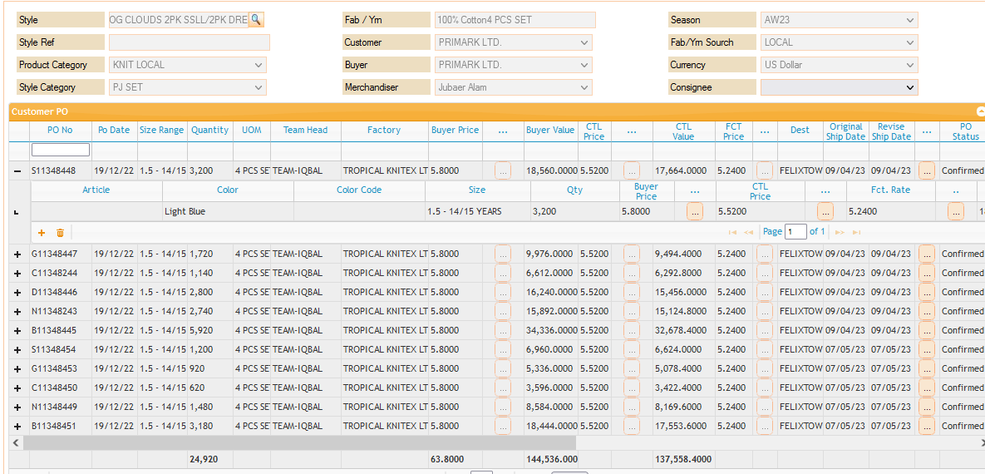
OG CLOUDS 2PK SSLL/2PK DREAMER

