About Project
Forbes - 2022 Asian Billionaire Families Analysis

Sources:
Top 20 Richest Families In Asia: Why $495B Dynasties Are Turning to Crypto, Tech
https://www.forbes.com/asia-families/list/
https://www.business-standard.com/article/international/asia-s-20-richest-families-control-nearly-495-billion-shows-data-122013000994_1.html
https://www.prestigeonline.com/th/pursuits/wealth/10-richest-asian-families-in-the-world/

 | Submitted by: Dinesh Chand

Dashboard
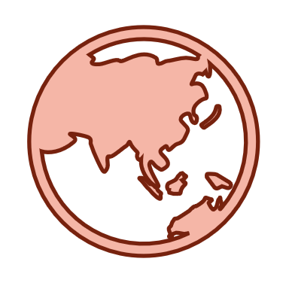
FORBES - 2022 ASIA BILLIONAIRE FAMILIES

Age - NetWorth
 | Total
30 | 17
37 | 31
38 | 18
44 | 23
47 | 18
49 | 20
52 | 29
54 | 16
55 | 17
56 | 30
58 | 34
61 | 21
65 | 90
70 | 29
76 | 23
81 | 36
83 | 30
87 | 14

Top 10 Asian Billionaires
 | Total
Mukesh Ambani | $ 90bn
Robert Budi Hartono | $ 36bn
Shapoorji Mistry | $ 34bn
Geoffrey Kwok | $ 31bn
Dhanin Chearavanont | $ 30bn
Tsai Hong-tu | $ 29bn
Henry Cheng | $ 23bn
Douglas Woo Chun-kuen | $ 23bn
Charlie Lee | $ 21bn
Saravoot Yoovidhya | $ 20bn
BILLIONAIRES BY COUNTRY
 | Total Billionaires | Total NetWorth ($)
India | 5 | $ 169bn
Hong Kong | 5 | $ 115bn
Thailand | 2 | $ 50bn
Indonesia | 1 | $ 36bn
South Korea | 2 | $ 32bn
Taiwan | 1 | $ 29bn
Singapore | 1 | $ 18bn
Philippines | 1 | $ 18bn
Japan | 1 | $ 16bn
China | 1 | $ 14bn
20 / $496bn
TOTAL BILLIONAIRE FAMILIES
20 / $496bn
BILLIONAIRES BY COUNTRIES
20 / $496bn
BILLIONAIRES BY GENERATIONS
20 / $496bn
BILLIONAIRES BY AGE

