Bug#1
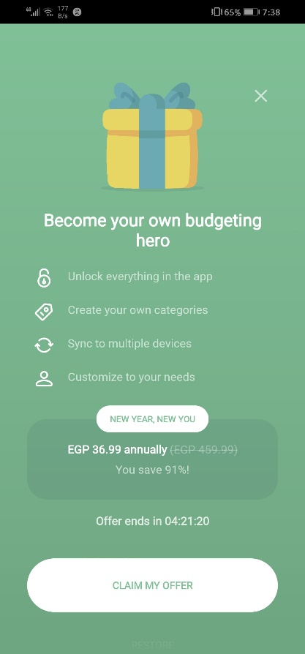
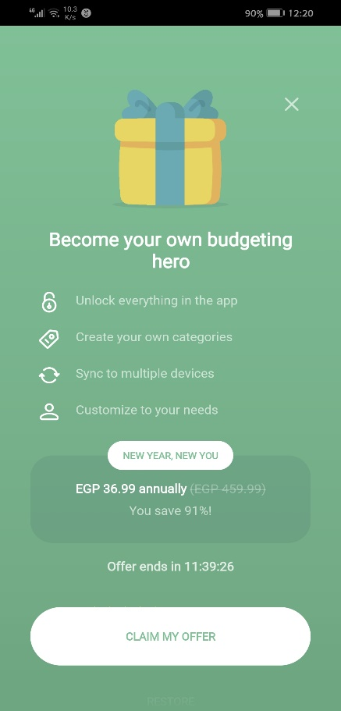
Category | Label | Value | 1st screenshot | 2nd screenshot
Bug ID | ID number | Monefy-125
 | Name | Offer ends in counter isn't working properly
 | Reporter | Dina Elsokary
 | Submit Date | 13/11/2022
Bug overview | Summary | The counter is refreshed every day at 12PM and is restarted
 | URL | /
 | Screenshot
Environment | Platform | Huawei Y9 2019
 | Operating System | Android 9.0
 | Network | Wifi
 | Version | 1.16.0
Bug details | Steps to reproduce | 1. Open the app 2. Check the counter 3. Re-check the app the next day
 | Expected result | The counter value is updated properly
 | Actual result | The counter value is refreshed and startsover again
 | Description | /
Bug tracking | Severity | Medium
 | Assigned to | /
 | Priority | High
Notes | Notes | /

Bug#2
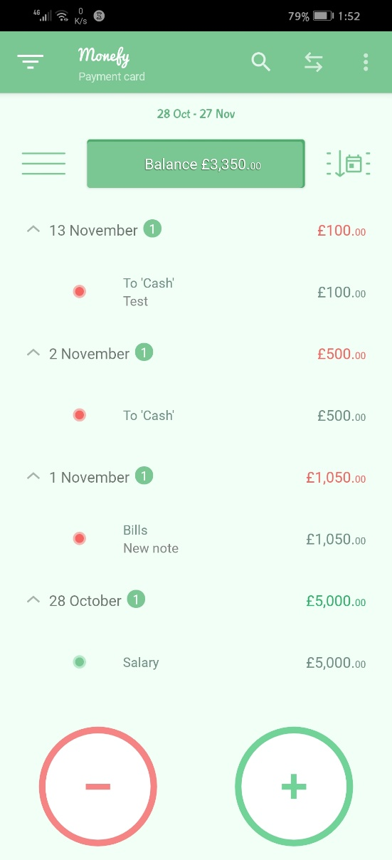
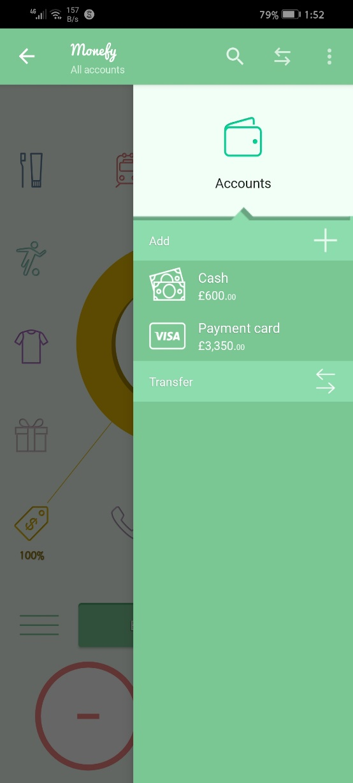
Category | Label | Value
Bug ID | ID number | Monefy-126 | 1st screenshot | 2nd screenshot
 | Name | Transfers don't appear under the transferes section in the side menu
 | Reporter | Dina Elsokary
 | Submit Date | 2022-12-11
Bug overview | Summary | The transfers aren't reflected in the side menu properly
 | URL | /
 | Screenshot
Environment | Platform | Huawei Y9 2019
 | Operating System | Android 9.0
 | Network | Wifi
 | Version | 1.16.0
Bug details | Steps to reproduce | 1. Open the app 2. Enter a palance in the payment card 3. Click on the transfer icon 4. Transfer amount to cash 5. Open the side menu from the 3 dots icon 6. Click on Accounts
 | Expected result | All the information appears properly The cash amount and the payment card amount are correct The transfers made are reflected under the transfer section
 | Actual result | The cash amount and the payment card amount are correct The transfer section is empty
 | Description | /
Bug tracking | Severity | Medium
 | Assigned to | /
 | Priority | High
Notes | Notes | /

Bug#4
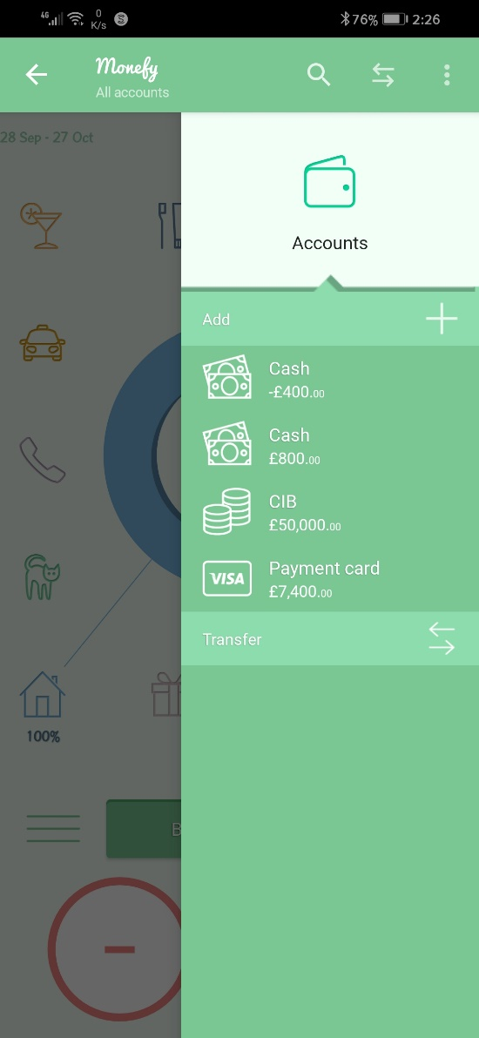
Category | Label | Value
Bug ID | ID number | Monefy-128
 | Name | User can add multiple accounts with the same name
 | Reporter | Dina Elsokary
 | Submit Date | 2022-12-11
Bug overview | Summary | No Validation on the account name
 | URL | /
 | Screenshot
Environment | Platform | Huawei Y9 2019
 | Operating System | Android 9.0
 | Network | Wifi
 | Version | 1.16.0
Bug details | Steps to reproduce | 1. Open the app 2. Close the pro subscribtion screen 3. Click on the 3 dots icon 4. Select Accounts 5. Click on Add 6. Enter all the needed data 7. Enter the account name (Cash)
 | Expected result | Error message appears endicating that this account name is used before
 | Actual result | The account is saved successfully
 | Description | /
Bug tracking | Severity | Medium
 | Assigned to | /
 | Priority | Medium
Notes | Notes | /

Bug#5
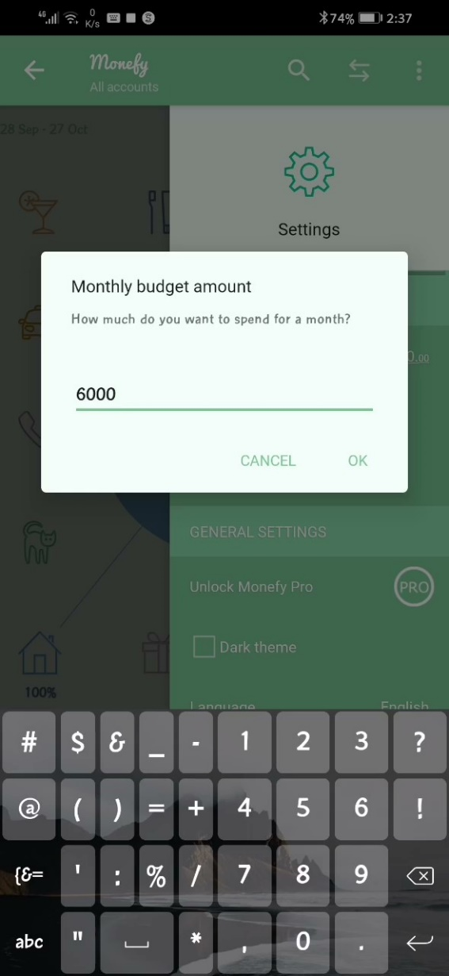
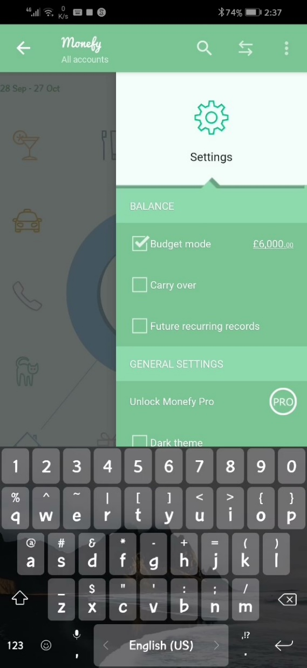
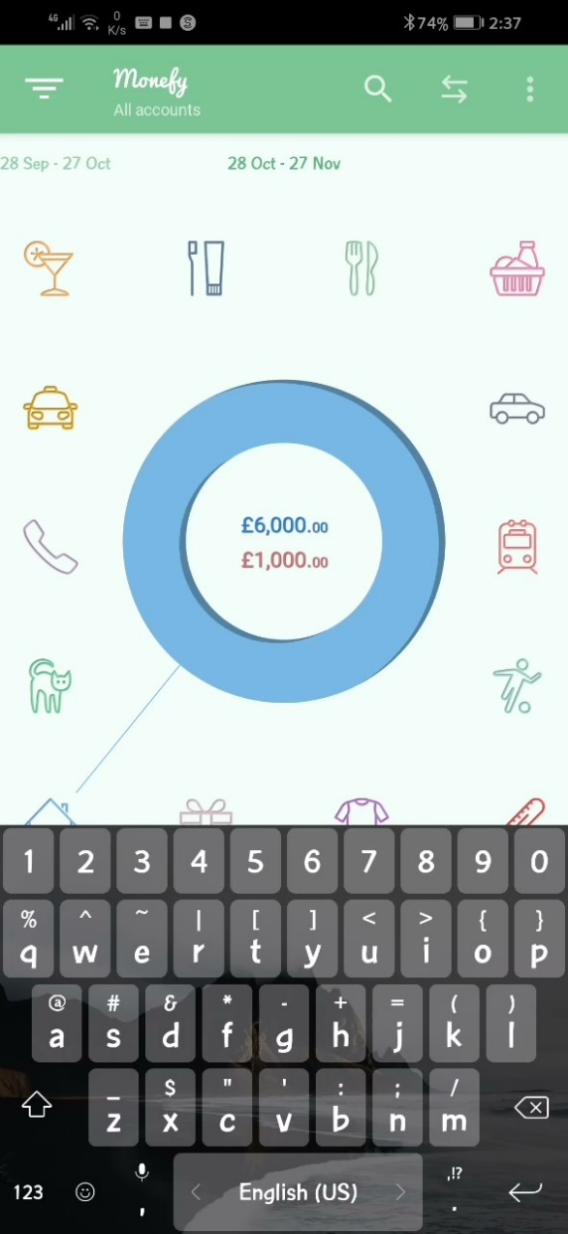
Category | Label | Value | 1st screenshot | 2nd screenshot
Bug ID | ID number | Monefy-129
 | Name | Keyboard is kept active after entering the budget amount
 | Reporter | Dina Elsokary
 | Submit Date | 2022-12-11
Bug overview | Summary | The keyboard is kept active
 | URL | /
 | Screenshot
Environment | Platform | Huawei Y9 2019
 | Operating System | Android 9.0
 | Network | Wifi
 | Version | 1.16.0
Bug details | Steps to reproduce | 1. Open the app 2. Close the pro subscribtion screen 3. Click on the 3 dots icon 4. Select Settings 5. Click on the Budget mode 6. Enter budget amount 7. Click ok
 | Expected result | The amount is saved successfully The keyboard is closed
 | Actual result | The amount is saved successfully The keyboard is kept active
 | Description | /
Bug tracking | Severity | low
 | Assigned to | /
 | Priority | High
Notes | Notes | /

Bug#6
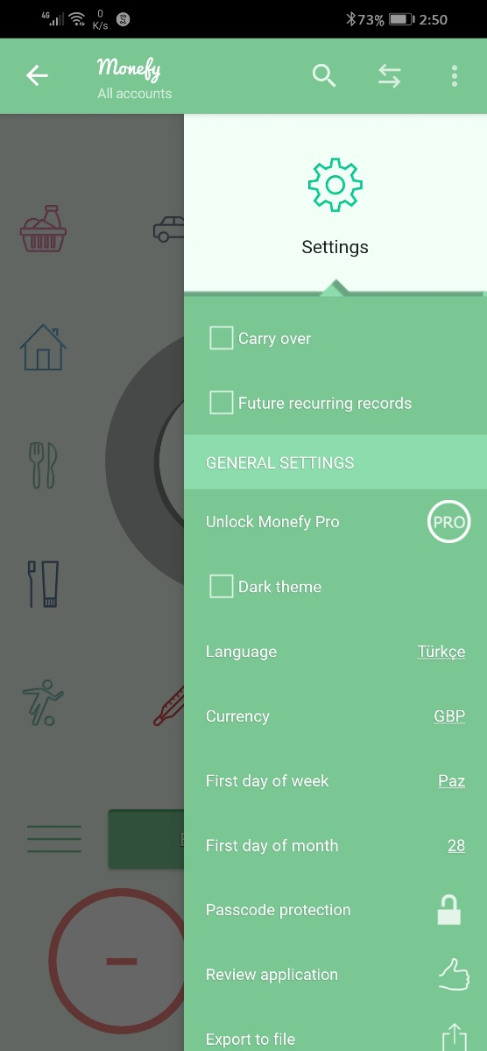
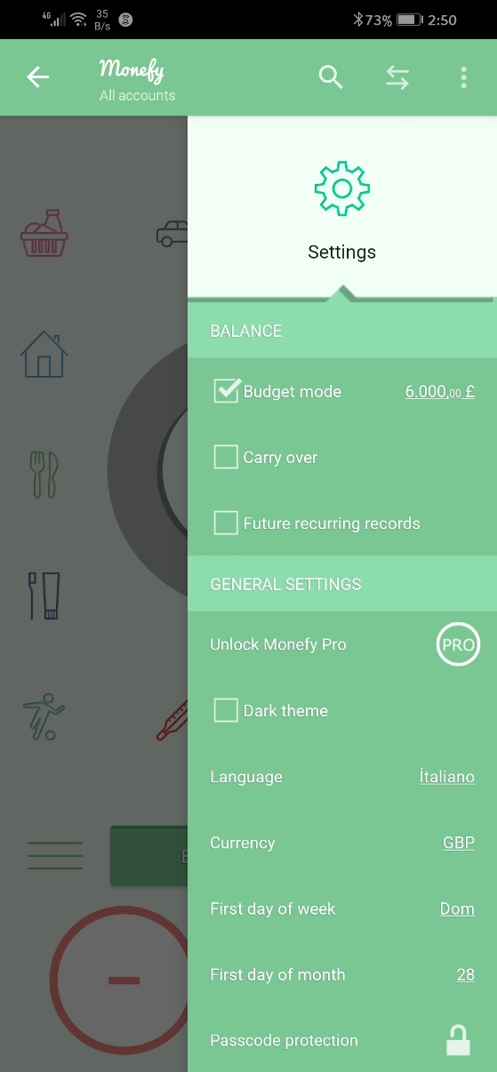
Category | Label | Value | 1st screenshot | 2nd screenshot
Bug ID | ID number | Monefy-127
 | Name | Changing language isn't working properly
 | Reporter | Dina Elsokary
 | Submit Date | 2022-12-11
Bug overview | Summary | The app is in english except some fields are converted to the other language
 | URL | /
 | Screenshot
Environment | Platform | Huawei Y9 2019
 | Operating System | Android 9.0
 | Network | Wifi
 | Version | 1.16.0
Bug details | Steps to reproduce | 1. Open the app 2. Close the pro subscribtion screen 3. Click on the 3 dots icon on the upper right corner of the screen 4. Select Settings 5. Select Language 6. Select any language (Turkce or Italiano) 7. Click ok
 | Expected result | The app is restarted and converted to the newly selected language
 | Actual result | The app is displayed in english except the dates
 | Description | /
Bug tracking | Severity | High
 | Assigned to | /
 | Priority | High
Notes | Notes | /

