Sheet1
Plant Name | Suitable Areas | Time period | Precipitation | Atmospheric humidity | Soil Condition | Recommended varieties | Fertilizer recommendation
Big Onion | Mainly in dry zone. Can be cultivated in areas from sea level to 2000 meters. | May to August. Yala Kanna is the main growing season of onions, bulbs are grown as Yala Kanna and Maha Kanna for seeds. | Maximum raifall during the cultivation period should not exceed 750mm. | Atmospheric humidity should be less than 70%. | The p.h. value between 6.5 to 7.8 is more suitable. | MIBO-01 - Short tearm variety. After planting, it takes about 75-85 days to harvest. Dambulla version - After planting, it takes about 85-90 days to harvest. Rampur - An Indian variety. After planting, it takes about 80-85 days to harvest. Bombay red variety - After planting, it takes 90-100 days to harvest | 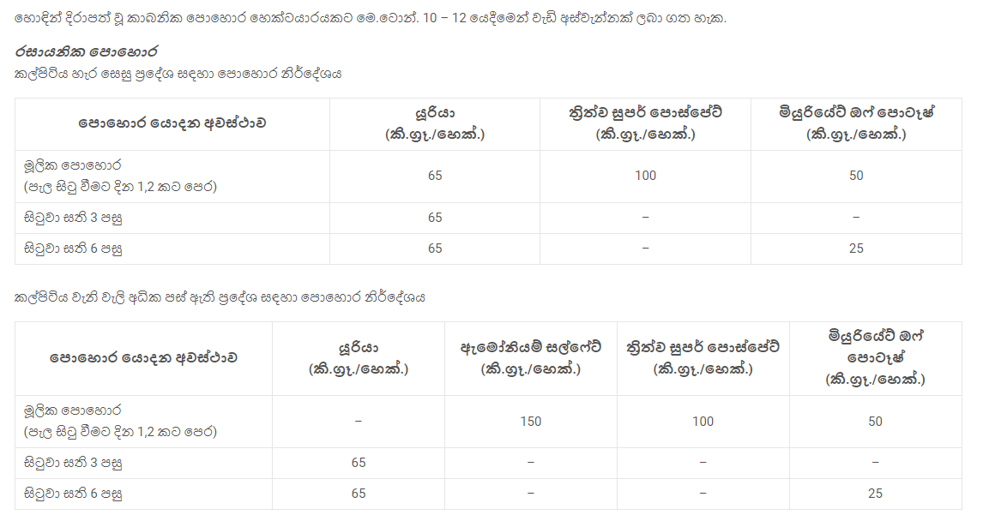
Rice |  | Maha season Yala season https://doa.gov.lk/rrdi_rice_varities/ |  |  |  | * Suwadel - The most suitable cultivation period for the heirloom variety is the rain-fed season in low-country wet zones. Its yield can be harvested within a 3 ½ month period. * Pachchaperumal - can be harvested within 3 ½ months. mostly cultivated in the Yala season. * Masuran - can be harvested within 3 ½ months. can be harvested during Maha season. * Maa wee - Maa wee is usually cultivated in the wet and intermediate zones. The plants of maa wee can be grown even if there are flash floods since they can tolerate submergence conditions. * Sudu Heenati - It is grown in most parts of the country. The usual timeline for harvesting this heirloom variety is 4 months but it usually takes longer in the Yala season. * Kalu Heenati - can be harvested within 3 ½ months. This heirloom variety is not suitable for muddy paddy lands or any iron toxic paddy fields. It grows well in the dry zone.
Chilli | Chilli can be grown from sea level to about 1600 meters high. | Maha season – late October – mid November. Yala season – April – early May. Can be grown year-round under controlled conditions. | Annual rainfall in 600 – 1000 mm. can be cultivated in existing areas. | The ideal temperature range is 21°C – 27°C.
Maize (Corn) | Dry and temperate zones are best suited for commercial cultivation. | Mainly in Maha season. Late September or early October. | The maximum annual rainfall is about 600 -1000 mm. | The temperature required for successful growth is 25 – 30 °C. The corn plant needs full sun. | The p.h. value between 5.8 to 7.0 is more suitable. | Badhra - Harvest time is between 105-110 days. M.I.Mase Hybrid 01 & M.I.Mase Hybrid - Harvest time is between 105-110 days. M.I.Mase Hybrid 03 - Harvest time is between 100-105 days. | 
Potato | Potato grows well in up country area whereas heat tolerance varieties can be grown in dry areas such as Jaffna and Kalpitiya. |  |  | Tuberization and tuber bulking stages are critical for water supply. High yielding crop required about 70 % available water. | Well drain soil with more organic matter is required. Suitable pH range is 5.5 - 6.6. | Golden Star Granola | 