Sheet1
Plant Name | Suitable Areas | Time period | Precipitation | Atmospheric humidity | Soil Condition | Recommended varieties | Fertilizer recommendation
Big Onion | Mainly in dry zone. Can be cultivated in areas from sea level to 2000 meters. Matale and Anuradhapura, Galewela, Dambulla, Kimbissa, Maradankadawala, Polonnaruwa, Kurunagala, Vavuniya, Mullaitive, Mannar | May to August. Yala Kanna is the main growing season of onions, bulbs are grown as Yala Kanna and Maha Kanna for seeds. | Maximum raifall during the cultivation period should not exceed 750mm. | Atmospheric humidity should be less than 70%. | The p.h. value between 6.5 to 7.8 is more suitable. | MIBO-01 - Short tearm variety. After planting, it takes about 75-85 days to harvest. Dambulla version - After planting, it takes about 85-90 days to harvest. Rampur - An Indian variety. After planting, it takes about 80-85 days to harvest. Bombay red variety - After planting, it takes 90-100 days to harvest | 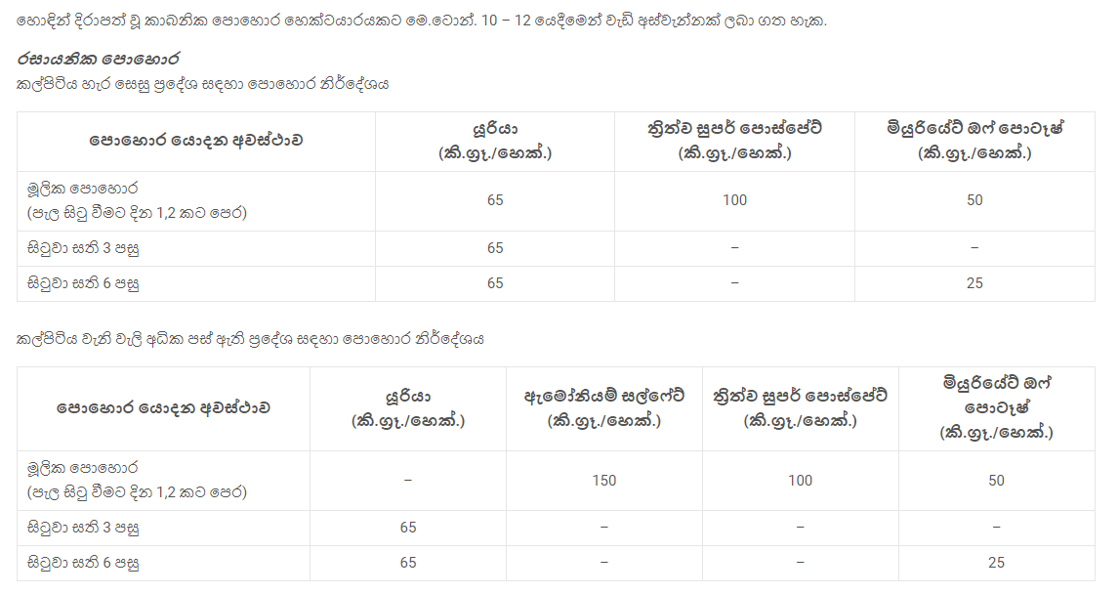
Rice | Anuradhapura, Kurunagala, Ampara, Polonnaruwa, Batticaloa, Hambanthota, Monaragala, Trincomalee, Kilinochchi, Badulla, Vavuniya, Mannar, Matale, Mulativu, Puttalam, Ratnapura, Kandy, Matara, Gampaha, Jaffna, Kalutara, Galle, Kegalle, Colombo, NuwaraEliya | Maha season Yala season https://doa.gov.lk/rrdi_rice_varities/ | 600 mm in the arid areas to 6,000 mm in the very wet areas. | Maximum temperature is optimum (270C - 320C) more than 85% during Maha season 80 % and 85 % during Yala season. | The p.h. value between 5.8 to 7.0 is more suitable. | * Suwadel - The most suitable cultivation period for the heirloom variety is the rain-fed season in low-country wet zones. Its yield can be harvested within a 3 ½ month period. * Pachchaperumal - can be harvested within 3 ½ months. mostly cultivated in the Yala season. * Masuran - can be harvested within 3 ½ months. can be harvested during Maha season. * Maa wee - Maa wee is usually cultivated in the wet and intermediate zones. The plants of maa wee can be grown even if there are flash floods since they can tolerate submergence conditions. * Sudu Heenati - It is grown in most parts of the country. The usual timeline for harvesting this heirloom variety is 4 months but it usually takes longer in the Yala season. * Kalu Heenati - can be harvested within 3 ½ months. This heirloom variety is not suitable for muddy paddy lands or any iron toxic paddy fields. It grows well in the dry zone. *Bg 750 - Suitable for Low country intermediate zone. Can Harvest within 78 days. *Bg 300 - General cultivation. Can harvest within 93 days. *Ld 253 - Suitable for General cultivation. Can harvest in 88 days. *Bw 302 - Suitable for wet zone arias. Can get the harvest within 90 days. *At 311 (Neeroga Basmathi type) - General cultivation arias. Can harvest within 93 days. *Bg 359 - Suitable for Wet zone. Can get the harvest within 103 - 105 days. *Ld 368 - Suitable for Wet zone Cultivation. Can get the harvest within 102 days. *Bw 372 - Sutable for Wet zone and tolerence to iorn toxicity soil. Can harvest within 104 days. *Bg 380 (Hangimuththan) - Major irrigation in dry zone and intermediate zone. Can harvest within 123 days. *Bg 407H (1st Hybrid Rice) - More sutable for High potential areas. Can harvest within 118 days. *Bw 451 - Suitable for Low country wet zone. Can get the harvest within 120 days. *H 9 (Photoperiod sensitive veriety) - suitable for Mawee land. Can get the harvest within 155 days (Maha season). *Bg 38 (Photoperiod sensitive veriety) - Suitab
Chilli | Chilli can be grown from sea level to about 1600 meters high. Anuradhapura, Polonnaruwa, Kurunagala, Matale, Puttalam | Maha season – late October – mid November. Yala season – April – early May. Can be grown year-round under controlled conditions. | Annual rainfall in 600 – 1000 mm. can be cultivated in existing areas. | The ideal temperature range is 21°C – 27°C. | A deep sandy loam soil with good drainage is ideal. | K A 02 - Suitable for Dry zone. More suited to growing in the Yala season. Can harvest in 60 to 90 days. Arunalu - Suitable for Yala season. Can harvest in 60 to 70 days. MI HOT - Suitable for Dry and Wet zones. 60 to 70 days for harvest. MI GREEN - More suitable for the Northern Province. 60 to 70 days | 
Maize (Corn) | Dry and temperate zones are best suited for commercial cultivation. Ampara, Anuradhapura, Polonnaruwa, Kurunagala, Moneragala, Badulla, Matale | Mainly in Maha season. Late September or early October. | The maximum annual rainfall is about 600 -1000 mm. | The temperature required for successful growth is 25 – 30 °C. The corn plant needs full sun. | The p.h. value between 5.8 to 7.0 is more suitable. | Badhra - Harvest time is between 105-110 days. M.I.Mase Hybrid 01 & M.I.Mase Hybrid - Harvest time is between 105-110 days. M.I.Mase Hybrid 03 - Harvest time is between 100-105 days. | 
Potato | Potato grows well in up country area whereas heat tolerance varieties can be grown in dry areas such as Jaffna and Kalpitiya. |  |  | Tuberization and tuber bulking stages are critical for water supply. High yielding crop required about 70 % available water. | Well drain soil with more organic matter is required. Suitable pH range is 5.5 - 6.6. | Golden Star Granola | 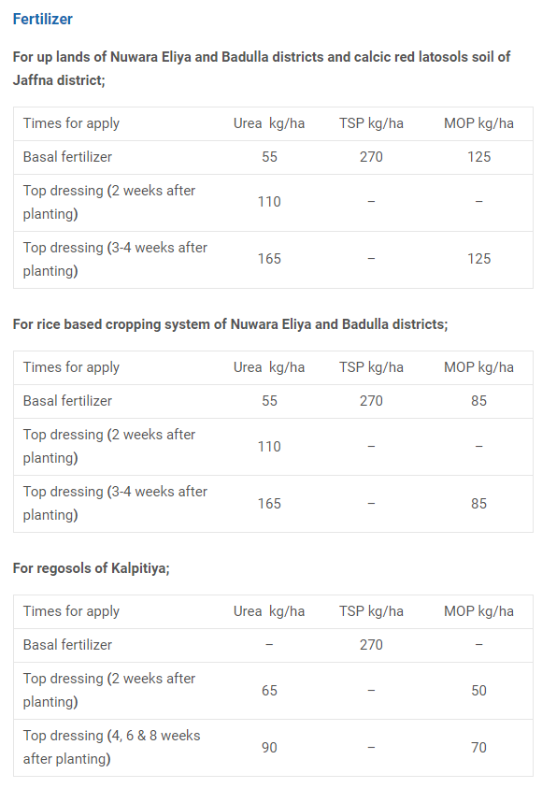
Finger millet | Southern dry zone Kurunagala, Anuradhapura, Moneragala, Polonnaruwa, Badulla, Matale | Maha season - October Yala season - April / May Sourse - https://doa.gov.lk/fcrdi-rardckilinochchi-crops/ | Annual rainfall in mm. 800 – 1000 can be cultivated in any area. | Temperature between 18°C ​​– 27°C | The p.h. value between 5.0 to 8.2 is more suitable. | Ravana - Yala season (April / May). Can harvested within 100-120 days. Oshadha - Maha season (October). Can harvested within 100-120 days. | 

RICE VARIETIES | Pedigree | Maturity | Regions recommended for farming | Pericarp colour
Bg 750 | Ainantsao//75-1870/Pachchaperumal | 78 Days | Low Country Intermediate Zone | Red
Bg 300 | Bg 367-7//IR 841/Bg 276-5 | 93 days | General cultivation | White
Ld 253 | Selection from At 04 | 88 Days | General cultivation | White
Bw 302 | Bw 259-3 / Bw 242-5-5 | 90 days | Wet Zone | White
At 311 (Neeroga) (Basmathi type) | At 306/At 03-105 | 93 days | General cultivation | Red
Bg 359 | 88-5089/Bg 379-2 | 103 – 105 days | Wet Zone | White
Ld 368 | Ld 4-9-11/Ld 99-17-4 | 102 days | Wet Zone | Red
Bw 372 | Bg 359/Bw 267-3 (short mutant) | 104 days | Wet Zone,Tolerance to iron toxicity | Red
Bg 380 (Hangimuththan) | Bg 90-2*4/Ob 677 | 123 days | Major irrigation in Dry Zone & Intermediate Zone | White
Bg 407H (1st Hybrid Rice) | Bg CMS 1A/IR54742-22-19-3R | 118 days | High potential area | White
Bw 451 | Bg 400-1/Bg 11-11 | 120 days | Low Country wet Zone | White
H 9 (Photoperiod sensitive variety) | C104/Mas/Panduruwee | 155 days – Maha* | Mawee land | White
Bg 38 (Photoperiod sensitive variety) | Engkatek//H 4/Podiwee A8 | 156 days – Maha* | Mawee land | White
Bg 745 (Photoperiod sensitive variety) | 71-555/Podiwee A8 | 150 days – Maha* | Mawee land | White

