Лист1
ID | Summary | Description | Project | Severity | Priority | Status | Author | Environment | Attachments
1 | Edit menu.The name of menu is "Edjt" | STR: 1. Run the app Result: The name of menu is "Edjt" Expected result: The name of menu is "Edit" | ListBoxer | Trivial | Low |  | Begunova | Windows 10 pro | 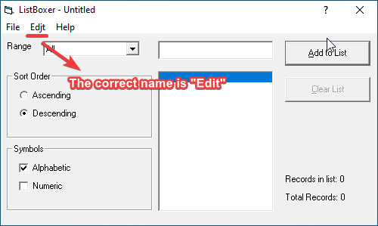
2 | The hotkey "Ctrl+C" and "Ctrl+V" doesn't function | STR: 1.Run the app 2.In the input line, enter "ok" 3.Press the "Ctrl+C" 4.Click on the input line and press the "Ctrl+V" Result: The hotkeys doesn't work Expected result: The hotkeys are worked | ListBoxer | Major | Medium |  | Begunova | Windows 10 pro | Здесь должно было быть видео)
3 | The button "Minimize window" is absent | STR: 1. Run the app Result: The button "Minimize window" is absent Expected result: The button "Minimize window" is on the place | ListBoxer | Trivial | Low |  | Begunova | Windows 10 pro | 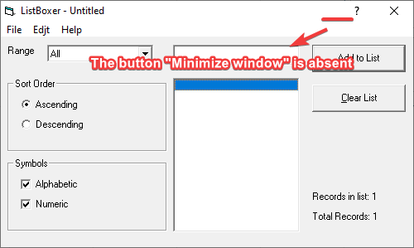
4 | Error when calling help | STR: 1.Run the app 2.Click on "Help" 3.Choose "Contents" Result: Error opening Help in Windows "Feature not enabled" or "Help is not supported" Expected result: The window "Help" is open | ListBoxer | Major | Medium |  | Begunova | Windows 10 pro | 