Estimate Summary
Costing 360 - Estimate Summary
Estimate Name |  | 1-07-01-06 Output Gear | 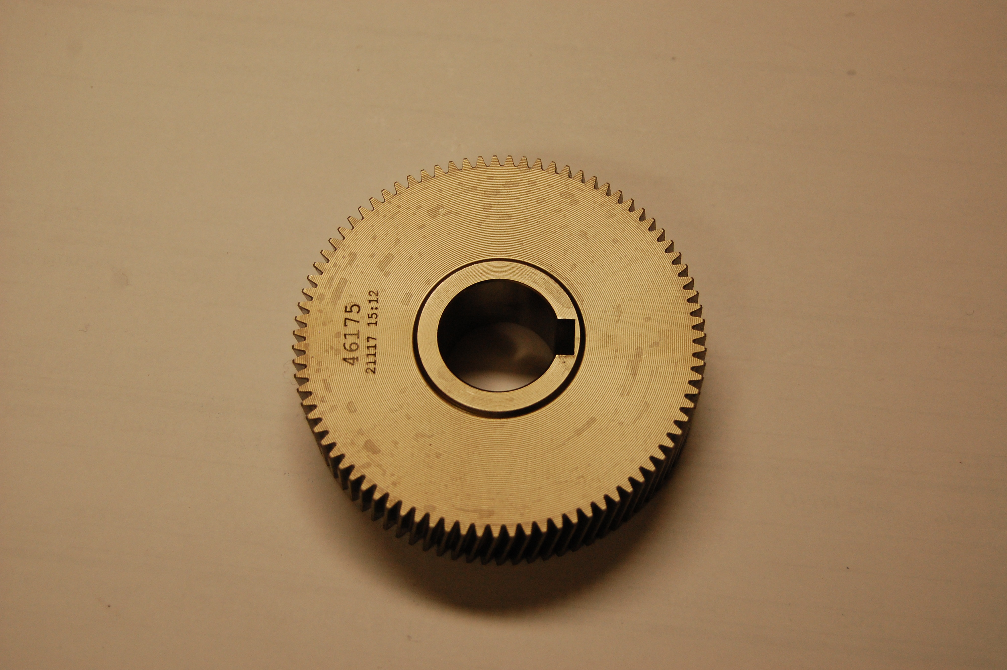
Description |  | Machined PB Bar
Currency | EUR
Child Parts
Procured Parts
Raw Material
Process
Manufacturing Cost | EUR

SGA | 10%
Profit | 10%

Total Cost | EUR | 19.35

