All
Bug ID | Bug Description | Steps or Snapshot | Comments / Expected Behaviour | Reported By | Status
1 | order placed timing not visible | 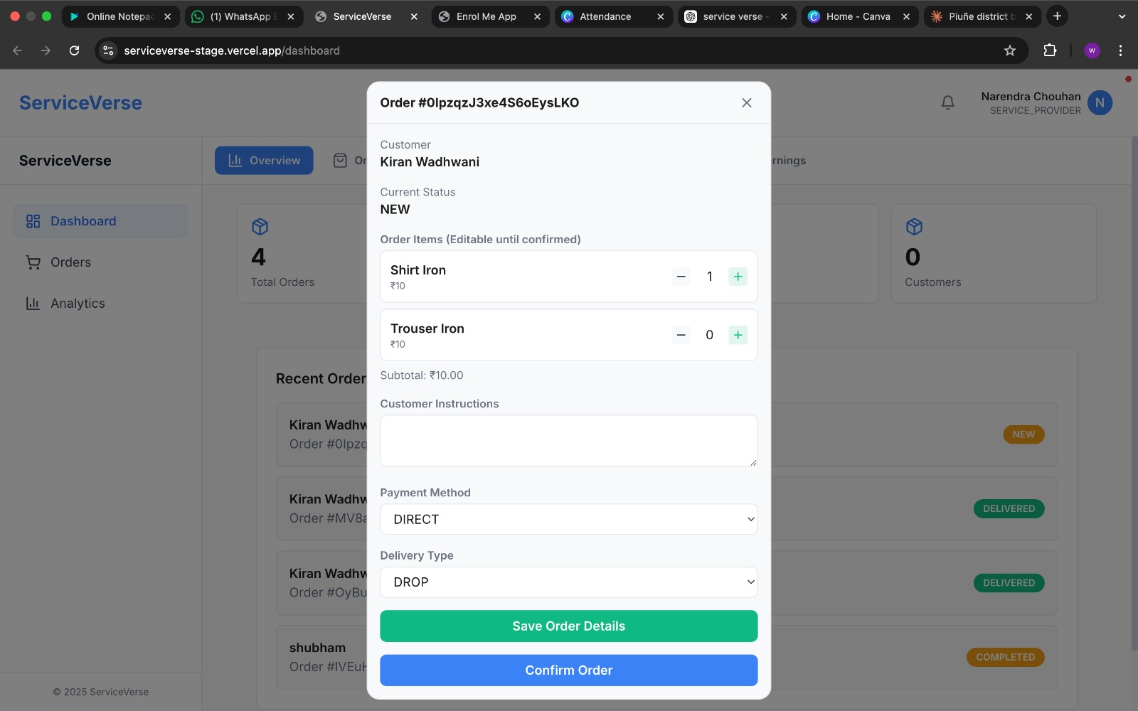 |  | Shubham | Fixed | Open
2 | Verification validation message needs to be updated | 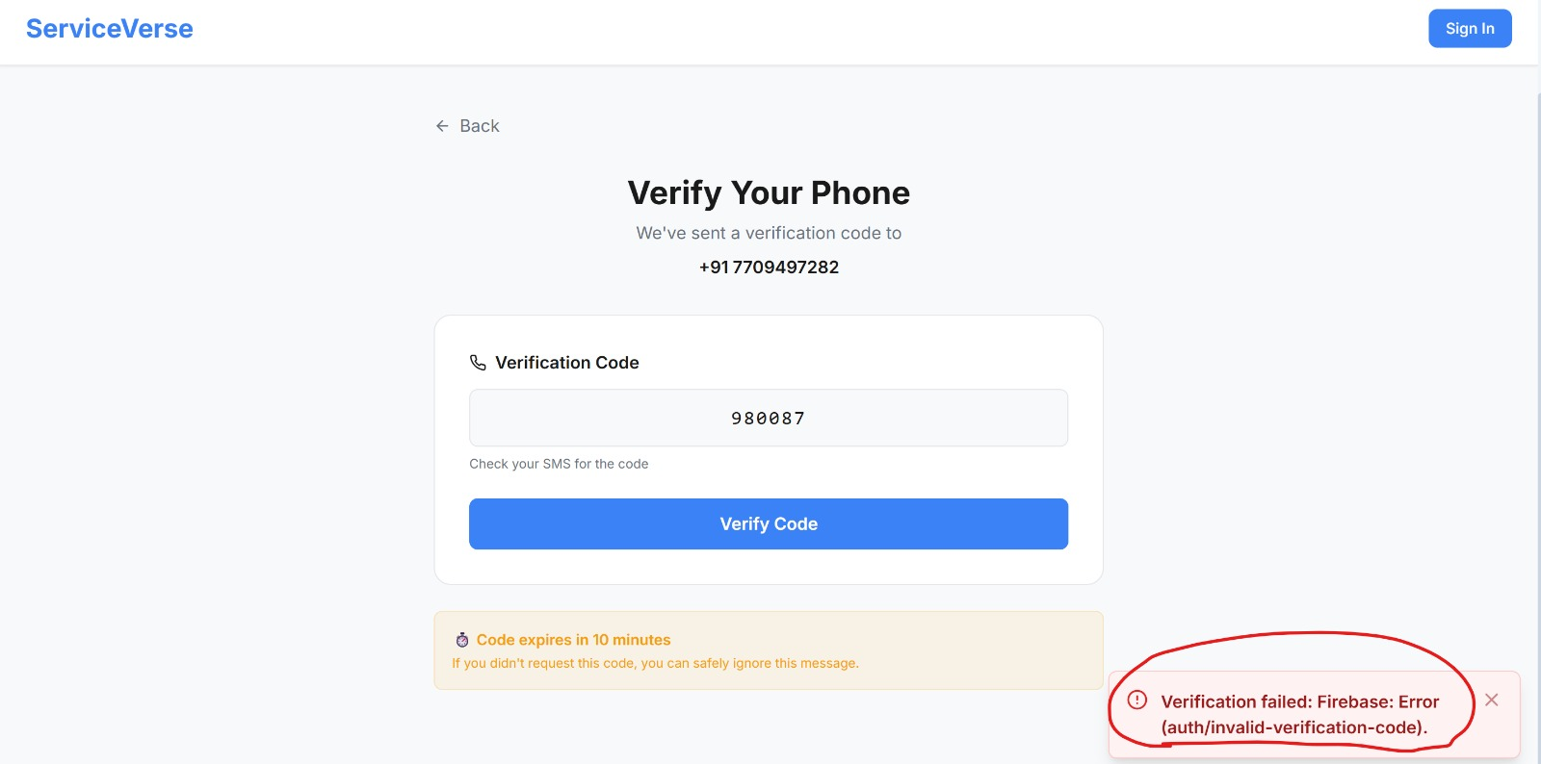 |  | Varun | Fixed | Deferred
3 | Resend OTP option should be enabled |  | Right now if the captcha is delivered once, it doesnst show up agaoin. Also there is no option to resend the OTP. There should be link which when clciked will resend the OTP/ | Varun | Open | Fixed
4 | order and analytics page not found in service provider page | 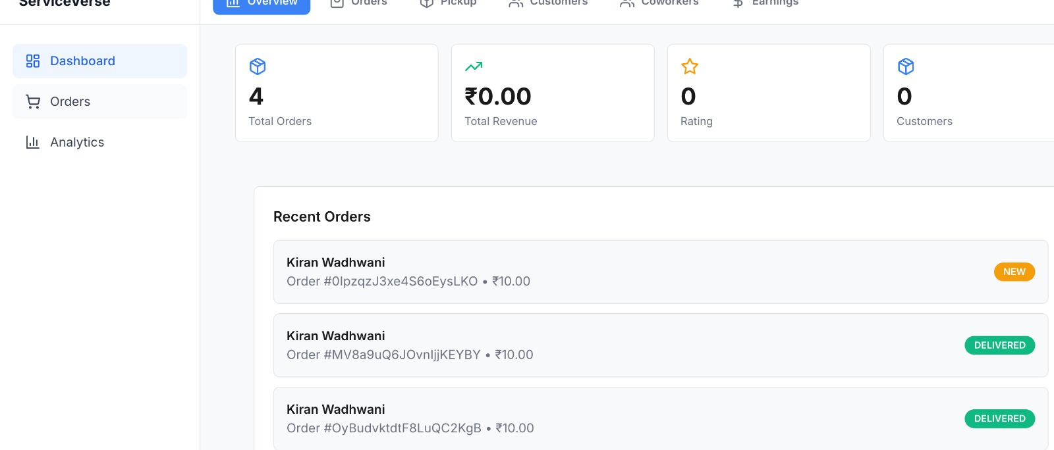 |  | Shubham | Fixed | Not a Defect
5 | Verification code sms needs to be updated with the service he is offering. |  |  | Varun | Not a Defect | Reopen
6 | After Account opening by Customer and clicking on Orders getting 404 | 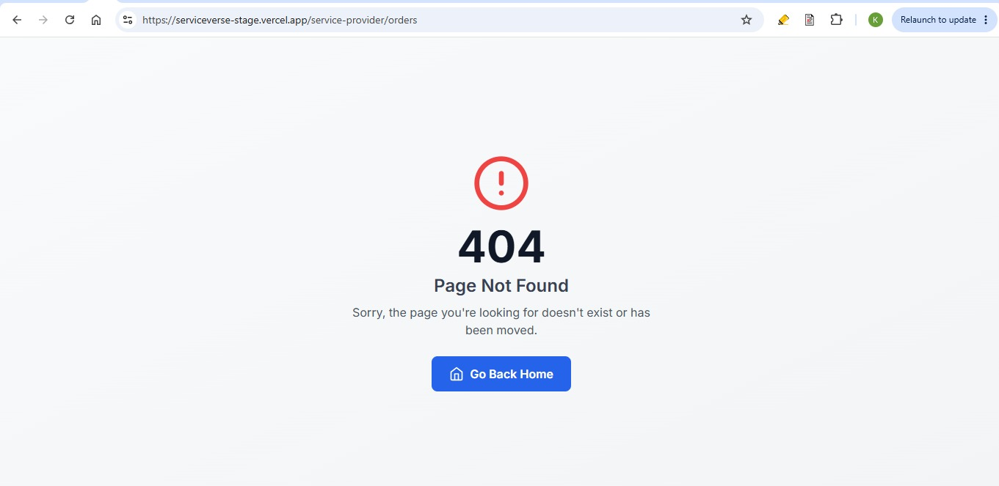 |  | Kushal | Fixed | Verified
7 | i registered a coworker girish ..but he did not recieve any text message or anything upon registration | 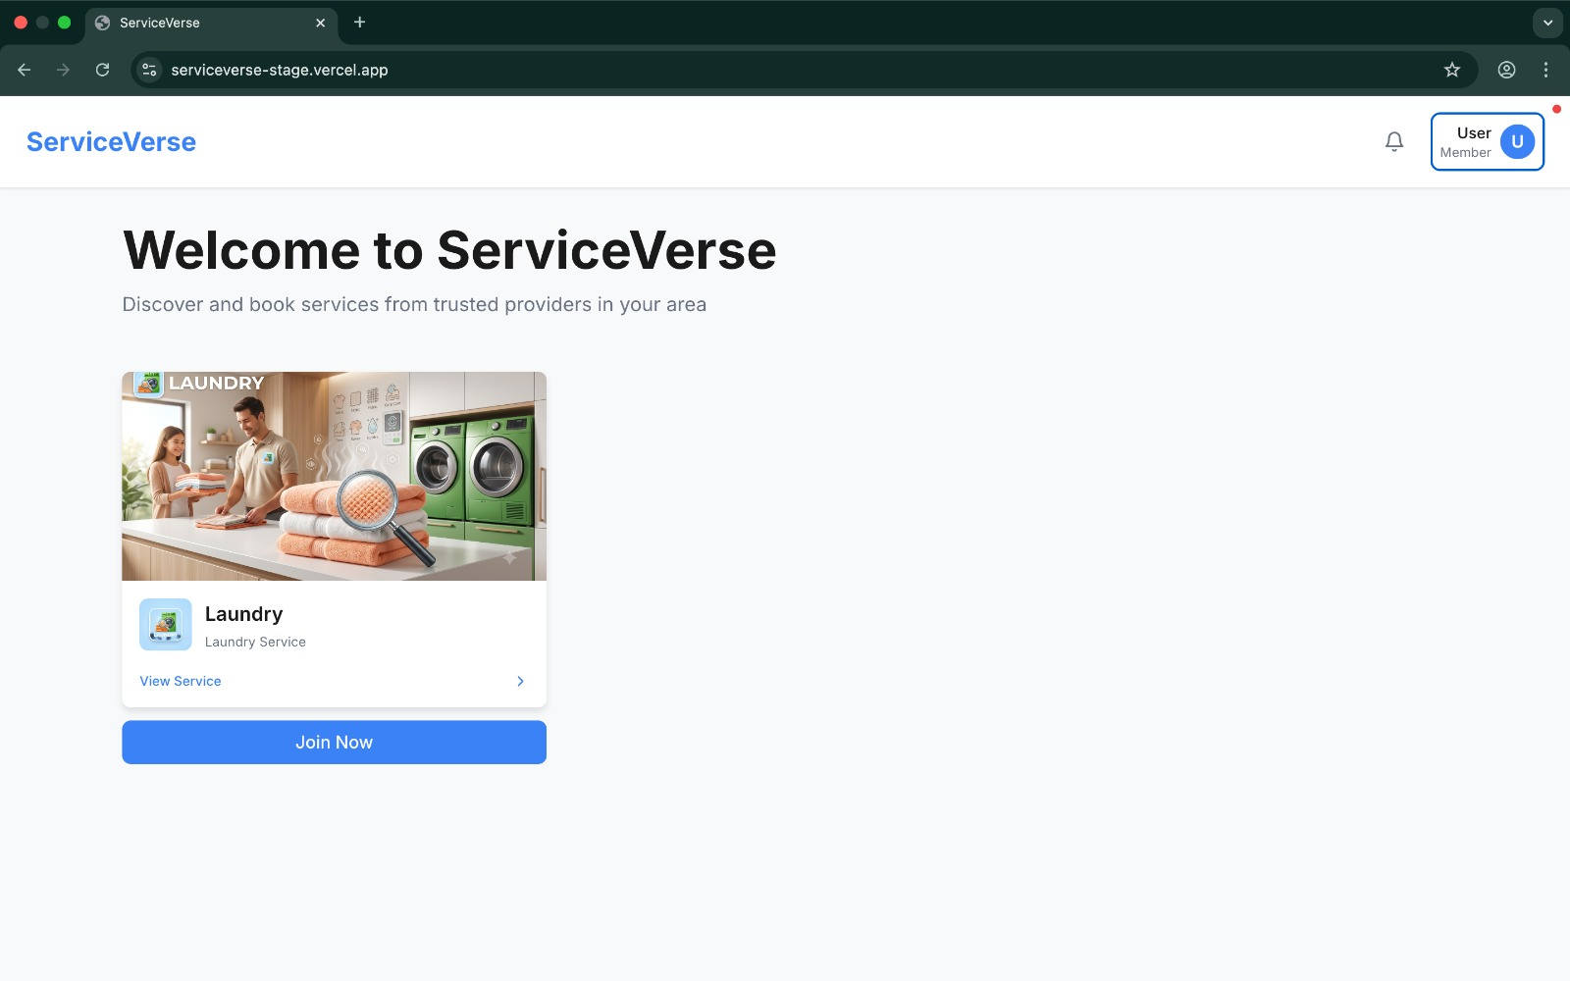 |  | Shubham | Fixed | Closed
8 | OTP is not expired after 10 mins |  |  | Varun | Fixed
9 | When clicked on "Orders" or "Analytics" as SP, it gives 404 | 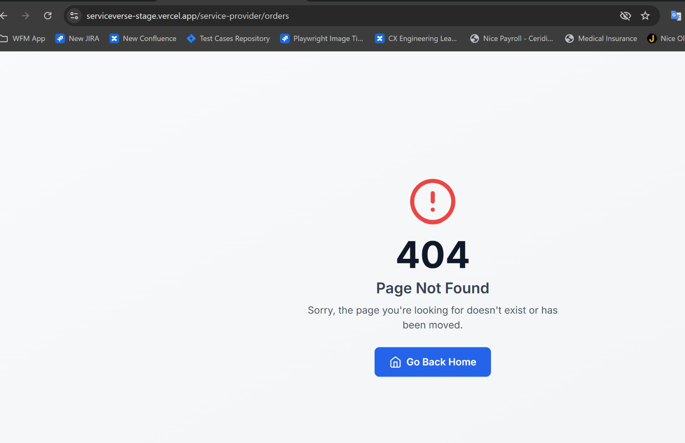 |  | Varun | Fixed
10 | Customer click on Dashboard option from drop down from right top corner and getting 404 | 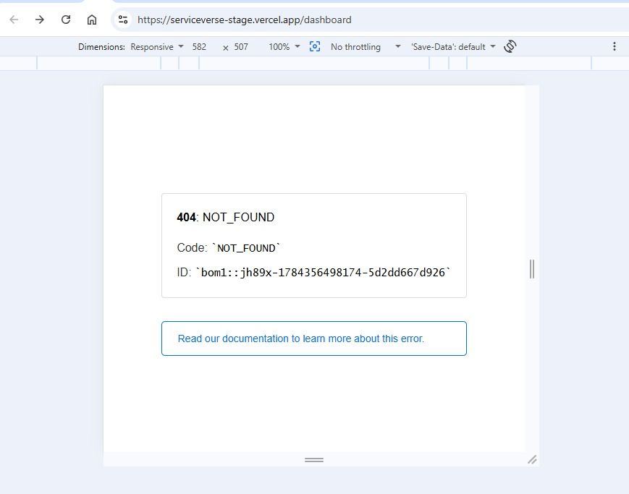 |  | Kushal | Fixed
11 | when service provider creates a customer it shows unverified and no option to verify that customer is found in super admin or account manager page | 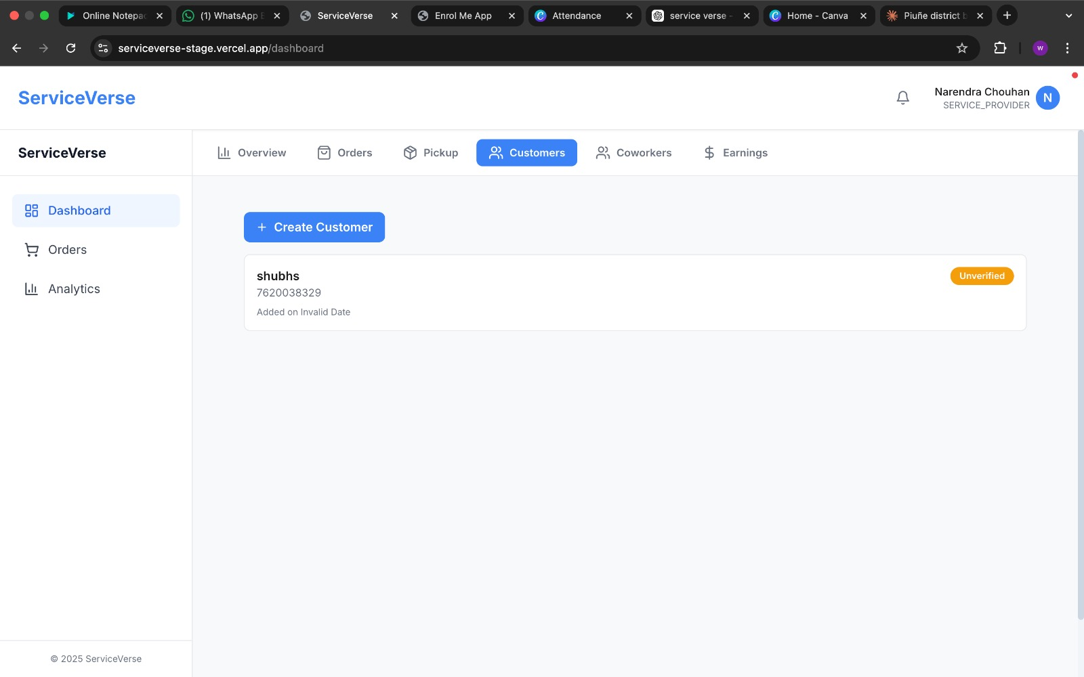 |  | Shubham | Not a Defect
12 | Checkbox required instead of Radio buttons and by default both should be checked | 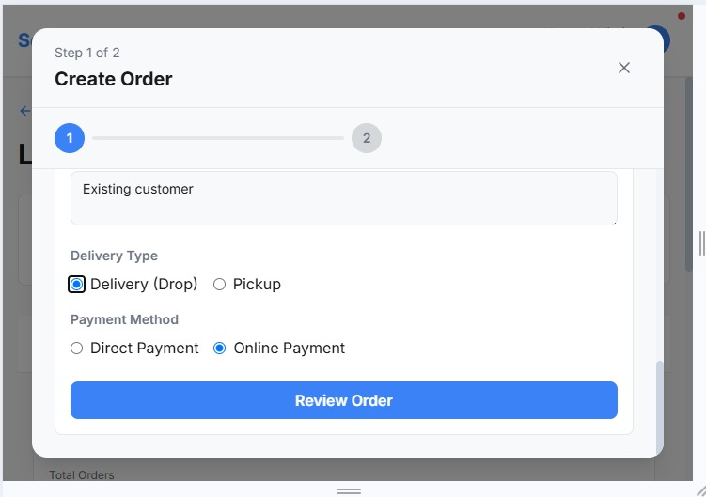 | Working as desired. Drop means the customer is delivering himself. The pickup by default means will be delivered as well | Kushal | Not a Defect
13 | SP - Update Profile - When user tries to cancel then the confirmation message is an alert, it should display in a modal. | 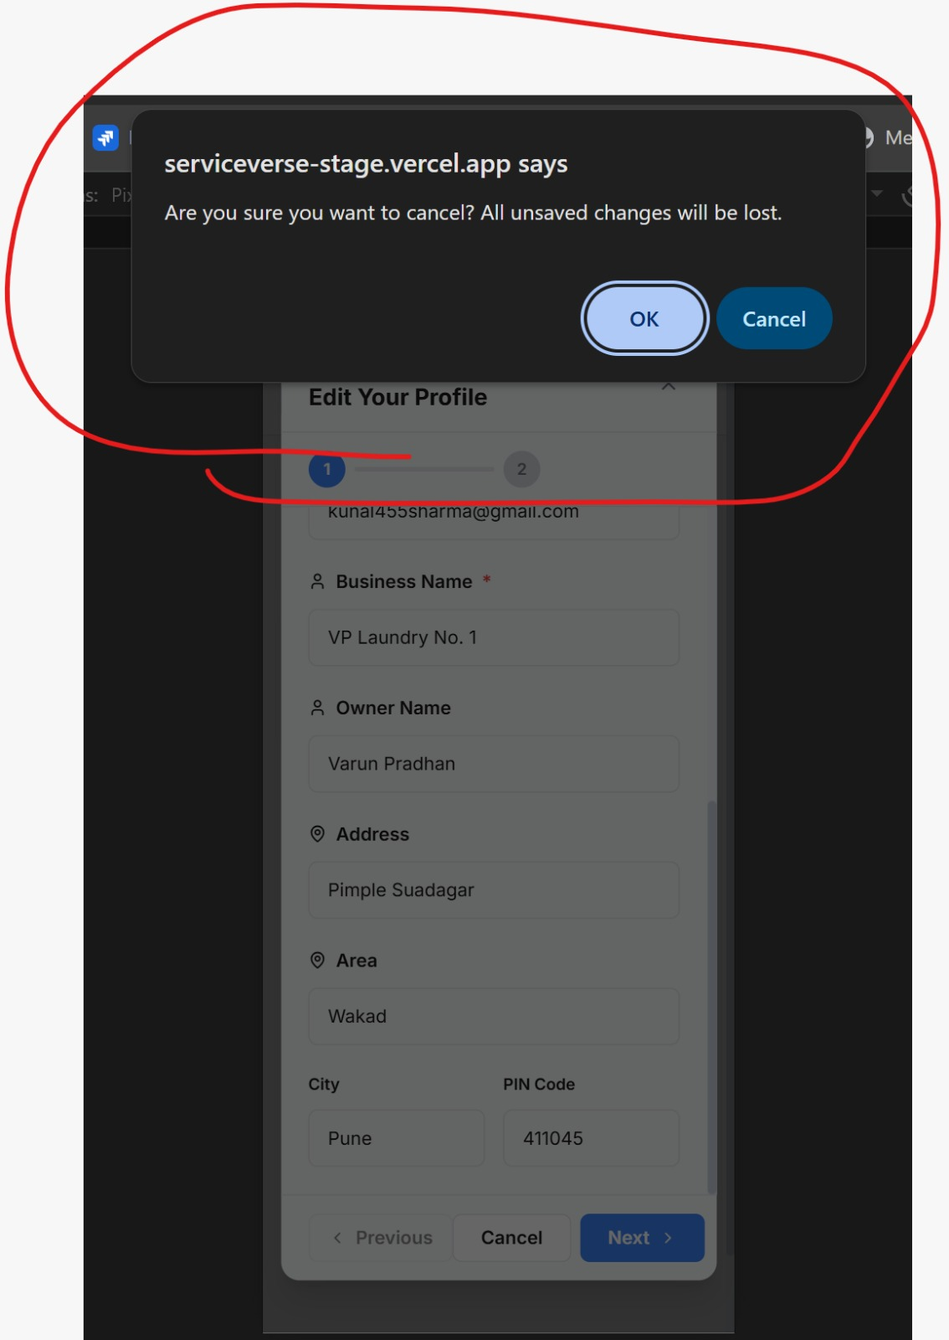 | ITs not a modal box right now. All the alerts should be displyed as modals. | Varun | Open
14 | UI displaced |  |  | Varun | Fixed
15 | On click of Confirm Order button getting this message...Customer should get order confirmation message instead | 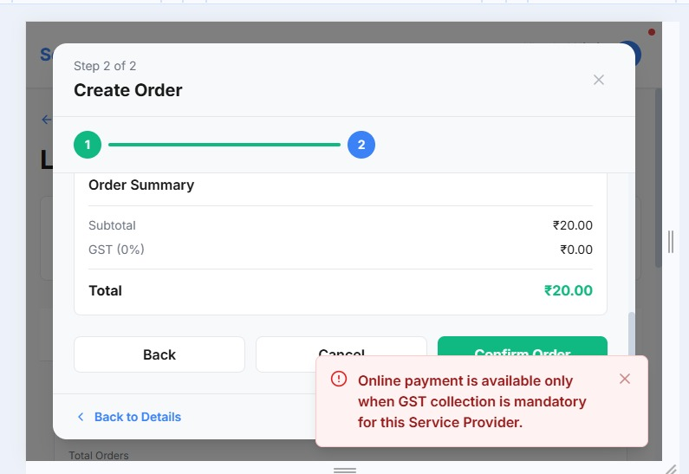 | Show this as a modal alert box. | Kushal | Open
16 | When user goes back from verification page and again clicks on Send OTP, the captcha is not refreshed. |  | Right now if the captcha is delivered once, it doesnst show up agaoin. Also there is no option to resend the OTP. There should be link which when clciked will resend the OTP/ | Varun | Open
17 | since SP registered this customer he should be able to see that narendra laundry by default ..but instead he is seeing regular options | 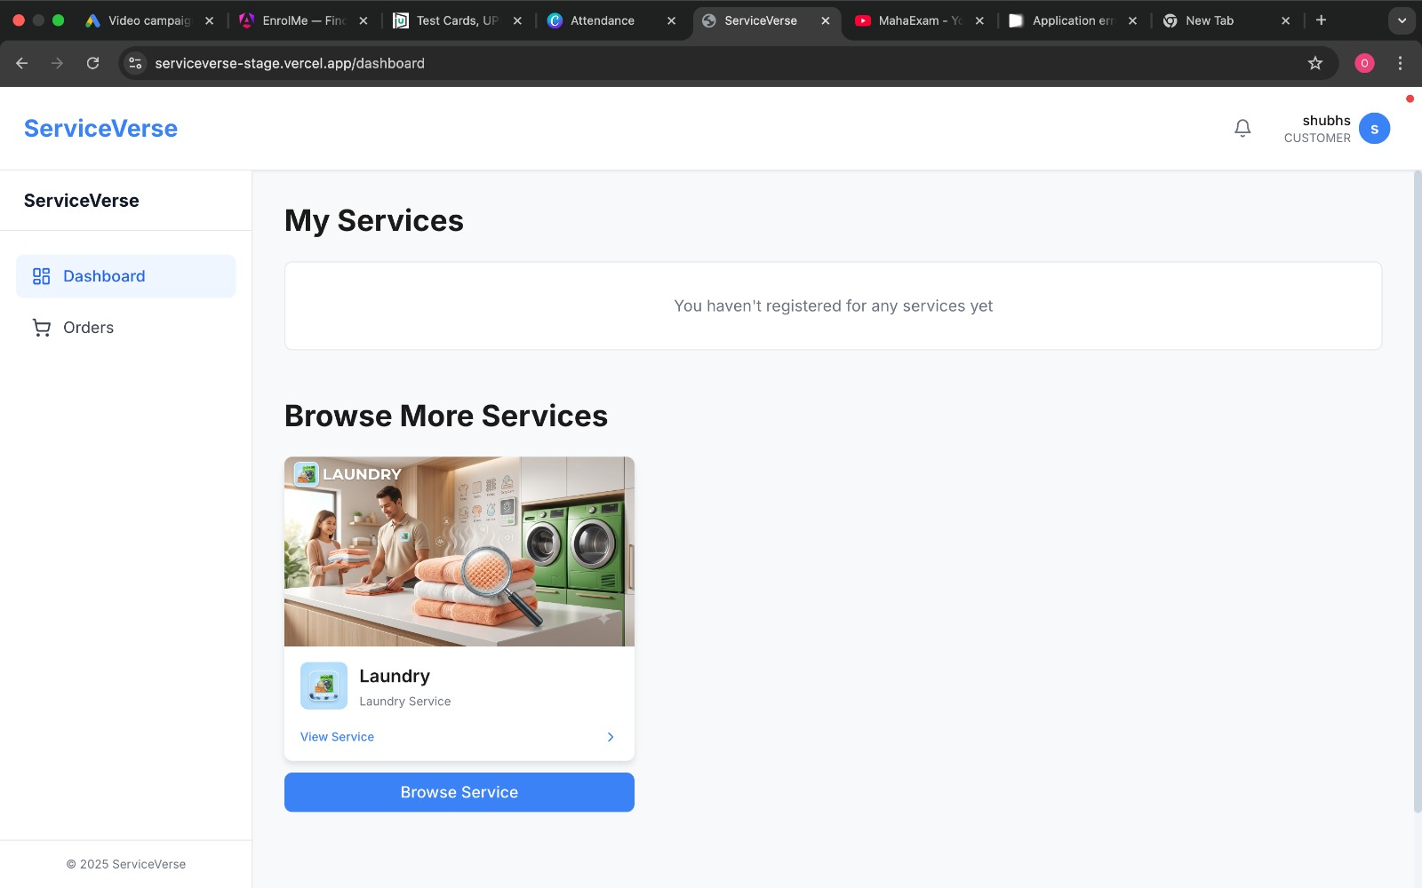 |  | Shubham | Not a Defect
18 | AM - there is no option to add menu items for this specific shop | 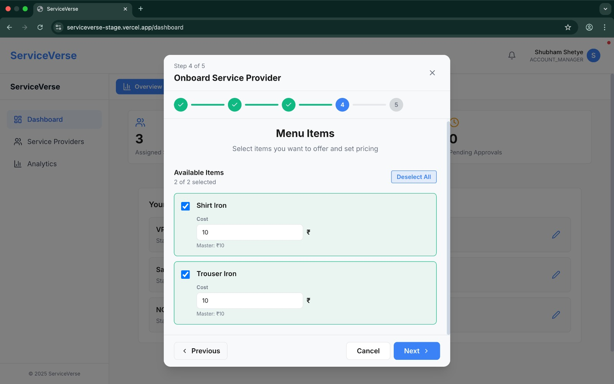 |  | Shubham | Deferred
19 | When SP is still not approved, then if user clicks on dashboard, it gives this 404 error. |  |  | Varun | Fixed
20 | On click on My orders twice gives the message |  | The error should not appear. MAy be we can show a dumbell icon , that says Loading.. | Kushal | Open
21 | After SP is registered the email notification should delivered to AM, but it is delivered to SP iteself. |  | Byt design, AM is not assigned by then. It goes to SA and SP. | Varun | Not a Defect
22 | No SMS sent to SP after SP is approved by AM. |  | By Desiogn, there are no SMS, only mails and Push notifications | Varun | Not a Defect
23 | Service should be Laundry on Email when SP is registered and email to approve the SP is sent. | 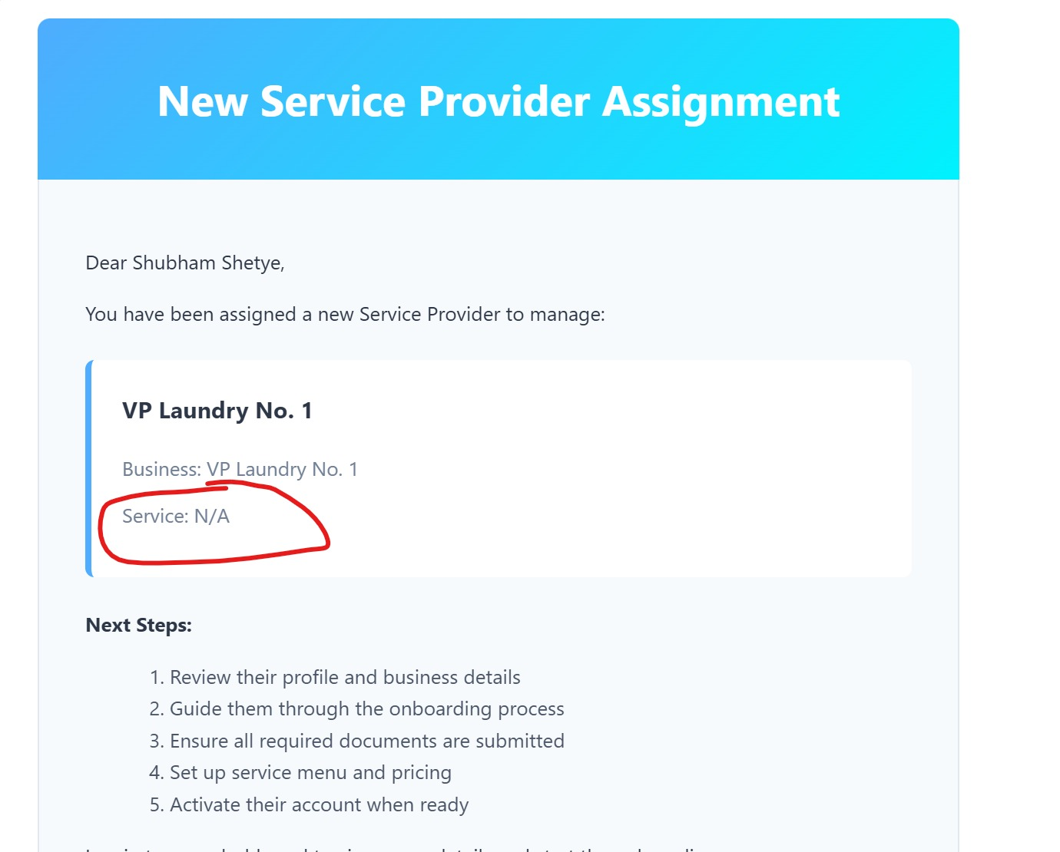 | Service name should be displayed | Varun | Open
24 | User is able to register twice with the same mobile number and same name |  | Duplicate is not created. If he already exists, he just gets the OTP | Kushal | Not a Defect
25 | Unable to create customer from SP user, from a create order flow | 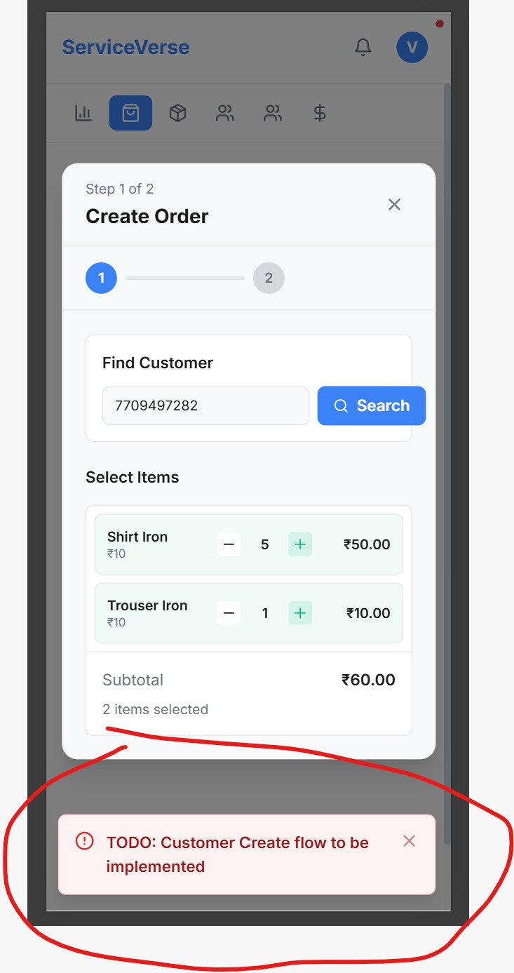 | The SP tries to create aorder, he searches customer, the customer is no tfound, there should be a button to create customer which takes the SP to the Create Custome rform which already exists. | Varun | Open
26 | Unable to create cutomer from cutomer flow |  |  | Varun | Deferred
27 | User Created Order and then cancel it, gives this message of Loading profile |  | This should not happen. Cancel should close th window | Kushal | Open
28 | Bell icon is not responsive and the unread icon is displayed above profile icon. |  |  | Varun | Deferred
29 | Service provider is not appearing in the search list even after activation |  | Service Provide should appear in the search. Check if the list is cached. This should not happen | Kushal | Open

