WeeklyAnalysis1
 |  | ** Assuming that the mall battery is reset on daily basis

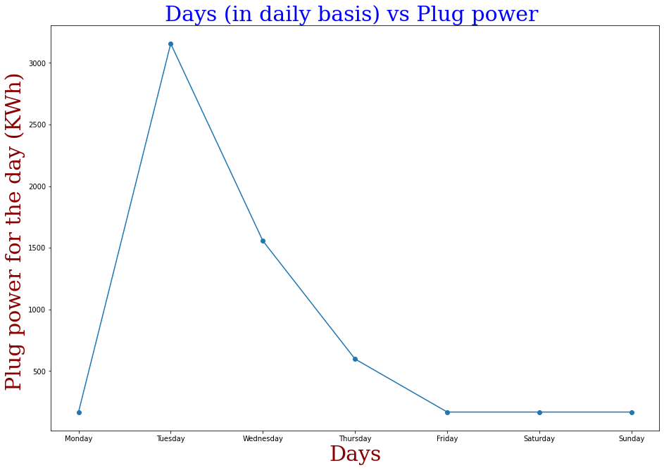
Weekly plug power needed
Day | Plug power KWh
Monday | 168
Tuesday | 3156
Wednesday | 1556
Thursday | 598
Friday | 168
Saturday | 168
Sunday | 168
 | 5982

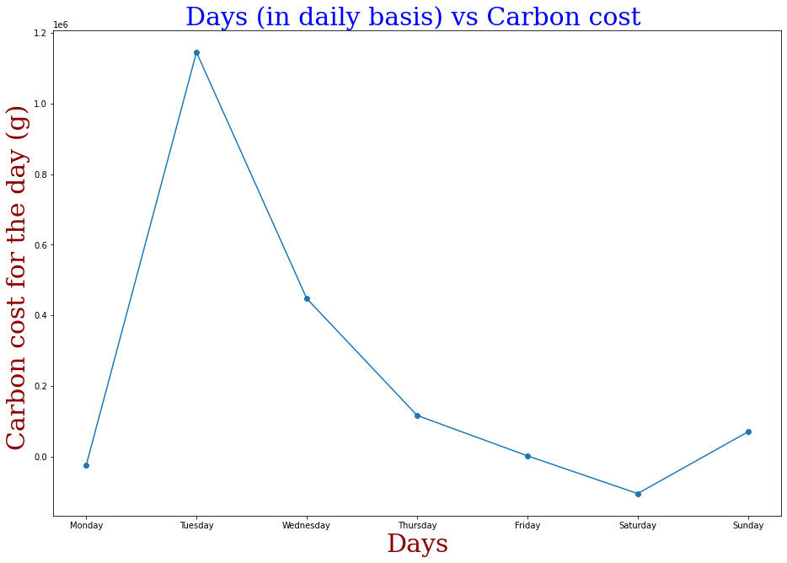
Weekly carbon cost
Day | Carbon Cost (g)
Monday | -24192
Tuesday | 1144668
Wednesday | 447552
Thursday | 117012
Friday | 2688
Saturday | -104160
Sunday | 70560
 | 1654128

WeeklyAnalysis2
 |  | ** Assuming that the mall battery is reset on weekly basis

Weekly plug power needed
Day | Plug power KWh
Monday | 168
Tuesday | 3062
Wednesday | 1556
Thursday | 573
Friday | 168
Saturday | 74
Sunday | 47
 | 5648

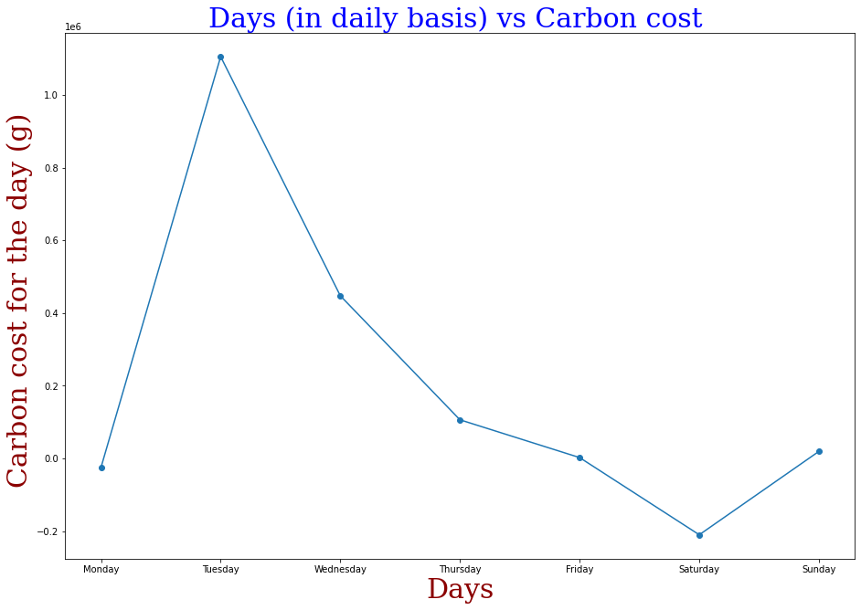

Weekly carbon cost
Day | Carbon Cost (g)
Monday | -24192
Tuesday | 1105188
Wednesday | 447552
Thursday | 106512
Friday | 2688
Saturday | -209580
Sunday | 19740
 | 1447908

DailyAnalysis1
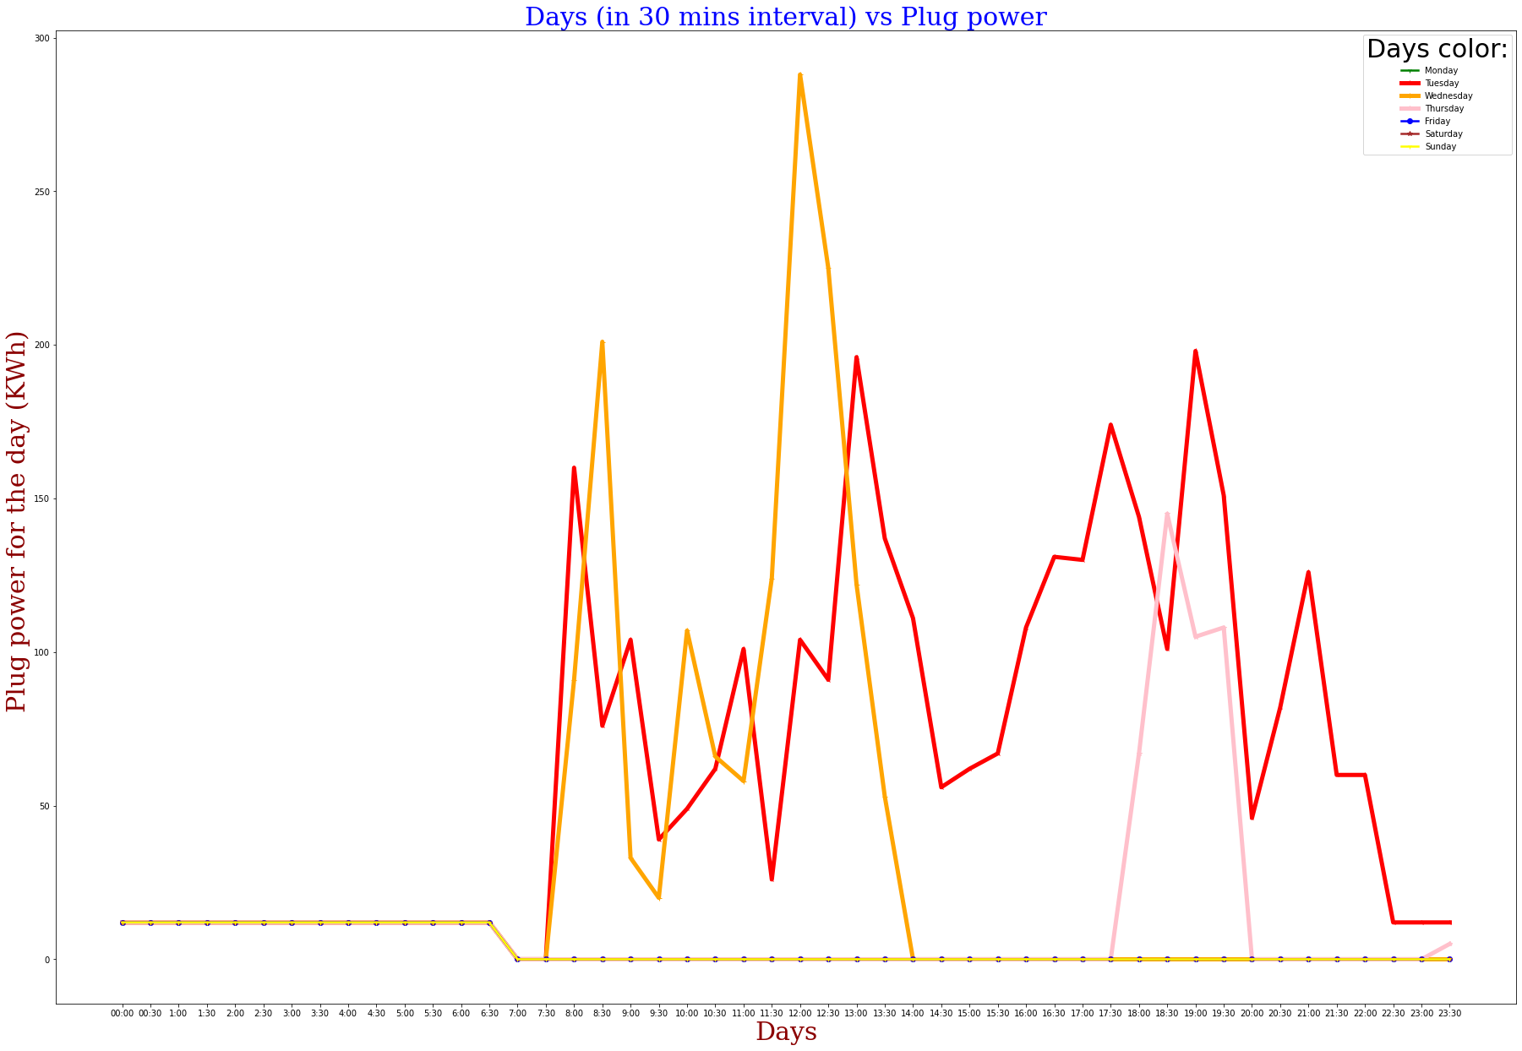
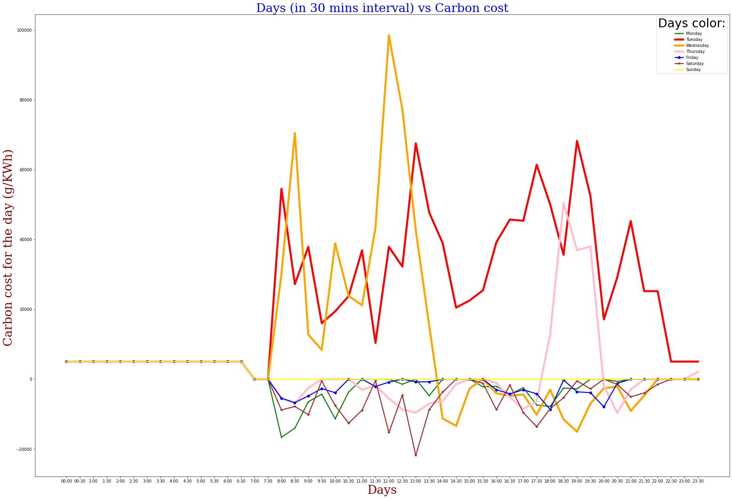
 |  |  |  | ** Assuming that the mall battery is reset on daily basis

 | Monday |  |  |  | Tuesday |  |  |  | Wednesday |  |  |  | Thursday |  |  |  | Friday |  |  |  | Saturday |  |  |  | Sunday
Time Interval | Charging vehicles | Discharging vehicles | Plug power needed | Carbon cost incurred | Charging vehicles | Discharging vehicles | Plug power needed | Carbon cost incurred | Charging vehicles | Discharging vehicles | Plug power needed | Carbon cost incurred | Charging vehicles | Discharging vehicles | Plug power needed | Carbon cost incurred | Charging vehicles | Discharging vehicles | Plug power needed | Carbon cost incurred | Charging vehicles | Discharging vehicles | Plug power needed | Carbon cost incurred | Charging vehicles | Discharging vehicles | Plug power needed | Carbon cost incurred
0:00:00 | NIL | NIL | 12 | 5040 | NIL | NIL | 12 | 5040 | NIL | NIL | 12 | 5040 | NIL | NIL | 12 | 5040 | NIL | NIL | 12 | 5040 | NIL | NIL | 12 | 5040 | NIL | NIL | 12 | 5040
0:30:00 | NIL | NIL | 12 | 5040 | NIL | NIL | 12 | 5040 | NIL | NIL | 12 | 5040 | NIL | NIL | 12 | 5040 | NIL | NIL | 12 | 5040 | NIL | NIL | 12 | 5040 | NIL | NIL | 12 | 5040
1:00:00 | NIL | NIL | 12 | 5040 | NIL | NIL | 12 | 5040 | NIL | NIL | 12 | 5040 | NIL | NIL | 12 | 5040 | NIL | NIL | 12 | 5040 | NIL | NIL | 12 | 5040 | NIL | NIL | 12 | 5040
1:30:00 | NIL | NIL | 12 | 5040 | NIL | NIL | 12 | 5040 | NIL | NIL | 12 | 5040 | NIL | NIL | 12 | 5040 | NIL | NIL | 12 | 5040 | NIL | NIL | 12 | 5040 | NIL | NIL | 12 | 5040
2:00:00 | NIL | NIL | 12 | 5040 | NIL | NIL | 12 | 5040 | NIL | NIL | 12 | 5040 | NIL | NIL | 12 | 5040 | NIL | NIL | 12 | 5040 | NIL | NIL | 12 | 5040 | NIL | NIL | 12 | 5040
2:30:00 | NIL | NIL | 12 | 5040 | NIL | NIL | 12 | 5040 | NIL | NIL | 12 | 5040 | NIL | NIL | 12 | 5040 | NIL | NIL | 12 | 5040 | NIL | NIL | 12 | 5040 | NIL | NIL | 12 | 5040
3:00:00 | NIL | NIL | 12 | 5040 | NIL | NIL | 12 | 5040 | NIL | NIL | 12 | 5040 | NIL | NIL | 12 | 5040 | NIL | NIL | 12 | 5040 | NIL | NIL | 12 | 5040 | NIL | NIL | 12 | 5040
3:30:00 | NIL | NIL | 12 | 5040 | NIL | NIL | 12 | 5040 | NIL | NIL | 12 | 5040 | NIL | NIL | 12 | 5040 | NIL | NIL | 12 | 5040 | NIL | NIL | 12 | 5040 | NIL | NIL | 12 | 5040
4:00:00 | NIL | NIL | 12 | 5040 | NIL | NIL | 12 | 5040 | NIL | NIL | 12 | 5040 | NIL | NIL | 12 | 5040 | NIL | NIL | 12 | 5040 | NIL | NIL | 12 | 5040 | NIL | NIL | 12 | 5040
4:30:00 | NIL | NIL | 12 | 5040 | NIL | NIL | 12 | 5040 | NIL | NIL | 12 | 5040 | NIL | NIL | 12 | 5040 | NIL | NIL | 12 | 5040 | NIL | NIL | 12 | 5040 | NIL | NIL | 12 | 5040
5:00:00 | NIL | NIL | 12 | 5040 | NIL | NIL | 12 | 5040 | NIL | NIL | 12 | 5040 | NIL | NIL | 12 | 5040 | NIL | NIL | 12 | 5040 | NIL | NIL | 12 | 5040 | NIL | NIL | 12 | 5040
5:30:00 | NIL | NIL | 12 | 5040 | NIL | NIL | 12 | 5040 | NIL | NIL | 12 | 5040 | NIL | NIL | 12 | 5040 | NIL | NIL | 12 | 5040 | NIL | NIL | 12 | 5040 | NIL | NIL | 12 | 5040
6:00:00 | NIL | NIL | 12 | 5040 | NIL | NIL | 12 | 5040 | NIL | NIL | 12 | 5040 | NIL | NIL | 12 | 5040 | NIL | NIL | 12 | 5040 | NIL | NIL | 12 | 5040 | NIL | NIL | 12 | 5040
6:30:00 | NIL | NIL | 12 | 5040 | NIL | NIL | 12 | 5040 | NIL | NIL | 12 | 5040 | NIL | NIL | 12 | 5040 | NIL | NIL | 12 | 5040 | NIL | NIL | 12 | 5040 | NIL | NIL | 12 | 5040
7:00:00 | NIL | NIL | 0 | 0 | NIL | NIL | 0 | 0 | NIL | NIL | 0 | 0 | NIL | NIL | 0 | 0 | NIL | NIL | 0 | 0 | NIL | NIL | 0 | 0 | NIL | NIL | 0 | 0
7:30:00 | NIL | NIL | 0 | 0 | NIL | NIL | 0 | 0 | NIL | NIL | 0 | 0 | NIL | NIL | 0 | 0 | NIL | NIL | 0 | 0 | NIL | NIL | 0 | 0 | NIL | NIL | 0 | 0
8:00:00 | NIL | 'Mo2', 'Mo3', 'Mo6', 'Mo8', 'Mo9', 'Mo10' | 0 | -16632 | NIL | 'Tu1', 'Tu2', 'Tu5', 'Tu6', 'Tu7', 'Tu9' | 160 | 54516 | 'We6' | 'We1', 'We5', 'We7' | 91 | 30072 |  | 'Th2', 'Th3', 'Th6' | 0 | -5460 | NIL | 'Fr1', 'Fr3' | 0 | -5460 | NIL | 'Sa2', 'Sa3' | 0 | -8820 | NIL | NIL | 0 | 0
8:30:00 | 'Mo3', 'Mo6', 'Mo16' | 'Mo11', 'Mo12', 'Mo14', 'Mo18' | 0 | -14028 | 'Tu7' | 'Tu10', 'Tu11' | 76 | 27216 | 'We1', 'We13' | 'We10', 'We11', 'We14' | 201 | 70476 | 'Th2' | 'Th7', 'Th8', 'Th9' | 0 | -6888 | 'Fr4' | 'Fr5', 'Fr6', 'Fr7' | 0 | -6720 | 'Sa3' | 'Sa4', 'Sa5', 'Sa6', 'Sa8', 'Sa9' | 0 | -7812 | NIL | NIL | 0 | 0
9:00:00 | 'Mo12' | 'Mo19', 'Mo21' | 0 | -6468 | 'Tu10', 'Tu16' | NIL | 104 | 37884 | 'We11' | NIL | 33 | 12768 | 'Th7', 'Th13' | 'Th11' | 0 | -2520 | 'Fr7' | 'Fr8' | 0 | -4788 | 'Sa2', 'Sa5' | 'Sa9', 'Sa10', 'Sa11', 'Sa12', 'Sa13', 'Sa14', 'Sa15', 'Sa16' | 0 | -10164 | NIL | NIL | 0 | 0
9:30:00 |  | 'Mo24' | 0 | -4284 | NIL | 'Tu18' | 39 | 16044 | NIL | NIL | 20 | 8400 | NIL | NIL | 0 | 0 | 'Fr8' | NIL | 0 | -2688 | 'Sa8' | 'Sa10', 'Sa11', 'Sa12', 'Sa13', 'Sa14', 'Sa17', 'Sa18', 'Sa19', 'Sa20', 'Sa21' | 0 | -504 | NIL | NIL | 0 | 0
10:00:00 | 'Mo24' | 'Mo25', 'Mo26', 'Mo27' | 0 | -11340 | NIL | 'Tu19' | 49 | 19404 | 'We18', 'We20' | 'We17', 'We19' | 107 | 38892 | NIL | NIL | 0 | 0 | 'Fr11' | 'Fr12', 'Fr14' | 0 | -3864 | 'Sa9' | 'Sa11', 'Sa13', 'Sa17', 'Sa18', 'Sa20', 'Sa23', 'Sa24', 'Sa25', 'Sa26', 'Sa27', 'Sa28', 'Sa29', 'Sa30', 'Sa31' | 0 | -7560 | NIL | NIL | 0 | 0
10:30:00 | 'Mo25' | 'Mo29' | 0 | -3696 | NIL | 'Tu21', 'Tu22' | 62 | 23772 | 'We19', 'We21', 'We22' | NIL | 66 | 23856 | NIL | NIL | 0 | 0 | NIL | NIL | 0 | 0 | 'Sa13', 'Sa32', 'Sa41' | 'Sa24', 'Sa27', 'Sa29', 'Sa33', 'Sa34', 'Sa36', 'Sa37', 'Sa39', 'Sa42', 'Sa44' | 0 | -12600 | NIL | NIL | 0 | 0
11:00:00 | NIL | 'Mo30', 'Mo31' | 0 | 0 | 'Tu28' | 'Tu25', 'Tu26' | 101 | 36876 | NIL | 'We24' | 58 | 21168 | NIL | 'Th17', 'Th19' | 0 | -3024 | NIL | 'Fr15' | 0 | 0 | 'Sa28', 'Sa48', 'Sa53', 'Sa54' | 'Sa37', 'Sa44', 'Sa45', 'Sa49', 'Sa51', 'Sa55', 'Sa56', 'Sa57', 'Sa58', 'Sa59' | 0 | -8904 | NIL | NIL | 0 | 0
11:30:00 | NIL | 'Mo34' | 0 | 0 | NIL | 'Tu29' | 26 | 10416 | 'We24' | 'We26', 'We28' | 124 | 43344 | NIL | 'Th22' | 0 | -1764 | NIL | 'Fr17' | 0 | -2100 | 'Sa34' | 'Sa37', 'Sa49', 'Sa55', 'Sa57', 'Sa58', 'Sa61', 'Sa62', 'Sa63', 'Sa64', 'Sa65', 'Sa66', 'Sa68', 'Sa69', 'Sa70', 'Sa71', 'Sa72' | 0 | -420 | NIL | NIL | 0 | 0
12:00:00 | NIL | 'Mo38', 'Mo40', 'Mo42', 'Mo43', 'Mo44' | 0 | 0 | 'Tu38' | 'Tu31', 'Tu32', 'Tu33', 'Tu34' | 104 | 37884 | 'We26', 'We28' | 'We31', 'We32', 'We33', 'We34', 'We35', 'We36' | 288 | 98448 | 'Th29' | 'Th24', 'Th30' | 0 | -5544 | 'Fr17', 'Fr22' | NIL | 0 | -840 | 'Sa33', 'Sa56', 'Sa59' | 'Sa58', 'Sa61', 'Sa62', 'Sa65', 'Sa71', 'Sa73', 'Sa74', 'Sa75', 'Sa76', 'Sa77' | 0 | -15288 | NIL | NIL | 0 | 0
12:30:00 | 'Mo46', 'Mo49' | 'Mo45', 'Mo47', 'Mo50' | 0 | -1428 | 'Tu34' | 'Tu39', 'Tu40', 'Tu41', 'Tu43' | 91 | 32256 | 'We31', 'We33', 'We36' | 'We38', 'We39', 'We40' | 225 | 77280 | 'Th30' | 'Th31', 'Th32', 'Th34', 'Th35' | 0 | -8652 | NIL | 'Fr24', 'Fr25' | 0 | 0 | 'Sa77', 'Sa79' | 'Sa65', 'Sa75', 'Sa80', 'Sa82', 'Sa83' | 0 | -4536 | NIL | NIL | 0 | 0
13:00:00 | NIL | 'Mo51', 'Mo55', 'Mo56' | 0 | 0 | 'Tu40', 'Tu47', 'Tu48' | 'Tu46', 'Tu49' | 196 | 67536 | 'We39', 'We47', 'We50' | 'We44', 'We45' | 122 | 42672 | 'Th35', 'Th37' | 'Th36', 'Th38', 'Th39' | 0 | -9576 | 'Fr32' | 'Fr29', 'Fr30', 'Fr31', 'Fr34' | 0 | -756 | 'Sa61', 'Sa62', 'Sa71', 'Sa85' | 'Sa75', 'Sa80', 'Sa82', 'Sa84', 'Sa86', 'Sa87', 'Sa88' | 0 | -21840 | NIL | NIL | 0 | 0
13:30:00 | 'Mo59' | 'Mo58', 'Mo61' | 0 | -4704 | 'Tu46', 'Tu49' | 'Tu51' | 137 | 47712 | 'We45' | 'We52', 'We54', 'We56' | 53 | 15288 | 'Th38', 'Th41' | 'Th40', 'Th43', 'Th44' | 0 | -6972 | 'Fr38', 'Fr39' | NIL | 0 | -756 | 'Sa75' | 'Sa87', 'Sa89', 'Sa91', 'Sa92', 'Sa93', 'Sa94' | 0 | -8736 | NIL | NIL | 0 | 0
14:00:00 | NIL | 'Mo66' | 0 | 0 | NIL | 'Tu55', 'Tu57' | 111 | 38976 | NIL | 'We58', 'We61', 'We62' | 0 | -11256 | 'Th44', 'Th45', 'Th47' | 'Th46', 'Th49' | 0 | -6216 | NIL | 'Fr43', 'Fr44', 'Fr45' | 0 | 0 | 'Sa86', 'Sa87' | 'Sa95', 'Sa96', 'Sa97', 'Sa98', 'Sa99', 'Sa101', 'Sa104', 'Sa105', 'Sa106', 'Sa108', 'Sa109', 'Sa110' | 0 | -3696 | NIL | NIL | 0 | 0
14:30:00 | NIL | 'Mo67', 'Mo69' | 0 | 0 | 'Tu55' | 'Tu60' | 56 | 20496 | 'We61', 'We62' | 'We65', 'We66', 'We68' | 0 | -13356 | 'Th46' | 'Th51' | 0 | -1428 | NIL | 'Fr47' | 0 | 0 | NIL | 'Sa95', 'Sa96', 'Sa97', 'Sa98', 'Sa101', 'Sa104', 'Sa105', 'Sa109', 'Sa111', 'Sa112', 'Sa113', 'Sa115', 'Sa116', 'Sa118', 'Sa119', 'Sa120', 'Sa121', 'Sa122', 'Sa123' | 0 | 0 | NIL | NIL | 0 | 0
15:00:00 | NIL | 'Mo71' | 0 | 0 | 'Tu61' | 'Tu62' | 62 | 22512 | 'We66' | NIL | 0 | -2688 | NIL | 'Th53' | 0 | 0 | NIL | 'Fr49', 'Fr51', 'Fr53' | 0 | 0 | NIL | 'Sa104', 'Sa113', 'Sa116', 'Sa118', 'Sa120', 'Sa122', 'Sa123', 'Sa124', 'Sa125', 'Sa126', 'Sa127', 'Sa128', 'Sa129', 'Sa130', 'Sa133', 'Sa134', 'Sa135' | 0 | 0 | NIL | NIL | 0 | 0
15:30:00 | NIL | 'Mo73' | 0 | -2184 | NIL | 'Tu64' | 67 | 25452 | NIL | NIL | 0 | 0 | NIL | NIL | 0 | 0 | NIL | 'Fr56', 'Fr57', 'Fr58' | 0 | 0 | 'Sa137', 'Sa140' | 'Sa113', 'Sa118', 'Sa120', 'Sa125', 'Sa128', 'Sa130', 'Sa133', 'Sa135', 'Sa136', 'Sa138', 'Sa141', 'Sa143' | 0 | -1176 | NIL | NIL | 0 | 0
16:00:00 | 'Mo74' | NIL | 0 | -2016 | 'Tu64' | 'Tu66', 'Tu67' | 108 | 39228 | NIL | 'We70', 'We72' | 0 | -4032 | 'Th55' | NIL | 0 | -1092 | 'Fr59' | NIL | 0 | -3024 | 'Sa146', 'Sa150', 'Sa151', 'Sa154', 'Sa155' | 'Sa125', 'Sa128', 'Sa135', 'Sa141', 'Sa144', 'Sa145', 'Sa147', 'Sa149', 'Sa153' | 0 | -8736 | NIL | NIL | 0 | 0
16:30:00 | 'Mo76', 'Mo78' | 'Mo75' | 0 | -4368 | 'Tu71' | 'Tu68', 'Tu70' | 131 | 45696 | 'We72', 'We78' | 'We74' | 0 | -4788 | 'Th61' | 'Th58', 'Th59' | 0 | -5208 | 'Fr60', 'Fr64' | 'Fr62' | 0 | -4200 | NIL | 'Sa141', 'Sa145', 'Sa147', 'Sa149', 'Sa156', 'Sa157', 'Sa158', 'Sa159', 'Sa161', 'Sa162' | 0 | -1680 | NIL | NIL | 0 | 0
17:00:00 | 'Mo75', 'Mo82', 'Mo84' | NIL | 0 | -2436 | 'Tu68', 'Tu70', 'Tu75', 'Tu76' | 'Tu74', 'Tu77' | 130 | 45360 | NIL | 'We80', 'We81', 'We83' | 0 | -4368 | 'Th58', 'Th64', 'Th66' | 'Th67' | 0 | -8484 | 'Fr66' | 'Fr68', 'Fr69' | 0 | -3024 | 'Sa144', 'Sa158', 'Sa164' | 'Sa149', 'Sa156', 'Sa157', 'Sa162', 'Sa165', 'Sa166', 'Sa167', 'Sa169', 'Sa170' | 0 | -9576 | NIL | NIL | 0 | 0
17:30:00 | 'Mo90', 'Mo91', 'Mo92' | 'Mo85', 'Mo86', 'Mo87', 'Mo88', 'Mo89' | 0 | -7392 | 'Tu77', 'Tu78', 'Tu81' | 'Tu80', 'Tu83' | 174 | 61404 | 'We81', 'We86', 'We88' | 'We84', 'We87', 'We89', 'We90', 'We91' | 0 | -10164 | 'Th72', 'Th73', 'Th76' | 'Th69', 'Th70' | 0 | -6384 | 'Fr73' | 'Fr70', 'Fr71', 'Fr72' | 0 | -4200 | 'Sa153', 'Sa157', 'Sa172' | 'Sa156', 'Sa162', 'Sa165', 'Sa167', 'Sa173' | 0 | -13608 | NIL | NIL | 0 | 0
18:00:00 | 'Mo87', 'Mo100' | 'Mo93', 'Mo95', 'Mo96' | 0 | -7812 | 'Tu80' | 'Tu87', 'Tu89' | 144 | 50064 | 'We90' | 'We97' | 0 | -3024 | 'Th69', 'Th78', 'Th79', 'Th84' | 'Th77', 'Th80', 'Th82' | 67 | 12768 | 'Fr71', 'Fr74' | 'Fr75', 'Fr76' | 0 | -8652 | 'Sa156', 'Sa165', 'Sa167' | 'Sa173', 'Sa175', 'Sa176', 'Sa177' | 0 | -8484 | NIL | NIL | 0 | 0
18:30:00 | NIL | 'Mo102', 'Mo105' | 0 | -2520 | 'Tu89' | 'Tu90', 'Tu93', 'Tu94' | 101 | 35616 | 'We100', 'We104' | 'We99', 'We102', 'We103' | 0 | -11508 | 'Th82', 'Th86' | 'Th85', 'Th87', 'Th89', 'Th90' | 145 | 50400 | 'Fr80' | 'Fr78', 'Fr79' | 0 | -252 | 'Sa173', 'Sa180' | 'Sa176', 'Sa178', 'Sa179' | 0 | -5292 | NIL | NIL | 0 | 0
19:00:00 | 'Mo110' | 'Mo108', 'Mo109' | 0 | -2772 | 'Tu90', 'Tu93', 'Tu94' | 'Tu96', 'Tu99' | 198 | 68208 | 'We99', 'We102', 'We103', 'We108' | 'We105', 'We106' | 0 | -15036 | 'Th89' | 'Th91', 'Th92', 'Th94' | 105 | 36960 | 'Fr83', 'Fr85' | 'Fr84' | 0 | -3612 | 'Sa182' | 'Sa176', 'Sa184' | 0 | -504 | NIL | NIL | 0 | 0
19:30:00 | NIL | 'Mo112', 'Mo115' | 0 | 0 | 'Tu99', 'Tu100' | 'Tu103', 'Tu104' | 151 | 52416 | 'We106', 'We111' | 'We109' | 0 | -6972 | 'Th91', 'Th92', 'Th97' | NIL | 108 | 37968 | 'Fr84' | 'Fr87', 'Fr88' | 0 | -3864 | 'Sa178' | 'Sa184', 'Sa186' | 0 | -2772 | NIL | NIL | 0 | 0
20:00:00 | NIL | 'Mo120' | 0 | 0 | 'Tu104', 'Tu106' | NIL | 46 | 17136 | NIL | 'We113', 'We115' | 0 | -2604 | NIL | 'Th100', 'Th101' | 0 | -1932 | 'Fr88', 'Fr97' | 'Fr91', 'Fr92' | 0 | -7896 | NIL | 'Sa184', 'Sa186', 'Sa187' | 0 | 0 | NIL | NIL | 0 | 0
20:30:00 | 'Mo121' | 'Mo122', 'Mo123' | 0 | -672 | 'Tu108' | 'Tu107', 'Tu109' | 82 | 29232 | NIL | 'We116' | 0 | -2100 | 'Th100', 'Th103' | 'Th102', 'Th104' | 0 | -9660 | 'Fr91' | 'Fr100', 'Fr101' | 0 | -1176 | NIL | 'Sa186', 'Sa190' | 0 | -1512 | NIL | NIL | 0 | 0
21:00:00 | NIL | 'Mo124' | 0 | 0 | 'Tu109' | 'Tu111', 'Tu112' | 126 | 45276 | 'We116' | 'We118' | 0 | -9072 | 'Th102' | 'Th107', 'Th108' | 0 | -2940 | NIL | 'Fr103', 'Fr104', 'Fr106' | 0 | 0 | 'Sa186', 'Sa194' | 'Sa190', 'Sa191', 'Sa192', 'Sa195' | 0 | -5040 | NIL | NIL | 0 | 0
21:30:00 | NIL | NIL | 0 | 0 | NIL | NIL | 60 | 25200 | 'We118' | NIL | 0 | -4704 | NIL | NIL | 0 | 0 | NIL | NIL | 0 | 0 | NIL | 'Sa191' | 0 | -3948 | NIL | NIL | 0 | 0
22:00:00 | NIL | NIL | 0 | 0 | NIL | NIL | 60 | 25200 | NIL | NIL | 0 | 0 | NIL | NIL | 0 | 0 | NIL | NIL | 0 | 0 | 'Sa191' | NIL | 0 | -1512 | NIL | NIL | 0 | 0
22:30:00 | NIL | NIL | 0 | 0 | NIL | NIL | 12 | 5040 | NIL | NIL | 0 | 0 | NIL | NIL | 0 | 0 | NIL | NIL | 0 | 0 | NIL | NIL | 0 | 0 | NIL | NIL | 0 | 0
23:00:00 | NIL | NIL | 0 | 0 | NIL | NIL | 12 | 5040 | NIL | NIL | 0 | 0 | NIL | NIL | 0 | 0 | NIL | NIL | 0 | 0 | NIL | NIL | 0 | 0 | NIL | NIL | 0 | 0
23:30:00 | NIL | NIL | 0 | 0 | NIL | NIL | 12 | 5040 | NIL | NIL | 0 | 0 | NIL | NIL | 5 | 2100 | NIL | NIL | 0 | 0 | NIL | NIL | 0 | 0 | NIL | NIL | 0 | 0

