Figure 1 Number of Persons 65+
Figure 1: Number of Persons Age 65 and Over, 1900 - 2060 (numbers in millions)
Year | Persons (in millions)
1900 | 3.1
1920 | 4.9
1940 | 9
1960 | 16.2
1980 | 25.5
2000 | 35
2017 | 50.9
2020 | 56.1
2040 | 80.8
2060 | 94.7
Figure 1: Number of Persons Age 65 and Over, 1900 to 2060 (numbers in millions)
Figure 1 - Chart shows the large increases in the older population from 3.1 million people in
1900 to 50.9 million in 2017 and projected to 94.7 million in 2060.
Note: Increments in years are uneven. Bars with stripped pattern indicate projections.
Source: U.S. Census Bureau, Population Estimates and Projections.

Figure 2 Marital Status
Figure 2: Marital Status of Persons Age 65 and Over, 2018
Status | Women | Men
Married | 46% | 70%
Widowed | 32% | 11%
Divorced or Separated/ Spouse Absent | 16% | 14%
Single (never married) | 6% | 6%
Figure 2: Marital Status of Persons Age 65 and Over, 2018
Figure 2 - Chart shows the gender differences as men are more likely to be married (70% to 46%), women more likely to be widowed (32% to 11%),
women are more likely to be divorced or separated/spouse absent (16% to 14%), and women and men are equally likely to be single or never married (6%).
Source: U.S. Census Bureau, Current Population Survey, Annual Social and Economic Supplement.

Figure 3 Living Arrangements
Figure 3: Living Arrangements of Persons Age 65 and Over, 2018
Status | Men | Women
Living with spouse or partner | 72% | 48%
Living alone | 21% | 34%
Other | 7% | 18%
Chart 3M of Figure 3: Living Arrangements of Men Age 65+ and Over 2018

Figure 3M shows that 72% of older men live with a spouse and 21% live alone while 7% live in other arrangements.
Chart 3F of Figure 3: Living Arrangements of Women Age 65 and Over, 2018

Figure 3F shows that 48% of older women live with a spouse and 34% live alone while 18% live in other arrangements.
Source: U.S. Census Bureau, Current Population Survey, Annual Social and Economic Supplement.

Figure 4 State Map Percent 65+
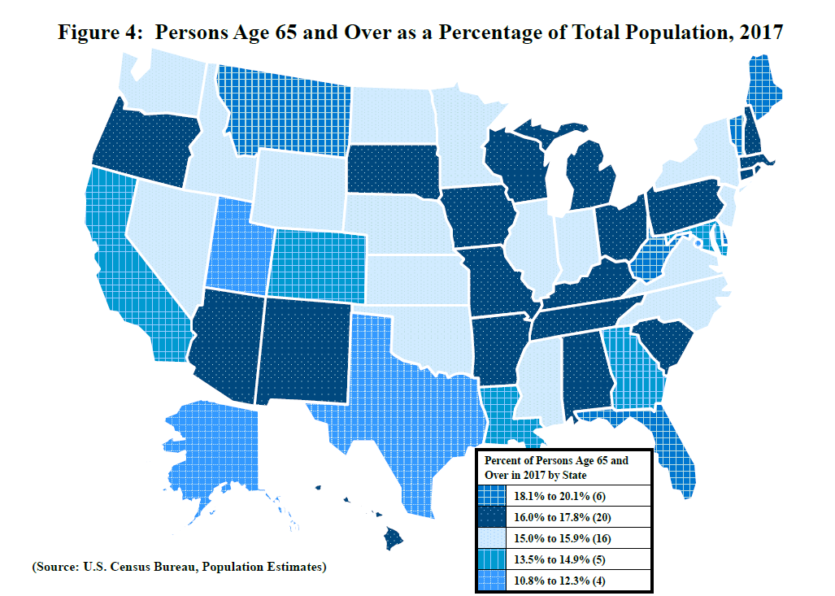
Figure 4: Persons Age 65 and Over as a Percentage of Total Population, 2017
Location | Percent of all Ages
U.S Total | 15.6%
Alabama | 16.5%
Alaska | 11.2%
Arizona | 17.1%
Arkansas | 16.6%
California | 13.9%
Colorado | 13.8%
Connecticut | 16.8%
Delaware | 18.1%
District of Columbia | 12.1%
Florida | 20.1%
Georgia | 13.5%
Hawaii | 17.8%
Idaho | 15.4%
Illinois | 15.2%
Indiana | 15.4%
Iowa | 16.7%
Kansas | 15.4%
Kentucky | 16.0%
Louisiana | 14.9%
Maine | 19.9%
Maryland | 14.9%
Massachusetts | 16.2%
Michigan | 16.7%
Minnesota | 15.4%
Mississippi | 15.5%
Missouri | 16.5%
Montana | 18.1%
Nebraska | 15.4%
Nevada | 15.3%
New Hampshire | 17.6%
New Jersey | 15.8%
New Mexico | 16.9%
New York | 15.9%
North Carolina | 15.9%
North Dakota | 15.0%
Ohio | 16.7%
Oklahoma | 15.3%
Oregon | 17.1%
Pennsylvania | 17.8%
Rhode Island | 16.8%
South Carolina | 17.2%
South Dakota | 16.3%
Tennessee | 16.0%
Texas | 12.3%
Utah | 10.8%
Vermont | 18.7%
Virginia | 15.0%
Washington | 15.1%
West Virginia | 19.4%
Wisconsin | 16.5%
Wyoming | 15.8%
Puerto Rico | 19.7%

Figure 4 is a US state map showing the percent of persons over age 65 in the population of each state.
The data may be found in the table in Figure 4.
Data Source: U.S. Census Bureau, Population Estimates, accessed on February 13, 2019.

Figure 5 State Map Increase 65+
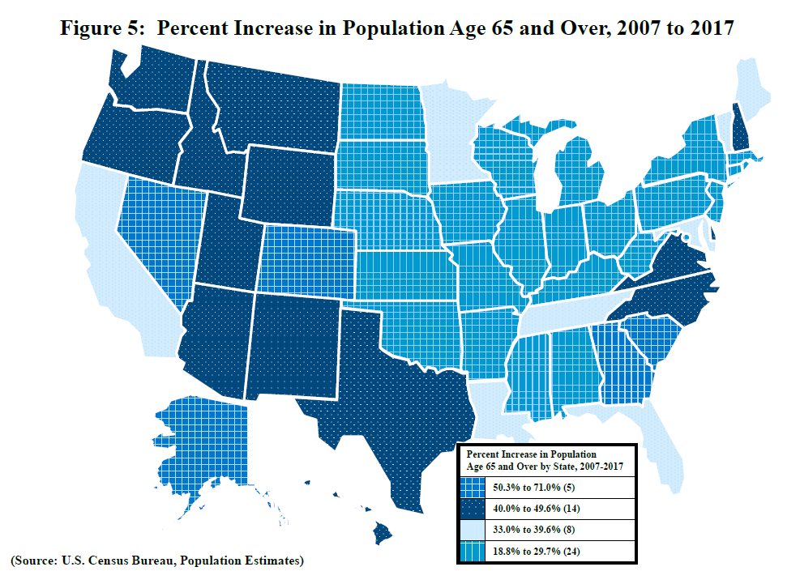
Figure 5: Percent Increase in Population Age 65 and Over, 2007 to 2017
Location | Percent Increase from 2007 to 2017
U.S. Total | 34.5%
Alabama | 29.4%
Alaska | 71.0%
Arizona | 49.6%
Arkansas | 25.3%
California | 39.6%
Colorado | 55.7%
Connecticut | 25.1%
Delaware | 46.1%
District of Columbia | 26.6%
Florida | 38.1%
Georgia | 50.3%
Hawaii | 40.6%
Idaho | 49.4%
Illinois | 26.1%
Indiana | 28.0%
Iowa | 18.8%
Kansas | 24.0%
Kentucky | 29.7%
Louisiana | 33.0%
Maine | 34.3%
Maryland | 37.4%
Massachusetts | 28.9%
Michigan | 29.2%
Minnesota | 33.6%
Mississippi | 27.2%
Missouri | 26.5%
Montana | 40.0%
Nebraska | 23.9%
Nevada | 57.8%
New Hampshire | 42.1%
New Jersey | 25.0%
New Mexico | 40.7%
New York | 25.7%
North Carolina | 44.4%
North Dakota | 18.9%
Ohio | 24.5%
Oklahoma | 25.2%
Oregon | 43.6%
Pennsylvania | 19.7%
Rhode Island | 20.3%
South Carolina | 50.7%
South Dakota | 25.9%
Tennessee | 35.9%
Texas | 45.6%
Utah | 47.3%
Vermont | 37.1%
Virginia | 41.3%
Washington | 48.0%
West Virginia | 22.4%
Wisconsin | 28.6%
Wyoming | 41.2%
Puerto Rico | 30.7%

Figure 5 is a US state map showing the percent increase from 2007 to 2017 in the older population of each state.
The data may be found in the table in Figure 5.
Data Source: U.S. Census Bureau, Population Estimates, accessed February 13, 2019

Figure 7F Family Income
Figure 7F: Percent Distribution of Family Households with Householder Age 65 and Over by Income: 2017
Income | Households
Under $10,000 | 3%
$10,000 - $14,999 | 2%
$15,000 - $24,999 | 8%
$25,000 - $34,999 | 12%
$35,000 - $49,999 | 15%
$50,000 - $74,999 | 18%
$75,000 and over | 41%
$61,946 median income for 17.8 million family households with age 65 and over householder.
Family Households with Age 65 and Over Householder, 2017
Figure 7F is a chart showing the number of older persons in various categories of family household income for 2017.
A few (5%) are in the two lowest categories (up to $15,000). Most are spread around the middle and upper categories.
Note: Percentages may not add to 100 due to rounding.
Source: U.S. Census Bureau, Current Population Survey, Annual Social and Economic Supplement.

Figure 7P Personal Income
Figure 7P: Percent Distribution by Income of Persons Age 65 and Over Reporting Income, 2017
Persons 65+ Reporting Income | Percent of persons
Under $5,000 | 4%
$5,000 - $9,999 | 9%
$10,000 - $14,999 | 15%
$15,000 - $24,999 | 22%
$25,000 - $34,999 | 13%
$35,000 - $49,999 | 12%
$50,000 and over | 24%
$24,224 median for 49.3 million persons 65+ reporting income.
Persons Age 65 and Over Reporting Income, 2017
Figure 7P is a chart showing personal income of older persons. 13% report under $10,000.
About half are in the middle categories ($10,000 to $35,000).
36% have personal incomes of $35,000 or more.
Note: Percentages may not add to 100 due to rounding.
Source: U.S. Census Bureau, Current Population Survey, Annual Social and Economic Supplement.

Figure 8 Poverty
Figure 8: Percentage of Persons Age 65 and Over Living Below the Poverty Level by Race and Hispanic Origin, 2017
Category | Percent
White, not Hispanic | 7.0%
African American | 19.3%
Asian | 10.8%
Hispanic | 17.0%
Figure 8: Percentage of Persons Age 65 and Over Living Below the Poverty Level by Race and Hispanic Origin, 2017
 | Percent
White, not Hispanic | 0.07
African American | 0.193
Asian | 0.108
Hispanic | 0.17
Source: U.S. Census Bureau, Current Population Survey, Annual Social and Economic Supplement.

Figure 9 Housing
Figure 9: Percentage of Persons Age 75 and Over Who Spent One-Third or More of Their Income on Housing Costs, 2017
Status | Percent
Owners | 30%
Renters | 65%
Figure 9: Percentage of Persons Age 75 and Over Who Spent One-Third or More of Their Income on Housing Costs, 2017
 | Percent
Owners | 0.3
Renters | 0.65
Source: Department of Housing and Urban Development, American Housing Survey, National Tables: 2017

Figure 10 Employment
Figure 10: Employment Status of Persons Age 65 and Over by Sex, Selected Years 1900 to 2018
Year | Men | Women
1900 | 63.1 | 8.3
1950 | 45.8 | 9.7
Figure 10: Employment Status of Persons Age 65 and Over by Sex, Selected Years 1900 to 2018
 | Men | Women
1900 | 63.1 | 8.3
1950 | 45.8 | 9.7
1985 | 15.8 | 7.3
1986 | 16 | 7.4
1987 | 16.3 | 7.4
1988 | 16.5 | 7.9
1989 | 16.6 | 8.4
1990 | 16.3 | 8.6
1991 | 15.7 | 8.5
1992 | 16.1 | 8.3
1993 | 15.6 | 8.1
1994 | 16.8 | 9.2
1995 | 16.8 | 8.8
1996 | 16.9 | 8.6
1997 | 17.1 | 8.6
1998 | 16.5 | 8.6
1999 | 16.9 | 8.9
2000 | 17.7 | 9.4
2001 | 17.7 | 9.6
2002 | 17.9 | 9.8
2003 | 18.6 | 10.6
2004 | 19 | 11.1
2005 | 19.8 | 11.5
2006 | 20.3 | 11.7
2007 | 20.5 | 12.6
2008 | 21.5 | 13.3
2009 | 21.9 | 13.6
2010 | 22.1 | 13.8
2011 | 22.8 | 14
2012 | 23.6 | 14.4
2013 | 23.5 | 14.9
2014 | 23 | 15.1
2015 | 23.4 | 15.3
2016 | 24 | 15.5
2017 | 23.9 | 15.7
2018 | 24 | 15.9
1985 | 15.8 | 7.3
1986 | 16 | 7.4
1987 | 16.3 | 7.4
1988 | 16.5 | 7.9
1989 | 16.6 | 8.4
1990 | 16.3 | 8.6
1991 | 15.7 | 8.5
1992 | 16.1 | 8.3
1993 | 15.6 | 8.1
1994 | 16.8 | 9.2
1995 | 16.8 | 8.8
1996 | 16.9 | 8.6
1997 | 17.1 | 8.6
1998 | 16.5 | 8.6
1999 | 16.9 | 8.9
2000 | 17.7 | 9.4
2001 | 17.7 | 9.6
2002 | 17.9 | 9.8
2003 | 18.6 | 10.6
2004 | 19 | 11.1
2005 | 19.8 | 11.5
2006 | 20.3 | 11.7
2007 | 20.5 | 12.6
2008 | 21.5 | 13.3
2009 | 21.9 | 13.6
2010 | 22.1 | 13.8
2011 | 22.8 | 14
2012 | 23.6 | 14.4
2013 | 23.5 | 14.9
2014 | 23 | 15.1
2015 | 23.4 | 15.3
2016 | 24 | 15.5
2017 | 23.9 | 15.7
2018 | 24 | 15.9

Source: Bureau of Labor Statistics, Current Population Survey, Labor Force Statistics.

Figure 11 Health Insurance
Figure 11: Percentage of Persons Age 65 and Over by type of Health Insurance Coverage, 2017
Type of Coverage | Percentages
All types coverage | 99%
Total private | 51%
--employment-based | 26%
--direct purchase | 28%
Total government | 94%
--Medicare | 93%
--Medicaid | 7%
--Military | 8%
Not covered | 1%
Figure 11: Percentage of Persons Age 65 and Over by Type of Health Insurance Coverage, 2017
Figure 11 shows the percent of older persons by various types of health insurance.
99% have some type of coverage - note figures are overlapping.
93% have Medicare; 7% have Medicaid. 51% have some type of private insurance as well.
Source: U.S. Census Bureau, Current Population Survey, Annual Social and Economic Supplement.

Figure 12 Disability
Figure 12 Percentage of Persons Age 65 and Over with a Disability, 2017
Category | Percent (estimate)
Any disability | 35%
Hearing difficulty | 14%
Vision difficulty | 6%
Cognitive difficulty | 9%
Ambulatory difficulty | 22%
Self-care difficulty | 8%
Independent living difficulty | 14%
Figure 12: Percentage of Persons Age 65 and Over with a Disability, 2017
Figure 12 shows a chart of the percentage of older persons with disabilities.
Among people age 65 and over, 35% have at least one disability.
Other disabilities range from 6% with a vision difficulty to 22% with an ambulatory difficulty.
Source: U.S. Census Bureau, American Community Survey.

Figure 13 Emergency Source Prep
Figure 13: Source of Emergency Information
Source | All ages | 55 to 64 | 65 to 74 | 75 and over
Television | 31% | 38% | 42% | 42%
Family, friends, or neighbors | 18% | 15% | 16% | 26%
Radio | 13% | 15% | 18% | 14%
Internet (including Facebook and Twitter) | 31% | 26% | 17% | 9%
Other source | 5% | 5% | 5% | 8%
How People Receive Their First Source of Emergency Information During a Disaster by Information Source and Age Group, 2017
Figure 13 shows among adults age 75 and over, 42% report the television is their first source of emergency information as compared with 31% for the total population.
The percentage of older adults receiving information from the internet (9%) is much lower than for the total population (31%).
Source: U.S. Census Bureau, American Housing Survey.

Figure 14 Emergency Prep
Figure 14: Preparation for Emergencies and Disasters by Type of Preparation and Age Group, 2017
Category | Preparation Type | All ages | 75 and over
Shelter-in-place | Generator Present | 19% | 19%
Shelter-in-place | Household Has Enough Non-Perishable Food for at Least 3 Days | 81% | 84%
Shelter-in-place | Household Has at Least 3 Gallons or 24 Bottles of Water Per Person | 59% | 62%
Shelter-in-place | Household Has Communication Plan if Cell Service Disrupted | 26% | 25%
Evacuation | Prepared Emergency Evacuation Kit | 53% | 51%
Evacuation | Evacuation Funds of up to $2,000 | 76% | 82%
Evacuation | Evacuation Vehicle(s) Available | 91% | 86%
Evacuation | Household Has Agreed-Upon Meeting Location | 37% | 29%
Preparation for Emergencies and Disasters by Type of Preparation and Age Group, 2017
Figure 14 shows the percentage of adults age 75 and over compared with people of all ages by type of preparation for emergencies.
A higher percentage of older adults have evacuation funds (82%) as compared with the total population (76%).
Conversely, a lower percentage of older adults have an available vehicle (86%) and an agreed upon meeting location (29%) as compared with the total population (91% and 37%, respectively).
Source: U.S. Census Bureau, American Housing Survey.

