Tritype
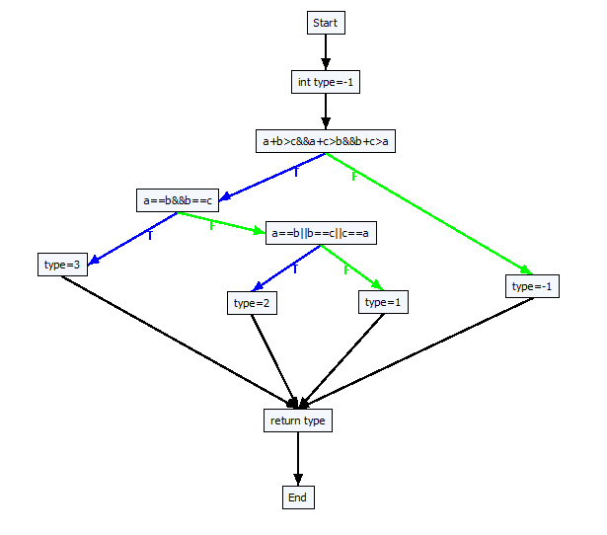
 |  | double Tritype(double a, double b, double c)
 |  | {
 |  |  | int type = -1;

 |  |  | if (a + b > c && a + c > b && b + c > a)
 |  |  | {
 |  |  |  | if (a == b && b == c)
 |  |  |  | {
 |  |  |  |  | type = 3; // Equilateral
 |  |  |  | }
 |  |  |  | else
 |  |  |  | {
 |  |  |  |  | if (a == b || b == c || c == a)
 |  |  |  |  | {
 |  |  |  |  |  | type = 2; // Isosceles
 |  |  |  |  | }
 |  |  |  |  | else
 |  |  |  |  | {
 |  |  |  |  |  | type = 1; // Scalene
 |  |  |  |  | }
 |  |  |  | }
 |  |  | }
 |  |  | else
 |  |  | {
 |  |  |  | type = -1; // Not a triangle
 |  |  | }
 |  |  | return type;
 |  | }

------------Create all target paths start-------------
Path 1: [a+b>c&&a+c>b&&b+c>a]F | [a+b>c&&a+c>b&&b+c>a]F |  |  |  | GetBranchDistance(a + b, c, 7), GetBranchDistance(a + c, b, 7), GetBranchDistance(b + c, a, 7)
Path 2: [a+b>c&&a+c>b&&b+c>a]T [a==b&&b==c]F [a==b||b==c||c==a]F
Path 3: [a+b>c&&a+c>b&&b+c>a]T [a==b&&b==c]F [a==b||b==c||c==a]T
Path 4: [a+b>c&&a+c>b&&b+c>a]T [a==b&&b==c]T
------------Create all target paths end-------------

