triangleType
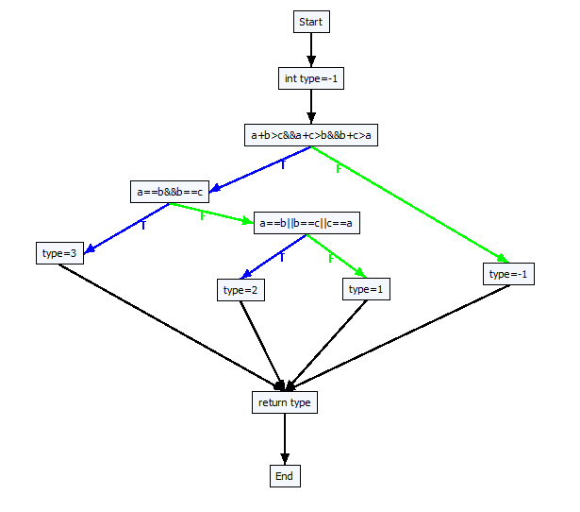
 | double triangleType(double a, double b, double c)
 | {
 |  | int type = -1;

 |  | if (a + b > c && a + c > b && b + c > a)
 |  | {
 |  |  | if (a == b && b == c)
 |  |  | {
 |  |  |  | type = 3; // Equilateral
 |  |  | }
 |  |  | else
 |  |  | {
 |  |  |  | if (a == b || b == c || c == a)
 |  |  |  | {
 |  |  |  |  | type = 2; // Isosceles
 |  |  |  | }
 |  |  |  | else
 |  |  |  | {
 |  |  |  |  | type = 1; // Scalene
 |  |  |  | }
 |  |  | }
 |  | }
 |  | else
 |  | {
 |  |  | type = -1; // Not a triangle
 |  | }
 |  | return type;
 | }

------------Create all target paths start-------------
Path 1: [a+b>c&&a+c>b&&b+c>a]F | ===============================================
Path 2: [a+b>c&&a+c>b&&b+c>a]T [a==b&&b==c]F [a==b||b==c||c==a]F | Test path ID: 2
Path 3: [a+b>c&&a+c>b&&b+c>a]T [a==b&&b==c]F [a==b||b==c||c==a]T | Solution found at iteration 0, the solutions is:
Path 4: [a+b>c&&a+c>b&&b+c>a]T [a==b&&b==c]T | Best X: 4758
------------Create all target paths end------------- | Best Y: 5254
 | Best Z: 632
 | ===============================================
 | ===============================================
 | Test path ID: 1
 | Solution found at iteration 0, the solutions is:
 | Best X: 3993
 | Best Y: 2942
 | Best Z: 9105
 | ===============================================
 | ===============================================
 | Test path ID: 3
 | Solution found at iteration 490, the solutions is:
 | Best X: 2911
 | Best Y: 6324
 | Best Z: 6324
 | ===============================================
 | ===============================================
 | Test path ID: 4
 | Solution found at iteration 545, the solutions is:
 | Best X: 1265
 | Best Y: 1265
 | Best Z: 1265
 | ===============================================

computeTax
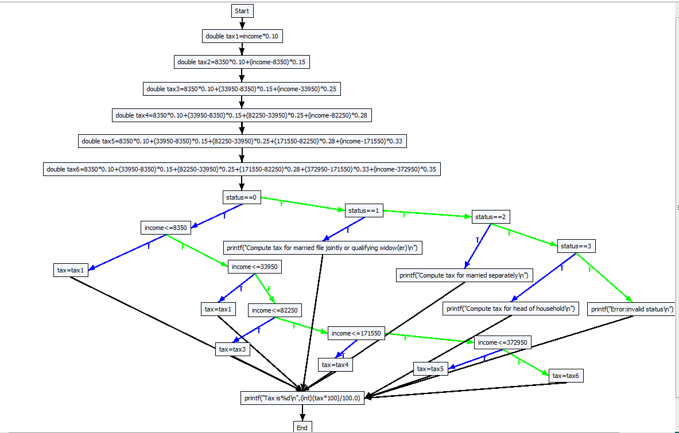
 |  | void computeTax (int status, double income)
 |  | {
 |  |  | // Compute tax
 |  |  | double tax1 = income * 0.10;
 |  |  | double tax2 = 8350 * 0.10 + (income - 8350) * 0.15;
 |  |  | double tax3 = 8350 * 0.10 + (33950 - 8350) * 0.15 + (income - 33950) * 0.25;
 |  |  | double tax4 = 8350 * 0.10 + (33950 - 8350) * 0.15 + (82250 - 33950) * 0.25 + (income - 82250) * 0.28;
 |  |  | double tax5 = 8350 * 0.10 + (33950 - 8350) * 0.15 + (82250 - 33950) * 0.25 + (171550 - 82250) * 0.28 + (income - 171550) * 0.33;
 |  |  | double tax6 = 8350 * 0.10 + (33950 - 8350) * 0.15 + (82250 - 33950) * 0.25 + (171550 - 82250) * 0.28 + (372950 - 171550) * 0.33 + (income - 372950) * 0.35;
 |  |  | if (status == 0)
 |  |  | {
 |  |  |  | // Compute tax for single filers
 |  |  |  | if (income <= 8350)
 |  |  |  |  | tax = tax1;
 |  |  |  | else if (income <= 33950)
 |  |  |  |  |  | tax = tax1;
 |  |  |  |  | else if (income <= 82250)
 |  |  |  |  |  |  | tax = tax3;
 |  |  |  |  |  | else if (income <= 171550)
 |  |  |  |  |  |  |  | tax = tax4;
 |  |  |  |  |  |  | else if (income <= 372950)
 |  |  |  |  |  |  |  |  | tax = tax5;
 |  |  |  |  |  |  |  | else
 |  |  |  |  |  |  |  |  | tax = tax6;
 |  |  | }
 |  |  | else if (status == 1)
 |  |  | {
 |  |  |  | printf("Compute tax for married file jointly or qualifying widow(er)\n");
 |  |  | }
 |  |  | else if (status == 2)
 |  |  | {
 |  |  |  | printf("Compute tax for married separately\n");
 |  |  | }
 |  |  | else if (status == 3)
 |  |  | {
 |  |  |  | printf("Compute tax for head of household\n");
 |  |  | }
 |  |  | else
 |  |  | {
 |  |  |  | printf("Error: invalid status\n");
 |  |  | }

 |  |  | // Display the result
 |  |  | printf("Tax is %d\n", (int)(tax * 100) / 100.0);
 |  | }

Path 1: [status==0]F [status==1]F [status==2]F [status==3]F | Estimated time = 5
Path 2: [status==0]F [status==1]F [status==2]F [status==3]T | ===============================================
Path 3: [status==0]F [status==1]F [status==2]T | Test path ID: 8
Path 4: [status==0]F [status==1]T | Solution found at iteration 14, the solutions is:
Path 5: [status==0]T [income<=8350]F [income<=33950]F [income<=82250]F [income<=171550]F [income<=372950]F | Best X: 0
Path 6: [status==0]T [income<=8350]F [income<=33950]F [income<=82250]F [income<=171550]F [income<=372950]T | Best Y: 374979
Path 7: [status==0]T [income<=8350]F [income<=33950]F [income<=82250]F [income<=171550]T | ===============================================
Path 8: [status==0]T [income<=8350]F [income<=33950]F [income<=82250]T | ===============================================
Path 9: [status==0]T [income<=8350]F [income<=33950]T | Test path ID: 4
Path 10: [status==0]T [income<=8350]T | Solution found at iteration 13, the solutions is:
 | Best X: 1
 | Best Y: 4178
 | ===============================================
 | ===============================================
 | Test path ID: 7
 | Solution found at iteration 222, the solutions is:
 | Best X: 0
 | Best Y: 284403
 | ===============================================
 | ===============================================
 | Test path ID: 3
 | Solution found at iteration 50, the solutions is:
 | Best X: 2
 | Best Y: 8161
 | ===============================================
 | ===============================================
 | Test path ID: 1
 | Solution found at iteration 0, the solutions is:
 | Best X: 3183
 | Best Y: 5136
 | ===============================================
 | ===============================================
 | Test path ID: 5
 | Solution found at iteration 346, the solutions is:
 | Best X: 0
 | Best Y: 1253562
 | ===============================================
 | ===============================================
 | Test path ID: 6
 | Solution found at iteration 273, the solutions is:
 | Best X: 0
 | Best Y: 461503
 | ===============================================
 | ===============================================
 | Test path ID: 9
 | Solution found at iteration 234, the solutions is:
 | Best X: 0
 | Best Y: 54479
 | ===============================================
 | ===============================================
 | Test path ID: 2
 | Solution found at iteration 293, the solutions is:
 | Best X: 3
 | Best Y: 1566
 | ===============================================
 | ===============================================
 | Test path ID: 10
 | Solution found at iteration 238, the solutions is:
 | Best X: 0
 | Best Y: 9662
 | ===============================================

