Tritype
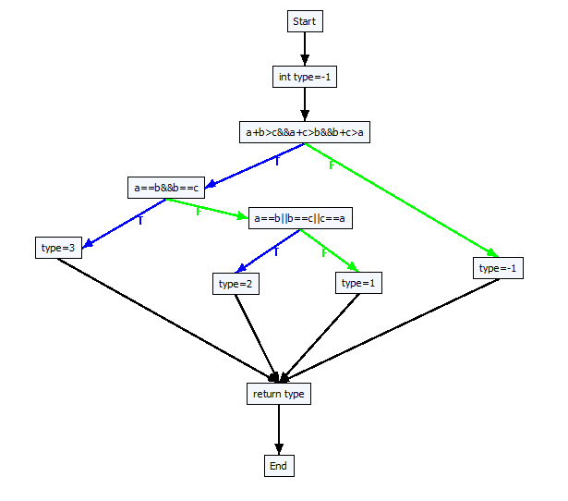
double Tritype(double a, double b, double c)
{
int type = -1;
if (a + b > c && a + c > b && b + c > a)
{
if (a == b && b == c)
{
type = 3; // Equilateral
}
else
{
if (a == b || b == c || c == a)
{
type = 2; // Isosceles
}
else
{
type = 1; // Scalene
}
}
}
else
{
type = -1; // Not a triangle
}
return type;
}

