Product Region
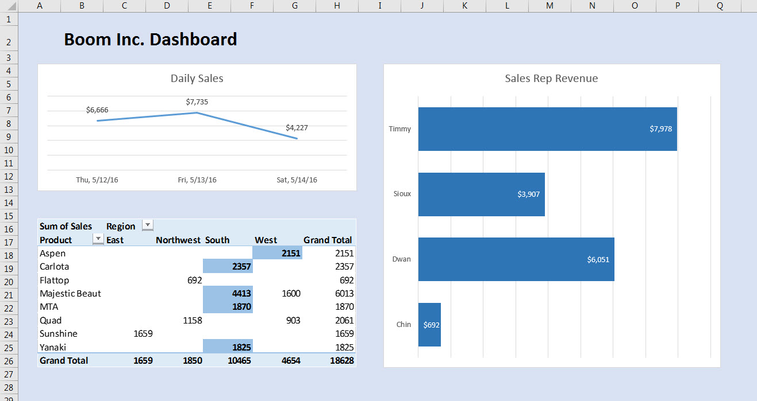

Sum of Sales | Region
Product | East | Northwest | South | West | Grand Total
Aspen | 3113 |  | 4997 | 4716 | 12826
Carlota |  | 3865 | 2357 |  | 6222
Flattop |  | 692 |  |  | 692
Majestic Beaut |  |  | 4413 | 5689 | 10102
MTA |  |  | 1870 |  | 1870
Quad |  | 1158 |  | 2564 | 3722
Sunshine | 5165 |  |  |  | 5165
Yanaki |  |  | 1825 |  | 1825
Grand Total | 8278 | 5715 | 15462 | 12969 | 42424

SalesRepRev
Sales Rep | Sum of Sales
Chin | 8615
Dwan | 18866
Sioux | 6965
Revenue of Sales Rep
Timmy | 7978
Grand Total | 42424

P(1)
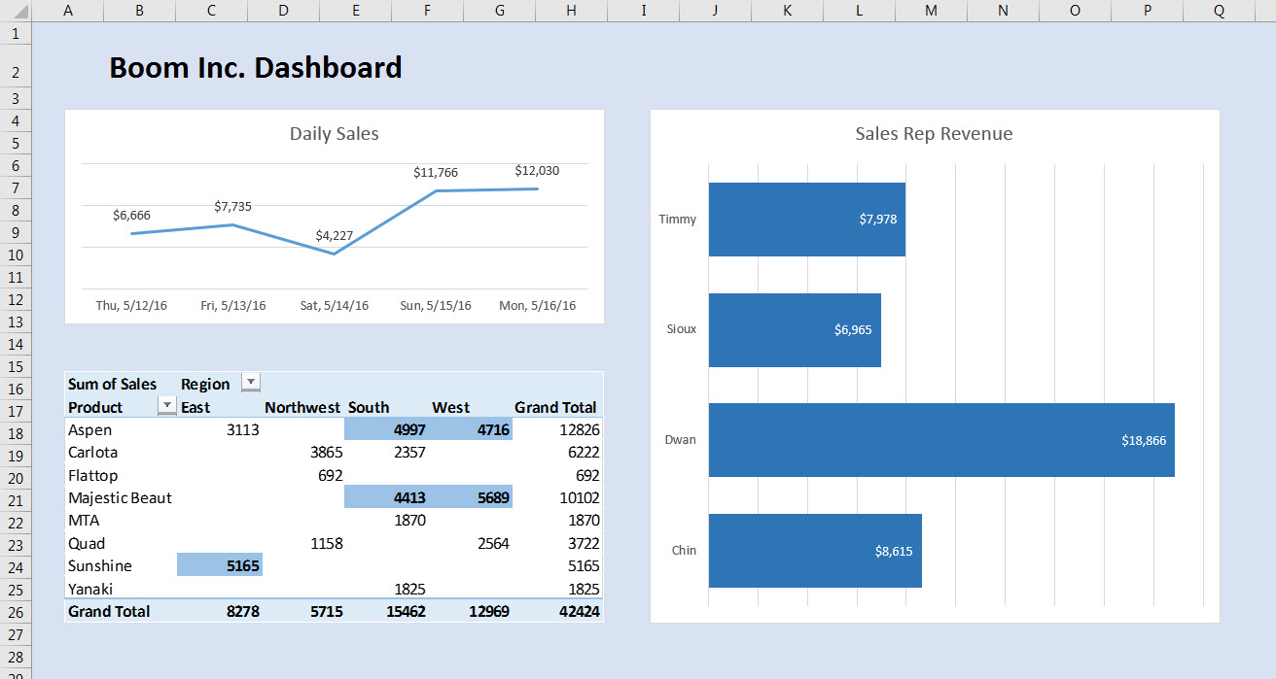
You do not need to use Power Pivot or the Data Model for this project.
Below in the table named "TransactionTable".
Your job is to make the dashboard that is pictured to right and below on the sheet that is named "Dashboard".
Create the necessary PivotTables, Charts and Conditional Formatting on new sheets
and then place the final visualizations on the sheet named "Dashboard".
When you have completed the Dashboard, add the new records listed to the right to the bottom of
the "TransactionTable". Then refresh your dashboard. |  |  |  |  | New Records that you should add to the table names "Transaction Table":

Date | Sales Rep | Region | Product | Sales | Date | Sales Rep | Region | Product | Sales | Sales Rep | Region | Product
2016-05-12 | Sioux | South | Majestic Beaut | $1,090 | 2016-05-15 | Dwan | South | Aspen | $2,241 | Sioux | West | Quad
2016-05-12 | Timmy | West | Majestic Beaut | $1,600 | 2016-05-15 | Chin | East | Sunshine | $3,506 | Timmy | East | Carlota
2016-05-12 | Dwan | South | Yanaki | $1,825 | 2016-05-15 | Chin | West | Quad | $1,661 | Dwan | South | Sunshine
2016-05-12 | Timmy | West | Aspen | $2,151 | 2016-05-15 | Sioux | East | Aspen | $493 | Chin | Northwest | Majestic Beaut
2016-05-13 | Dwan | West | Quad | $903 | 2016-05-15 | Dwan | Northwest | Carlota | $3,865 |  | West | Yanaki
2016-05-13 | Sioux | Northwest | Quad | $1,158 | 2016-05-16 | Chin | South | Aspen | $2,756 |  |  | Aspen
2016-05-13 | Chin | Northwest | Flattop | $692 | 2016-05-16 | Dwan | West | Majestic Beaut | $4,089 |  |  | Flattop
2016-05-13 | Dwan | South | Majestic Beaut | $3,323 | 2016-05-16 | Dwan | East | Aspen | $2,620 |  |  | MTA
2016-05-13 | Sioux | East | Sunshine | $1,659 | 2016-05-16 | Sioux | West | Aspen | $2,565
2016-05-14 | Timmy | South | MTA | $1,870
2016-05-14 | Timmy | South | Carlota | $2,357
2016-05-15 | Dwan | South | Aspen | $2,241
2016-05-15 | Chin | East | Sunshine | $3,506
2016-05-15 | Chin | West | Quad | $1,661 | What Dashboard should look like Before New Data:
2016-05-15 | Sioux | East | Aspen | $493
2016-05-15 | Dwan | Northwest | Carlota | $3,865
2016-05-16 | Chin | South | Aspen | $2,756
2016-05-16 | Dwan | West | Majestic Beaut | $4,089
2016-05-16 | Dwan | East | Aspen | $2,620
2016-05-16 | Sioux | West | Aspen | $2,565

 |  |  |  |  | What Dashboard should look like After New Data:

Dashboard
Daily Sale
 | Total
Thursday, May 12, 2016 | 6666
Friday, May 13, 2016 | 7735
Saturday, May 14, 2016 | 4227
Sunday, May 15, 2016 | 11766
Monday, May 16, 2016 | 12030
Revenue of Sales Rep
 | Total
Chin | 8615
Dwan | 18866
Sioux | 6965
Timmy | 7978

