Guidance
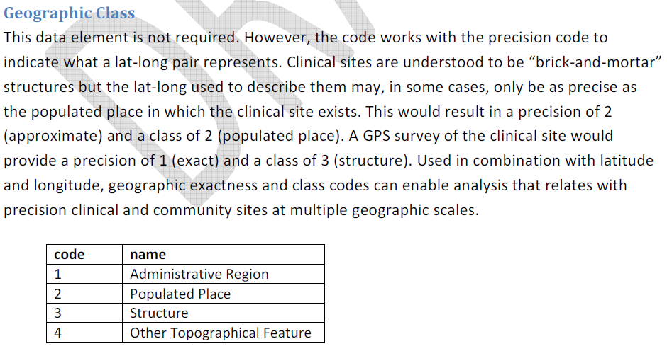
Full GIS Supplement
https://datim.zendesk.com/hc/en-us/article_attachments/202210225/20150410_iPSL_Phase_II_Guidance_-_GIS_supplement.pdf

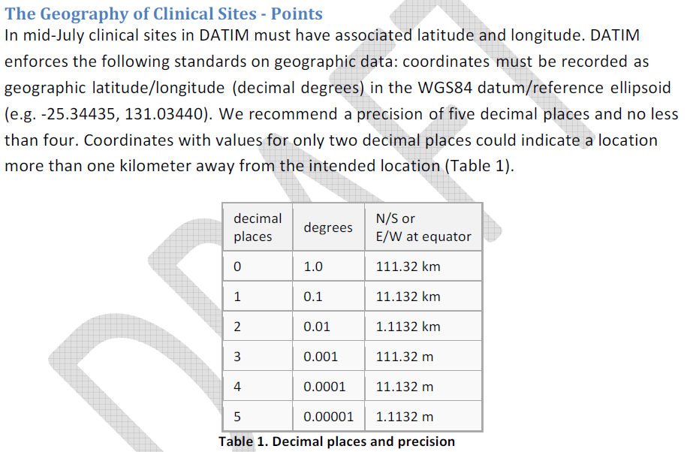
Latitude / Longitude

Geographic Exactness
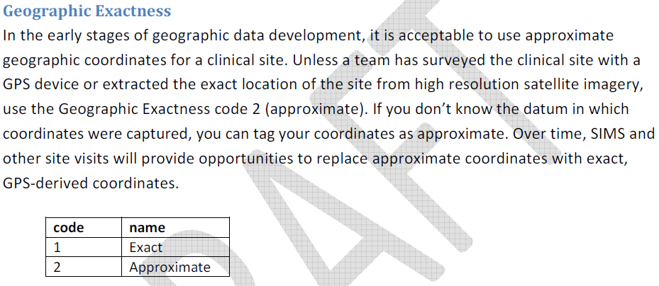

Geographic Class

