Folha1
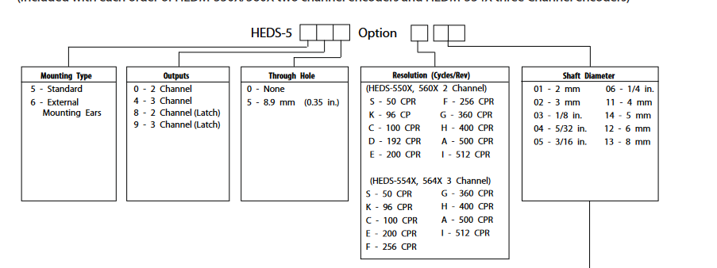

HEDL-5540#A13 | Site | Referência | Preço | Link
 | Mouser | 630-HEDL-5540-A13 | 56.19 € | https://pt.mouser.com/ProductDetail/Broadcom-Avago/HEDL-5540A13?qs=RuhU64sK2%252BvDgU%252BxjGDt%2FQ%3D%3D
 | RS | - | - | -
 | Farnell | 2467472 | 58.68 € | https://pt.farnell.com/broadcom-limited/hedl-5540-a13/encoder-rotary-500ppr-3ch/dp/2467472?CMP=GRHB-OCTOPART
 | DigiKey | 516-3637-ND | 55.89 € | https://www.digikey.pt/en/products/detail/broadcom-limited/HEDL-5540-A13/2219465?s=N4IgTCBcDaIBYFMAmAbAtAVgwFgAwGIBBARgGYQBdAXyA

