Sheet1
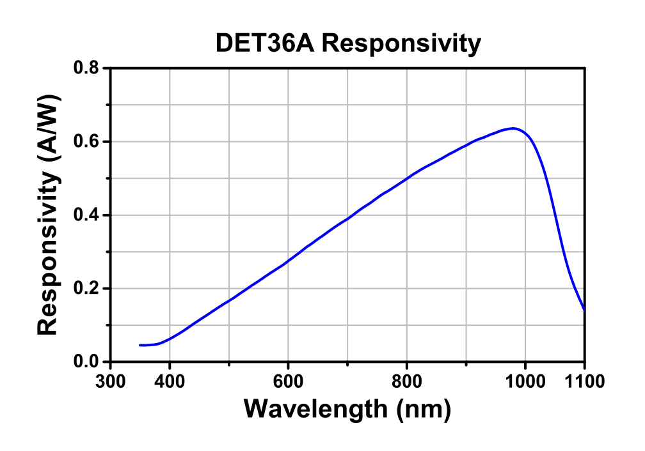
 | Voltage mV
0 | -0.107
50.01 | -0.101
100.05 | -0.066
150.04 | 0.192
175.22 | 0.154
199.99 | 0.248
225.15 | 0.674
250.01 | 1.435
274.78 | 2.637
300.05 | 3.964
324.8 | 5.421
350.05 | 6.176
375.01 | 8.236
399 | 7.6
 | Laser | Laser | Oscilloscope | Oscilloscope | Saved FFT
Increment | Current mA | std dev | Voltage mV | std dev |  |  | Current mA | Voltage mV
0 | 0 | 0 | -0.107 | 0.017 | Yes |  | 0 | -0.107
1 | 50.01 | 0.005 | -0.101 | 0.001 | Yes |  | 50.01 | -0.101
2 | 100.05 | 0.005 | -0.066 | 0.007 | Yes |  | 100.05 | -0.066
 | 150.04 | 0.005 | 0.192 | 0.008 | No |  | 150.04 | 0.192
 | 175.22 | 0.005 | 0.154 | 0.029 | No |  | 175.22 | 0.154
3 | 199.99 | 0.005 | 0.248 | 0.003 | Yes |  | 199.99 | 0.248
4 | 225.15 | 0.005 | 0.674 | 0.008 | Yes |  | 225.15 | 0.674
5 | 250.01 | 0.005 | 1.435 | 0.210 | Yes |  | 250.01 | 1.435
6 | 274.78 | 0.005 | 2.637 | 0.060 | Yes |  | 274.78 | 2.637
7 | 300.05 | 0.005 | 3.964 | 0.007 | Yes |  | 300.05 | 3.964
8 | 324.8 | 0.005 | 5.421 | 0.007 | Yes |  | 324.8 | 5.421
9 | 350.05 | 0.005 | 6.176 | 0.002 | Yes |  | 350.05 | 6.176
10 | 375.01 | 0.005 | 8.236 | 0.027 | No |  | 375.01 | 8.236
11 | 399 | 0.005 | 7.600 | 0.004 | No |  | 399 | 7.6

 |  |  |  | \ |  | Current mA | Voltage mV | mW
 |  |  |  |  |  | 199.99 | 0.248 | 0.00123008
 |  |  |  |  |  | 225.15 | 0.674 | 0.00908552
 |  |  |  |  |  | 250.01 | 1.435 | 0.0411845
 |  |  |  |  |  | 274.78 | 2.637 | 0.13907538
 |  |  |  |  |  | 300.05 | 3.964 | 0.31426592
 |  |  |  |  |  | 324.8 | 5.421 | 0.58774482
 |  |  |  |  |  | 350.05 | 6.176 | 0.76285952
 |  |  |  |  |  | 375.01 | 8.236 | 1.35663392
 |  |  |  |  |  |  |  | `

