Part 1
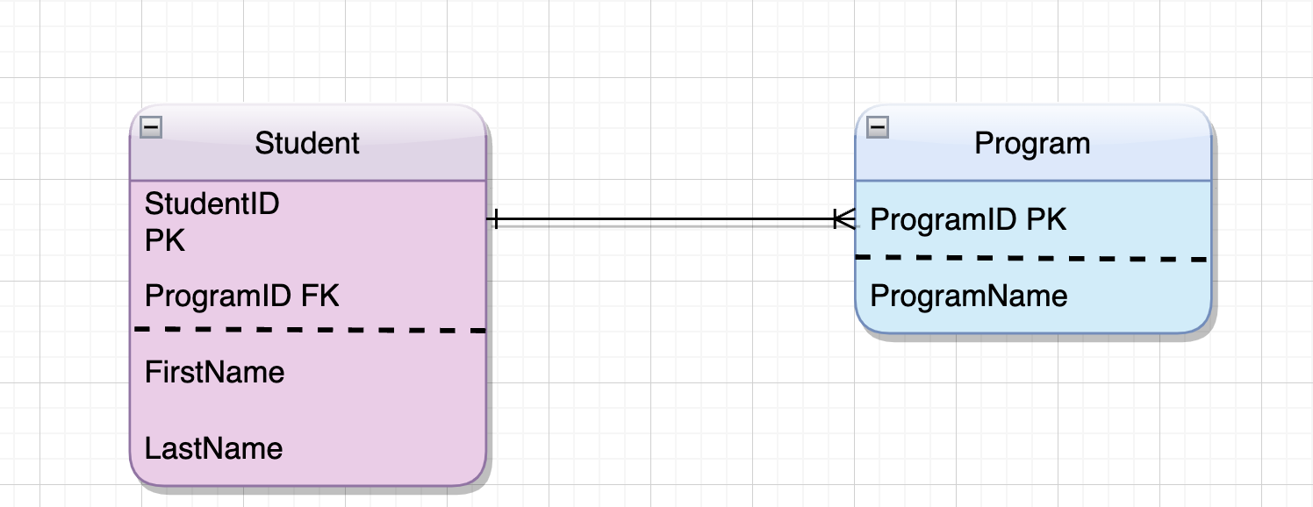
Part 1 of 4

Normalize the following data to 3NF.
1. Modify the data tables
2. Add sample records.
3. Create an ER diagram of the relations between tables.

Notes
· Include each of the tables you would need to represent all of the data listed below.
· Indicate a primary key field for each table.
· Do add field(s) as and if needed to create a primary key or as and if needed to provide needed information.
· Do indicate the relationship between tables by indicating the FKs.
· Do eliminate field(s) that are unnecessary.
· If your modification includes adding a field or a table, do not leave it blank - all fields and tables must contain complete data.
· Analyze the relations between tables and create an ER diagram with PKs, FKs, and joins that represents these relationships. Include the diagram on this tab.
· Include the ER diagram on this tab.

Data BEFORE normalization
StudentName | Program(s) of Interest

Maya Lee | Accounting, Business Management
Sam Rukowski | Digital Media Arts
Su Smith | Digital Media Arts, Information Systems

Student |  |  |  | Program
StudentID PK | FirstName | LastName | ProgramID FK | ProgramID PK | ProgramName
101 | Maya | Lee | 1 | 1 | Accounting, Business Management
102 | Sam | Rukowski | 2 | 2 | Digital Media Arts
103 | Su | Smith | 3 | 3 | Digital Media Arts, Information System

Part 2
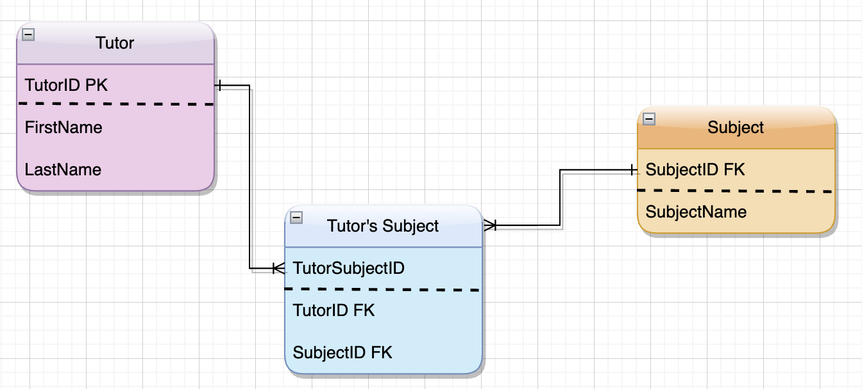
Part 2 of 4

Normalize the following data to 3NF.
1. Modify the data tables
2. Add sample records.
3. Create an ER diagram of the relations between tables.

Notes
· Include each of the tables you would need to represent all of the data listed below.
· Indicate a primary key field for each table.
· Do add field(s) as and if needed to create a primary key or as and if needed to provide needed information.
· Do indicate the relationship between tables by indicating the FKs.
· Do eliminate field(s) that are unnecessary.
· If your modification includes adding a field or a table, do not leave it blank - all fields and tables must contain complete data.
· Analyze the relations between tables and create an ER diagram with PKs, FKs, and joins that represents these relationships. Include the diagram on this tab.
· Include the ER diagram on this tab.

Data BEFORE normalization
TutorFirstName | TutorLastName | TutorSubject1 | TutorSubject2 | TutorSubject3

Larry | Jones | BUSIT103 | ENGL101 | PROG110
Jin | Peters | ENGL 101
Marta | Foye | BUSIT103 | BUSIT105

Tutot |  |  |  |  | Subject
TutorID PK | FirstName | LastName |  |  | SubjectID PK | SubjectName
1 | Larry | Jones |  |  | 1001 | BUSIT103
2 | Jin | Peters |  |  | 1002 | ENGL101
3 | Marta | Foye |  |  | 1003 | BUSIT105
 |  |  |  |  | 1004 | Prog110

 |  |  | Tutor's Subject
 |  |  | TutorSubjectID PK | TutorID FK | SubjectID FK
 |  |  | A1 | 1 | 1001
 |  |  | A5 | 3 | 1001
 |  |  | A2 | 1 | 1002
 |  |  | A4 | 2 | 1002
 |  |  | A6 | 3 | 1003
 |  |  | A3 | 1 | 1004

Part 3
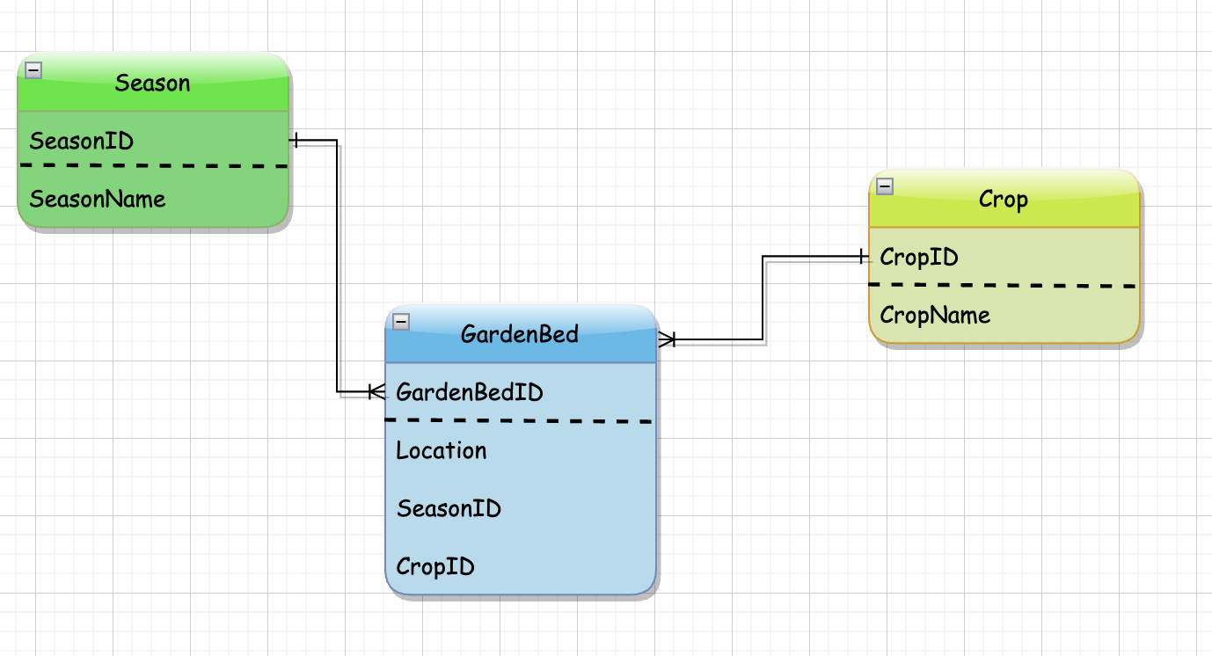
Part 3 of 4

Normalize the following data to 3NF.
1. Modify the data tables
2. Add sample records.
3. Create an ER diagram of the relations between tables.

Notes
· Include each of the tables you would need to represent all of the data listed below.
· Indicate a primary key field for each table.
· Do add field(s) as and if needed to create a primary key or as and if needed to provide needed information.
· Do indicate the relationship between tables by indicating the FKs.
· Do eliminate field(s) that are unnecessary.
· If your modification includes adding a field or a table, do not leave it blank - all fields and tables must contain complete data.
· Analyze the relations between tables and create an ER diagram with PKs, FKs, and joins that represents these relationships. Include the diagram on this tab.
· Include the ER diagram on this tab.

Data BEFORE normalization
Season | Crop family planted in GardenBed1 (Location: NW corner of field) | Crop family planted in GardenBed2 (Location: NE corner of field) | Crop family planted in GardenBed3 (Location: SW corner of field) | Crop family planted in GardenBed4 (Location: SE corner of field)

Spring 2014 | Legume | Leaf | Roots | Fruit
Spring 2015 | Fruit | Legume | Leaf
Spring 2016 | Roots |  | Legume | Leaf

 |  |  |  | GardenBed
 |  |  |  | GardenBedID | Location | SeasonID | CropID
 |  |  |  | 1 | NW | 2014 | 101
 |  |  |  | 2 | NW | 2015 | 102
 |  |  |  | 3 | NW | 2016 | 104
 |  |  |  | 4 | NE | 2014 | 103
 | Season |  |  | 5 | NE | 2015 | 101
 | SeasonID | SeasonName |  | 6 | SW | 2014 | 104
 | 2014 | Spring 2014 |  | 7 | SW | 2015 | 103
 | 2015 | Spring 2015 |  | 8 | SW | 2016 | 101
 | 2016 | Spring 2016 |  | 9 | SE | 2014 | 102
 |  |  |  | 10 | SE | 2016 | 103

 |  | Crop
 |  | CropID | CropName
 |  | 101 | Legume
 |  | 102 | Fruit
 |  | 103 | Leaf
 |  | 104 | Roots

Part 4
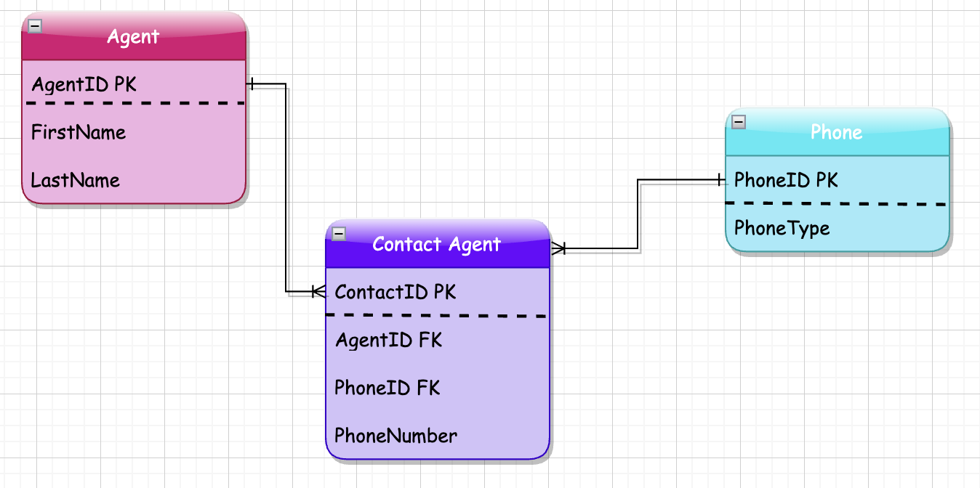
Part 4 of 4

Normalize the following data to 3NF.
1. Modify the data tables
2. Add sample records.
3. Create an ER diagram of the relations between tables.

Notes
· Include each of the tables you would need to represent all of the data listed below.
· Indicate a primary key field for each table.
· Do add field(s) as and if needed to create a primary key or as and if needed to provide needed information.
· Do indicate the relationship between tables by indicating the FKs.
· Do eliminate field(s) that are unnecessary.
· If your modification includes adding a field or a table, do not leave it blank - all fields and tables must contain complete data.
· Analyze the relations between tables and create an ER diagram with PKs, FKs, and joins that represents these relationships. Include the diagram on this tab.
· Include the ER diagram on this tab.

Data BEFORE normalization
ContactID | FirstName | LastName | DayPhone | MobilePhone | EveningPhone

1 | Jin | Peters | (206) 222-1234 | (206) 222-1235
2 | Larry | Jones | (206) 222-1235 | (206) 222-1236 | (425) 499-8909
3 | Marta | Foye | (425) 564-9876
4 | Ann | Harris | (425) 564-9877 | (425) 564-9878
5 | Sam | Wu | (425) 564-9878

 | Agent |  |  |  | Phone
 | AgentID | FirstName | LastName |  | PhoneID | PhoneType
 | 101 | Jin | Peters |  | 111 | DayPhone
 | 102 | Larry | Jones |  | 112 | MobilePhone
 | 103 | Marta | Foye |  | 113 | EveningPhone
 | 104 | Ann | Harris
 | 105 | Sam | Wu

 |  | Contcat Agent
 |  | ContatID | AgentID | PhoneID | PhoneNumber
 |  | 1 | 101 | 111 | (206) 222-1234
 |  | 2 | 101 | 112 | (206) 222-1235
 |  | 3 | 102 | 111 | (206) 222-1235
 |  | 4 | 102 | 112 | (206) 222-1236
 |  | 5 | 102 | 113 | (425) 499-8909
 |  | 6 | 103 | 111 | (425) 564-9876
 |  | 7 | 104 | 111 | (425) 564-9877
 |  | 8 | 104 | 112 | (425) 564-9878
 |  | 9 | 105 | 111 | (425) 564-9878

