Sheet1
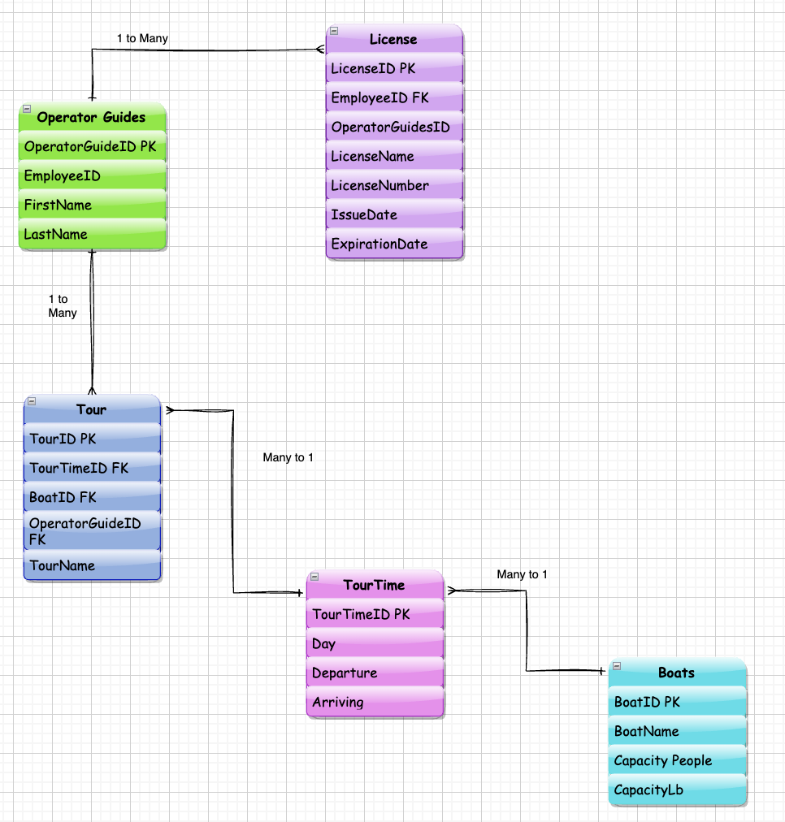
Boats |  |  |  | Tour |  |  |  |  |  | TourTime
BoatID | BoatName | Capacity Pepople | CapacityLb | TourID | TourName | TourTimeID | BoatID | OperatorGuidedID |  | TourTimeID | Day | Departure | Arriving
PK |  |  |  | PK |  | FK | FK | FK |  | PK
B1 | The Grizzly | 5 | 750 | Fr101 | Scenic River Tour | TT1001 | B1 | OG1 |  | TT1001 | Fridays | 9:00AM | 4:00PM
B2 | The Brown Bear | 5 | 750 | Sat101 | Scenic River Tour | TT1002 | B1 | OG1 |  | TT1002 | Saturday | 9:00AM | 4:00PM
B3 | The Black Bear | 5 | 750 | Sun101 | Scenic River Tour | TT1003 | B1 | OG1 |  | TT1003 | Sunday | 9:00AM | 4:00PM
 |  |  |  | Fr1002 | Hoh River Tour | TT1001 | B2 | OG2
 |  |  |  | Sat1002 | Hoh River Tour | TT1002 | B2 | OG2
 |  |  |  | Sun1002 | Hoh River Tour | TT1003 | B2 | OG2
 |  |  |  | Fr1003 | Willapa River Tour | TT1001 | B3 | OG3
 |  |  |  | Sat1003 | Willapa River Tour | TT1002 | B3 | OG3
 |  |  |  | Sun1003 | Willapa River Tour | TT1003 | B3 | OG3

Operator Guides
OperatorGuidedID | FirstName | LastName | Employee ID
PK |  |  |  |  | License
OG1 | Jay | Beard | E1 |  | LicenseID | LicenseName | LisenceNumber | IssuedDate | ExperationDate | EmployeeID | OperatorGuidedID
OG2 | Ella | Bonbon | E2 |  | PK |  |  |  |  | FK | FK
OG3 | Kelly | Penn | E3 |  | LID1001 | DriverLicense | WDLJK00580GF | 2015-01-01 | 2026-06-01 | E1 | OG1
 |  |  |  |  | LID1002 | DriverLicense | WDLABCD456DG | 2015-01-02 | 2026-06-02 | E2 | OG2
 |  |  |  |  | LID1003 | DriverLicense | WDHKLA6578GH | 2015-01-03 | 2026-06-03 | E3 | OG3
 |  |  |  |  | LID1004 | FishingGuideLicense | 7878787 | 2015-01-04 | 2026-06-04 | E1 | OG1
 |  |  |  |  | LID1005 | FishingGuideLicense | 9898989 | 2015-01-05 | 2026-06-05 | E2 | OG2
 |  |  |  |  | LID1006 | FishingGuideLicense | 9123544 | 2015-01-06 | 2026-06-06 | E3 | OG3
 |  |  |  |  | LID1007 | FirstAidCPRCertificate | 0000XXXXOKOK0000 | 2015-01-07 | 2026-06-07 | E1 | OG1
 |  |  |  |  | LID1008 | FirstAidCPRCertificate | 0000XXXLLMMK0001 | 2015-01-08 | 2026-06-08 | E2 | OG2
 |  |  |  |  | LID1009 | FirstAidCPRCertificate | 0000XXXKILOK00020 | 2015-01-09 | 2026-06-09 | E3 | OG3
 |  |  |  |  | LID1010 | HumanResourcesID | 1234444 | 2015-01-10 | 2026-06-10 | E1 | OG1
 |  |  |  |  | LID1011 | HumanResourcesID | 2345555 | 2015-01-11 | 2026-06-11 | E2 | OG2
 |  |  |  |  | LID1012 | HumanResourcesID | 3333344 | 2015-01-12 | 2026-06-12 | E3 | OG3

