Sheet1
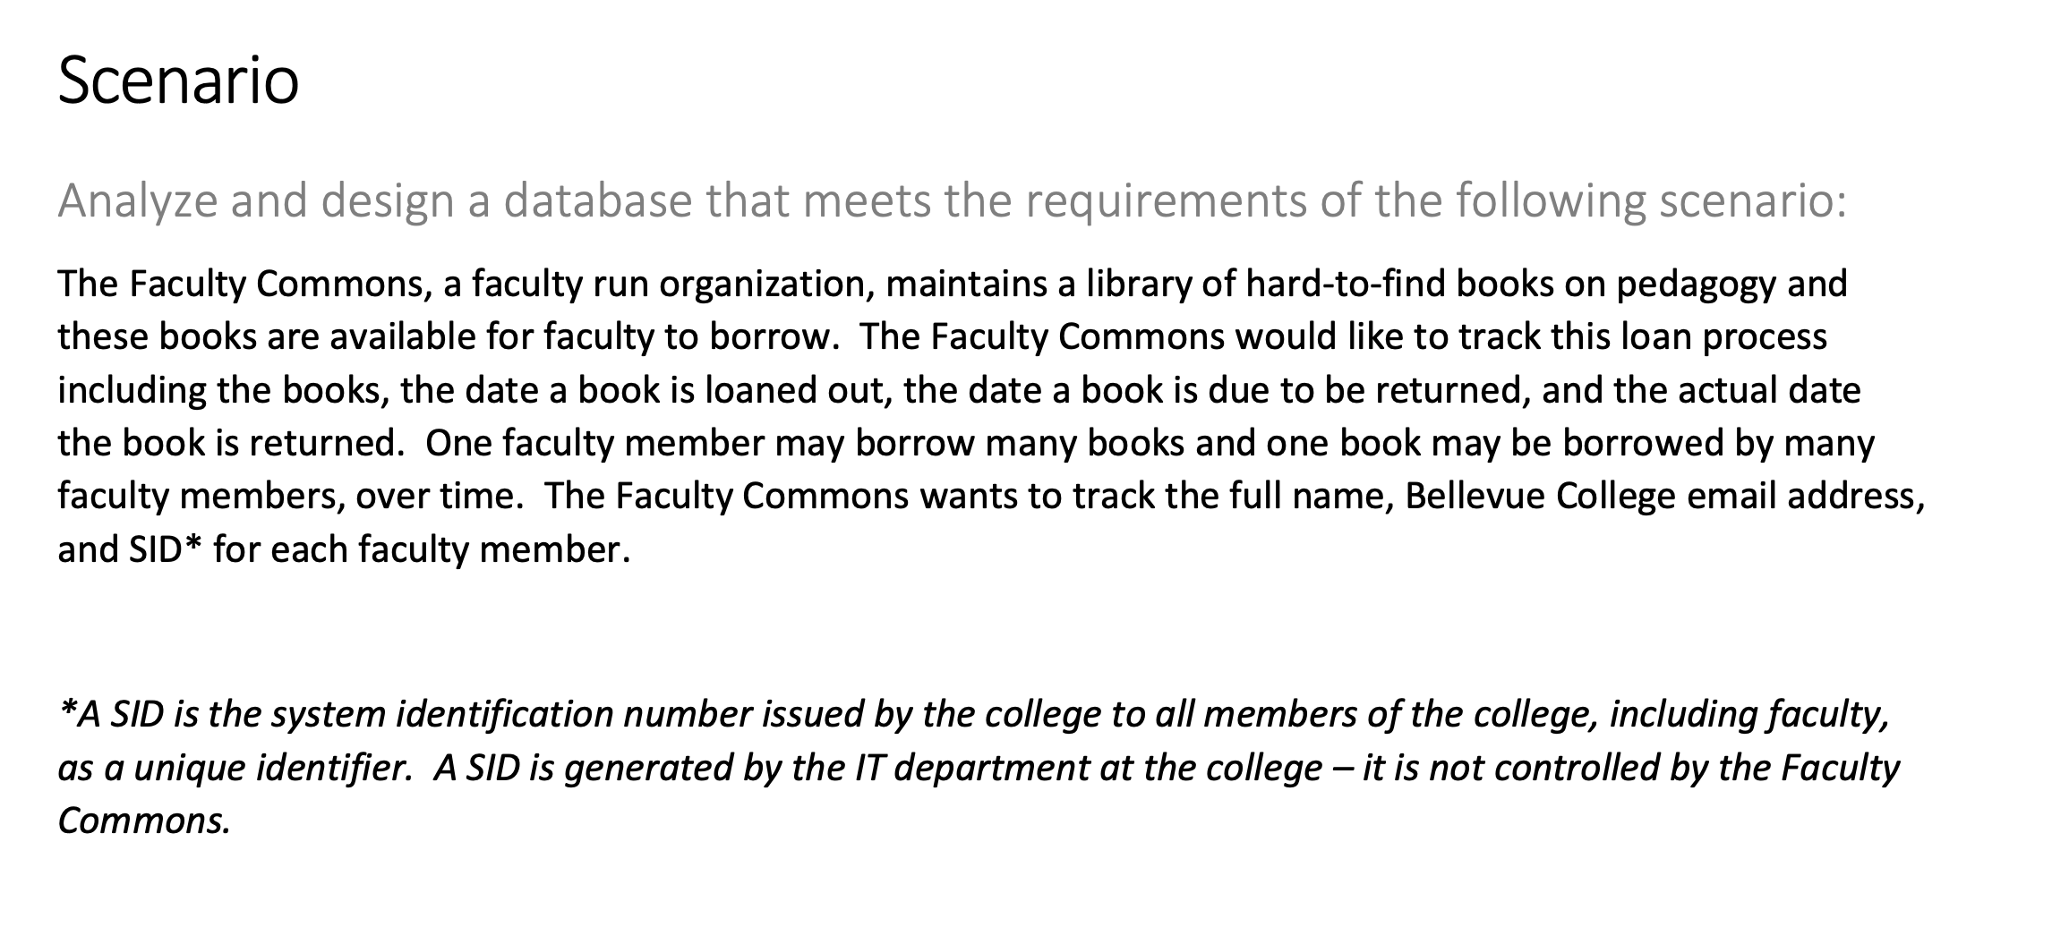

Books |  |  |  |  | Loan |  |  |  |  |  | Faculty
FK LoanID | PK BookID | BookTitle | Author |  | PK LoanID | Date | DueDate | ReturnDate | FK BookID | FK FacultyID | PK FacultyID | FulltName | BCemail | SID | FK LoanID
1001 | 1 | Pedagogy 1 | A. Brooks |  | 1001 | 2023-01-01 | 2023-07-01 | 2023-06-08 | 1 | 101 | 101 | John Don | John.don@bellevuecollege.edu | 123451 | 1001
1002 | 2 | Pedagogy 2 | N.Brooks |  | 1002 | 2023-01-01 | 2023-07-01 | 2023-06-09 | 2 | 102 | 102 | Jake Lake | Jake.lake@bellevuecollege.edu | 123461 | 1002
1003 | 3 | Pedagogy 3 | L. Myers |  | 1003 | 2023-03-03 | 2023-07-01 | 2023-06-10 | 3 | 103 | 103 | Jin Kir | Jin.kir@bellevuecollege.edu | 123471 | 1003

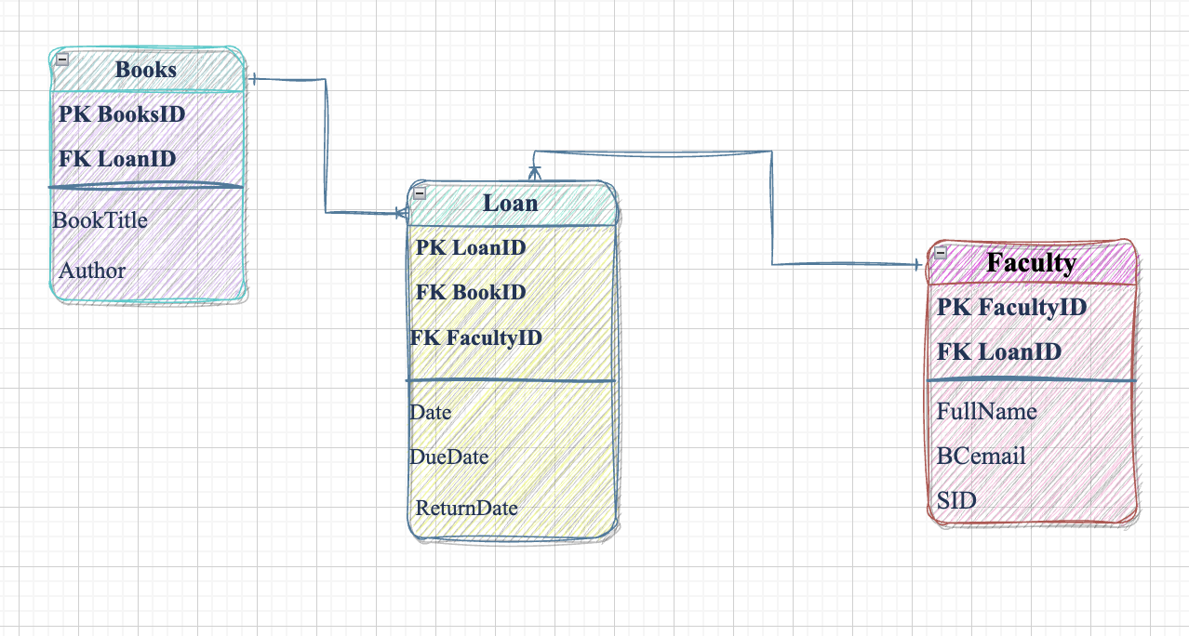

 | Time Sheet
 | Date | Task | Estimated Hours | Actual Hours
 | 2023-05-08 | Read the assignment; created the tables; designed tables in Excel; Created the diagram in drawIO software; submitted the assignment | 3 hrs | 2.5hrs
 | Total hours: |  | 3 hrs | 2.5hrs

