Sheet1
 | Category | Fresh Veges | Current Quantity | Reporderpoint | Stockcoverage
 | good& material | bbq sauce | 3 | 3 | 4
 | prepared Item | s&s Sauce in containers | 7 | 1 | 20
 | preapred item | brocoli bags | 4 | 2 | 4
Suplier | good& material | brocoli box | 0.2 | 0.2 | 1.2 |  | Businesses
id | name | Group | Representative person | Contact phone | Address |  | id | name | Manager-id |  |  |  |  |  | Address | Contact_phone
 |  |  |  |  |  |  | 1 | GLY
 |  |  |  |  |  |  | 2 | GLB
 |  |  |  |  |  |  | 3 | GlWF

Stock |  |  |  |  |  |  |  |  |  |  |  | Stock_Transactions
id | name | type | Current Quantity | Reporder/Prepared Point | Stock Coverage | Required Quantity | Role Id | Action |  |  | Date | id | employee_id | Action Purpose | Good_Materials_ID | Intermediates_ID | date | In_Quantity
 | Honey Sauce | Prepred Items | 6 | 2 | 6 | 7 |  | Urgent |  |  | 1
 | Raw Honey | Goods/Material | 0 | 1 | 2 |  |  |  |  |  | 2
 | Butter | Goods/Material | 2 | 1 | 3 |  |  |  |  |  | 3
Categories |  |  |  |  | categories_good_materials_table |  |  |  |  |  | 4
id | name | slug | Description |  |  |  |  |  |  |  | 5
1 | Fresh Veges |  |  |  |  |  |  |  |  |  | b
2

 | Good_Materials |  |  |  |  |  |  |  |  |  |  | Orders_To_Suppliers
id | name | price | Description | s_id | cat_id | Status |  |  |  |  |  | id | user_id | s_reference_id | Invoice_Img | Ordered Date | Theory_Total | checked_user_id | Problems | status | Notes
 | Prepared Items |  |  |  |  |  |  |  |  |  |  |  |  |  |  |  |  |  |  | issue/waiting/cancel/approved
id | name | price | Description | s_id | cat_id | Status
Roles |  |  |  | Task |  |  |  |  |  |  |  | Invoice_From_Suppliers
id | name | user_id |  | id | name |  |  |  |  |  |  | Id | Invoice_Img | Invoice_ID | Supplier_Order_Id | Total
1 | head-chef
2 | second-chef |  |  |  |  |  |  |  |  |  |  | Supplier_Order_Lines
3 | manager |  |  |  |  |  |  |  |  |  |  | Supplier_Order_id | Good_Material_id | Quantity | Line_Price
4 | chapma
5 | waiter/waitress
6 | kitchen-assistant
 |  |  |  |  |  |  |  |  |  |  | Employee Preparation
 |  |  |  |  |  |  |  |  |  |  | prepared items | employee id | quantity | date | Note
Staff update stock -> Manager of Golden Lor check stock --> generate Supplier_Order (including supplier_Order_Lines)--> get Invoice ->check Invoice

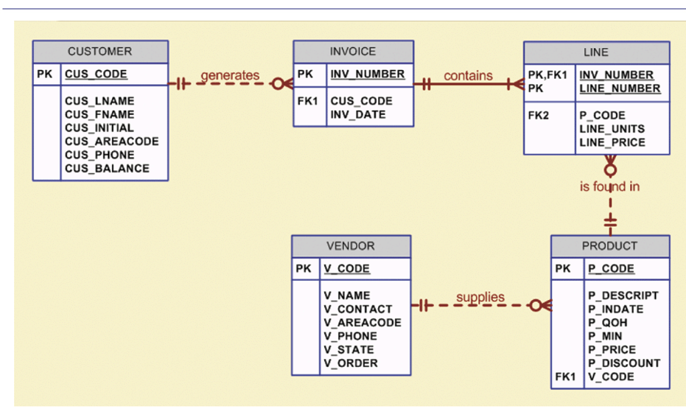

 |  |  |  |  |  |  |  |  |  | User_Logs

 |  |  |  |  |  |  |  |  |  | id | user_id | Action | table_name | item

 |  |  | Employee Daily work

 |  | Date |  | PersonInCharge | DoneByEmp | Prepared_Amount | Required_Qty | Note | staus
 |  | 2021-05-02 | Duck | Anu | 3 | 3 | 14 |  | Ongoing
 |  | 2021-05-03 |  | Afina | 4 | 7 | 14 |  | Ongoing
 |  |  |  | beem | 3 | 10 | 14 |  | Complete

 |  |  | IF current_Qty > Prepare point
 |  |  |  | if amount_finished in this range (Required_Qty -3 , Required_Qty +3)
 |  |  |  |  | required_qty = 0
 |  |  |  |  | Action = ''

 |  |  | else
 |  |  |  | required_qty = coverage - current_Qty
 |  |  |  | Action = 'Prepare'

