Sheet1


I'm princess
Aashvi
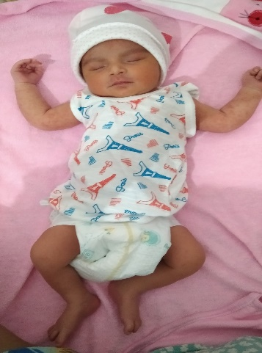

Born ON
Born at

weight
03:26 pm

AB+

2.90 kg

Proud Parents Ramendra & Shikha
Lal Hospital

