DashBoard
10 Total Assets | 5 Assigned Assets | 5 Available Assets |  | 5 Asset Expiry 90 Days

10 Total Publishers | 10 Total Licenses | 10 Install Licenses |  | 10 Available/Un assigned Licenses

10 Last 30 Days Purchased | 10 Renewals Reviews next 90 Days Purchased | 10 SW Purchase expiry with in 30 Days |  | 10 Risk Publishers

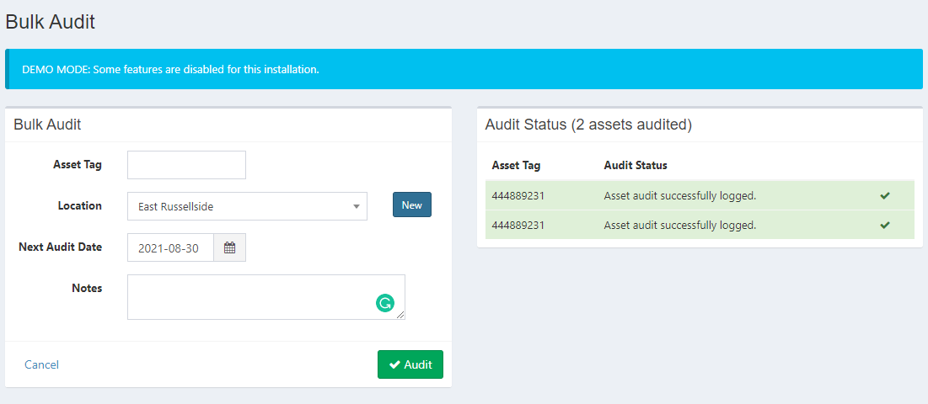

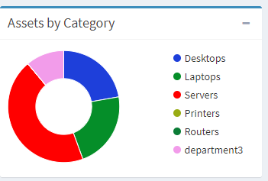
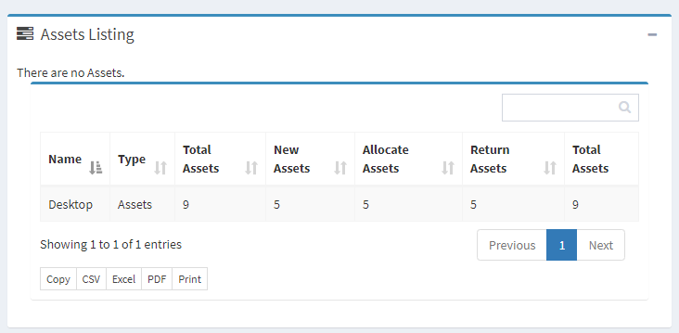
Asset Activity
 |  |  |  | Risk | Non Risk
 |  |  | 10 | 1 | 9

 |  |  |  |  |  |  | Menu

 |  |  |  |  |  | Dashboard | Hardware Assets | Software License | Procurement |  | Reports |  |  | Settings
 |  |  |  |  |  |  | All Assets | All License | Software Purchase | Asset Category | Software | Hardware | Procurement | Help
 |  |  |  |  |  |  | Create Asset | Create License | Hardware Purchase | License Category | All License | All Assets | All Purchases
 |  |  |  |  |  |  | Assigned Asset | Assigned License |  | Vendors | Assigned License | Assigned Assets | Software Purchase
 |  |  |  |  |  |  | Unassigned Assets | Unassigned License |  | Asset Models | Unassigned License | Unassigned Assets | Hardware Purchases
 |  |  |  |  |  |  | Accessories | Publisher Summary |  | Locations | Expiry Report | Asset Maintainance report
Software License Assigned Activity |  |  |  |  |  |  | Consumables | Risk License |  | Publishers | Custom Reports | Accessories
 |  |  |  |  |  |  | Components | Non Risk license |  |  | Retired License | Consumables
 |  |  |  |  |  |  | Audit | Non Maintainance License |  |  | License installed by publisher | Components
 |  |  |  |  |  |  | Import Assets |  |  |  | All publisher report | Audit
 |  |  |  |  |  |  | Asset Maintainance |  |  |  | Renewal License | Manafacture Report
 |  |  |  |  |  |  |  |  |  |  | Unused License

Software Overview
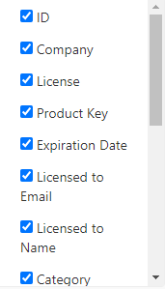

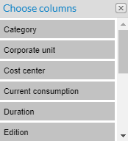

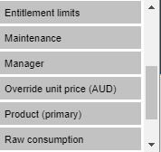

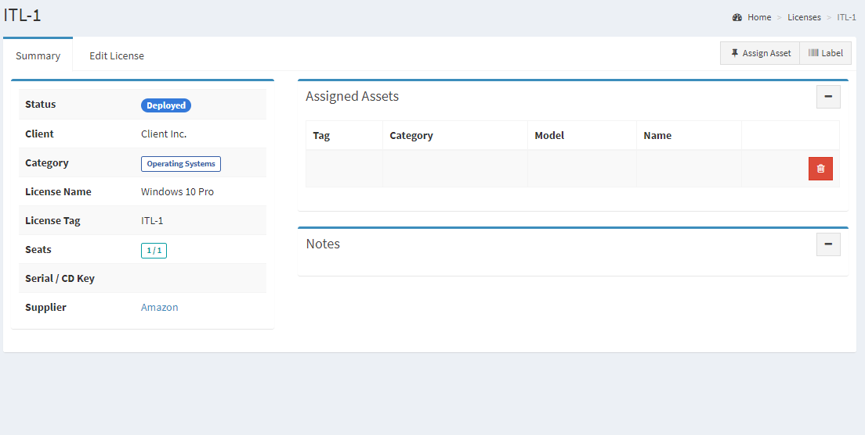
Remove Labeles
 |  |  |  |  |  |  | Summary |  |  |  | Finance |  | Consumed/Used |  | Assigned
 |  |  |  |  |  |  | FIELDS |  |  |  | Amount | Text | Frequency dropdown (Ex:INR,USD,CHF) |  | Add-Pop
 |  |  |  |  |  |  | PUBLISHER NAME | Dropdown | + |  |  |  |  |  | User ID
 |  |  |  |  |  |  | Name | Txt |  |  |  |  |  |  | Asset ID No of License
 |  |  |  |  |  | 20 PURCHASE | Version | Txt |  |  | Documents |  | History
 |  |  |  |  |  |  | License Type | Dropdown | +
 |  |  |  |  |  |  | Edition | Text
 |  |  |  |  |  |  | Purchase type | Drop down |  |  | Owner |  |  | Procured
 |  |  |  |  |  |  | Purchase date | Calender |  |  | Owner name | Text |  | Purchase details
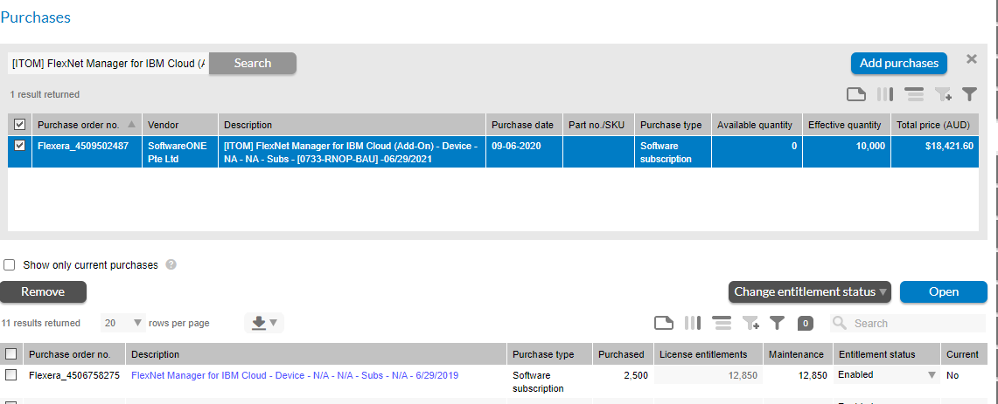
 |  |  |  |  |  |  | License Start Date | Calender |  |  | Project ID | Text
 |  |  |  |  |  | 30 USED | License Expiry Date | Calender |  |  | Cost center | Text
 |  |  |  |  |  |  | Status | Drop down |  |  | Location | Drop down
 |  |  |  |  |  |  | Category | Drop down |  |  | Business Unit | Drop down
 |  |  |  |  |  |  | Serial Number | Text
 |  |  |  |  |  |  | Notes
 |  |  |  |  |  |  | Location | Drop Down
 |  |  |  |  |  | 10 RISK | Cost center
 |  |  |  |  |  |  | Purcahse Quantity |  |  | Quantity per unit
 |  |  |  |  |  |  | Part no./SKU:
 |  |  |  |  |  |  | Vendor Name | Drop Down | +
 |  |  |  |  |  |  | Purchase Order Number
 |  |  |  |  |  |  | Contract/Agreement Number
Purchase

Purchase Order Number |  | Documents | Owner |  | Licesne
Publisher |  |  | Owner name | Text | Need sync License
Vendor |  |  | Project ID | Text
Application Name |  |  | Cost center | Text | History
PartNo/Sku |  |  | Location | Drop down
Purchase Qty | Purchase Qty per Unit |  | Business Unit | Drop down
Purchase Type | Software/Maintainance/Upgrade/Hardware
 | Desktop/Laptop/Server/Thin Clients
Contract/Agreement No
Effective Start Date | Effective End Date
Notes
Software Price

