GitBash Installation and Setup
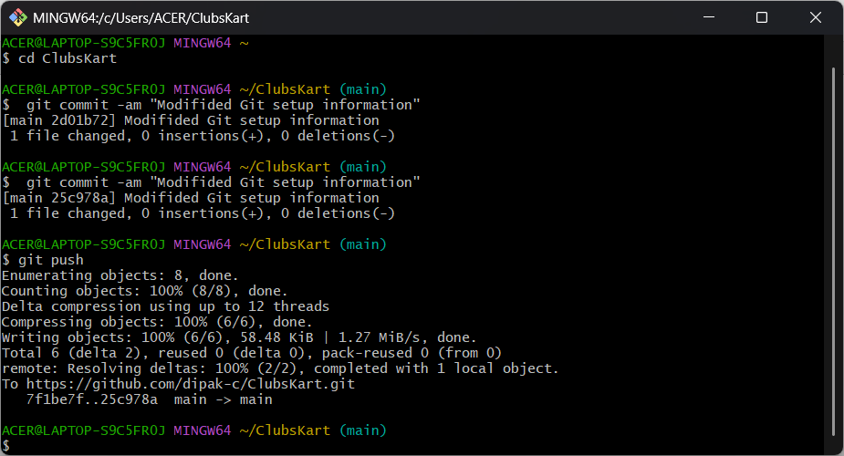
1. GitBash Installation
 | 1.1 Download Git bash from below link
 |  | Git for Windows/x64 Setup

 | 1.2 Install with default settings
 |  | only for git commit option choose
 |  |  | git commit as-is

2. GitBash Setup
 | 2.1 Type GitBash in search bar and open GitBash

 | 2.2 Type below commands to set username in git
 |  | git config --global user.name "Sakshi Galim" |  | *Replace this name and e-mail 'with yours
 |  | git config --global user.email sakshigalim@gmail.com

 | 2.3 Check for the git details with below command to confirm setting username is completed
 |  | git config --list

3. GitClone
 | 3.1 As we will be cloning the Main branch copy HTTPS url

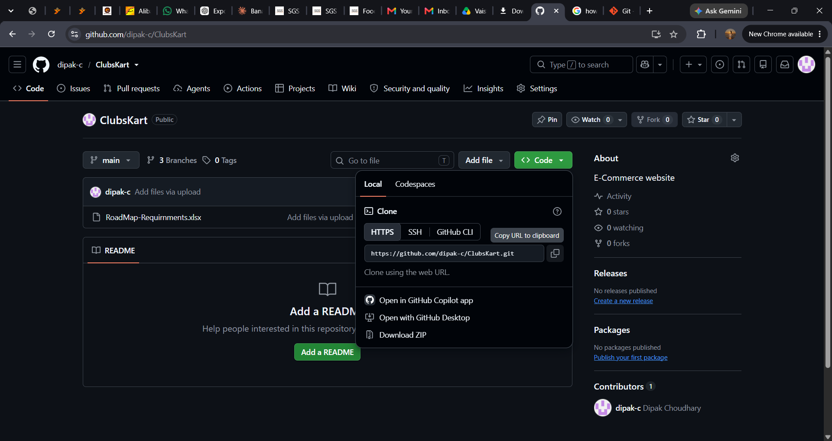

Copy HTTPS URL

 | 3.2 Execute below command on GitBash
 |  | git clone https://github.com/dipak-c/ClubsKart.git

4. SSH Key generation
 | 4.1 Execute below command to create the SSH key
 |  | ssh-keygen -t ed25519 -C "sakshigalim@gmail.com"

 | 4.2 Press Enter when you see message "Enter file in which to save the key"

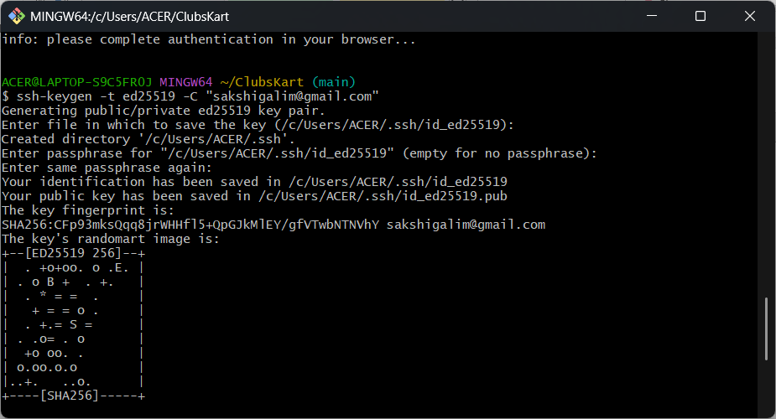
Press enter when you see this message

 | 4.3 Set you passpharse and press enter also enter you passpharse again to confirm
 |  | India@123

 | 4.4 Your key will be generated in below folder
 |  | c:/users

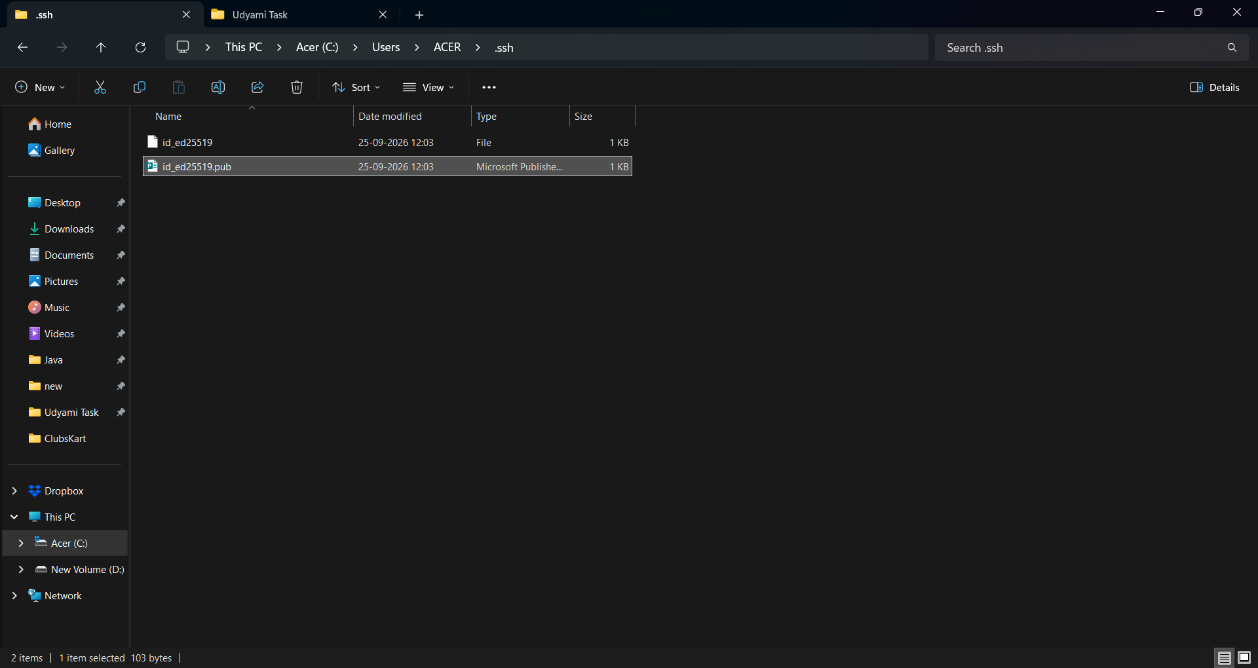

5. Adding the key to Github
 | 5.1 Goto the profile picture section of Github account click "Settings"

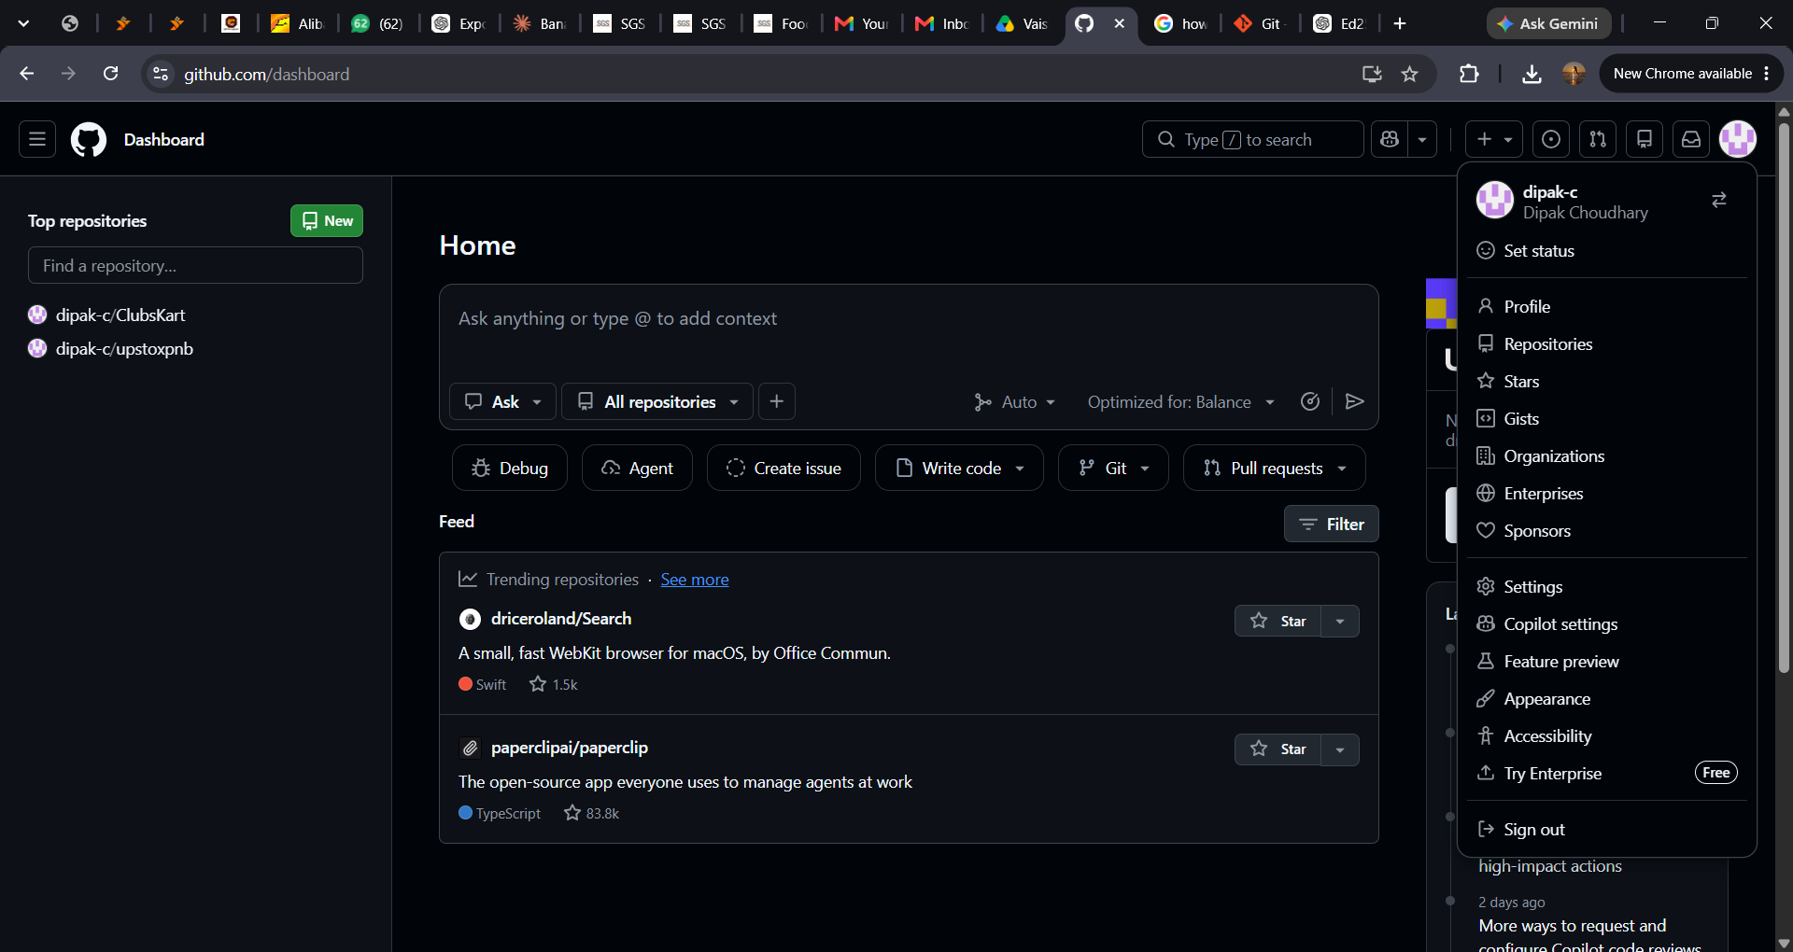

 | 5.2 Goto "SSH and GPG keys" section

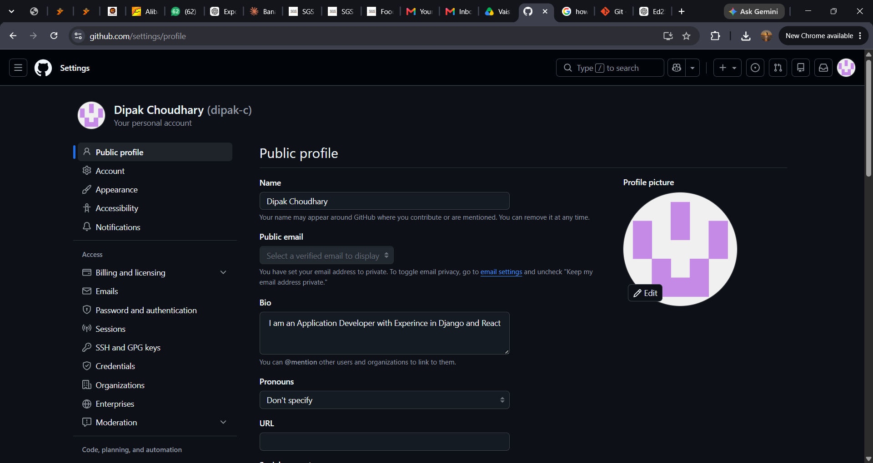

 | 5.3 Click on "New SSH key"

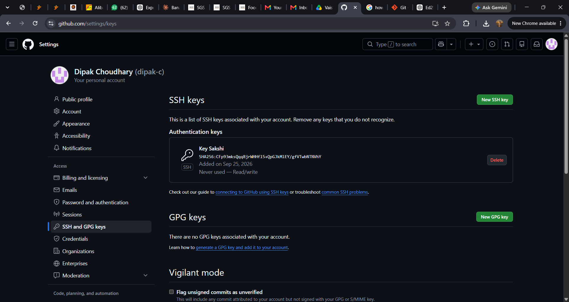

 | 5.4 Copy the contents of ".pub" file saved under "C:\Users\ACER\.ssh"

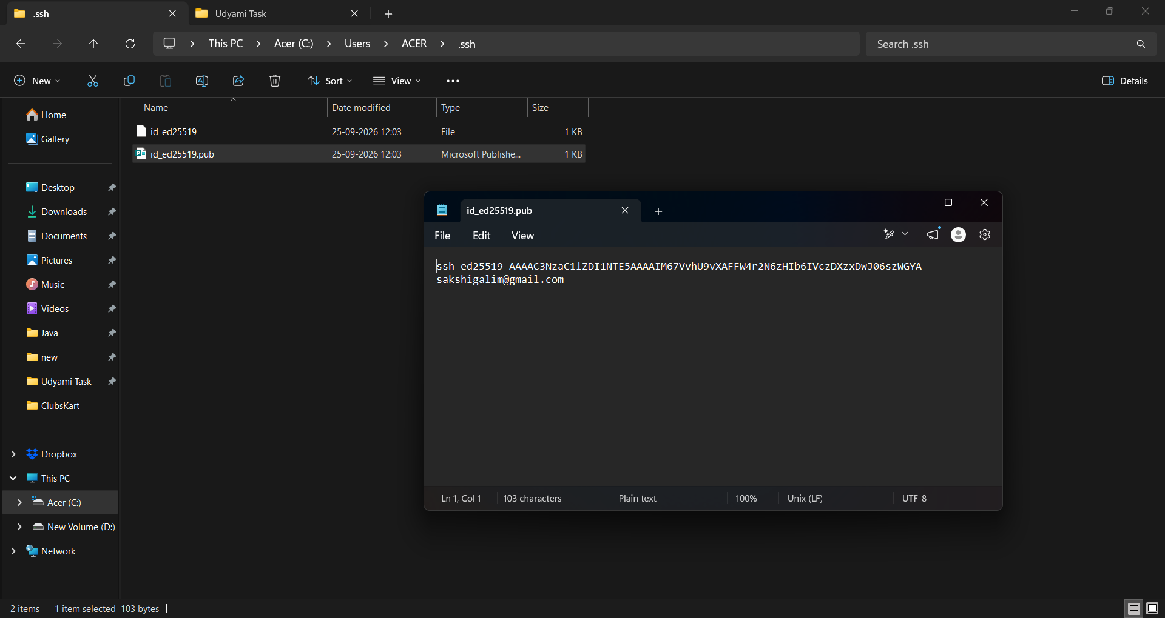

 | 5.5 In Title set "Key Dipak"

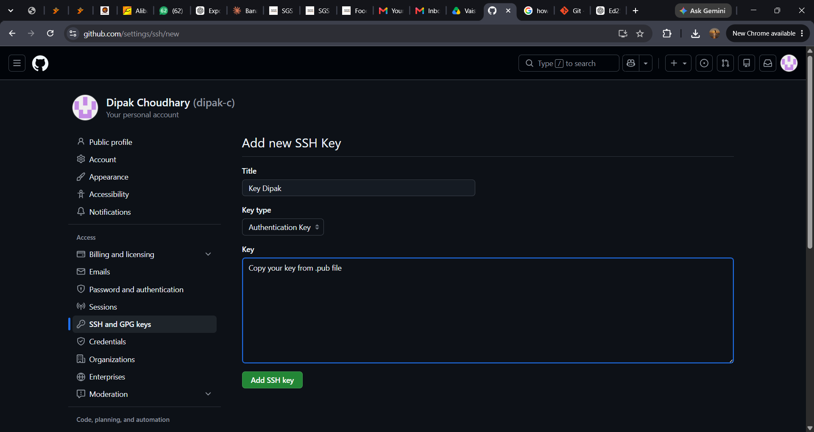

 | 5.6 Paste your copied key in key section

 | 5.7 Click on "Add SSH key"

6. Git Commit
 | 6.1 For git commit change to folder ClubsKart on git bash
 |  | cd ClubsKart

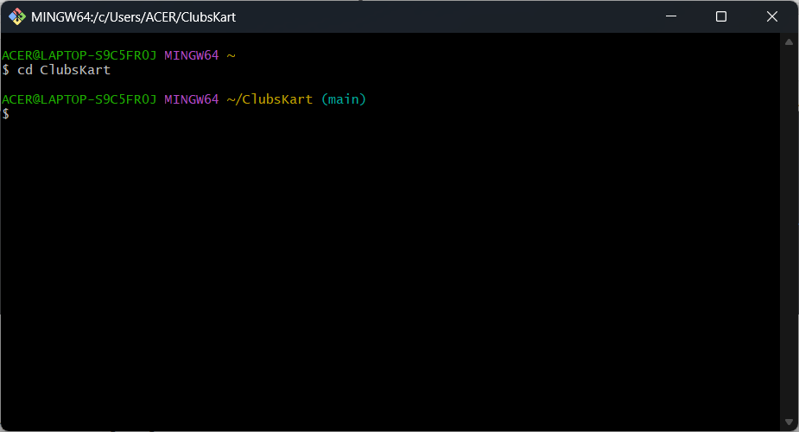

c

 | 6.2 Use below command for commiting changes to your local repository
 |  | git commit -am "Added the Git setup information"

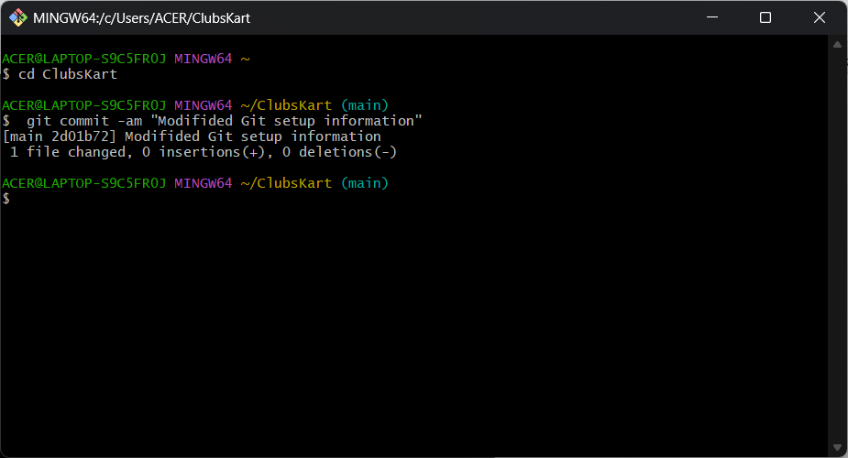

 | 6.3 To push changes to web use below command
 |  | git push

