Sheet1
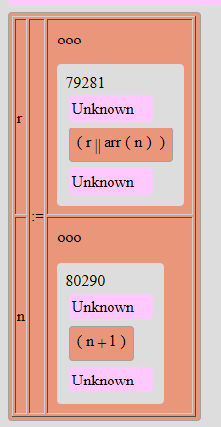

table |  | table
 |  |  | tr
 |  |  |  | td
 |  |  |  |  | r
 |  |  |  | td rowspan="2"
 |  |  |  |  | :=
 |  |  |  | td
 |  |  |  |  | r || arr(n)
 |  |  | tr
 |  |  |  | td
 |  |  |  |  | n
 |  |  |  | td
 |  |  |  |  | n+1

 |  |  |  |  |  | rhsProg

 |  | Assignment
 |  | Program
 |  | MultiAssignment

 | lhsvar

