KNN without Standardisation
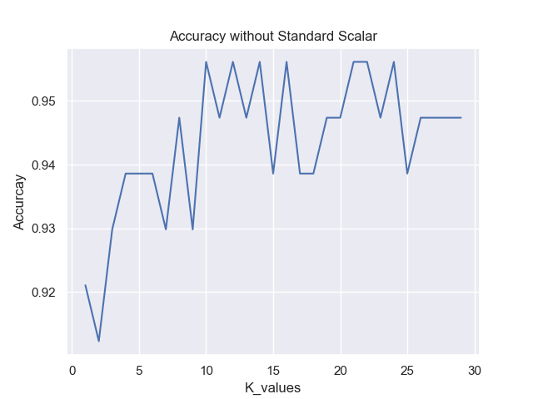
k | Accuracy
1 | 0.92105263158
2 | 0.91228070175
3 | 0.9298245614
4 | 0.93859649123
5 | 0.93859649123
6 | 0.93859649123
7 | 0.9298245614
8 | 0.94736842105
9 | 0.9298245614
10 | 0.95614035088
11 | 0.94736842105
12 | 0.95614035088
13 | 0.94736842105
14 | 0.95614035088
15 | 0.93859649123
16 | 0.95614035088
17 | 0.93859649123
18 | 0.93859649123
19 | 0.94736842105
20 | 0.94736842105
21 | 0.95614035088
22 | 0.95614035088
23 | 0.94736842105
24 | 0.95614035088
25 | 0.93859649123
26 | 0.94736842105
27 | 0.94736842105
28 | 0.94736842105
29 | 0.94736842105

KNN with Standardisation
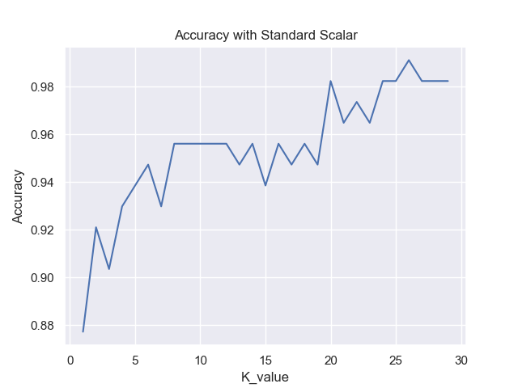
k | Accuracy
1 | 0.87719298246
2 | 0.92105263158
3 | 0.90350877193
4 | 0.9298245614
5 | 0.93859649123
6 | 0.94736842105
7 | 0.9298245614
8 | 0.95614035088
9 | 0.95614035088
10 | 0.95614035088
11 | 0.95614035088
12 | 0.95614035088
13 | 0.94736842105
14 | 0.95614035088
15 | 0.93859649123
16 | 0.95614035088
17 | 0.94736842105
18 | 0.95614035088
19 | 0.94736842105
20 | 0.98245614035
21 | 0.9649122807
22 | 0.97368421053
23 | 0.9649122807
24 | 0.98245614035
25 | 0.98245614035
26 | 0.99122807018
27 | 0.98245614035
28 | 0.98245614035
29 | 0.98245614035

KNN with MinMax Standardisation
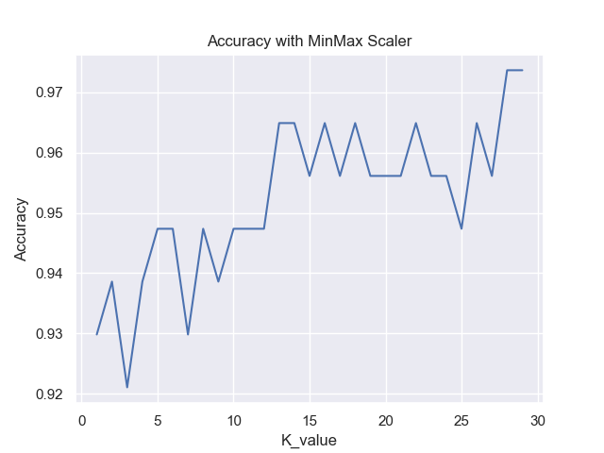
k | Accuracy
1 | 0.9298245614
2 | 0.93859649123
3 | 0.92105263158
4 | 0.93859649123
5 | 0.94736842105
6 | 0.94736842105
7 | 0.9298245614
8 | 0.94736842105
9 | 0.93859649123
10 | 0.94736842105
11 | 0.94736842105
12 | 0.94736842105
13 | 0.9649122807
14 | 0.9649122807
15 | 0.95614035088
16 | 0.9649122807
17 | 0.95614035088
18 | 0.9649122807
19 | 0.95614035088
20 | 0.95614035088
21 | 0.95614035088
22 | 0.9649122807
23 | 0.95614035088
24 | 0.95614035088
25 | 0.94736842105
26 | 0.9649122807
27 | 0.95614035088
28 | 0.97368421053
29 | 0.97368421053

