trigram
 |  | Trigram - Count Vectorizer

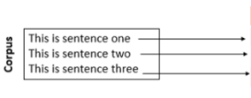

 | 0 | 1 | 2 | 3 | 4 | 5 | 6 | 7 | 8 | 9 | 10 | 11 | 12 | 13 | 14
 | is | is sentence | is sentence one | is sentence three | is sentence two | one | sentence | sentence one | sentence three | sentence two | this | this is | this is sentence | three | two
0 | 1 | 1 | 1 | 0 | 0 | 1 | 1 | 1 | 0 | 0 | 1 | 1 | 1 | 0 | 0
1 | 1 | 1 | 0 | 0 | 1 | 0 | 1 | 0 | 0 | 1 | 1 | 1 | 1 | 0 | 1
2 | 1 | 1 | 0 | 1 | 0 | 0 | 1 | 0 | 1 | 0 | 1 | 1 | 1 | 1 | 0

tfidf
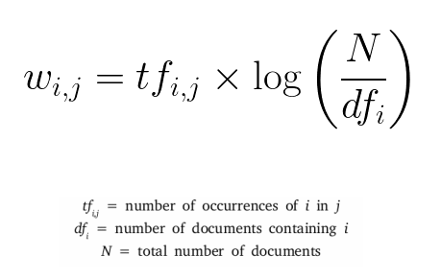
 | TF-IDF Term Frequency-Inverse Document Frequency |  |  |  |  |  |  |  |  | Term Frequency |  | Directly proportional to how many times a word occurs in a document
 |  |  |  |  |  | tf-idf weight for token 'i in document j |  |  |  | Inverse Term Frequency |  | Inversely proportional to how many times a word occurs across documents
 |  |  |  |  |  |  |  |  |  |  |  | Term frequency = percentage share of the word compared to all tokens in the document

 |  |  |  |  |  |  |  |  |  |  |  | Inverse document frequency = logarithm of the total number of documents in a corpora divided by the number of documents containing the term

 | 0 | 1 | 2 | 3 | 4 | 5 | 6 | 7 | 8 | 9 | 10
 | is | is sentence | one | sentence | sentence one | sentence three | sentence two | this | this is | three | two
0 | 0.30523155268 | 0.30523155268 | 0.51680194284 | 0.30523155268 | 0.51680194284 | 0 | 0 | 0.30523155268 | 0.30523155268 | 0 | 0
1 | 0.30523155268 | 0.30523155268 | 0 | 0.30523155268 | 0 | 0 | 0.51680194284 | 0.30523155268 | 0.30523155268 | 0 | 0.51680194284
2 | 0.30523155268 | 0.30523155268 | 0 | 0.30523155268 | 0 | 0.51680194284 | 0 | 0.30523155268 | 0.30523155268 | 0.51680194284 | 0
 |  |  |  |  |  | Words that occur across many documents will have a low tfidf weight
 |  |  |  |  |  | If the word occurs only in a few documents that logarithmn will return a higher no.

