Plots
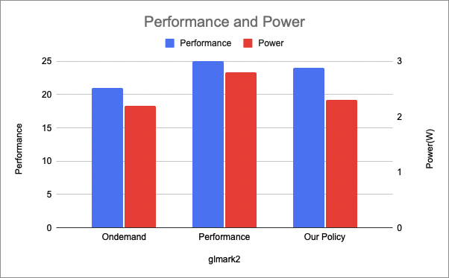
Chai | Performance | Power
ondemand | 0.714285714 | 1
perrformance | 1.443001443 | 1.8
Our policy | 1.145475372 | 0.8

glmark2 | Performance | Power
Ondemand | 21 | 2.2
Performance | 25 | 2.8
Out Policy | 24 | 2.3

