Plots
Chai | Performance | Power
ondemand | 0.714285714 | 1
perrformance | 1.443001443 | 1.8
Our policy | 1.145475372 | 0.8

glmark2 | Performance | Power
Ondemand | 21 | 2.2 | -14.285714286
Performance | 25 | 2.8 | 4 | -4.5454545455
Our Policy_Perf | 24 | 2.3
Our Policy_Pow | 22 | 2 | 4.7619047619 | -9.0909090909

Chai: Single CPU
Chai: Single CPU | Performance | Power
ondemand | 1.1053387863 | 1.4
performance | 2.0707792342 | 2.7
our policy | 1.6129032258 | 2

Chai | Performance | Power
ondemand | 0.71428571429 | 1
perrformance | 1.443001443 | 1.8
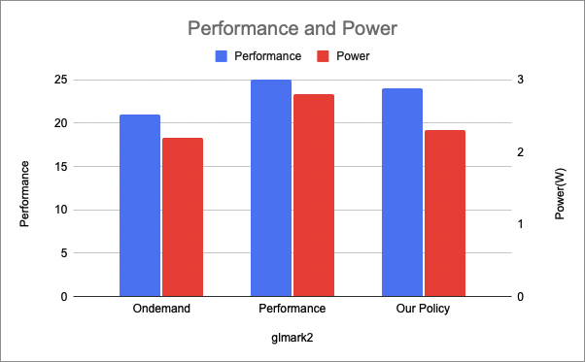
Our policy_Perf | 1.3888888889 | 1
Our policy_Pow | 1.1454753723 | 0.8 | 37.642857143 | -25

 | 48.571428571

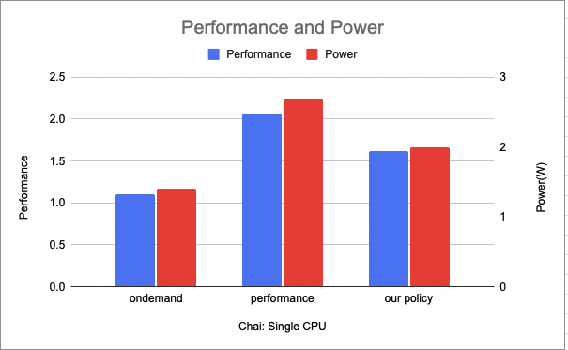

 | Performance | Power
glmark | 4.7619047619 | -9.0909090909
chai | 18.821428571 | -12.5

 | glmark2. . | rodinia. .
Performance | 4.7619047619 | 18.821428571
Power | -9.0909090909 | -12.5

