Plots
Chai | Performance | Power
ondemand | 0.714285714 | 1
perrformance | 1.443001443 | 1.8
Our policy | 1.145475372 | 0.8

glmark2 | Performance | Power
Ondemand | 21 | 2.2
Performance | 25 | 2.8
Our Policy_Perf | 24 | 2.3
Our Policy_Pow | 22 | 2

Chai: Single CPU
Chai: Single CPU | Performance | Power
ondemand | 1.1053387863 | 1.4
performance | 2.0707792342 | 2.7
our policy | 1.6129032258 | 2

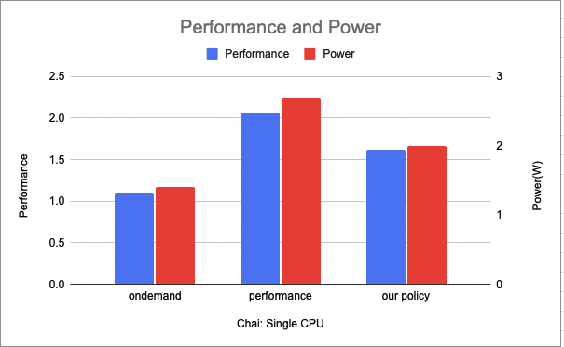
Chai | Performance | Power
ondemand | 0.71428571429 | 1
perrformance | 1.443001443 | 1.8
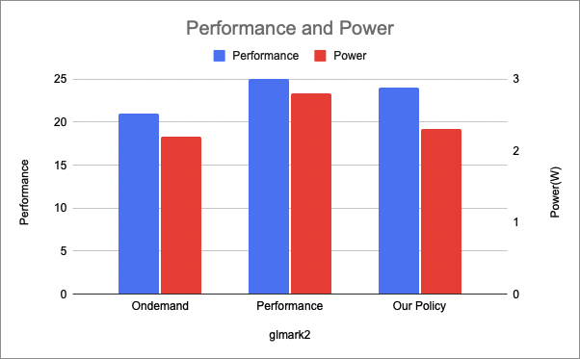
Our policy_Perf | 1.3888888889 | 1
Our policy_Pow | 1.1454753723 | 0.8

