Sheet1
Fundus Image | Mean Angle | Angle Tortuosity (θ) | Arc-Length Tortuosity | Fractal Dimension | FD x θ
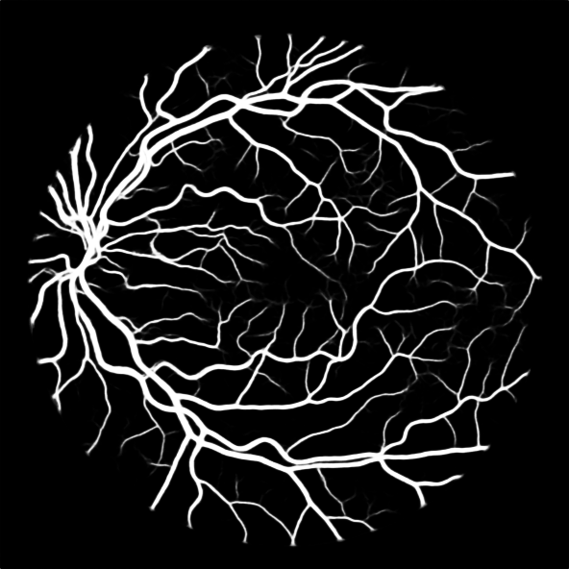 | 143.55865301 | 1.2538429152 | 1.220911407 | 1.3399311991 | 1.6800632409
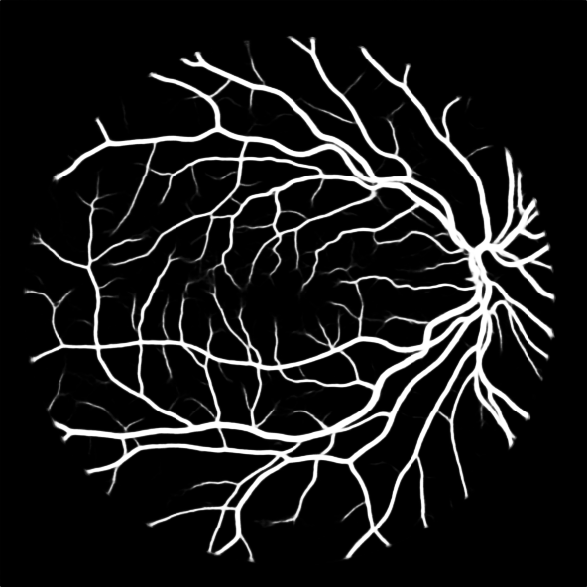 | 141.78334714 | 1.2695426059 | 1.2433837435 | 1.3182319896 | 1.6735516752
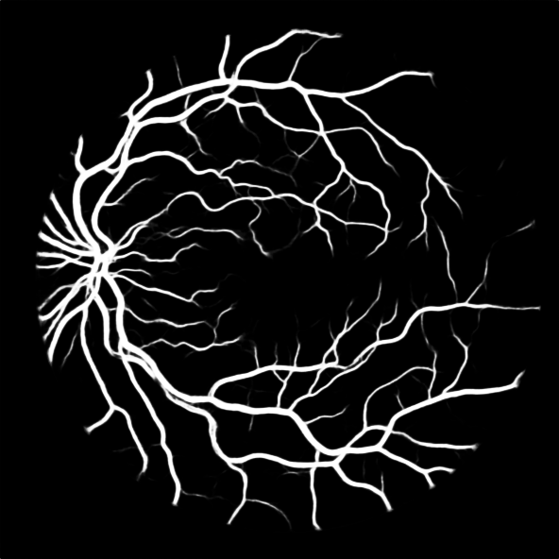 | 143.67831466 | 1.2527986595 | 1.8575825441 | 1.2806035576 | 1.6043384202
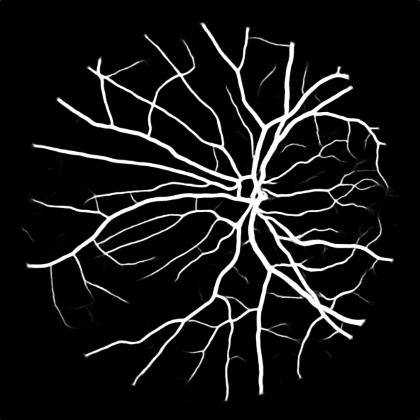 | 146.29244755 | 1.2304121164 | 1.2753527247 | 1.2793563313 | 1.5741355312
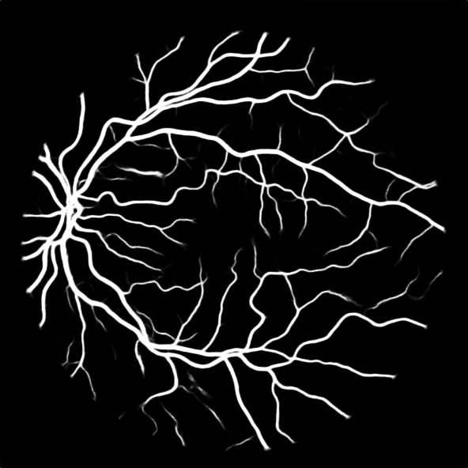 | 144.91107361 | 1.2421410974 | 1.2037417836 | 1.27429931 | 1.5828595432
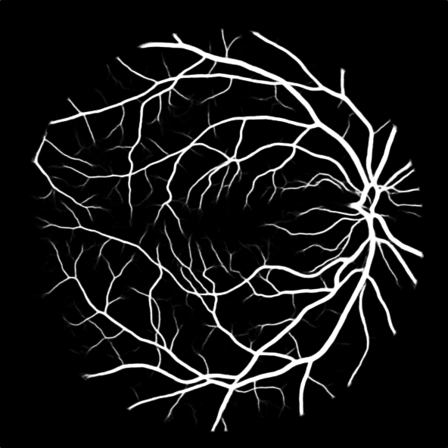 | 145.33720888 | 1.2384990836 | 1.1608969852 | 1.3147214835 | 1.6282813525
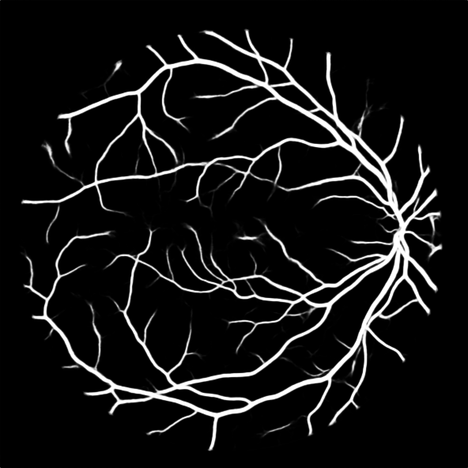 | 146.77081246 | 1.2264018778 | 1.1556888862 | 1.2790758175 | 1.5686609844
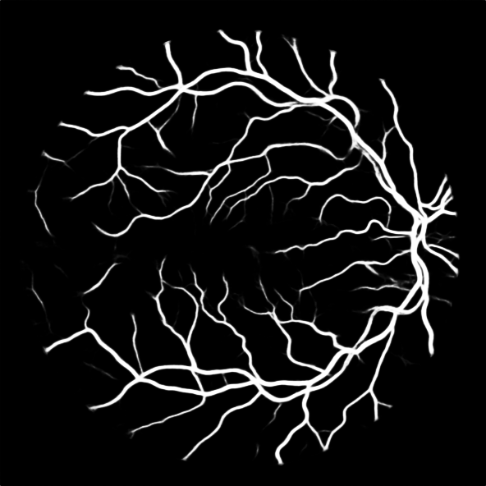 | 144.85225351 | 1.2426454932 | 1.1670574655 | 1.2565061778 | 1.561391739
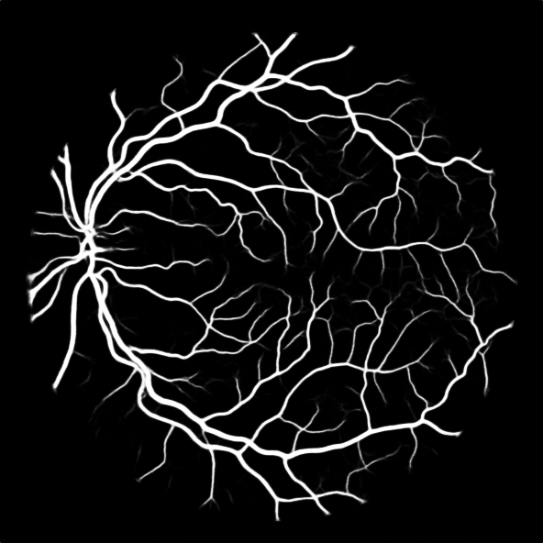 | 142.43947601 | 1.2636946234 | 1.2404559109 | 1.3000865366 | 1.6429123664
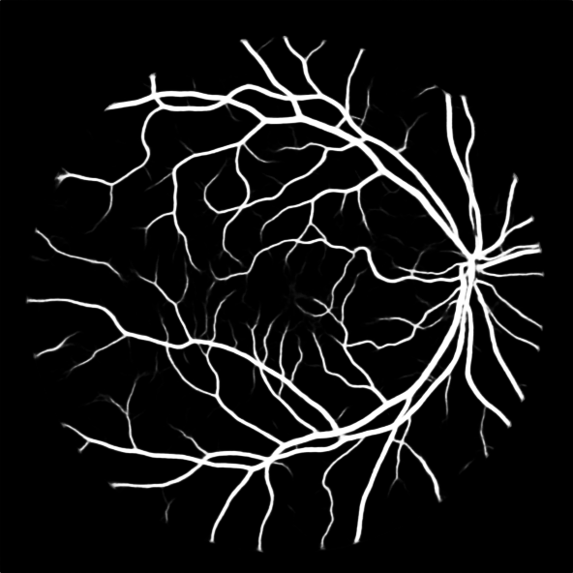 | 144.42533779 | 1.2463187053 | 1.1705358128 | 1.2828023076 | 1.5987805112
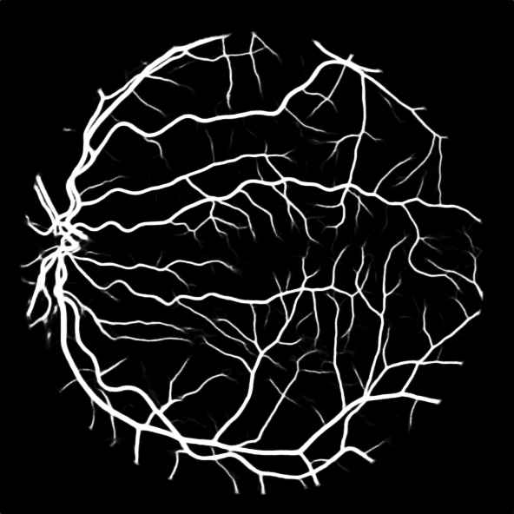 | 141.91878814 | 1.2683310107 | 1.2322922749 | 1.3183854094 | 1.6721490988
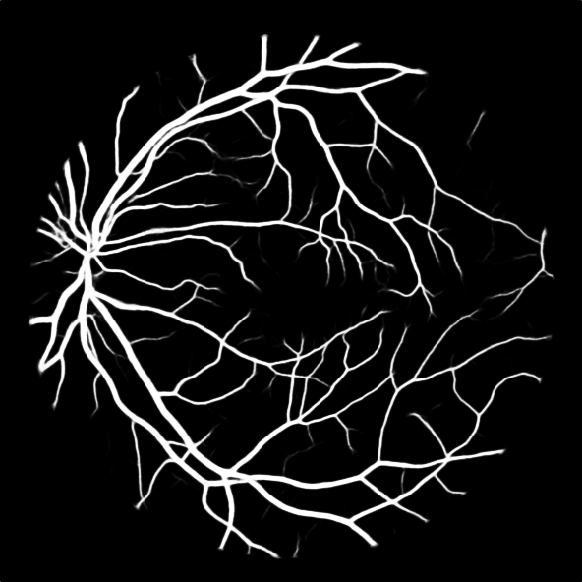 | 145.8544473 | 1.2341070385 | 1.2010103656 | 1.2903602919 | 1.5924427184
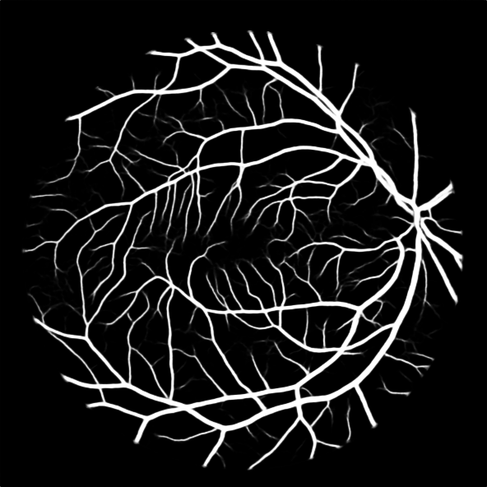 | 143.09706594 | 1.2578874264 | 1.2327644955 | 1.3383720131 | 1.6835213271
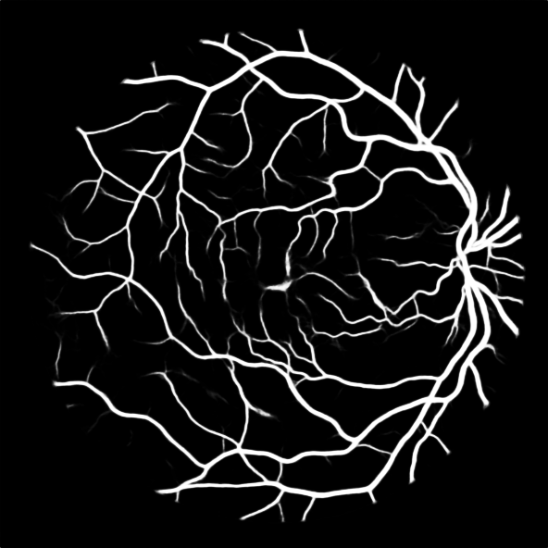 | 143.67031335 | 1.2528684305 | 1.1861966382 | 1.2917223475 | 1.6183581502
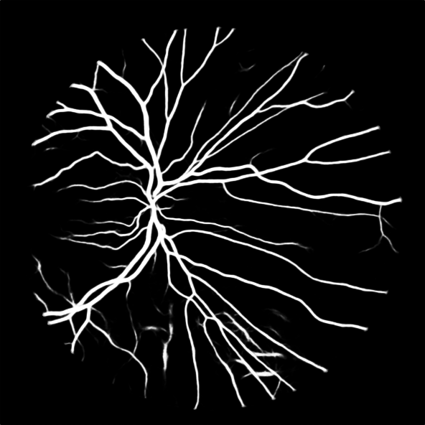 | 148.19846685 | 1.2145874639 | 1.1444151085 | 1.2722434928 | 1.5452509973
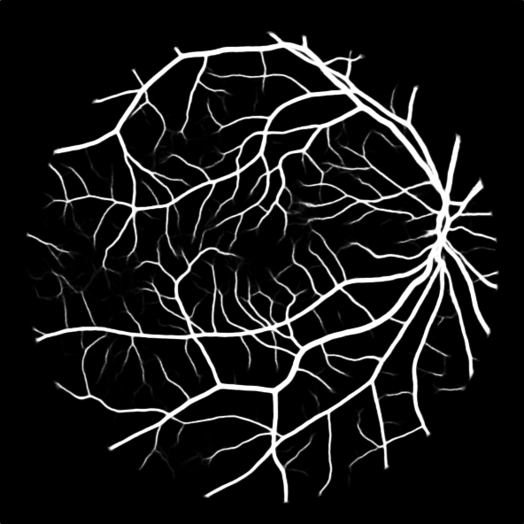 | 144.50592589 | 1.245623658 | 1.1699185625 | 1.3276592911 | 1.6537638227
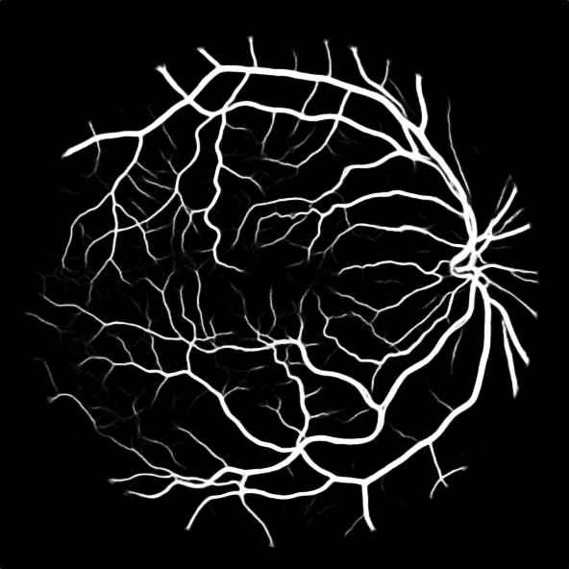 | 145.88469398 | 1.2338511676 | 1.1803903858 | 1.3048510378 | 1.6099919765
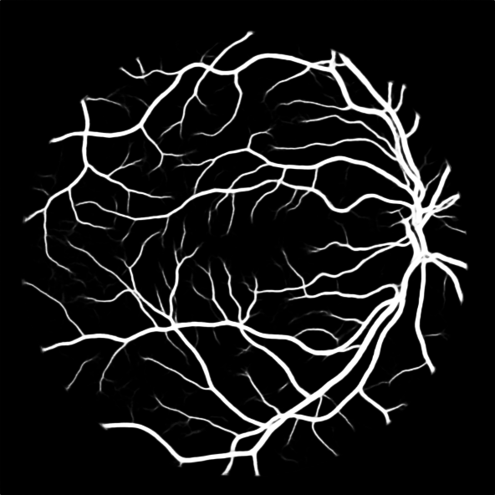 | 147.09162086 | 1.2237270821 | 1.1422859932 | 1.2989170153 | 1.5895199291
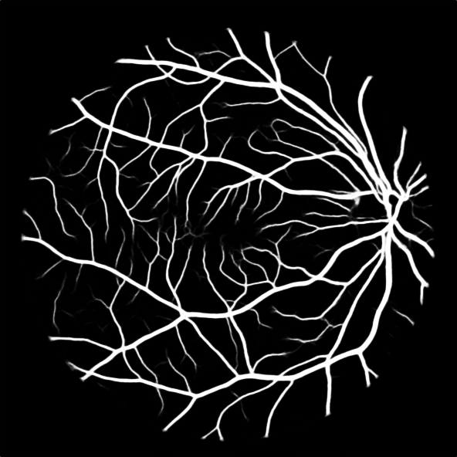 | 146.05803586 | 1.2323868313 | 1.1572549704 | 1.3223455068 | 1.6296411889
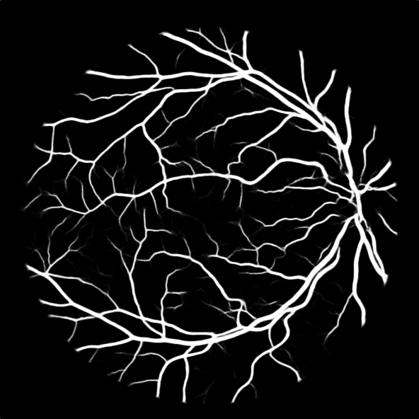 | 141.38927072 | 1.2730810413 | 1.1637230303 | 1.3015170852 | 1.6569367262

