Instructions
Project Security Plan (PSP) - Cybersecurity integration into projects -

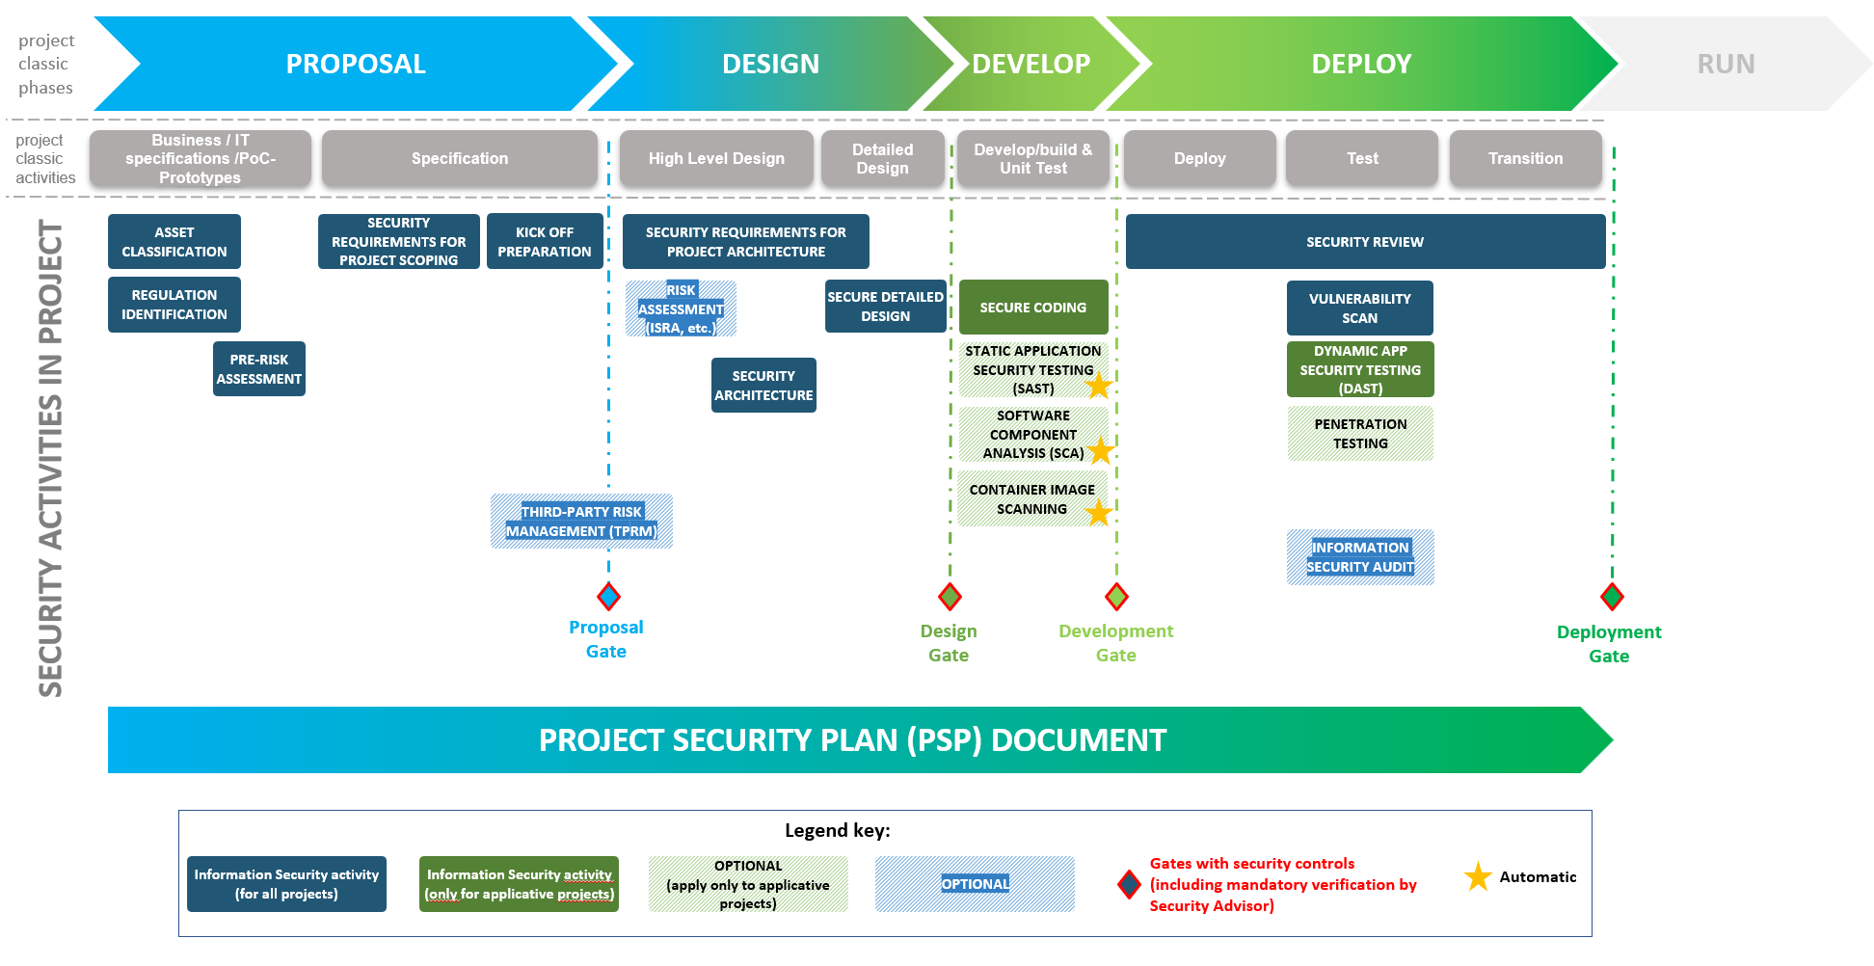
Objectives of the PSP | Ease the integration of Security by design into projects, to support all Business needs: 1) To ensure security requirements and actions related to new business are effectively implemented. 2) To formalize security decisions/arbitrations during the project.

PSP owner during a project | Project Manager (or Proposal Owner in the PROPOSAL phase)

PSP template owner | Cybersecurity GRC team

Minimum confidentiality level once completed | RESTRICTED

Instructions

Who is responsible for completing and managing the Project Security Plan (PSP)? 1. PROPOSAL OWNER is responsible to fill it during the proposal phase. 2. As the project progresses, PROJECT MANAGER is responsible to fill the PSP. ------------------------------------------------------------------------------------------------ When to fill in the PSP? => From the start of the project, when the business need is formalized, and the project process starts. Firstly, the "Project information" tab needs to be filled. Then at each phase of the project (PROPOSAL, DESIGN, DEVELOP and DEPLOY phases), the responsible person must fill each field of the corresponding tab. Please NOTE that at each phase, the project's Security Advisor must be involved for approval. ------------------------------------------------------------------------------------------------ How does this document work? => The purpose of this document is to integrate Security by Design to support all Business projects. The PROPOSAL phase is the phase where the business needs and cybersecurity topics are gathered (Confidentiality, Integrity, Availability levels, regulation associated with the business need, exposure and hosting). Some basic cybersecurity controls are also performed. The DESIGN phase is the when the expected response to the business needs is designed. From high level (High Design) down to more details (Low Design). The DEVELOP phase is when the builds are performed. The focus here is on development security controls. The DEPLOY phase is the last step of the project before steady state mode. It focuses on cybersecurity controls (compliance controls, vulnerability controls and operational documents).

------------------------------------------------------------------------------------------------ Who is the first Cybersecurity interlocutor for my project? The Business Information Security Officer (BISO email team: biso@test.com) can guide the Product Owner through the first step of the project. Then, a Security Advisor will help the Proposal Owner and the Project Manager with cybersecurity throughout the progress of the project. He will check the information and verify that the actions associated with the PSP are properly managed. He will involve other cybersecurity teams when necessary. ------------------------------------------------------------------------------------------------

Where should I deposit the Project Security Plan (PSP) to share it with Cybersecurity teams?
Before sharing it, please add your project name to your PSP file name.
Go to the "Project Security Plan" dedicated page on the Cybersecurity Compass SharePoint: |  | CLICK HERE
If you don't have access to this Cybersecurity SharePoint or no right to drop it in, you can send it to the following Security Advisor team email box : advisor@test.com
------------------------------------------------------------------------------------------------ Remarks:
All the fields highlighted in light gray must be filled :
Notice: all fields in a red frame represent the cybersecurity result of the phase, or the most important things for cybersecurity. Those fields must be completed by the Project Manager (PM) following instructions from the Security Advisor
------------------------------------------------------------------------------------------------ Other contacts: * Data Governance team (will guide you in data classification): data@test.com * Security Operation Center (SOC) team (involved into log management, SIEM, etc.): soc@test.com * Application Security team (source code security, vulnerability scans, pentest, etc.): appsec@test.com * OT cybersecurity expert (for Operational Technology (OT)): ot@test.com * Cloud Security team (Cloud environments): cloud@test.com * CMA CGM group Data Privacy Officer (regarding Personal Information regulation): dpo@test.com * HO Network team (IP addresses, subnetworks, etc.): network@test.com
------------------------------------------------------------------------------------------------ Frequently Asked Questions - FAQ:
Where can I find further information (stakeholders or required documents) about Cybersecurity in projects? E.g., guidelines for Cryptography Standards, Secure Coding , Proof of Concept, Decommissioning
Go to the "Cybersecurity requirements in projects" dedicated page on the Cybersecurity Compass SharePoint: |  | CLICK HERE
------------------------------------------------------------------------------------------------ During the PROPOSAL phase of the project, what are the most frequently applicable regulations/laws/standards related to cybersecurity?
- Personal Information regulation (GDPR, California Consumer Privacy Act (CCPA), etc.) - NIS-OES (Operators of Essential Services) ("NIS-OSE" in French), when the project deals with: * Transport Planning (Planification des trajets) / * Dangerous Goods Shipping (Transport de marchandises et de matières dangereuses) / * Vessel Maintenance (Maintenance des navires) - IMO regulation: the International Maritime Organization (IMO) has published a document with Cyber requirements (Guidelines on Maritime Cyber Risk Management). - DoD regulation (US Department of Defense): some entities have contracts with the US DoD via US Transportation Command and Voluntary Intermodal Sealift Agreement (VISA). As part of US Government Contracts, these entities offices and their applications and Infrastructures must be compliant to Protecting Controlled Unclassified Information (CUI) in Non Federal Information Systems and Organizations (NIST SP 800-171). - SWIFT's Customer Security Program (treasury operations)
------------------------------------------------------------------------------------------------ During the DEPLOY phase of the project, how can I trigger a Penetration testing (Pentest)? Via the "PENETRATION TEST REQUEST FORM" on End User Portal (EUP*) Notice: in case of SaaS solutions, take into consideration the following information: 1 - The SaaS provider shall provide a proof of a recent penetration testing performed by a 3rd party 2 - If the supplier doesn’t have such evidence and cannot get one, Cybersecurity (via Application Security team) can organize a pentest for them done by a 3rd party, but the price of the assessment will be backcharged to them / deducted on the contract How to request a corporate Web Application Firewall (WAF) configuration? Via the "WAF PROFILE CONFIGURATION" request on End User Portal (EUP*)
* EUP requests in Service Now: |  | CLICK HERE
------------------------------------------------------------------------------------------------ GLOSSARY: Pre-risk assessment: a cybersecurity activity that decides if the solution will require a complete risk assessment TPRM - Third-Party Risk Management: a cybersecurity process assessing the maturity level in cybersecurity of a supplier, prior to contract. Only the Security Advisor can trigger the TPRM process ISRA - Information Security Risk Assessment: a cybersecurity process evaluating the risks of a solution SAST - Static Application Security Testing: an IT activity to detect potential vulnerabilities in code written in house SCA - Software Composition Analysis: a cybersecurity activity allowing to detect components with known vulnerabilities Container image scanning: a cybersecurity activity allowing to detect vulnerabilities in container images DAST - Dynamic Application Security Testing: a cybersecurity activity to detect vulnerabilities in an application before it goes Live Vulnerability scan: detection of known vulnerabilities in an application or an infrastructure before it goes Live or is updated Penetration testing (aka "Pentest"): a test simulating a real attack performed by an cybersecurity expert to detect - known or unknown - vulnerabilities

High DESIGN phase
 |  | Project Security Plan (PSP) - DESIGN phase - first part (High DESIGN)

 | Cybersecurity remarks regarding this phase

 | Third-Party Risk Management - TPRM (if performed) - supplier security assessment result
 | Name of the selected supplier
 | Cybersecurity Advice report result for the selected supplier
 | Recommendations/action plan (if existing)

 | Risk assessment (if performed) result - Information Security Risk Assessment (ISRA)
 | Status of the ISRA
 | ISRA – Color of highest residual Risks
 | Action plan defined?

 | What type of solution is it? (automatic field: E43 in PROPOSAL phase) |  | Azure tenant CMA CGM (France)

 | Which profile applies to your project solution? |  | Profil 3

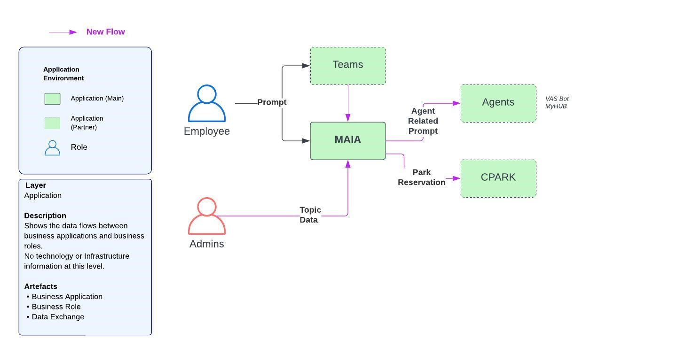
Cybersecurity Topic | Cybersecurity Requirements | Answers | Comments | Mandatory/ Optional | Special Cases | Functional architecture diagram:
Architecture | Please copy/paste the functional and the technical architectures in dedicated frames on the right of this Excel sheet | Done |  | Mandatory
 | Is the project solution compliant with best cybersecurity Architecture practices (DMZ, 3-tier architecture, etc.)? | Yes | AWS Landing Zone. Digital EKS Network and digital account | Mandatory
 | Please provide remediation plan
 | Please explain why in comments
Authentication and user access management (Identity and Access Management: IAM) | Is the project solution compliant with corporate Identify and Access Management - IAM - requirements*? * : IAM policy can be found in the Cybersecurity Compass SharePoint and apply to affiliates | Yes | Utilisation du SSO + SAP business role MFA …. | Mandatory | Please provide derogation
 | Please explain why in comments
 | Is a remediation plan provided?
Administration cybersecurity | Is administrators authentication compliant with the corporate IAM policy? | Yes | ADM accounts managed by PUMA | Mandatory
 | Please explain why in comments
 | Is the project solution integrated with the corporate Privilege Access Management - PAM - solution? | Yes | Managed by PUMA + ZSCALER | Mandatory
 | Please explain why in comments
 | Does the project solution use the corporate administrative solution to enforce secure communication protocols? Examples: SSH V2, RDP over TLS≥1.2, IPsec or SSL VPN, HTTPS dedicated administration panel, etc. | Yes | HTTPS | Mandatory
 | Please explain why in comments
Impact analysis on ecosystem | Are there any interactions with other systems (System Context Diagram)? | Yes | MongoDB Atlas | Mandatory
 | What are the potential impacts: - Performance impact? - Load impact? - Availability Impact ? | No
Antivirus & Endpoint Protection | Are all the project solution endpoints (workstations, mobile devices and servers) protected by an anti-malware solution? | Not Applicable | EKS | Mandatory
 | Please explain why in comments |  |  |  |  | Technical architecture diagram:
 | If applicable, does the project solution emails gateway apply filtering features (IP/Email@ blocking, files extensions whitelisting, etc.) and implement an anti-malware solution? | Not Applicable |  | Mandatory
 | Please explain why in comments
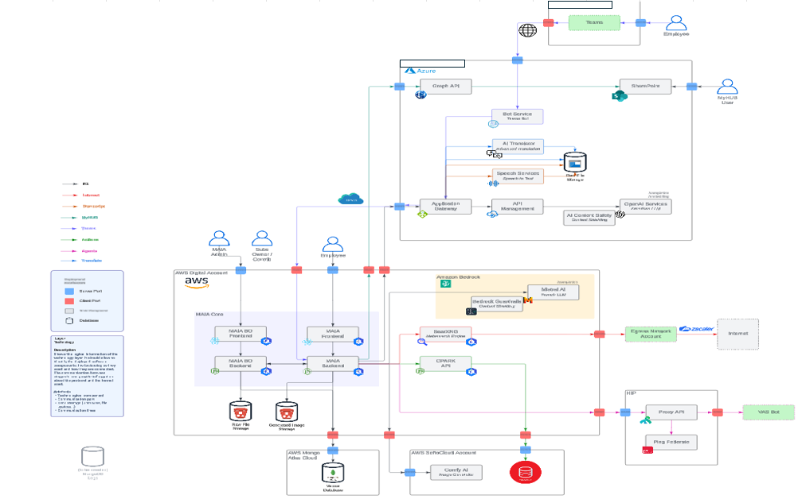
Secrets Management | Do you use a secret management solution? | Yes | Azure Key vault | Mandatory
 | Please explain why in comments
Actions logging and Security Operation Center (SOC) integration (if needed, cf. "Instructions" tab to find SOC team email contact) | Did you perform a workshop with SOC (Security Operation Center) team? | Yes |  | Mandatory | Please organize it before going ahead
 | Is SOC integration capabilities possible? | Yes | Yes, in progress. Derogation to create (Derogation number : ) | Mandatory
 | Are the SOC requirements taken into account in the architecture (e.g. dedicated equipment, flows to the SIEM/SOC infrastructure, etc.)? | Yes |  | Mandatory
Cryptography | Are all the certificates provided by an approved certification authority? | Yes | Internal PKI | Mandatory
 | Will the corporate cryptography Standard* be enforced? * : standards can be found in the Cybersecurity Compass SharePoint and apply to all affiliates | Yes |  | Mandatory | Please provide derogation
Secure Development | Have you performed a workshop with "Application Security" team? | Yes | DAST conducted: green | Mandatory
 | Please explain why in comments
 | Cf. "Secure coding guidelines" for developers in the "Cybersecurity requirements for projects" page on the Cybersecurity compass SharePoint:
Regulations impacting cybersecurity | Did you take into account the impacts of regulation on the architecture? (detail the results) | Yes | DPIA done for Pilot phase (R1) For global deployment: In progress with DPO, regulation by countries | Mandatory
Network flows | Are the sub-networks logically and/or physically segmented based on criteria such as business needs, technologies, locations... (Examples of common VLANs: Office/Users, Wi-Fi, ToIP, Printers, Administrators)? | Not Applicable | PAAS | Mandatory
 | Please explain why in comments
 | Are network flows encrypted? | Yes | HTTPS | Mandatory
 | Please explain why in comments |  |  |  |  | Network flows matrix:
 | Is a corporate* WAF (Web Application Firewall) integrated to the design? | Not Applicable | Not exposed on internet (using ZPA) (for Pilot phase - R1)
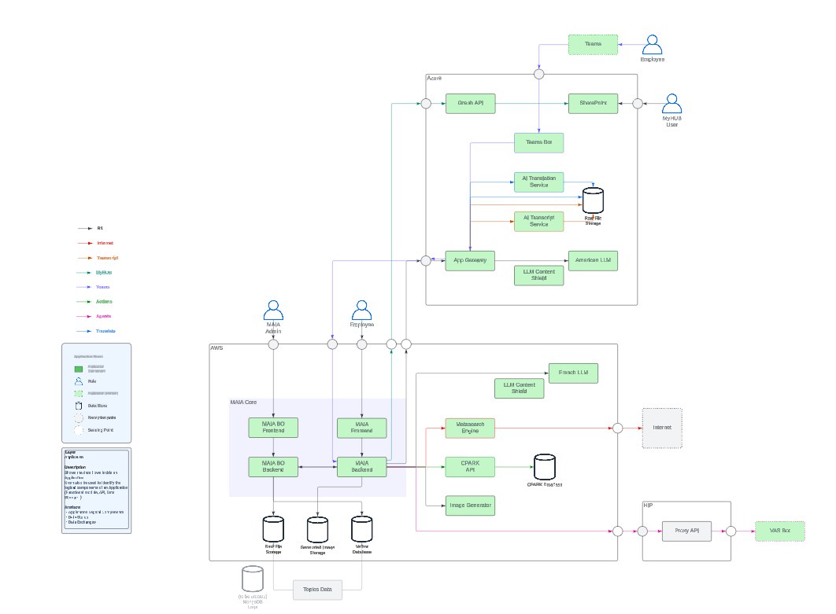
 | Will you perform corporate* WAF (Web Application Firewall) testing on a non-production environment? | Not Applicable
 | Further info: - contact HO Network Team for VIP configuration - EUP request for "WAF profile configuration" * : for On-Premise, and existing IaaS/CaaS platforms (AWS Landing zone,Azure, etc.)
Data protection | Are secure encryption (at rest and in transit) capabilities* planned? * : mandatory for "Restricted" or "Confidential" data | Yes | MongoDB Atlas, active by default Encryption at application level | Mandatory
 | Please explain why in comments
 | In case of sensitive personal data, does the solution provide anonymization/pseudonymization capabilities? | Yes | Hidden usernames | Mandatory
 | Please explain why in comments
Reversibility | Does the solution use data types that are broadly compatible with industry standards* (to ensure interoperability)? Example: database management system (DBMS), results files, configuration files, etc. | Not Applicable |  | Mandatory
 | Please explain why in comments
Resiliency | Are the backups encrypted? | Yes | MongoDB backups encrypted | Mandatory
 | Please explain why in comments
 | Indicate the Recovery Time Objective (RTO) and Recovery Point Objective (RPO) of the solution |  | RTO > 48h RPO > 48h | Mandatory
Cloud Security | Is the solution compliant with the corporate "Cloud Security Standard"? * : standards can be found in the Cybersecurity Compass SharePoint and apply to all affiliates | Yes | Using Azure tenant AWS Landing Zone | Mandatory | only for Outsourcing projects
 | Please explain why in comments
Operational Technology (OT) | Does the project involve operational technology (OT)? | No |  | Mandatory | only for Operational Technology (OT)
 | Have you contacted an OT cybersecurity expert? |  |  | Mandatory | Please organize before going ahead
 | Did you take into account the impacts in the architecture? |  |  | Mandatory | only for Operational Technology (OT)

 | For information, please provide the name of the High-Level Design (HLD) project document and link to its repository* *: not a direct link to the file, but only to the repository/folder. Provide this information is not a substitute for completing this PSP document |  | wiki | Optional

