one way CRD
Problem: | The yield of treatments in different plots are shown in the following plots. Carry out analysis.

 | t4 1401 | t3 2536 | t3 2459 | t1 2537 | t3 2827 | t1 2069
 | t2 2211 | t1 1797 | t4 1170 | t4 1516 | t4 2104 | t3 2385
 | t2 3366 | t1 2104 | t2 2591 | t3 2460 | t4 1077 | t2 2544

Steps:
1) First of all enty the given data/information in given format
2) Go on data analysis tools
3)Anova: single factor
4) Input range: select data
5) grouped by : column or group
6) alpha : 0.05 or 0.01
7) label in first row/column
8) output range
click ok
Hypothesis: |  | Ho | There is no significant difference between average output of three treatments.
 |  | H1 | There is significant difference between average output of three treatments.
Data:
t1 | t2 | t3 | t4
2537 | 2211 | 2536 | 1401
2069 | 3366 | 2459 | 1170
1797 | 2597 | 2827 | 1516
2104 | 2544 | 2385 | 2104
 |  | 2460 | 1077

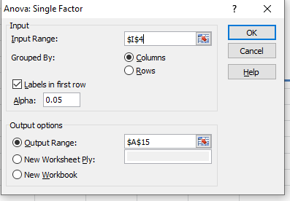
Using data analysis tool,(EXCEL)
Anova: Single Factor

SUMMARY
Groups | Count | Sum | Average | Variance
t1 | 4 | 8507 | 2126.75 | 93630.916667
t2 | 4 | 10718 | 2679.5 | 238647
t3 | 5 | 12667 | 2533.4 | 29788.3
t4 | 5 | 7268 | 1453.6 | 162984.3

ANOVA
Source of Variation | SS | df | MS | F | P-value | F crit
Between Groups | 4271730.2944 | 3 | 1423910.0981 | 11.275789956 | 0.0004989173395 | 3.3438886781
Within Groups | 1767924.15 | 14 | 126280.29643

Total | 6039654.4444 | 17

Decision: | α=0.05 |  |  | Formula:
 | We reject Null Hypothesis |  |  | IF(F32>=B38,"We accept Null Hypothesis","We reject Null Hypothesis")
 | It is significant |  |  | IF(F32>=B38,"It is not significant","It is significant")

Conclusion: | There is significant difference between three treatments.

