Sheet1
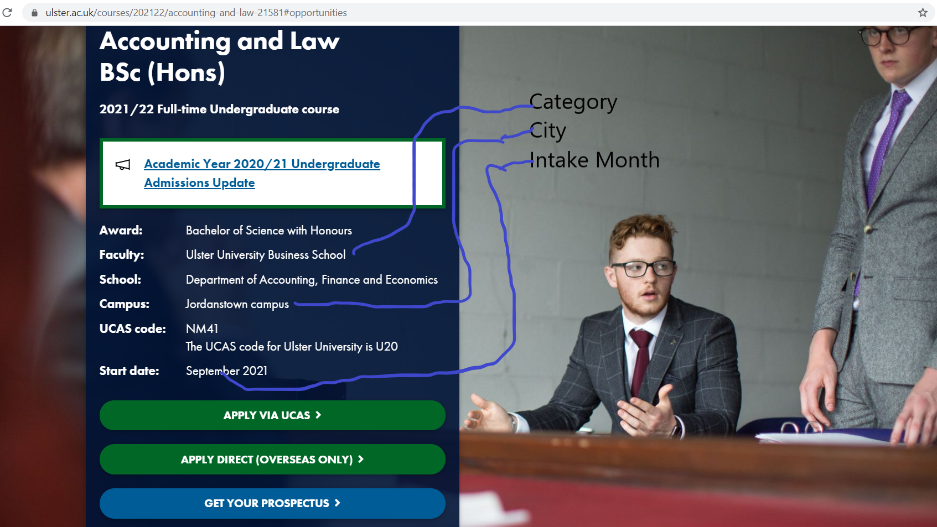
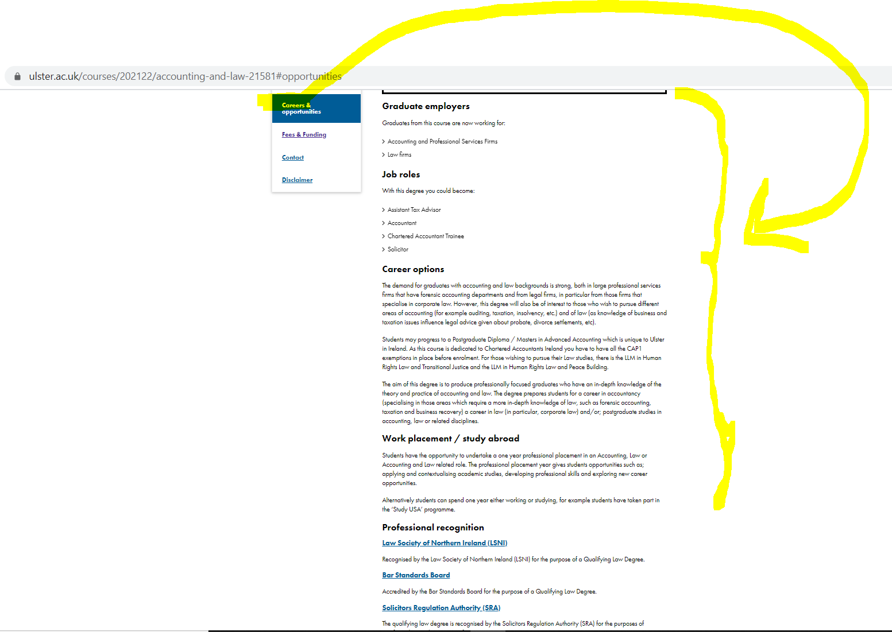
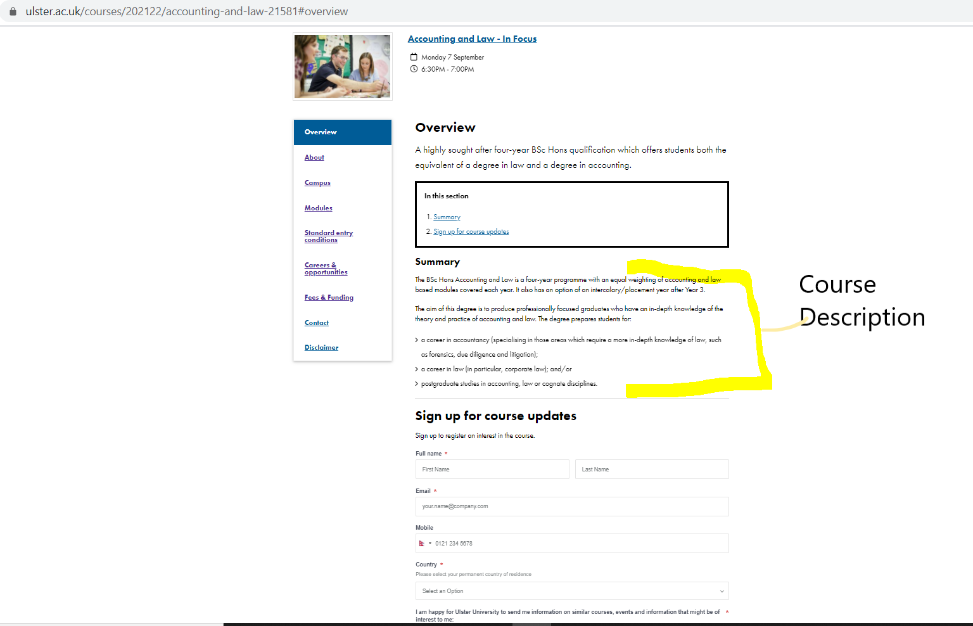
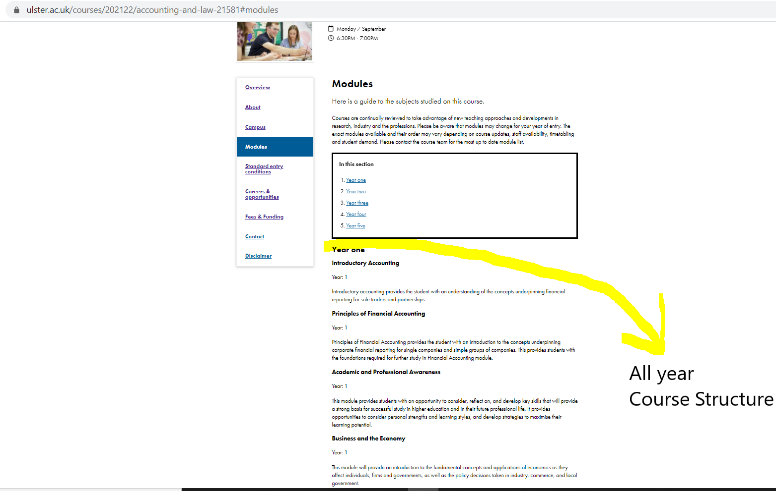
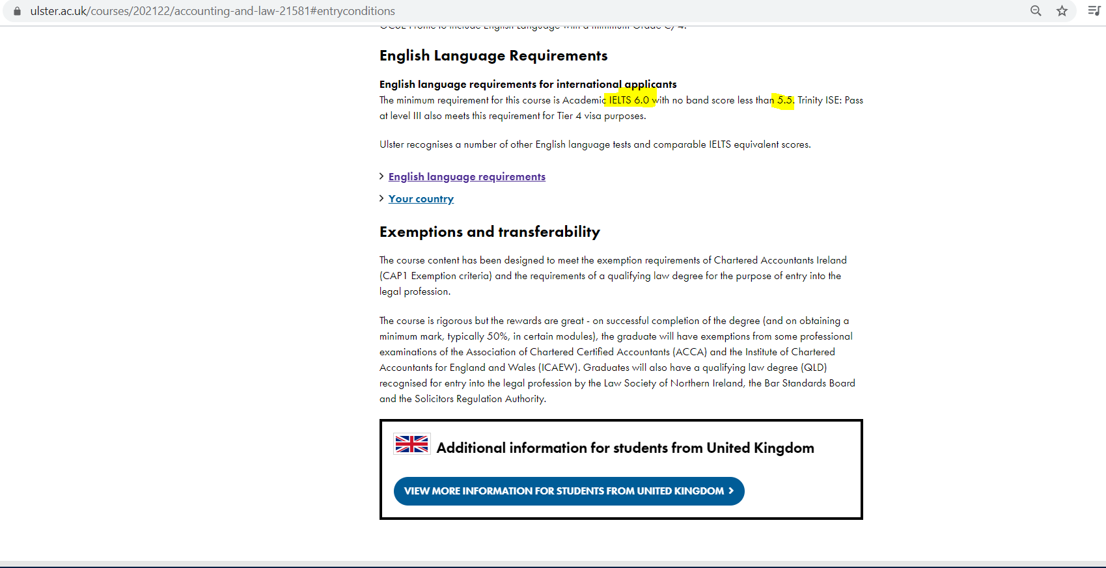
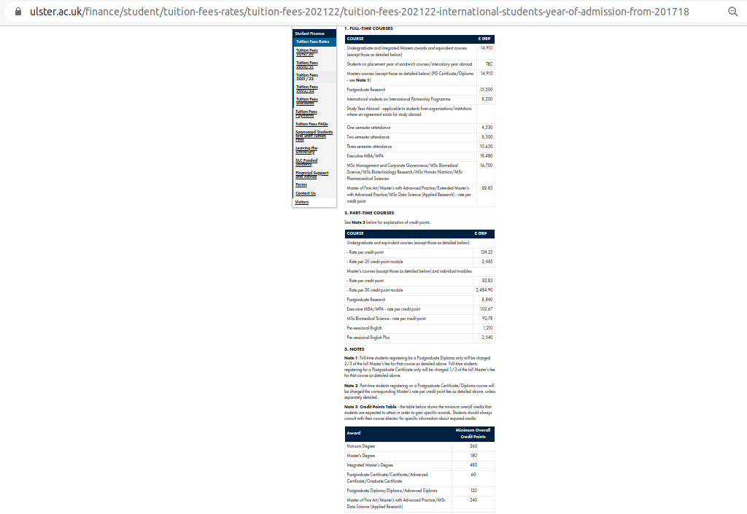
 |  | University Analysis

 |  | University name: University of Ulster
 |  | Website link: https://www.ulster.ac.uk/

 |  |  |  | Couse Link: https://www.ulster.ac.uk/courses?query=&f.Level%7CY=

 | #VALUE!

S.No | Field Name | Link | Remarks
1 | Course Name | easy
2 | Category | Given as Faculty
3 | Sub Category | we will do it
4 | Course Website | We can get Course Website in Course Link
5 | Duration | Given in the modules or Course Structure | eg: if Course Structure is upto Year 5 ; Duration is 5 and Duration Term is Year
6 | Duration Term | Given in the modules or Course Structure
7 | Study Mode
8 | Degree Level | Given in Course Name | eg Bsc(Hons)
9 | Monthly Intake
10 | Intake Day
11 | Intake Month | Give in the top of Course Website
12 | Apply Day
13 | Apply Month
14 | City | Given as Campus at top of Course Website
15 | Domestic Only
16 | International Fee | given here: https://www.ulster.ac.uk/finance/student/tuition-fees-rates/tuition-fees-202122/tuition-fees-202122-international-students-year-of-admission-from-201718 | Priority must be given to Full time Fee
17 | Domestic Fee | given here; https://www.ulster.ac.uk/finance/student/tuition-fees-rates/tuition-fees-202021/tuition-fees-202021-for-students-year-of-admission-2021
18 | Fee Term | given in above link
19 | Fee Year | given in above link
20 | Currency | Pound or Given in Fees
21 | Study Load | Given in the top of in the Course Website
22 | IELTS Listening | Given in English Language Requirements inside English language requirements for international applicants
23 | IELTS Speaking | Given in English Language Requirements inside English language requirements for international applicants
24 | IELTS Writing | Given in English Language Requirements inside English language requirements for international applicants
25 | IELTS Reading | Given in English Language Requirements inside English language requirements for international applicants
26 | IELTS Overall | Given in English Language Requirements inside English language requirements for international applicants
27 | PTE Listening | other english req, given here: https://www.ulster.ac.uk/global/apply/english-language-requirements
28 | PTE Speaking | other english req, given here: https://www.ulster.ac.uk/global/apply/english-language-requirements
29 | PTE Writing | other english req, given here: https://www.ulster.ac.uk/global/apply/english-language-requirements
30 | PTE Reading | other english req, given here: https://www.ulster.ac.uk/global/apply/english-language-requirements
31 | PTE Overall | other english req, given here: https://www.ulster.ac.uk/global/apply/english-language-requirements
32 | TOFEL Listening | other english req, given here: https://www.ulster.ac.uk/global/apply/english-language-requirements
33 | TOFEL Speaking | other english req, given here: https://www.ulster.ac.uk/global/apply/english-language-requirements
34 | TOFEL Writing | other english req, given here: https://www.ulster.ac.uk/global/apply/english-language-requirements
35 | TOFEL Reading | other english req, given here: https://www.ulster.ac.uk/global/apply/english-language-requirements
36 | TOFEL Overall | other english req, given here: https://www.ulster.ac.uk/global/apply/english-language-requirements
37 | English Test
38 | Reading
39 | Listening
40 | Speaking
41 | Writing
42 | Overall
43 | Academic Level
44 | Academic Score
45 | Score Type
46 | Academic Country
47 | Other Test
48 | Score
49 | Other Requirements
50 | Course Description | given in Course Website as Summary
51 | Course Structure | given in Course Website as Modules
52 | Career | Given in Couse Website as Carrers and opportunities
53 | Scholarship

