Clocks
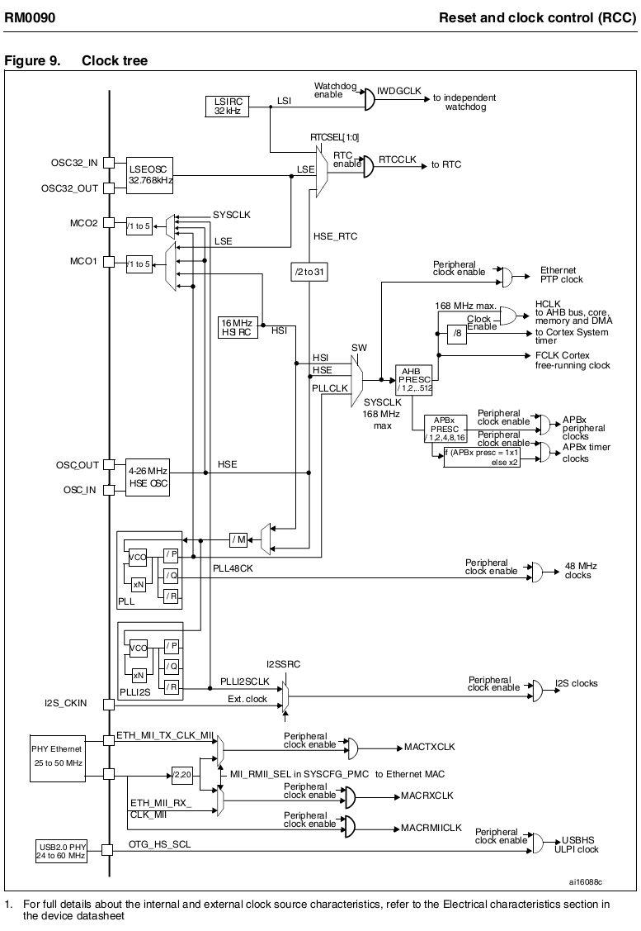
PLL input | 8000000 | PLLCLK | 168000000
PLL_M | 8 | PLL48CK | 48000000
PLL_N | 336 | SYSCLK | 168000000 | = memory clk, = AHB bus clk, = DMA clk
PLL_P | 2 | CORE_CLK | 168000000
PLL_Q | 7 | SYS_TIM_CLK | 21000000
AHB_PRESC | 1 | FCLK | 168000000
APB1_PRESC | 4 | APB1_PER_CLK | 42000000 | PCLK1
APB2_PRESC | 2 | APB2_PER_CLK | 84000000 | PCLK2
 |  | APB1_TIM_CLK | 84000000
ADCPRE | 2 | APB2_TIM_CLK | 168000000
 |  | ETH PTP clk | 168000000
 |  | ADCCLK | 42000000

Search for needed dividers
PLL_M | 8 | PLLCLK | 120000000
PLL_N | 240 | PLL48CK | 48000000
PLL_P | 2
PLL_Q | 5

ADCCLK | 30

VCO_CLK | 240000000

