Sampling parameters
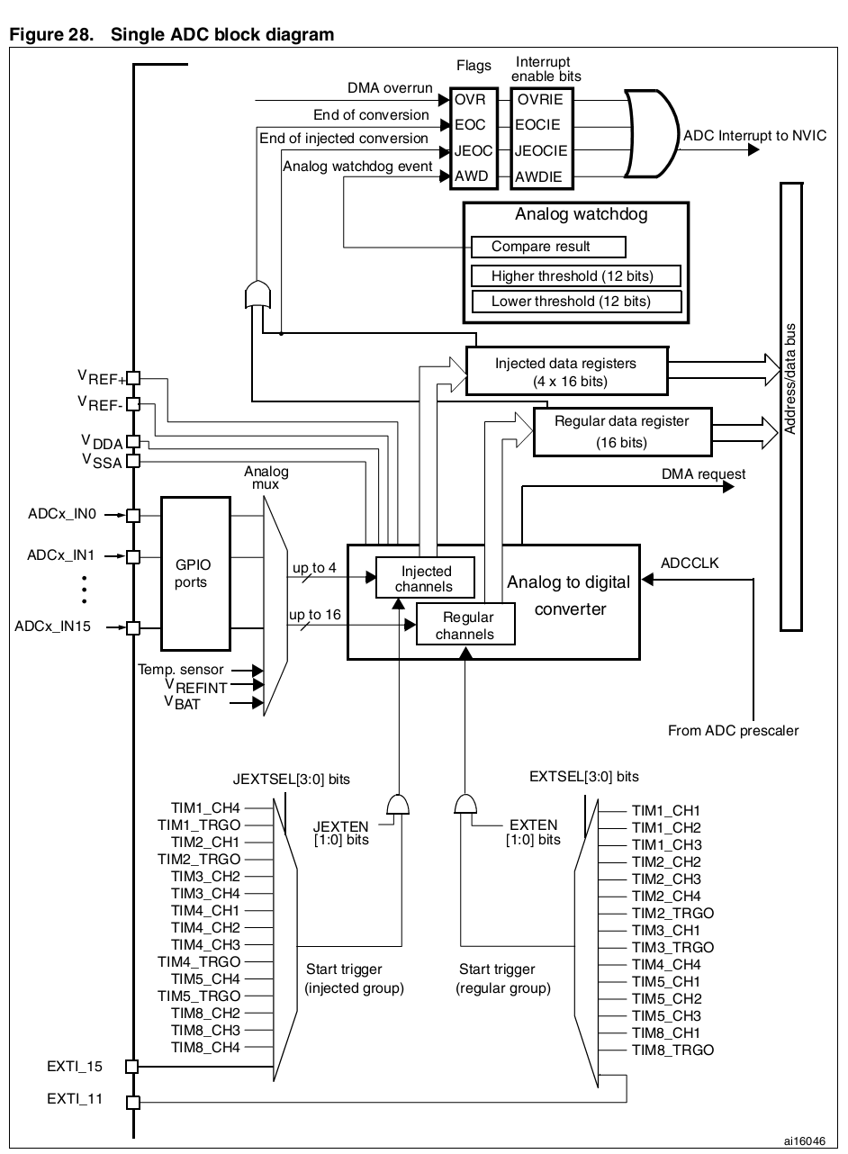
 | custom | min | max |  | Internal ADC clock dividers
# of horizontal divisions: | 10 | 10 | 10 |  | T_FREQ | TIM_cycles | ADC_cycles |  |  | TIM_CLK | PCLK2 | ADCCLK
# of vertical divisions: | 8 | 8 | 8 |  |  |  |  |  |  | 60 | 60 | 30
# of collected samples | 4096 | 256 | 32768 |  |  |  |  |  | CLK RATIO: | 2
# ADC resolution, bits | 12 | 6 | 12 |  | 6.6666666667 | 18 | 9 | <- max Fsamp, 6 bit
ADC sampling frequency | 2.00E+06 |  |  |  | 6 | 20 | 10
s/div | 0.0002048 |  |  |  | 5.4545454545 | 22 | 11 | <- max Fsamp, 8 bit
V/div |  |  |  |  | 5 | 24 | 12
 |  |  |  |  | 4.6153846154 | 26 | 13 | <- max Fsamp, 10 bit
# of displayed samples | 4000 |  |  |  | 4.2857142857 | 28 | 14
 |  |  | s/div |  | 4 | 30 | 15 | <- max Fsamp, 12 bit
 |  |  | 2.00E-04 | 5.00E-07 | 2.00E+00 | 3.00E+01 | 6.00E+01
 |  |  | 5.00E-04 | 1.25E-06 | 8.00E-01 | 7.50E+01 | 1.50E+02
 |  |  | 1.00E-03 | 2.50E-06 | 4.00E-01 | 1.50E+02 | 3.00E+02
 |  |  | 2.00E-03 | 5.00E-06 | 2.00E-01 | 3.00E+02 | 6.00E+02
 |  |  | 5.00E-03 | 1.25E-05 | 8.00E-02 | 7.50E+02 | 1.50E+03
 |  |  | 1.00E-02 | 2.50E-05 | 4.00E-02 | 1.50E+03 | 3.00E+03
 |  |  | 2.00E-02 | 5.00E-05 | 2.00E-02 | 3.00E+03 | 6.00E+03
 |  |  | 5.00E-02 | 1.25E-04 | 8.00E-03 | 7.50E+03 | 1.50E+04
 |  |  | 1.00E-01 | 2.50E-04 | 4.00E-03 | 1.50E+04 | 3.00E+04
 |  |  | 2.00E-01 | 5.00E-04 | 2.00E-03 | 3.00E+04 | 6.00E+04
 |  |  | 5.00E-01 | 1.25E-03 | 8.00E-04 | 7.50E+04 | 1.50E+05
 |  |  | 1.00E+00 | 2.50E-03 | 4.00E-04 | 1.50E+05 | 3.00E+05
 |  |  | 2.00E+00 | 5.00E-03 | 2.00E-04 | 3.00E+05 | 6.00E+05
 |  |  | 5.00E+00 | 1.25E-02 | 8.00E-05 | 7.50E+05 | 1.50E+06

