MI Wind
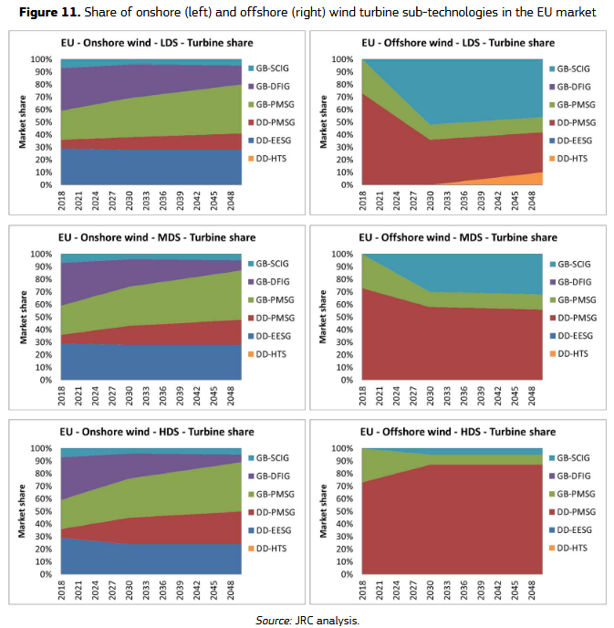
additional materials offshore (t/GW) |  |  |  |  |  | Onshore |  | Offshore |  | Source MI and lifetime | Liang, Y., Kleijn, R., Tukker, A., & van der Voet, E. (2022). Material requirements for low-carbon energy technologies: A quantitative review. Renewable and Sustainable Energy Reviews, 161, 112334. https://doi.org/10.1016/j.rser.2022.112334
Steel | 0 |  |  |  |  | Direct drive | Geared | Direct drive | Geared | Source concrete intensity | Mc Govern, L., Tapoglou, E., & Georgakaki, A. (2024). Material requirements for wind turbines. JRC Publications Repository. https://publications.jrc.ec.europa.eu/repository/handle/JRC139701
Copper | 0 |  |  |  | marketshare | 0.4 | 0.6 | 0.68 | 0.32 | market shares from | Alves Dias, P., Pavel, C., Plazzotta, B., & Carrara, S. (2020). Raw materials demand for wind and solar PV technologies in the transition towards a decarbonised energy system. Joint Research Centre (European Commission). https://data.europa.eu/doi/10.2760/160859
Aluminum | 0

 | Onshore |  | Offshore |  |  |  |  |  |  | Assumptions | technologies are divided between geared and and direct drive both for on and offshore
 | Direct drive | Geared | Direct drive | Geared |  |  |  |  |  |  | Offshore wind is assumed to require additional structural materials, the addition is based on the difference between on and offshore MI for bulk materials; steel, aluminium and copper in Liang et al 2022.
Steel | 115318.11111 | 118986.07692 | 115318.11111 | 118986.07692 |  |  |  |  |  |  | aluminum is mentioned two times Liang et al., first value is taken
Copper | 8963 | 2123.8571429 | 8963 | 2123.8571429 |  |  |  |  |  |  | concrete MI taken from McGovern et al. (2024), lower bound assumed for on shore, upper bound for offshore
Aluminum | 1311.8571429 | 1896 | 1311.8571429 | 1896 |  |  |  |  |  |  | MDS scenario is taken for market shares with 2024 values from Alves Dias et al, 2020
Zinc | 5500 | 5500 | 5500 | 5500
Lead | 6720 |  | 6720
Manganese | 790 | 790 | 790 | 790
Aluminum | 1596.6 | 1968 | 1596.6 | 1968
Nickel | 267 | 415.66666667 | 267 | 415.66666667
Neodymium | 140.37142857 | 29.8 | 140.37142857 | 29.8
Chromium | 382 | 525 | 382 | 525
Molybdenum | 109 | 109 | 109 | 109
Praseodymium | 24.454545455 | 4 | 24.454545455 | 4
Dysprosium | 14.817391304 | 2.6875 | 14.817391304 | 2.6875
Terbium | 6.1375 | 1 | 6.1375 | 1
Boron | 3.5 | 3.5 | 3.5 | 3.5
Yttrium | 1.225 |  | 1.225
Concrete | 300000 | 300000 | 500000 | 500000
MI based on technology market share
 | Onshore | Offshore
Steel | 117518.8906 | 116491.86017
Copper | 4859.5142857 | 6774.4742857
Aluminum | 1662.3428571 | 1498.7828571
Zinc | 5500 | 5500
Lead | 2688 | 4569.6
Manganese | 790 | 790
Aluminum | 1819.44 | 1715.448
Nickel | 356.2 | 314.57333333
Neodymium | 74.028571429 | 104.98857143
Chromium | 467.8 | 427.76
Molybdenum | 109 | 109
Praseodymium | 12.181818182 | 17.909090909
Dysprosium | 7.5394565217 | 10.935826087
Terbium | 3.055 | 4.4935
Boron | 3.5 | 3.5
Yttrium | 0.49 | 0.833
Concrete | 300000 | 500000

