MI Wind
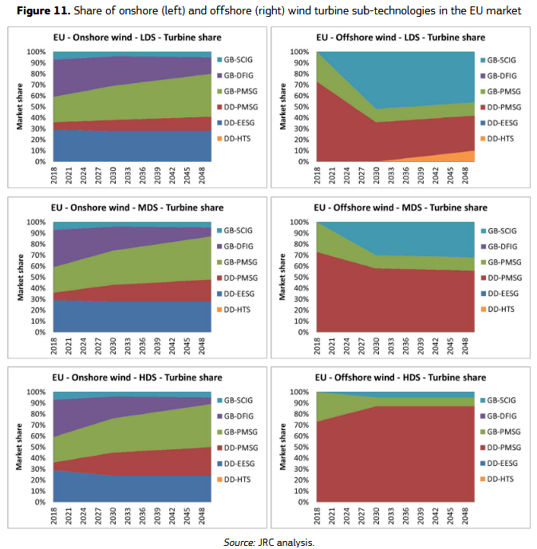
additional materials offshore (t/GW) |  |  |  |  |  | Onshore |  | Offshore |  | Source MI and lifetime | Liang, Y., Kleijn, R., Tukker, A., & van der Voet, E. (2022). Material requirements for low-carbon energy technologies: A quantitative review. Renewable and Sustainable Energy Reviews, 161, 112334. https://doi.org/10.1016/j.rser.2022.112334
Steel | 0 |  |  |  |  | Direct drive | Geared | Direct drive | Geared | Source concrete intensity | Mc Govern, L., Tapoglou, E., & Georgakaki, A. (2024). Material requirements for wind turbines. JRC Publications Repository. https://publications.jrc.ec.europa.eu/repository/handle/JRC139701
Copper | 0 |  |  |  | marketshare | 0.4 | 0.6 | 0.68 | 0.32 | market shares from | Alves Dias, P., Pavel, C., Plazzotta, B., & Carrara, S. (2020). Raw materials demand for wind and solar PV technologies in the transition towards a decarbonised energy system. Joint Research Centre (European Commission). https://data.europa.eu/doi/10.2760/160859
Aluminum | 0 |  |  |  |  |  |  |  |  | MDS scenario is taken with 2024 values

 | Onshore |  | Offshore |  |  |  |  |  |  | Assumptions | technologies are divided between geared and and direct drive both for on and offshore
 | Direct drive | Geared | Direct drive | Geared |  |  |  |  |  |  | Offshore wind is assumed to require additional structural materials, the addition is based on the difference between on and offshore MI for bulk materials; steel, aluminium and copper in Liang et al 2022.
Steel | 115318.11111 | 118986.07692 | 115318.11111 | 118986.07692 |  |  |  |  |  |  | aluminum is mentioned two times Liang et al., first value is taken
Copper | 8963 | 2123.8571429 | 8963 | 2123.8571429 |  |  |  |  |  |  | concrete MI taken from McGovern et al. (2024), lower bound assumed for on shore, upper bound for offshore
Aluminum | 1311.8571429 | 1896 | 1311.8571429 | 1896 |  |  |  |  |  |  | MDS scenario is taken for market shares with 2024 values from Alves Dias et al, 2020
Zinc | 5500 | 5500 | 5500 | 5500
Lead | 6720 |  | 6720
Manganese | 790 | 790 | 790 | 790
Aluminum | 1596.6 | 1968 | 1596.6 | 1968
Nickel | 267 | 415.66666667 | 267 | 415.66666667
Neodymium | 140.37142857 | 29.8 | 140.37142857 | 29.8
Chromium | 382 | 525 | 382 | 525
Molybdenum | 109 | 109 | 109 | 109
Praseodymium | 24.454545455 | 4 | 24.454545455 | 4
Dysprosium | 14.817391304 | 2.6875 | 14.817391304 | 2.6875
Terbium | 6.1375 | 1 | 6.1375 | 1
Boron | 3.5 | 3.5 | 3.5 | 3.5
Yttrium | 1.225 |  | 1.225
Concrete | 300000 | 300000 | 500000 | 500000
MI based on technology market share
 | Onshore | Offshore
Steel | 117518.8906 | 116491.86017
Copper | 4859.5142857 | 6774.4742857
Aluminum | 1662.3428571 | 1498.7828571
Zinc | 5500 | 5500
Lead | 2688 | 4569.6
Manganese | 790 | 790
Aluminum | 1819.44 | 1715.448
Nickel | 356.2 | 314.57333333
Neodymium | 74.028571429 | 104.98857143
Chromium | 467.8 | 427.76
Molybdenum | 109 | 109
Praseodymium | 12.181818182 | 17.909090909
Dysprosium | 7.5394565217 | 10.935826087
Terbium | 3.055 | 4.4935
Boron | 3.5 | 3.5
Yttrium | 0.49 | 0.833
Concrete | 300000 | 500000

MI P2G
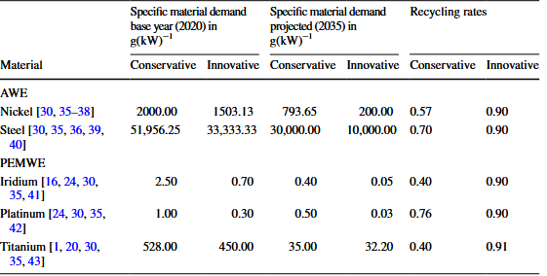
Material | Symbol | Technology type (Reference) |  | market share |  | sources MI
 |  | PEM | AE | Technology type | share | Personal contact with TNO who gathered data from research below . In those reports MI are not pubicly disclosed
Platinum | Pt | 0.17 | 0 | PEM | 0.4 | Mayyas, A., Ruth, M., Pivovar, B., Bender, G., & Wipke, K. (2019, August). Manufacturing Cost Analysis for Proton Exchange Membrane Water Electrolyzers. National Renewable Energy Laboratory.
Iridium | Ir | 0.45 | 0 | AE | 0.6 | van ’t Noordende, H., & Ripson, P. (2022, January). A One-GigaWatt Green-Hydrogen Plant: Advanced Design and Total Installed-Capital Costs. Hydrohub Innovation Program.
Titanium | Ti | 151.32 | 0
Gold | Au | 0.33 | 0 |  |  | source market share (2040 values taken as that year has the largest inflow)
Steel | 0 | 250.75 | 23746.394255 |  |  | Suurs, R., Van Der Meulen, T. H., & Schoemaker, B. (2024, May). Op weg naar circulaire elektrolysers: Verkenning van scenario’s en strategieën. TNO.
Aluminium | Al | 19.05 | 0
Zirconium dioxide | ZrO2 | 0 | 70.57
Nickel | Ni | 0 | 1797

MI based on marketshare
Platinum | 0.068
Iridium | 0.18
Titanium | 60.528
Gold | 0.132
Steel | 14348.136553
Aluminium | 7.62
Zirconium dioxide | 42.342
Nickel | 1078.2

 |  |  |  |  |  | alternative source
 |  |  |  |  |  | table copied from
 |  |  |  |  |  | Matz, L., Bensmann, B., Hanke-Rauschenbach, R., & Minke, C. (2024). Resource-Efficient Gigawatt Water Electrolysis in Germany—A Circular Economy Potential Analysis. Circular Economy and Sustainability, 4(2), 1153–1182. https://doi.org/10.1007/s43615-024-00345-x

