Sheet1
Laser measurement data Qmineral
Size (µm) | Eifelgold
0.011 | 0 |  | Feedstock powder density | We do not have this
0.012 | 0
0.014 | 0
0.015 | 0
0.017 | 0
0.019 | 0
0.021 | 0
0.024 | 0
0.026 | 0
0.029 | 0
0.032 | 0
0.036 | 0
0.04 | 0
0.045 | 0
0.05 | 0
0.055 | 0
0.062 | 0
0.069 | 0
0.076 | 0
0.085 | 0
0.095 | 0
0.11 | 0
0.12 | 0
0.13 | 0
0.15 | 0
0.16 | 0
0.18 | 0
0.2 | 0
0.22 | 0
0.25 | 0
0.28 | 0
0.31 | 0
0.34 | 0
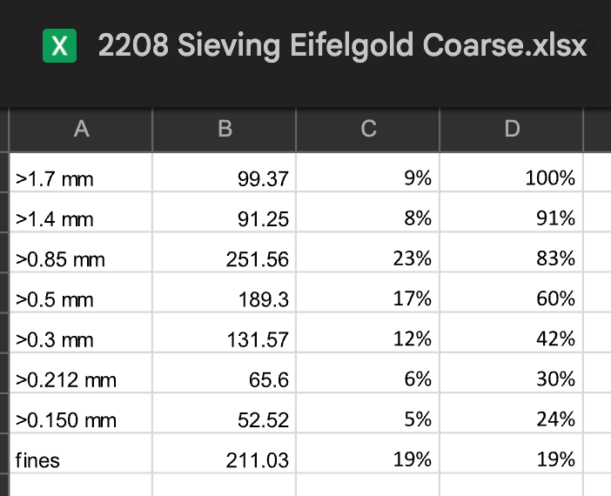
0.38 | 0
0.42 | 0
0.47 | 0
0.53 | 0
0.58 | 0
0.65 | 0
0.72 | 0
0.81 | 0
0.9 | 0
1 | 0.1
1.11 | 0.2
1.24 | 0.4
1.38 | 0.6
1.53 | 1
1.71 | 1.5
1.9 | 2.1
2.11 | 2.9 | micron | amount
2.35 | 3.8 | <2.5 | 4.50%
2.62 | 4.9
2.91 | 6.1 | between | 5.40%
3.24 | 7.4
3.61 | 8.8
4.02 | 10.3 | <3.9 | 9.90%
4.47 | 11.8
4.98 | 13.4
5.54 | 15
6.16 | 16.6
6.86 | 18.2
7.64 | 19.8
8.5 | 21.5
9.46 | 23.1
10.5 | 24.8
11.7 | 26.6
13 | 28.4
14.5 | 30.4
16.2 | 32.4
18 | 34.5
20 | 36.7
22.3 | 38.9
24.8 | 41.1
27.6 | 43.3
30.7 | 45.5
34.2 | 47.7
38.1 | 49.8 | between | 49%
42.4 | 51.8
47.1 | 53.8
52.5 | 55.8
58.4 | 57.6
65 | 59.4 | <63 | 58.90%
72.3 | 60.9
80.5 | 62.2
89.6 | 63.3 | between | 6%
99.7 | 64
111 | 64.5
124 | 64.8 | <125 | 64.80%
138 | 64.9
153 | 65
170 | 65.1
190 | 65.4 | between | 4%
211 | 66.2
235 | 67.5
261 | 69.6 | <250 | 68.80%
291 | 72.6
324 | 76.4
360 | 80.8 | between | 25%
401 | 85.5
446 | 89.9
497 | 93.8 | <500 | 94%
553 | 96.7
616 | 98.5
685 | 99.5 | between | 4%
763 | 99.9
849 | 100
945 | 100 | <1mm | 100% | 98%
1051 | 100 |  |  | Taking into account Niko data and knowing there is a bit more coarse stuff in there
1170 | 100
1303 | 100
1450 | 100 | between | 2%
1614 | 100
1796 | 100
1999 | 100 | <2mm | 100% | 100%
2225 | 100 | >2mm | 0%
2476 | 100
2756 | 100
3068 | 100
3414 | 100
3800 | 100

