Equations
 | EPIDEMIOLOGY | Parameter
 | R0 | 1. Reproduction number
 | Ldays | 4. Latent period duration (days) |  |  | S | L | E | I | Q_L | Q_E | Q_I | H | R | D
 | IncubDays | 5. incubation period duration (days) |  | S |  | r[S,L]
 | propAsymp | 6. Proportion of cases that never show symptoms |  | L |  |  | r[L,E] |  | r[L,Q_L]
 | propSympSevere | 7. Proportion symptomatic infections that are severe |  | E |  |  |  | r[E,I] |  | r[E,Q_E] | r[E,Q_I] |  | r[E,R]
 | IRdays | 8. Time from onset of symptoms to recovery (I to R) |  | I |  |  |  |  |  |  | r[I,Q_I] |  | r[I,R]
 | QiRdays | 9. Time from diagnosis to recovery |  | Q_L |  |  |  |  |  | r[Q_L, Q_E]
 | QiHdays | 10. Time from onset of symptoms to hospitalization |  | Q_E |  |  |  |  |  |  | r[Q_E, Q_I] |  | r[Q_E, R]
 | propHosp | 11. Proportion of cases that are hospitalized |  | Q_I |  |  |  |  |  |  |  | r[Q_I, H] | r[Q_I, R]
 | HospDays | 12. Duration of hospitalization for those who recover |  | H |  |  |  |  |  |  |  |  | r[H, R] | r[H, D]
 | propRecover | 13. Proportion of cases that recover |  | R
 |  |  |  | D
 | ADDITIONAL
 | beta | R0/(IncubDays - Ldays + IRdays)
 | betaQ | beta under quanrantine (set to 0) | assume 0
 | betaH | beta under hospitalization | assume 0 (9: https://www.cdc.gov/mmwr/volumes/69/wr/mm6915e5.htm?s_cid=mm6915e5_x)
 | INTERVENTION
 | aB (UNKNOWN-Solve for aB by matching to Q_I or H or?) | basecase testingRate (can be assume 20% based on CDC study, 20% CASE are tested)
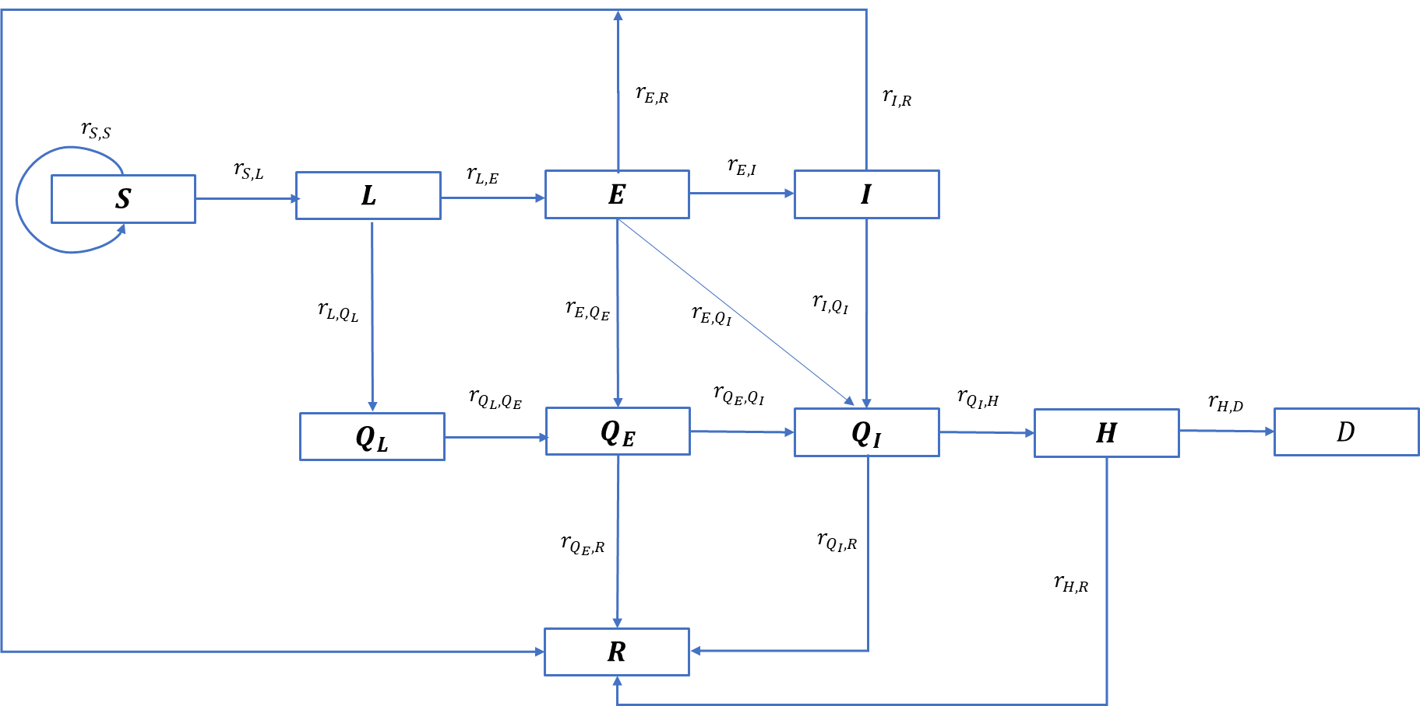
 | aU | Universal testing rate | 0
 | aC | contact tracing and testing rate | 0
 | aSD | proportion social distancing (0%-53%) | 0.52857142857
 | COLLECT OUTPUT |  | 0.47142857143
 | R_E (Effective reproduction number) | (r[S,L] N /[E + I + Q_E + Q_I + H])(IncubDays - Ldays + IRdays)

 | EQUATION 1 | FALL _BACK EQUATION
r[S,L] | (1-aSD) [beta(E + I) + betaQ(Q_E + Q_I)+ betaH(H)] / N | beta = pc (c for betaQ = 0, betaH = 0)
r[L,E] | 1 / Ldays
r[L,Q_L] | aU + (1 - aU)aC
r[E,I] | (1 - propHosp)(1 - propAsymp) / (IncubDays - Ldays ) | (1-propSympSevere)(1 - propAsymp) / (IncubDays - Ldays ) | *
r[E,Q_I] | (propHosp)(1 - propAsymp) / (IncubDays - Ldays ) | (propSympSevere)(1 - propAsymp) / (IncubDays - Ldays )
r[E,Q_E] | aU + (1 - aU)aC
r[E,R] | (propAsymp) / (IncubDays - Ldays )
r[I,Q_I] | aU + (1 - aU)aC+ aB ( 1 - (aU + (1 - aU)aC) | = aU + (1 - aU)aC+ aB ( 1 - aU - aC + aUaC)
r[I,R] | 1/Irdays
r[Q_L, Q_E] | 1 / Ldays
r[Q_E, Q_I] | (1 - propAsymp) / (IncubDays - Ldays )
r[Q_E, R] | (propAsymp) / (IncubDays - Ldays )
r[Q_I, H] | propHosp/QiHDays
r[Q_I, R] | (1 - propHosp)/QiRDays
r[H, R] | (propRecover)/HospDays |  | **
r[H, D] | (1 - propRecover)/HospDays
 | *NOTE: AS duration of infection is shorter for severe cases, going from E to Q_I allows to model the two different times
 | This would make 2 assumptions- 1) all severe cases get diagnosed right away; 2) cases that go from I to Q_I from diagnosis are infectious for a shorter period that actual- which would be ok because we assume those quanratined will not transmit
 | ** This assume duration is same for persons dying or recovering - differnces in time are minor so should be ok

 | Parameters to calibrated | initial state
 | ab | start off by assuming 0.2
 | aSD | start off by assuming 0
 | contacts | 21

 |  |  |  |  |  |  |  |  |  |  |  |  |  |  | HDdays | 14. Duration of hospitalization for deaths
 | vary be

 |  |  |  |  |  |  |  |  |  |  |  |  |  |  |  | 15. Proportion of cases that die

 |  |  |  |  |  |  |  |  |  |  |  |  |  |  |  | hospitalization rates (per 100k population) ARE NOT THE SAME Proportion of cases that are hospitalized
 |  |  |  |  |  |  |  |  |  |  |  |  |  |  |  | Proportion of cases that never show symptoms

 |  |  |  |  |  |  |  |  |  |  |  |  |  |  |  | 11. Proportion of cases that are hospitalized

 |  |  |  |  |  |  |  |  |  |  |  |  |  |  |  | 12. Duration of hospitalization for those who recover

