recovered
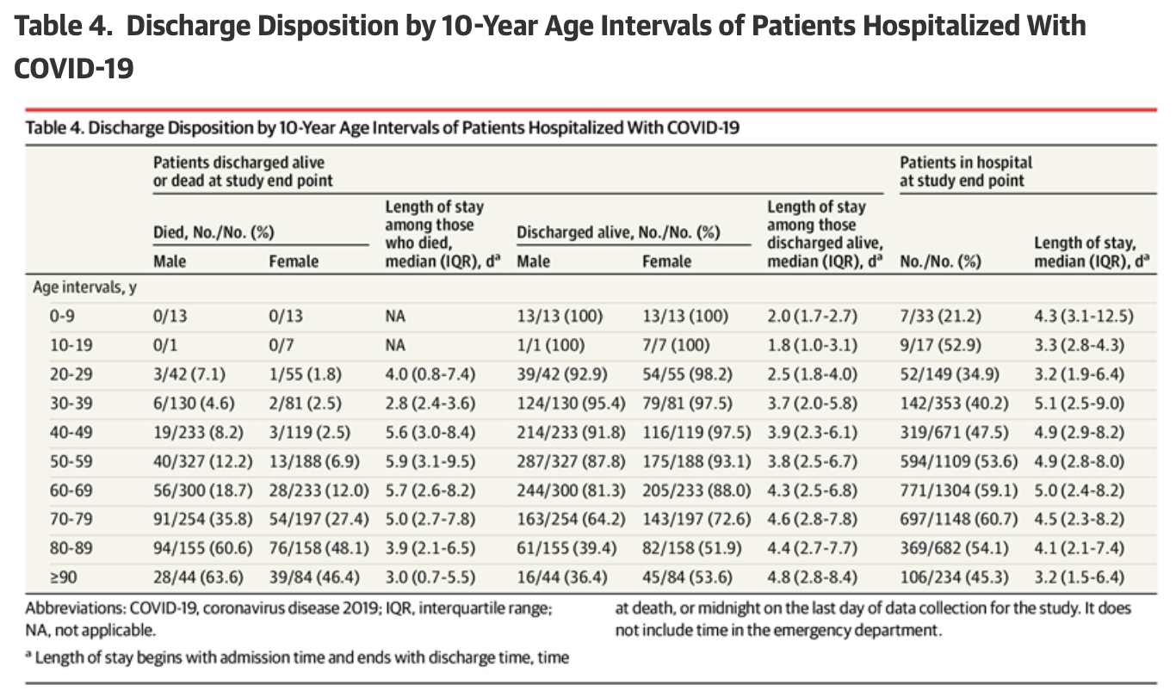
Age start | Age end | Male | Female | Length of stay | Admitted-male | Admitted female
0 | 9 | 13 | 13 | 2 | 13 | 13
10 | 19 | 1 | 7 | 1.8 | 1 | 7
20 | 29 | 39 | 54 | 2.5 | 42 | 55
30 | 39 | 124 | 79 | 3.7 | 130 | 81
40 | 49 | 214 | 116 | 3.9 | 233 | 119
50 | 59 | 287 | 188 | 3.8 | 327 | 188
60 | 69 | 244 | 233 | 4.3 | 300 | 233
70 | 79 | 163 | 197 | 4.6 | 254 | 197
80 | 89 | 61 | 158 | 4.4 | 155 | 158
90 | 100 | 16 | 84 | 4.8 | 44 | 84

sources
 | Sheet | source
1 | qmat | multiple
2 | died | https://jamanetwork.com/journals/jama/fullarticle/2765184

3 | recovered | https://jamanetwork.com/journals/jama/fullarticle/2765184

4 | Hospitalization | https://www.cdc.gov/mmwr/volumes/69/wr/mm6915e3.htm
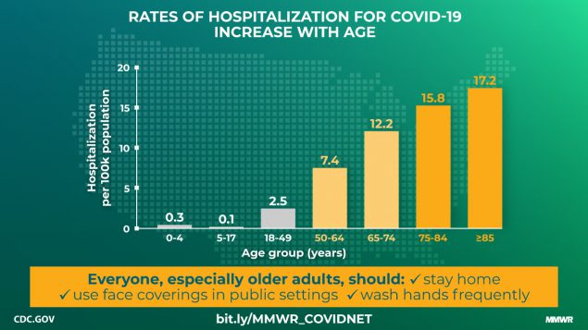

5 | duration_onset_hospit | Proposed Outbreak Scenarios COVID 19

